Sheet1
Alias

Package | org.sakaiproject.alias.tool

Java | AliasesAction.java
 | initState()
 | buildMainPanelContext()
 | buildListContext()
 | buildNewContext()
 | buildEditContext()
 | buildConfirmRemoveContext()
 | doNew() | setting the values when trying to create a Alias
 | doEdit() | Editing the Aliases information
 | doSave() | commits the information regarding that particular Alias
 | doCancel() | 1. removes the newly edited information if that Alias is already existing 2. cancels the creation of the Alias if it is newly created
 | doRemove()
 | doRemove_confirmed() | removes that particular Alias
 | doCancel_remove() | returns to the Edit Page (chef_aliases_edit)
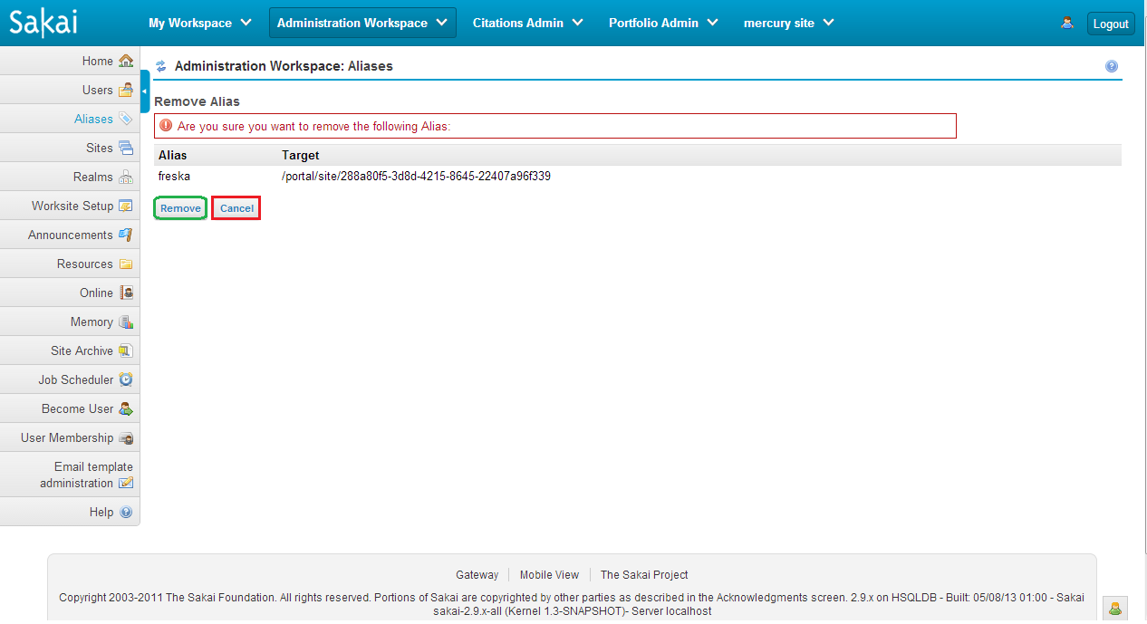
 | readAliasForm()
 | readResourcesPage() | search criteria for Aliases
 | sizeResources() | gets the count how many Aliases are retrieved when a search is performed
Velocity
 | chef_aliases_confirm | calls doRemove_confirmed() if Remove button is clicked calls doCancel_remove() if Cancel button is clicked
 | chef_aliases_edit | calls doSave() if Save button is clicked calls doCancel() if Cancel button is clicked
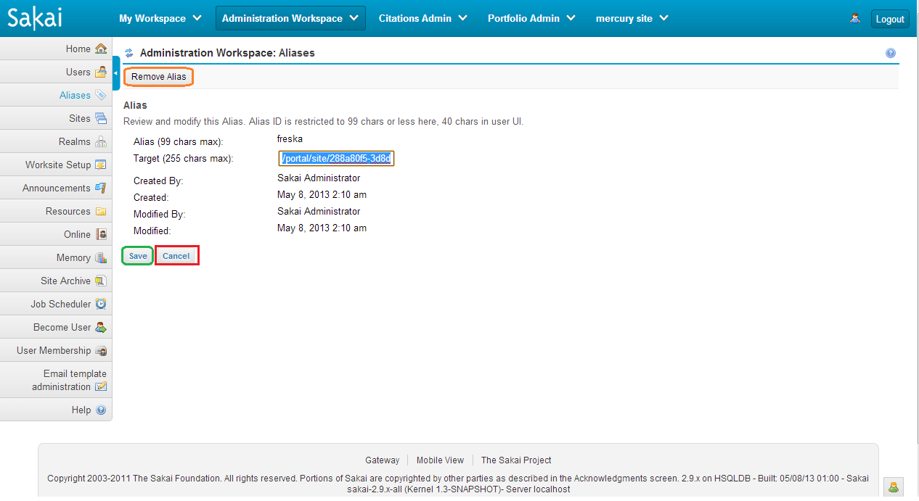
 | chef_aliases_list | 1. List of aliases is being displayed depending on the view items set and also by clicking the next page, prev page, first page and last page buttons 2. calls doEdit() when clicked on the links of Aliases being displayed | 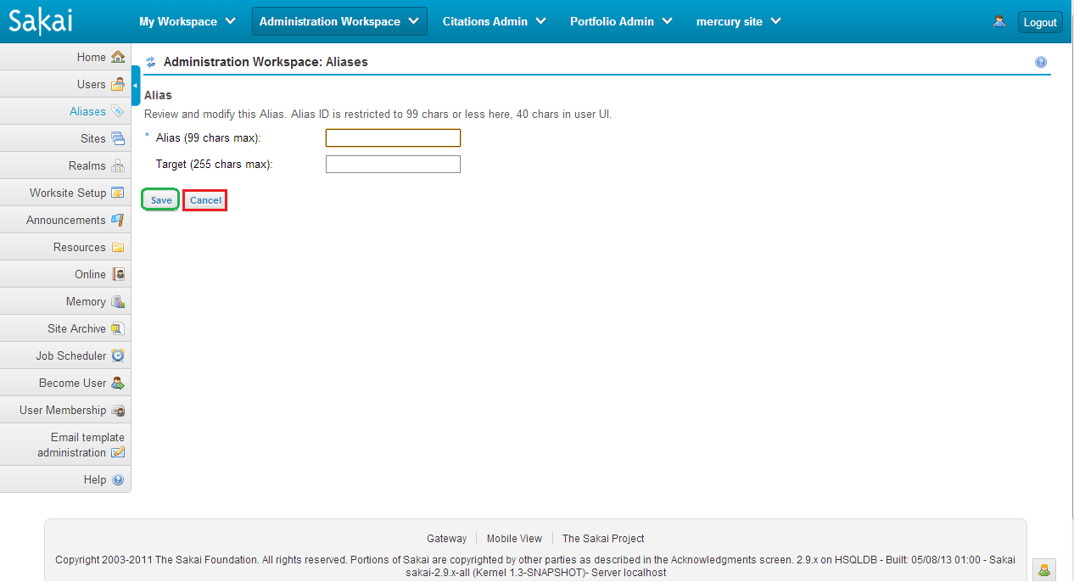
 | chef_aliases_noacces

