Sheet1
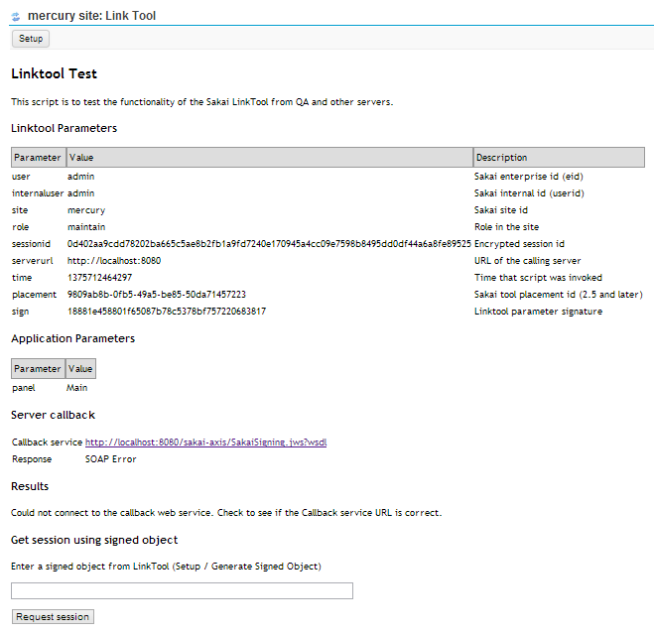
LINKTOOL
linktool.php

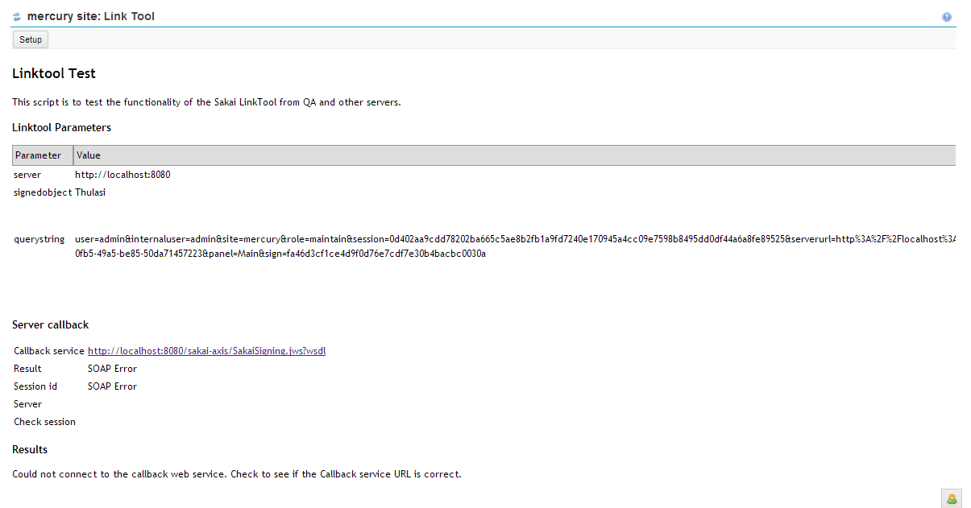
getsession.php

Class | Method | Description
genkeys.java |  | This class is used to generate keys for the user.
 | genkeys() | generates two keys public key private key
 | writeKey() | writes the encoded keys to file

Package | org.sakaiproject.tool.rutgers
Class | Method | Description
LinkTool.java | getServletInfo() | This method is used to access the servlet information display
 | init() | This method is used to initialises the servlet
 | destroy() | This method is used to shutdown the servlet
 | doGet() | This method is used to respond to the Get request. It adds information to privileged users & provides the bar at the top with a link to setup screen
 | isTrusted() | This method is used to check for config value & returns a boolean value based on the result
 | writeOwnerPage() | This method is used to the main contents
 | writeSetupPage() | This method is used to provide access to setup form page
 | writeErrorPage() | This method is used to provide access to error form page
 | doPost() | This method is used to process the setup form & sign form after submission
 | doSignForm() | When user submits a request to generate a signed object this method generates the object and display it
 | readSecretKey() | This method is used to read & return the private key that is generated & stored in a file
 | genkey() | This method is used to generate a secret private key
 | writekey() | This method is used to write the generated secret private key into a file
 | gensalt() | This method is used to generate a salt key & write to the file

LinkToolEntityProducer.java | init() | This method is used to initialize the servlet
 | destroy() | This method is used to shutdown the servlet
 | myToolIds() | This method is used to create the tool ID's for each link tool
 | myToolList() | This method is used to get the list of tools that has been created in linktool
 | serviceName() | This method is used to get the name of the service available for Linktool
 | archive() | This method archives the services in the linktool
 | getLabel() | This method is used to get the Linktool Label name
 | merge() | This method is used to merge the Linktool list in the LMS
 | parseEntityReference() | This method checks for the availability of Entity reference for the Linktool
 | WillArchiveMerge() | This method checks for Archive Merge enable
 | transferCopyEntities() | This method transfers the copy of Linktool entity. This method is overloaded

