Sheet1
Module name:User
foldername: | org.sakaiproject.user.tool |  | Create New User

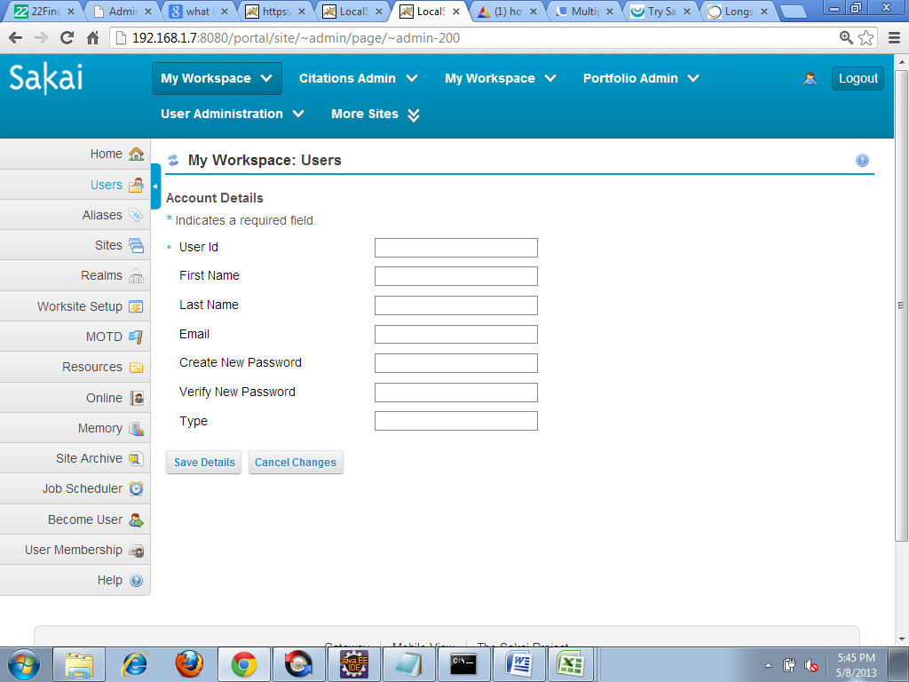
Velocity | chef_users_create

a)save Details | It invokes dosave() which refers UserAction(java)
b)Cancel changes | It invokes docancel() which refers Useraction(java)

screen:list
Velocity | chef_users_list.vm
a)doList_first() | It refers PageResourceActionII(java) which extends by Useraction
b)doList_prev() | It refers Page ResourceActionII(java)
c)doChange_pagesize() | It refers Page ResourceActionII(java)
d)doList_next() | It refers Page ResourceActionII(java) |  | List
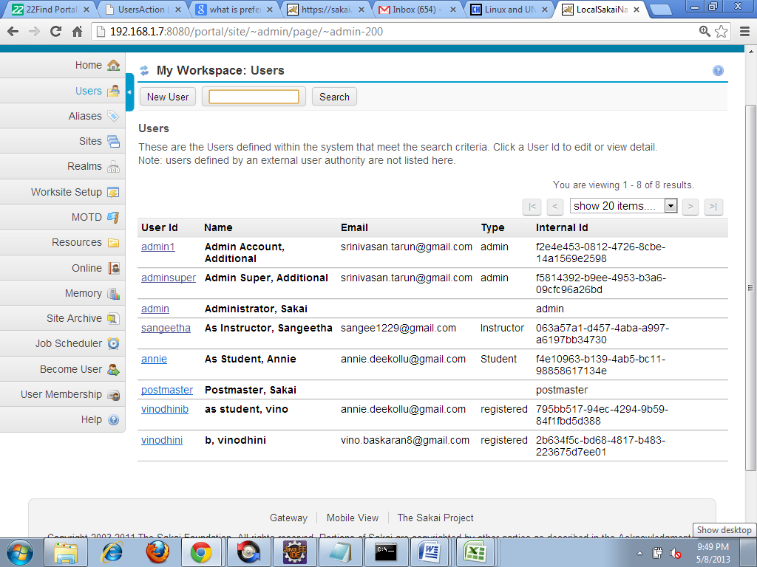
e)doList_last() | It refers Page ResourceActionII(java)
f)doChange_pagesize() | It refers Page ResourceActionII(java)

velocity | chef_users_noaccess.vm
 | It displays no access message

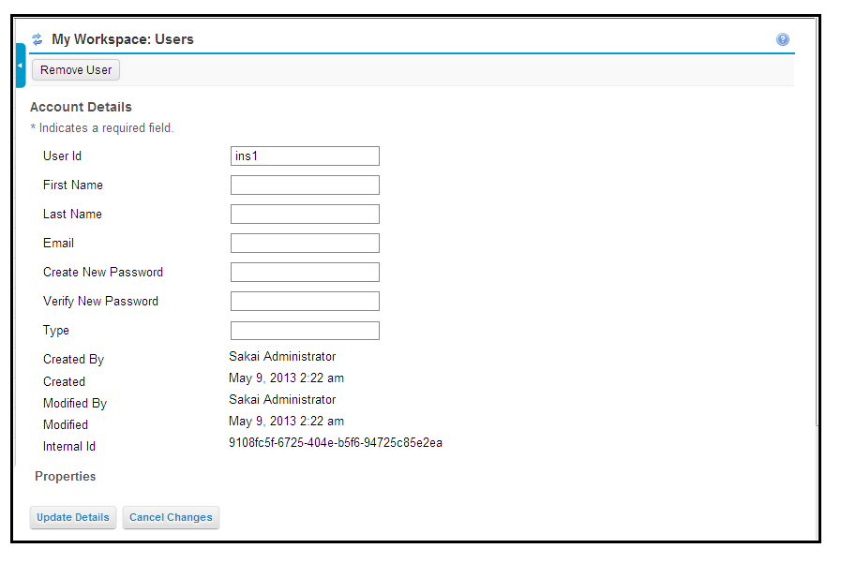
Screen | Edit |  | Edit
Velocity | chef_users_edit
Update Details() | It invokes dosave() which refers Useraction
Cancel changes() | It invokes docancel() which refers Useraction(java)

Velocity | chef_users_view.vm
 | It shows details of User(such as user id,email,created on ,modified on etc)
doModify() | It refers UserAction(java)

Screen | Remove
Velocity | chef_users_confirm_remove
Remove | It invokes doRemove_confirmed()
Cancel | It invokes doCancel_remove()
Java | UserAction
1)dosave() | In this method save the user details after authenticate that details. |  | Remove
2)doCancel() | This method used for cancel.
3)doList_first(RunData runData, Context context) | By getting portlet element id to find current state and set flag to go to first page and set page number | 
4)doList_prev() | By getting portlet element id to find current state and set flag to go to previous page and set page number
5)doChange_pagesize() | This method change page size
6)doList_next() | By getting portlet element id to find current state and set flag to go to next page and set page number
7)doList_last() | By getting portlet element id to find current state and set flag to go to last page and set page number
8)doRemove_confirmed() | Remove the user
9)doCancel_remove() | To cancel user removal
10)doModify() | doModify called when "eventSubmit_doModify" is in the request parameters to edit a user
11)doChange_pagesize() | Handle a request to change the page size of search list.

 |  |  |  | tab-dhtml-moresites
Jsp | tab
 |  | Note
UpdatePreference | It calls processactionsaveorder() which refers UserPreftool. | "Customize Tab" pages, namely "tab.jsp" (for the pre-DHTML more * sites), and "tab-dhtml-moresites.jsp". Which one is used depends on the 'sakai.properties' "portal.use.dhtml.more". Default is to use * the pre-DTHML page. |  | 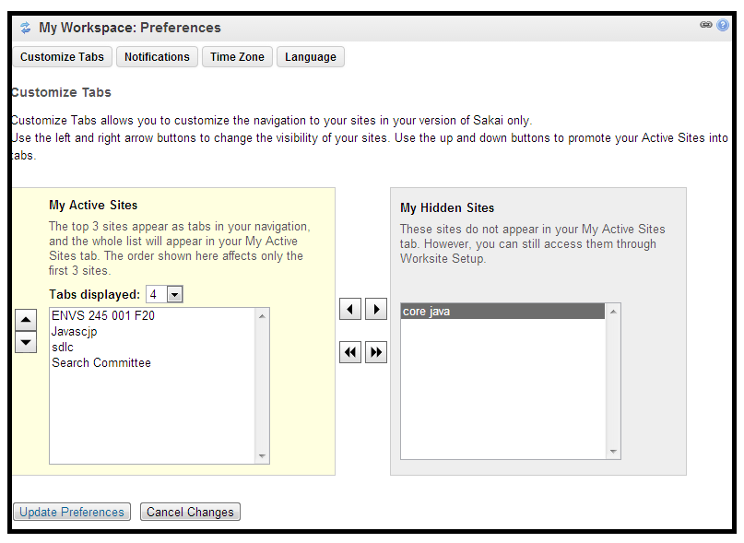
Cancel Preference | It calls processactioncancel()
If noti_selection==(number)|| ection==(number)|| language_selection==(number)|| privacy_selection==(number) | Based upon the condition it invokes the method(processActionTZFrmEdit(),processActionLocFrmEdit(),processActionPrivFrmEdit(),processActionNotiFrmEdit) | Note:number refers 1,2,3,4,5
processActionNotiFrmEdit() | Navigates to notification(jsp) page | (Below 5 method refers UserPref Tool(java))
processActionTZFrmEdit() | Navigates to TimeZone(jsp) page
processActionLocFrmEdit() | Navigates to Locale(jsp)
processActionPrivFrmEdit() | Navigates to Privacy(jsp)
TabUpdated=True | Navigates to prefUpdatedMsg.jsp

Screenname | tab-dhtml-moresites
Jsp | tab-dhtml-moresites
moveup | It invokes processActionMoveUp() which refers UserPrefTool(java)
movedown | It invokes processActionMoveDown() which refers UserPrefTool(java)
remove | It invokes processActionremove which refers UserPrefTool(java)
add | It invokes processActionAdd() which refers UserPrefTool(java)
removeall | It invokes processActionremoveall() which refers UserPrefTool(java)
addall | It invokes processActionAddall() which refers UserPrefTool(java)
If noti_selection==(number)|| ection==(number)|| language_selection==(number)|| privacy_selection==(number) | Based upon the condition it invokes the method(processActionTZFrmEdit(),processActionLocFrmEdit(),processActionPrivFrmEdit(),processActionNotiFrmEdit)
processActionNotiFrmEdit() | Navigates to notification(jsp) page
processActionTZFrmEdit() | Navigates to TimeZone(jsp) page | Note:number refers 1,2,3,4,5
processActionLocFrmEdit() | Navigates to Locale(jsp) | (Below 5 method refers UserPref Tool(java))
processActionPrivFrmEdit() | Navigates to Privacy(jsp)
TabUpdated=True | Navigates to prefUpdatedMsg.jsp
updatepreference | It invokes processactionsave() which refers UserPrefTool(java)
cancelchanges | It invokes processactioncancel() which refers UserPrefTool(java)

screen:Notification
Jsp | notification
addsite | It invokes processActionAddOverrides UserPrefTool(java) |  |  | Notification
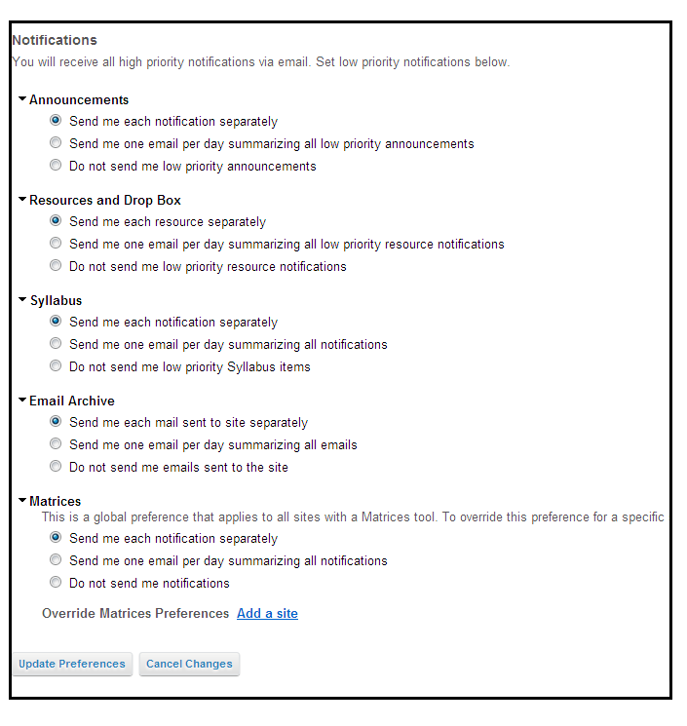
If noti_selection==(number)|| ection==(number)|| language_selection==(number)|| privacy_selection==(number) | Based upon the condition it invokes the method(processActionTZFrmEdit(),processActionLocFrmEdit(),processActionPrivFrmEdit(),processActionNotiFrmEdit)
processActionNotiFrmEdit() | Navigates to notification(jsp) page
processActionTZFrmEdit() | Navigates to TimeZone(jsp) page | Note:number refers 1,2,3,4,5
processActionLocFrmEdit() | Navigates to Locale(jsp) | (Below 5 method refers UserPref Tool(java))
processActionPrivFrmEdit() | Navigates to Privacy(jsp)
TabnotiUpdated=True | Navigates to prefUpdatedMsg.jsp
UpdatePreference | It invokew processActionNotiSave() which refers UserPrefTool(java)
cancelchanges | It invokes processActionNotiCancel() which refers UserPrefTool(java)

JSP | Refresh
processActionNotiFrmRefresh() | In this method the page navigates to notification page
processActionEdit() | it refers UserPrefTool(java)
processActionRefreshCancel() | cancel the changes.It navigates to refresh page
processActionRefreshSave() | Comment mode


screen | addsite
Jsp | noti_addSiteOverride.jsp |  |  | Addsite
add site | It invokes processActionSiteOverrideSave which refers UserPrefTool(java)
cancel | It invokes processActionSiteOverrideCancel which refers UserPrefTool(java)

screenname | Timezone |  |  | Timezone
Jsp | Timezone

If noti_selection==(number)|| ection==(number)|| language_selection==(number)|| privacy_selection==(number) | Based upon the condition it invokes the method(processActionTZFrmEdit(),processActionLocFrmEdit(),processActionPrivFrmEdit(),processActionNotiFrmEdit) | Note:number refers 1,2,3,4,5 | 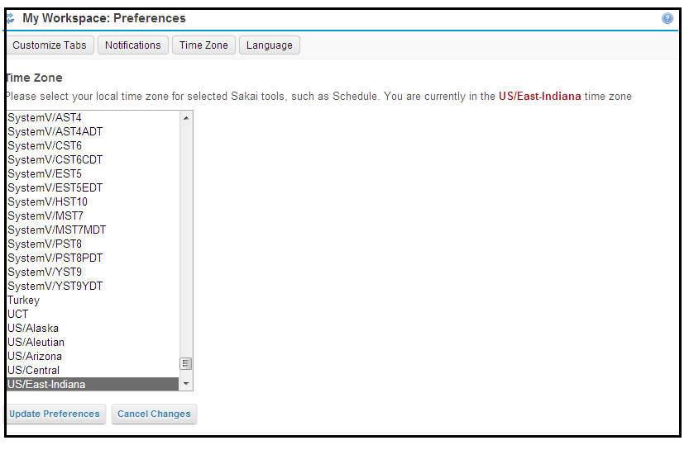
processActionNotiFrmEdit() | Navigates to notification(jsp) page | (Below 5 method refers UserPref Tool(java))
processActionTZFrmEdit() | Navigates to TimeZone(jsp) page
processActionLocFrmEdit() | Navigates to Locale(jsp)
processActionPrivFrmEdit() | Navigates to Privacy(jsp)
TabtzUpdated=True | Navigates to prefUpdatedMsg.jsp
updatepreference | It invokes processActionTzSave method which refers UserPrefTool(java)
cancelchanges | It invokes processActionTzCancel method which refers UserPrefTool(java)

screenname | Locale
Jsp | Locale

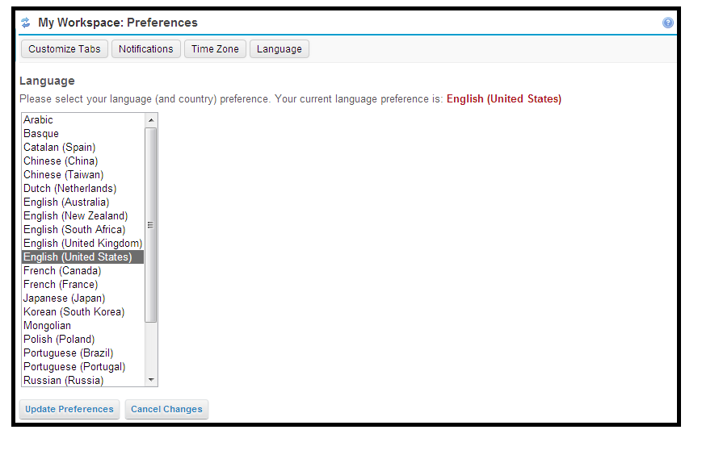
tablist==Zero | page navigates to PreferenceServlet(java) |  |  | Locale
if(tablist==number) | Based upon the condition it invokes the method(processActionTZFrmEdit(),processActionLocFrmEdit(),processActionPrivFrmEdit(),processActionNotiFrmEdit) | Note:number refers 1,2,3,4,5
processActionNotiFrmEdit() | Navigates to notification(jsp) page | (Below 5 method refers UserPref Tool(java))
processActionTZFrmEdit() | Navigates to TimeZone(jsp) page
processActionLocFrmEdit() | Navigates to Locale(jsp)
processActionPrivFrmEdit() | Navigates to Privacy(jsp)
TablocUpdated=True | Navigates to prefUpdatedMsg.jsp
updatepreference | It invokes processActionLocSave method which refers UserPrefTool(java)
cancelchanges | It invokes processActionLocCancel method which refers UserPrefTool(java)

 |  |  |  | Message

Screen name | Message
JSP | prefUpdatedMsg
 | It gives updated message.

 |  | note:exclude refers hidden tab, tabcount refers length of Preftabstring.

package | org.sakaiproject.user.tool
Java | UserPrefTool
processActionSaveOrder() | check Preftabstring!=null and save prefstring in order variable after it invokes UpdatePreference method In Updatepref it invoke setUserEditing on and commit the changes.
updatePrefs(String order, String excludes, int tabcount) | In this method invoke setUserEditingOn(),after it add tabs in m_stuffs(m_stuffs is a collection) and commit the changes.
setUserEditingOn() | A PreferencesEdit object for editing, possibly new.
Processactioncancel() | It Cancel the changes
processActionMoveUp() | Move Up the selected item in Ordered List
processActionMoveDown() | Move down the selected item in Ordered List
ProcessActionadd() | hidden process visible to ordered list
ProcessActionRemove() | process remove and it move to hidden state
ProcessActionRemoveall() | All hidden process visible to ordered list
ProcessActionaddall() | All hidden process visible to ordered list
processActionNotiSave() | Save the Notification
processActionNotiCancel() | process notification cancel
processActionAddOverrides() | In this method initiate sitelist and pag enavigates to noti_addSiteOverride(jsp)
processActionSiteOverrideSave() | Save the action
processActionSiteOverrideCancel() | cancel the process and page navigates to Notificate page
processActionTzSave() | It saves the changes
processActionTzCancel() | It Cancel the changes,the page navigates to Timezone(jsp)file
processActionLocSave() | It saves the changes
processActionLocCancel() | It Cancel the changes.the page navigates to locale(jsp)file
processActionEdit() | Edit andAdd the site in orderlist

JSP | Privacy
ProcessUpdate() | This method refers Privacybean
processShowAll() | This method refers Privacybean
processHideAll() | This method refers Privacybean

java | Privacybean
ProcessUpdate() | Determines if ready to change status and calls method to do so and It return (main) | (I am not clear)
processShowAll() | Sets the user's privacy status to Visible for all sites
processHideAll() | Sets the user's privacy status to Hidden for all sites
processSiteSelected() | Sets Bean variables to affect display when dropdown list in MyWorkspace is changed.

java | PreferenceServlet
defaultvalue() | default page (notification,tab,privacy,timezone)displayed if(tablist(0))

Jsp | edit
add | It refers AdminPrefTool
cancel | It refers AdminPrefTool
save | It refers AdminPrefTool

JSP | List
Processactionedit() | It refers AdminPrefTool

Package | org.sakaiproject.user.tool
java | AdminPrefTool
processActionAdd() | add keynamevalue for preference
ProcessActioncancel() | It cancel the changes and return to list(jsp)
ProcessActionsave() | It save changes and page naviges to list(jsp)
ProcessActionedit() | If user edit the userid and it commit to Preference and page navigates to edit(jsp)

