Sheet1
UserMembership
org.sakaiproject.umem.api
interface | Authz
org.sakaiproject.umem.impl
Implementaion | AuthzImpl
isUserAbleToViewUmem(String siteId) | It returns site id(which refers siteservice(java)) AuthzImpl implements Authz.(later it invoke in UserListbean)
org.sakaiproject.umem.tool.ui |  |  | UserMembership | (Init values)
screen :UserMembership(initvalues)
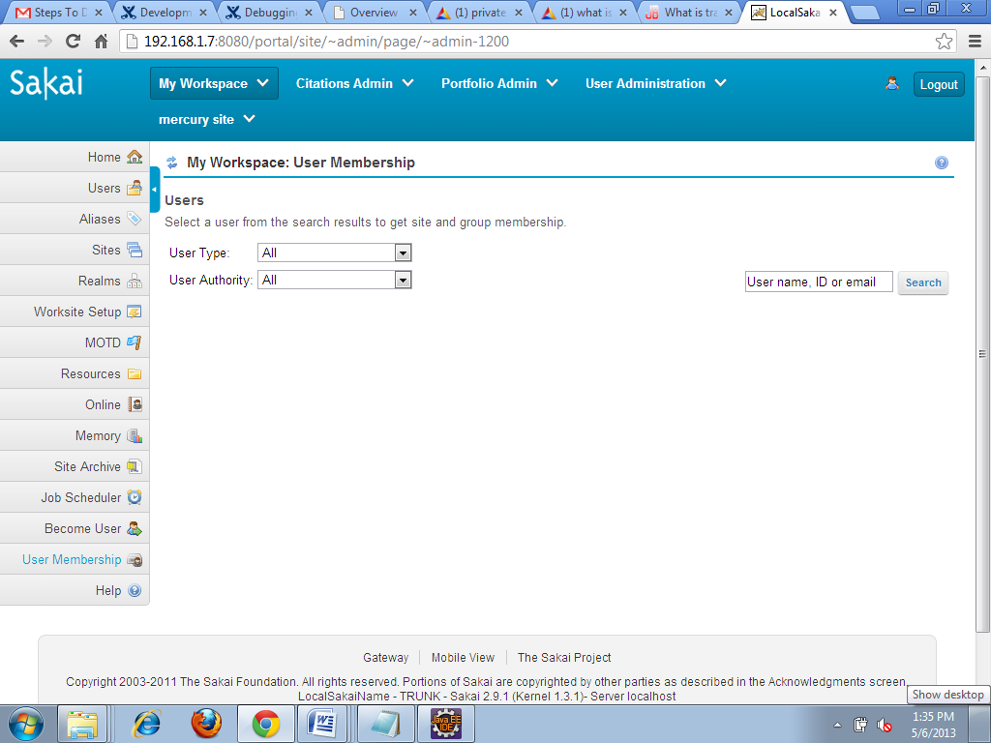
JSP | UserList
 | It invokes UserListBean

java | UserListBean

1.getInitValues() | Initially renderclearsearch=false
2.Allowed() | It checks whether user is valid or not. This method returns site id if user is valid(refers to authz impl(java) and in which side id refers to siteservice (java file)). If user is invalid page navigates to Unauthorized(Jsp)

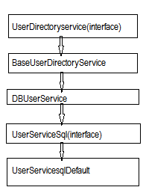
3.dosearch() | It search userlist based upon user type,user authority,search keyword. For internal users A)If selected authority is null it refers to getusers() b)If selected authority have search keyword refers to searchusers(searchkeyword,first,last) For External users it invokes searchExternalusers() | Hierarchy for java file
4.getusers() | It returns all user(refers to BaseUserDirectory service,DBUSerService,USerServiceSql,UserServicesqldefault)see hierarchy for java file
5.Search Users(String criteria,int first,int last) | It returns internal users(refers to BaseUserDirectory service,DBUSerService,USerServiceSql,UserServicesqldefault)
6.SearchExternalUsers(String criteria,int first,int last) | It returns External users(refers to BaseUserDirectory service,DBUSerService,USerServiceSql,UserServicesqldefault)
7.Process Action Search() | It returns userlist which refers to userlist(JSP ) | Sql DB name:sakai Tables:SAKAI_USER, SAKAI_USER_ID_MAP
Screen:search(Usermembership) |  |  | Search(Usermembership)
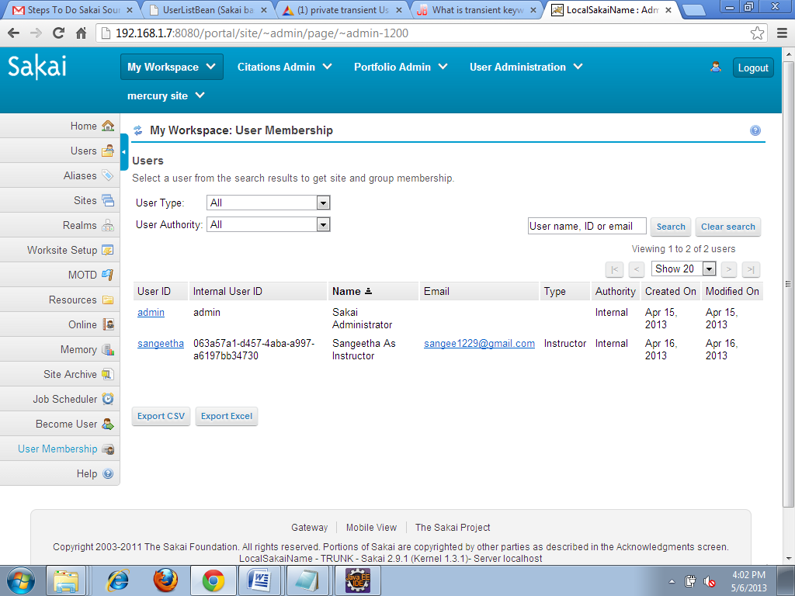
8.Process Action Clear Search() | It Clears the detail.and it invokes getusertypes() and getUserauthorities().
9.getUserTypes() | It returns usertype | Sql Db name:sakai Table name:SAKAI_USER_ID_ MAP Field: Type(i.e. instructor, student etc..)

9.exportAsxls() | Export the data in this user list to the response stream as an Excel workbook(refers to export(java))
10.exportAscsv() | Export the data in this user list to the response stream as an Excel workbook(refers to export(java))

Java | UserListBean.Userrow

getuserrow() | It returns userlist which covers userid,usereid,userdisplay,username,useremail,usertype,authority,createdon,modifiedon

Java | Export
1)writeAsCsv | Export the data in this user list to the response stream as an Excel workbook(refers to Spreadsheetutil(java))
 | Export the data in this user list to the response stream as an Excel workbook(refers to Spreadsheetutil(java))
2)writeAsXls
 |  |  | sitelist
JSP | Sitelist
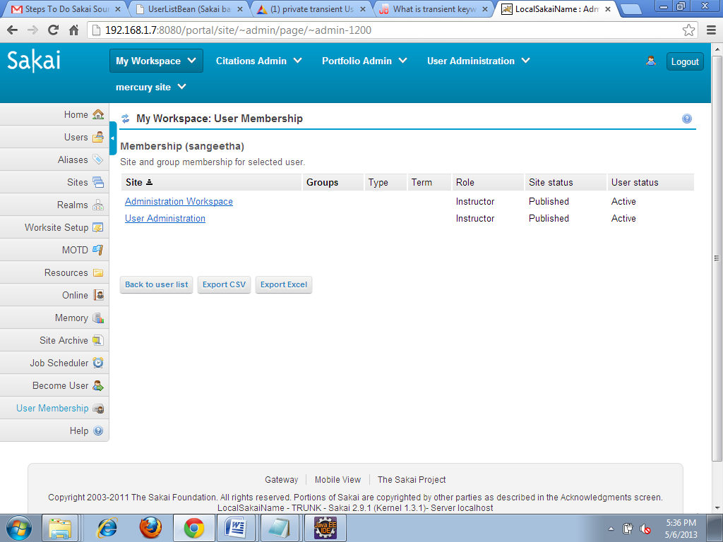
org.sakaiproject.umem.tool.ui | It invokes sitelistbean
Screen:sitelist
java | sitelistbean

1)getinitvalues() | Initially it check and allow the user and it invokes do search() to return sitelist

2)dosearch() | search and return sitelist(site, groups,type,term,role,site status,userstatus) | Sql Tables:SAKAI_SITE ss,SAKAI_REALM sr,SAKAI_REALM_RL_GR srrg, SAKAI_REALM_ROLE_ srr,SAKAI_SITE_PROPERTY ssp

3)Processactionback() | It get back to userlist(navigates to userlist.jsp)

4.exportAsxls() | Export the data in this user list to the response stream as an Excel workbook(refers to export(java))
5.exportAscsv() | Export the data in this user list to the response stream as an Excel workbook(refers to export(java))

org.sakaiproject.umem.impl
 | HtmlSortHeaderRenderer
encodebegin() | Its used for sorting(no need to deep)later will disscuss
encodeend() | Its used for sorting(no need to deep)later will disscuss

