Sheet1
Modules | Announcement Actions & Events | Comments | ScreenShots
 |  |  | fields
Database | Announcement_Message | This table is used to store all new announcements
 |  | and its field data.
Package | org.sakai.announcements.impl

 |  |  | Channel id :The indivdual channel id of the course to which announcement belongs.
 |  |  | Message id: The indivdual id created for new announcements.
 |  |  | Draft:The field shows the status of announcement wheather it is post or draft using values
 |  |  | 0 = no draft & 1=draft announcement.
 |  |  | pubview:This field also uses values 0= for site & 1= for public to indicate wheather announcement is acces to site or
 |  |  | public view.
 |  |  | owner:The id of the owner who posted the announcement.
 |  |  | Message date: The field holds date and time of the announcement get posted..
 |  |  | xml: The message subject,body,attachment info and all its properties are stored as xml doc in database.
 |  |  | message order : The order of the message gets posted….

 |  |  | fields
Database | Announcement_Channel | This table stores all channel id created for
 |  | new announcements.
Package | org.sakai.announcement.impl

 |  |  | Channel id : The indivdual id for the admin,course sites,users are stored in this field.

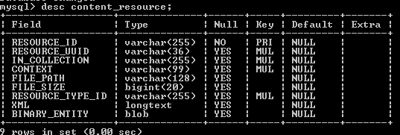
Database | Content_Resourse | This table stores the attachments and it unique id on this table.

 |  |  | Resource id: The id contains information about the attachment and course.
 |  |  | In collection: Its same like resource id excluding file name.
 |  |  | file size: size of attachment in bytes.
 |  |  | resource type id: type of upload.

 |  |  | xml: The field contains channel id information as xml doc.

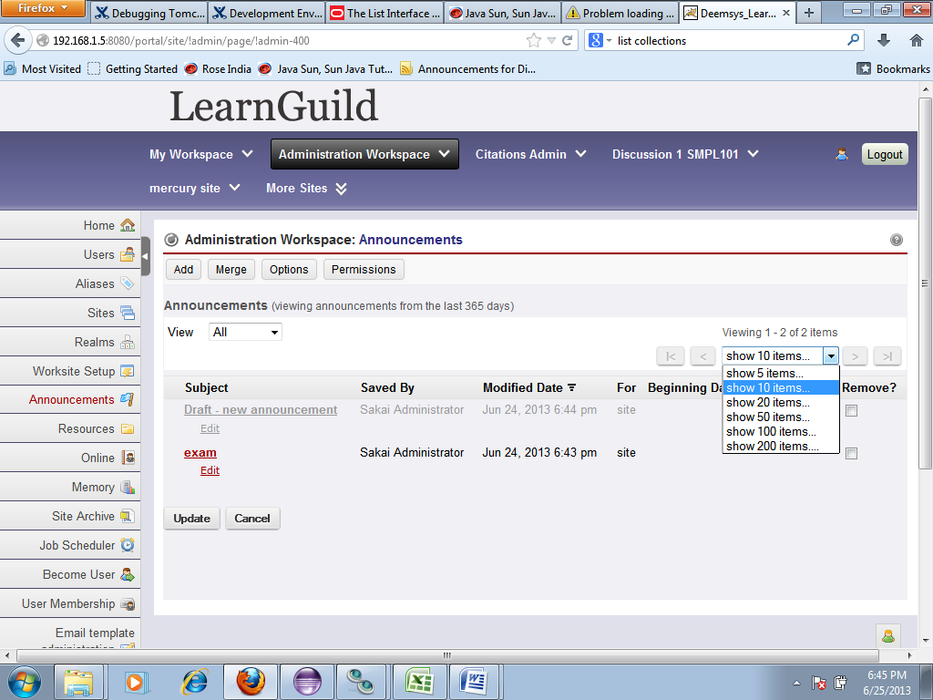
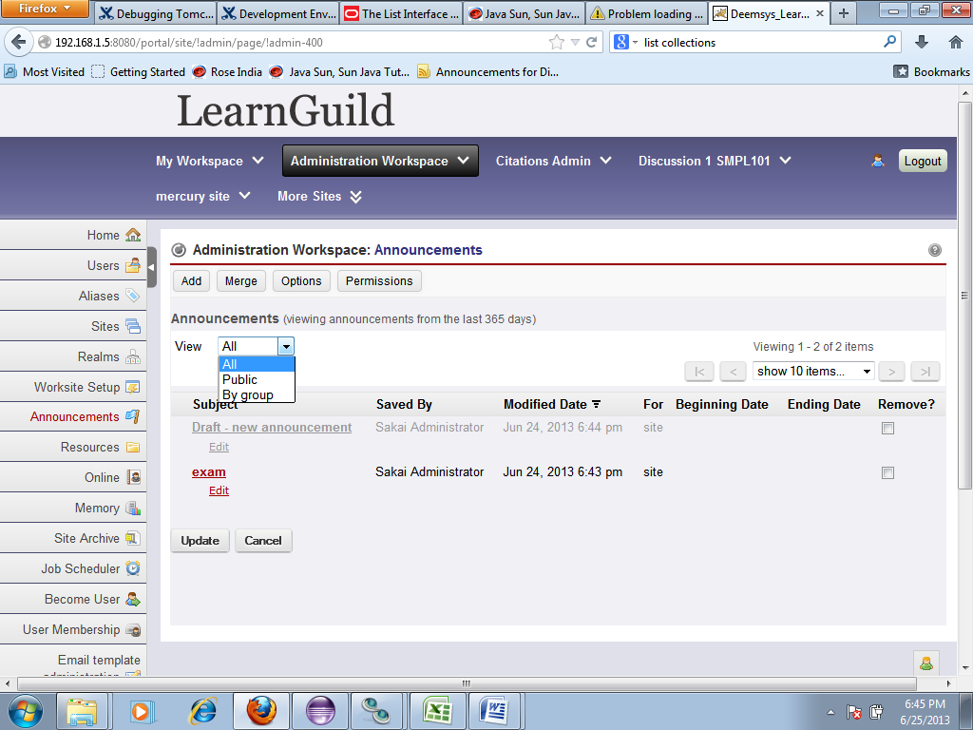
Velocity | Chef_announcements.vm | This is the homepage of all announcements created.
Java File | AnnouncementAction.java
Package | org.sakai.announcement.tool
Methods | Update public void doDelete(RunData rundata, Context context) | This method is used to delete the announcements from homepage.
 | Cancel public void doCancel(RunData rundata, Context context) | This method is used to cancel the current action.
 | Edit public void doReviseannouncement(RunData rundata, Context context) | This method is used to edit the announcements from homepage.
 | View public void doView(RunData data, Context context) | This method is used to view the announcements based on categories
 |  | and number of announcements needed for a page.
 | Add public void doNewannouncement(RunData rundata, Context context) | This method is used to navigate to new announcement page.
 | Merge public void doMerge(RunData runData, Context context) | This method is used to navigate to merge page.
 | Options public void doOptions(RunData runData, Context context) | This method is used to navigate to options page.
 | Permissions public void doPermissions(RunData data, Context context) | This method is used to navigate to permissions page.
 | do_view public void doView(RunData data, Context context) | This method handles the view announcements on home page.
Java File | page resource action II.java
 | Protected void reset paging ( session state ) | This method reset the page in session.
 | Public void do search_clear(rundata rundata) | This method search for announcements based on view conditions requested.

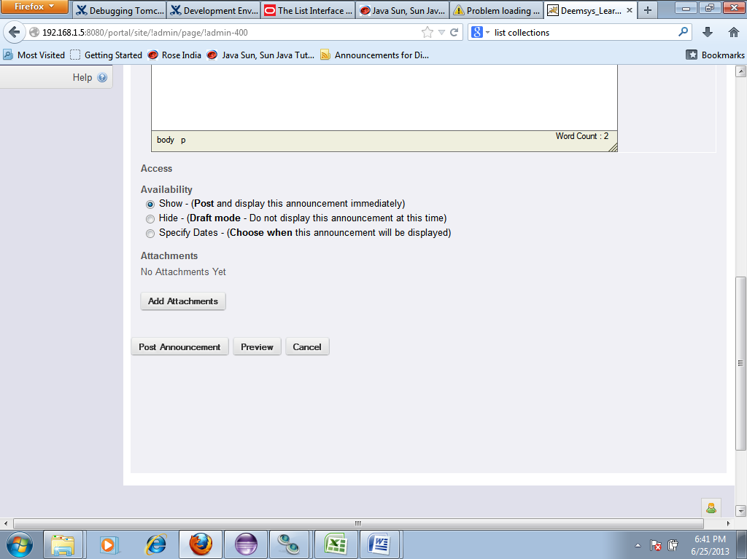
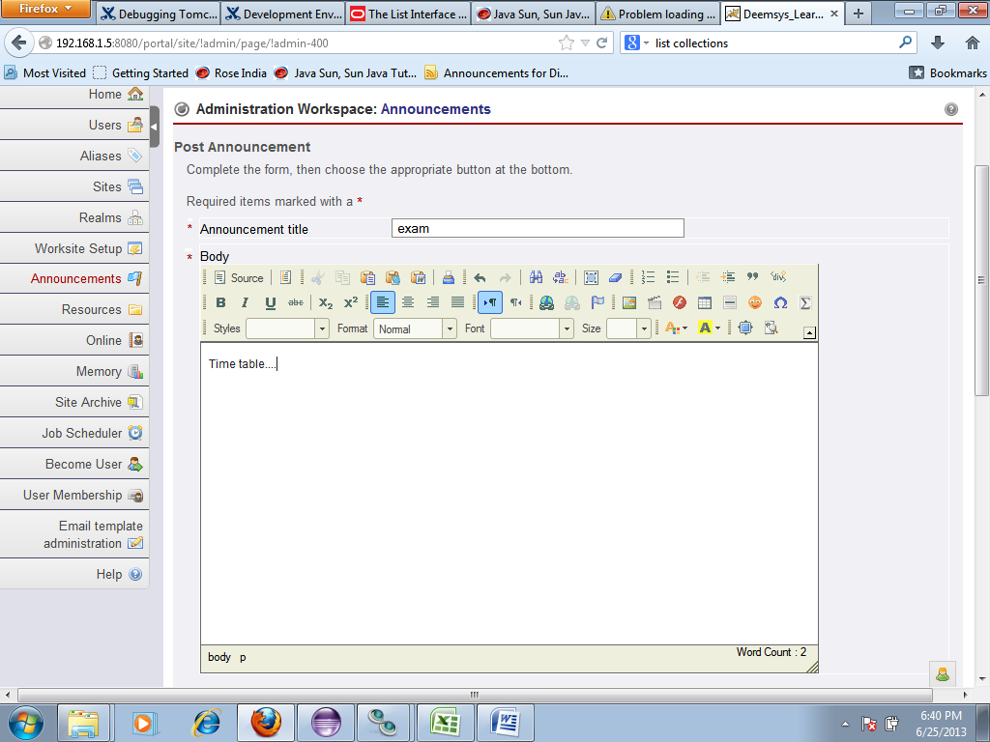
Veloicity | Chef_announcements-revise.vm | This velocity file refers to new announcement page.
Java File | AnnouncementAction.java
package | org.sakai.announcement.tool
Methods | Post new announcement(do_new announcement form) | This method acts as a dispatcher for all methods.
 | public void doPost(RunData rundata, Context context) | This method redirects the announcement to do post or save draft method.
 | protected void postOrSaveDraft(RunData rundata, Context context, boolean post) | This method handles complete action of posting new or drafted
 |  | announcement and track for changes.
java file | Announcement action state.java
 | protected controllerstate get state (context rundata) | This method forwards to get state using state object

 | public string get channel id() | This method used to get channel id and handles exception.
java file | Announcement service.java
 | public static announcement service get instance() | This announcement service is used to call announcement api.

java file | Base announcement service.java
 | Announcement message edit add announcement | This method forwards the announcemnt to base message service.
 | message()throws exception
java file | Base message Service.java
 | public message edit add message()throws exception | This method checks for security permission for authorized user and allocate a new message id.

java file | Db Announcement service.java
 | public Message edit put message() | This message forwards to base db double storage.
java file | BaseDb Double storage.java
 | public edit put resource(entity container) | This method is used to create entry into the container.
java file | StorageUtils.java
 | public static document create document() | This method creates document using document builder factory.
class | DocumentBuilderimpl.class
 | public document new document() | This method creates document and handles exception.
java file | Base Db Double Storage.java
 | protected string insert fields() | This method is used to insert data in to fields.

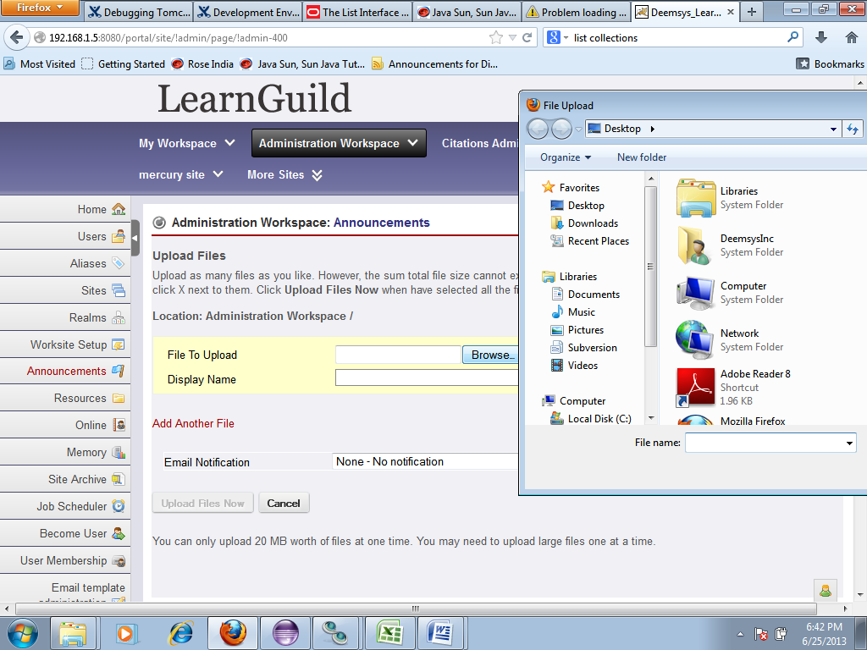
java file | AnnouncementAction.java
 | public void doAttachments(RunData data, Context context) | This method is used to add attchments to new or edited
 |  | announcements.
java file | Announcementactionstate.java
 | public void get_attachments() | This method uses file picker to get attchments from local drive or from
 |  | library and store it in session.

 | Preview (do_revise preview) | This method is used to preview the announcement being created in preview page.

 | Cancel (do_cancel) | This method cancel the current operation.

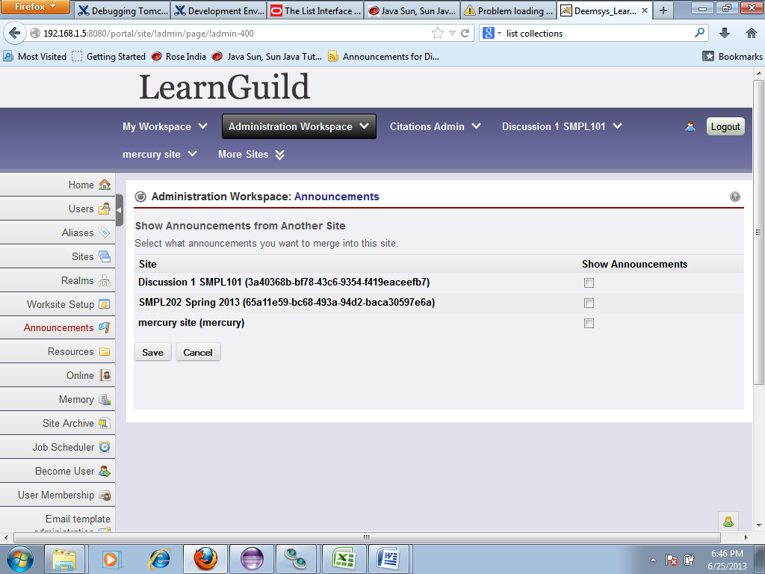
Velocity | Chef_announcements-Merge.vm | This velocity file refers to merge page, where all course will be available
 |  | which can be merged.
package | org.sakai.announcement.tool
java file | AnnouncementAction.java
Methods | Save(do_Merge update) | This method is used to merge the announcement for the corses selected.
java file | Rundata.java
 | public parameter parser get parameter() | This method is used to get the parameters and load data from rundata.
java file | velocity portlet paneled action.java
 | protected void save options() | This method save proerties in to mergelist.java
java file | Mergelist.java | Here the merged data information is stored and retrieved.

 | Cancel(do_cancel) | This method cancels the current operation and sets back to previous page.

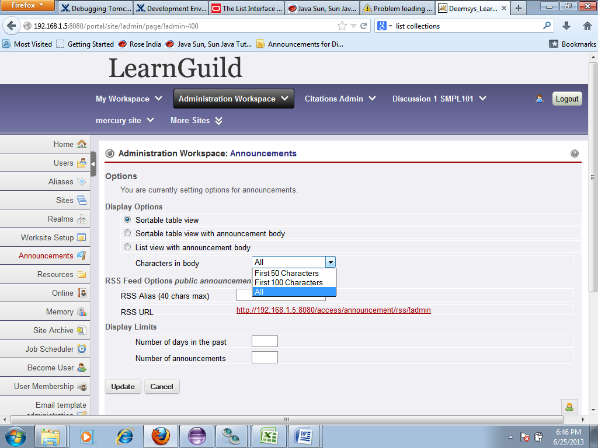
Velocity | Chef_announcements-customize.vm | This velocity file refers to options page.
package | org.sakai.announcement.tool
java file | AnnouncementAction.java
Methods | Update (do_options update) | This method is used to save the changes done in options page.
 | private void do update display options() | This method retrieves data from session state.

java file | AnnouncementActionstate.java
 | Get options() | This method loads the properties and forwards to rundata.
java file | Rundata.java | This methods handles data for options page.
java file | Announcement Action State.java
 | Load Properties() | This method handles all functionalities for options and forwards to parametr parser
java file | ParameterParser.java

java file | Announcement Action State.java
 | Save Properties() | This method handles all values in boolean type.
class | Boolean.class | Values are saved in boolean.

 | Cancel (do_cancel) | This method cancels the current operation.

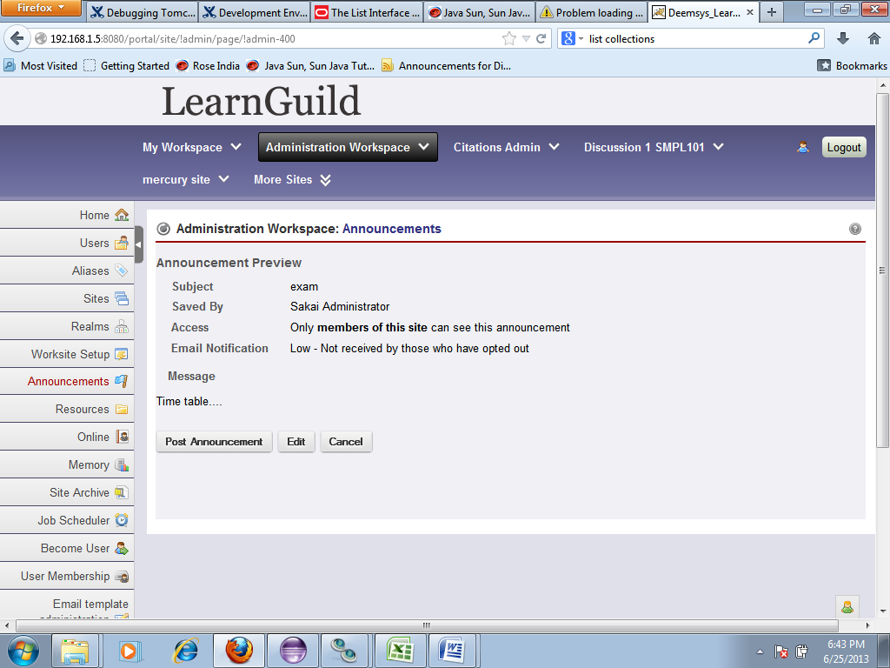
Velocity file | Chef_announcements-preview.vm | This velocity file refers to preview page for announcements.
Package | org.sakai.announcement.tool
Java File | AnnouncementAction.java
Methods | remove (do delete announcement ) | This method is used to navigate to delete confirm page.
 | Post announcement ( do_post ) | This method is used to post new announcement from preview page.
 | Edit (do_preview revise) | This method is used to edit the announcement from revise page.
 | Cancel (do_cancel) | This method cancels the preview page and moves back to revise page.

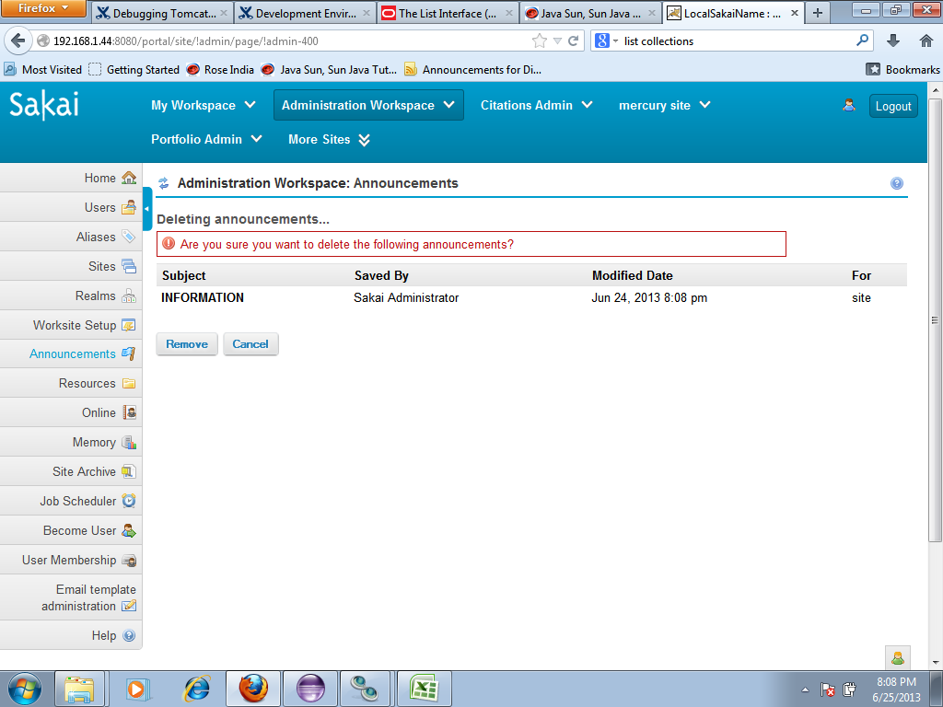

Velocity file | Chef_announcements-delete.vm | This velocity file refers to delete confirmation page for indivdual announcements.
Package | org.sakai.announcement.tool
Java file | AnnouncementAction.java
Methods | Remove ( do_delete) | This method initiates delete announcement action.
javafile | Announcementactionstate.java
 | protected controler state get state(context, rundata) | This method fetches announcements from session state using state object.
java file | jet speed Rundata.java
 | public get peid() | This method get the message to be deleted.
java file | Announcementactionstate.java
 | public vector get delete_messages() | This method get announcements from vector collections.
java file | AbstractList.java | It uses iterator to get announcements by order.
java file | BaseMessgageservice.java
 | public string get id() | Get the message through id and remove message.

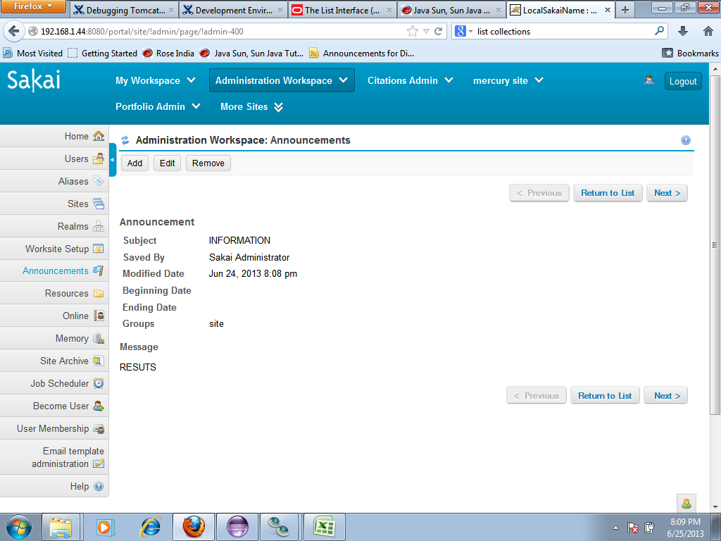

Velocity file | Chef_announcements-metadata.vm | This velocity file refers to sequence view for all announcements.
Package | org.sakai.announcement.tool
java file | AnnouncementAction.java
methods | preview ( do-prev message) | This method is used to navigate to previous announcement.
 | return to list ( do_link cancel ) | This method is used to cancel the current operation and navigate to the
 |  | announcement home page…
 | Next ( do_next message) | This method is used to navigate to the next announcement.

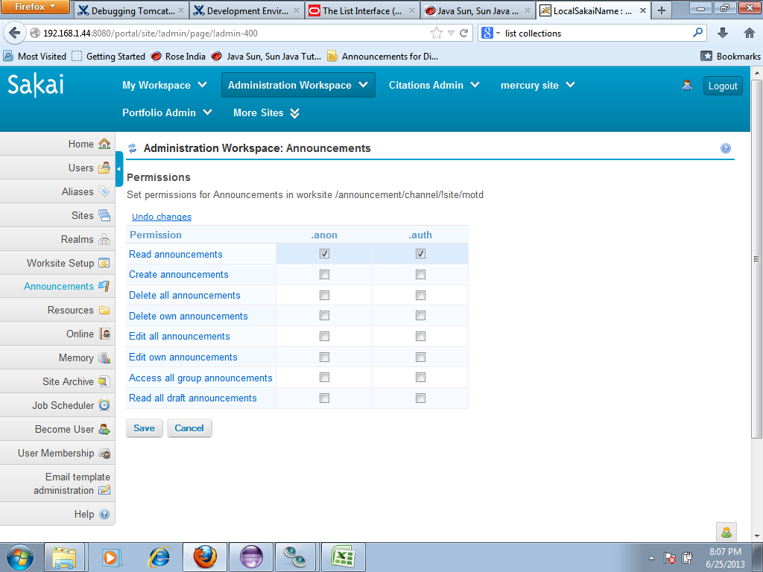
Package | org.sakai.announcement.tool
java file | Announcement Action.java
Method | do_permissions update | This method is used to update changes in permissions page.
java file | Resource loader.java
 | load properties | This method load existing permission properties from session and saves it.

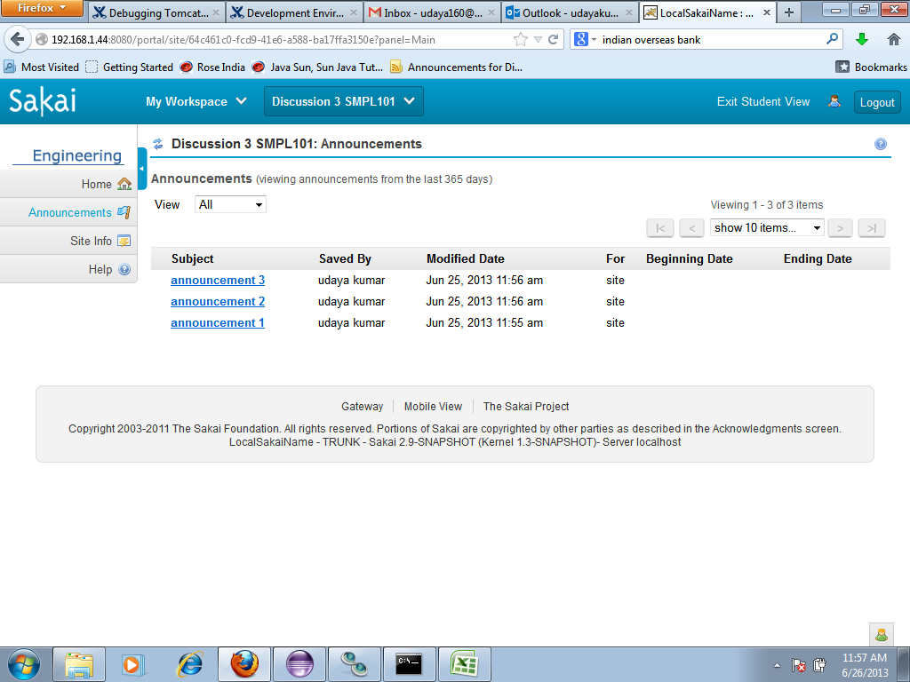
Student view |  | This is the student view for all announcements got displayed.

 |  | The announcements are displayed with the options customized by
 |  | instructor in the options page for that paticular course.

 |  | The students are given previlages to access the announcements based
 |  | on permissions provided.


Teaching Assistant view |  | This is the TA view for all announcements got displayed.

 |  | The announcements are displayed with the options customized by
 |  | instructor in the options page for that paticular course.

 |  | The teaching assistance are given previlages to access the announcements
 |  | based on permissions provided.

package | org.sakaiproject.announcement.api
java file | AnnouncementChannel.java
class | public announcement channel extends message channel | AnnouncementChannel is the extension to the MessageChanel interface for a Sakai Announcement service announcement channel.
java file | AnnouncementMessage.java | The id of the message to get.
class | public interface AnnouncementMessage extends Message | The announcement message has header fields (from, date) and a body (text). Each message also has an id, unique within the channel. All fields are read only.
java file | AnnouncementMessageHeader.java | The announcement message has header fields (from, date) and a body (text). Each message also has an id, unique within the channel. All fields are read only.
class | public interface AnnouncementMessageHeader extends MessageHeader | AnnouncementMessageHeader is the Interface for a Sakai Announcement Message header.
 |  | Access the subject of the announcement.

