Sheet1
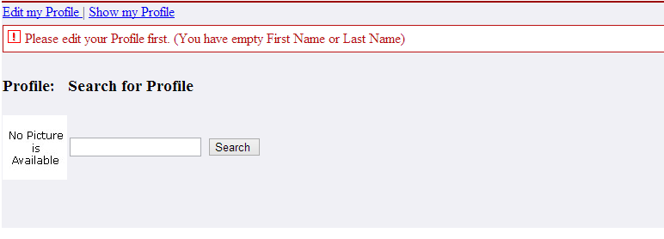
JSP | Main
It includes profileCommonToolbar.jsp
It includes searchmodules.jsp

Java | ProfileTool
Showsearch | This method is used to show search results
getProfile() | This method is used to Setup to fetch a profile

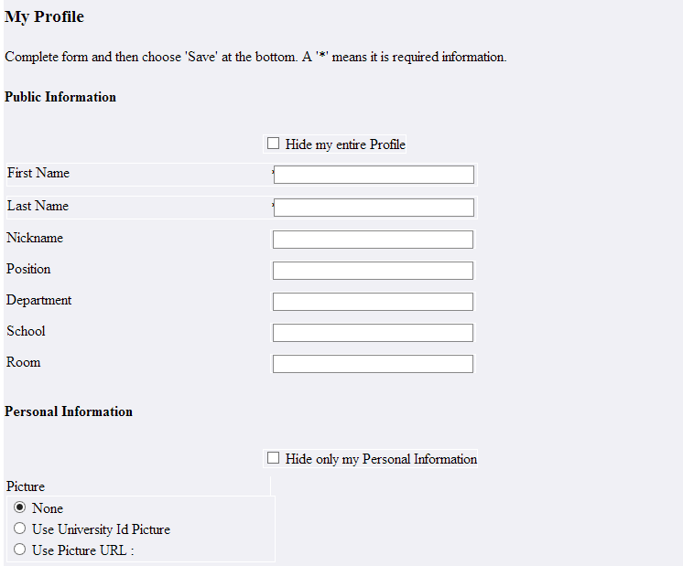
JSP | Edit
Save | It invokes processActionEditSave() in profileTool.java
Cancel | It invokes processCancel() in profileTool.java

PackageName | org.sakaiproject.tool.profile
Java | ProfileTool
ProcessActionEditSave | Process data for save action on edit page @return navigation outcome(edit): return to main page or if no user is present throw permission exception
ProcessCancel | This method id used to cancel the process

DataBaseName | sakai
TableName | sakai_person_t
Details are stored in sakai_person_t

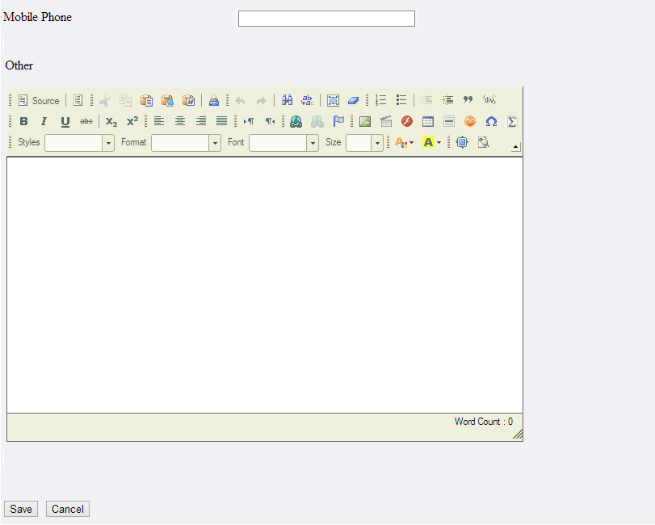

JSP | profileCommonToolBar
Edit my profile | It invokes ProcessActionEdit in ProfileTool.java
show my profile | It invokes ProcessCancel in profileTool.java

Java | ProfileTool
ProcessActionEdit | Setup before navigating to edit page

JSP | displaySearchedProfile

It includes searchModule.jsp

JSP | searchModule
It includes SearchResults.jsp,noMatchFound.jsp file
Search button | Ii invokes processActionSearch in searchtool.java

Java | SearchTool
ProcessActionSearch | Searches the list of user profiles matching given search criteria
processActionDisplayProfile() | This method is used to display the profile

Java | ProfileManager
save(Profile profile) | This method is used to Save or Update an existing profile
getProfile() | Returns user mutable profile of currently logged in user
findProfiles(String searchString) | This method is used to Searches the list of user profiles matching given search criteria
getInstitutionalPhotoByUserId(String uid) | This method is used to Searches the university photo for given username

Java | ProfileImageServlet
getProfileManager() | This method is used to get the component manager

