Sheet1
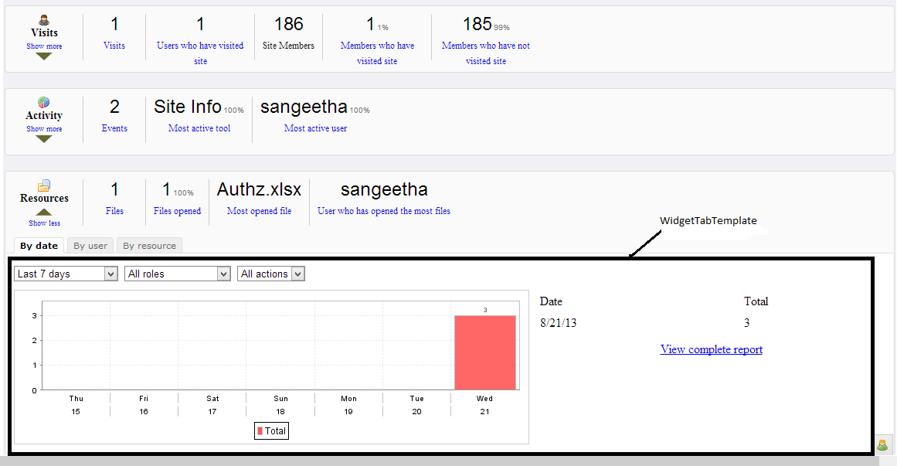
Html | OverviewPage
Visits,view complete report command link etc | It refers renderbody method in reportdatapage
For visits
By date | It refers getWidgetTabBydate(String panelId)method in visitwidget
By user | It refers getWidgetTabByuser(String panelId)method in visitwidget

For activity
By user | It refers getWidgetTabByuser(String panelId)method in Activitywidget
By date | It refers getWidgetTabBydate(String panelId)method in Activitywidget
By tool | It refers getWidgetTabByTool(String panelId)method in Activitywidget

By resource
By user | It refers getWidgetTabByuser(String panelId)method in Resourcewidget
By date | It refers getWidgetTabBydate(String panelId)method in Resourcewidget
By Resource | It refers getWidgetTabByResource(String panelId)method in Resourcewidget
Java | ReportDataPage
renderbody | This method is used to give reportdatapage

Html | WidgetTabTemplate
Java | WidgetTabTemplate | TableName | sst_siteactivity
getDateFilter() | Filter the reports by date
getRoleFilter() | Filter the reports by role
getToolFilter() | Filter the reports by tool

Packagename | org.sakaiproject.sitestats.tool.wicket.widget
Java | ActivityWidget
getMiniStatActivityEvents() | This method is used to count the events
getMiniStatMostActiveTool() | This method is used to show most active tool
getMiniStatMostActiveUser() | This method is used to find the most active user | Tablename | sst_sitevisits
getWidgetTabByTool(String panelId) | This method is used to get the WidgetTab by tool
getWidgetTabByDate(String panelId) | This method is used to get the WidgetTab by user
getWidgetTabByUser(String panelId) | This method is used to get the WidgetTab by user

Packagename | org.sakaiproject.sitestats.tool.wicket.widget
Java | ResourceWidget
getMiniStatFiles() | This method is used to count files and folders
getMiniStatOpenedFiles() | This method is used to count opened file
getMiniStatMostOpenedFile() | This method is used to show Most Opened file name
getMiniStatUserThatOpenedMoreFiles() | This method is used to find user who opened most files
getWidgetTabByDate(String panelId) | This method is used to get the WidgetTab by user | TableName | sst_resources
getWidgetTabByUser(String panelId) | This method is used to get the WidgetTab by user
getWidgetTabByResource() | This method is used to the widgettab by resource
getChartReportDefinition() | This method is used to get chart report definition

Java | VisitWidget
getMiniStatVisits() | This method is used to count the visits in site
getMiniStatUniqueVisits() | This method is used to count the unique visits in site
getMiniStatEnrolledUsers() | This method is used to count the enrolled users
getMiniStatEnrolledUsersWithVisits() | This method is used to count tne enrolled users with users
getMiniStatEnrolledUsersWithoutVisits() | This method is used to count the Enrolled Users without visits
getWidgetTabByUser(String panelId) | This method is used to get the WidgetTab by user
getWidgetTabByDate(String panelId) | This method is used to get the WidgetTab by date
getTableReportDefinition() | This method is used to get table report definition

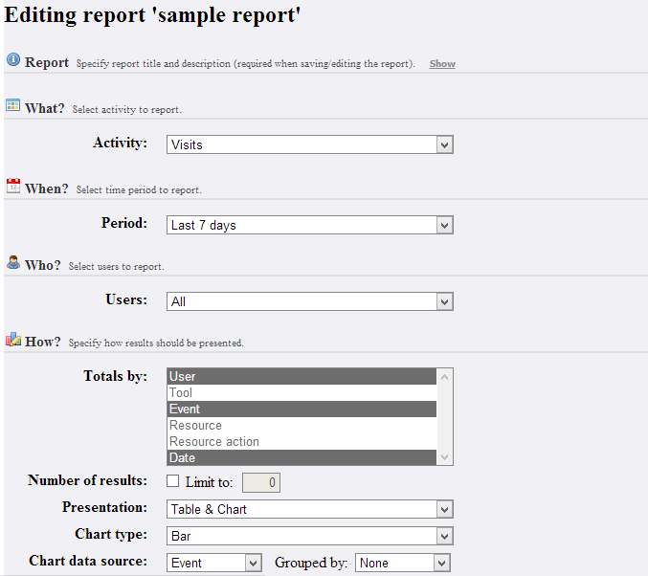
HTML | ReportsEditPage
GenerateReport | It refers generatereport button in reportsEditpage.java and ReportDataPage() method in Reportdatapage.java
SaveReport | It refers savereportdefinition method in reportmanagerimpl
Back | It refers back button in reportseditpage

Java | ReportsEditPage
GenerteReport | This method is used to generate the report
Back | This method is used to go previous page(i.e ReportsPage.html)

Java | ReportManagerImpl
SaveReportDefinition | Save (add or update) a report definition to DB

TableName | sst_reports

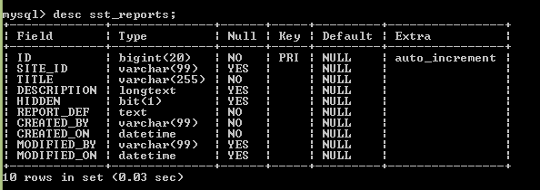

HTML | ReportsPage
Edit | It refers Edit method in ReportsPage.java
Duplicate | It refers ReportsPage method in ReportsPage.java
Delete | It refers removeReportDefinition method in ReportManagerImpl.java

Java | ReportsPage
Edit | This method is used for editing page
Duplicate | This method is used to create duplicate report

Java | ReportEditPage
ReportsEditPage | It is used to navigate ReportsEditPage.html

Java | ReportManagerImpl
RemoveReportDefinition | This method is used to remove the report

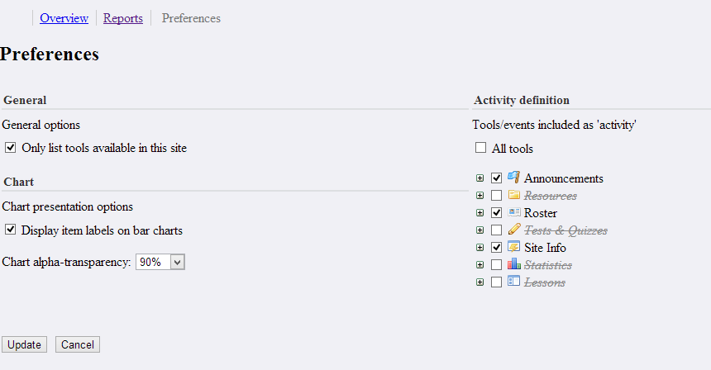
HTML | PreferencesPage
Update | It refers update button in preferencepage.java
Cancel | It refers cancel button in preferencepage.java

Java | Preferencepage
Update | This method is used to update the preference
Cancel | This method is used to cancel the process

TableName | sstpreferences

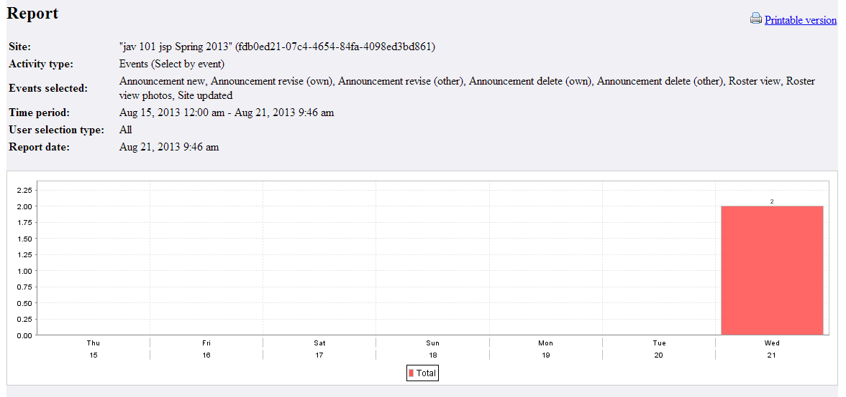
HTML | ReportsDataPage
Back | It refers back button in ReportsdataPage
export | It refers export method in ReportsDataPage
ExportXls | It refers exportxls button in Reportsdatapage
ExportCSV | It refers exportcsv button in Reportsdatapage
ExportPdf | It refers exportpdf button in Reportsdatapage

PackageName | org.sakaiproject.sitestats.tool.wicket.pages
Java | ReportDataPage
Back | This method is used to go previous page
Export | This method is used to show exportxls,exportcsv,exportpdf button
Exportxls | This method is used to show the reports as excel format
Exportcsv | This method is used to show the reports as csv format
Exportpdf | This method is used to show the reports as pdf format

Here details are fetched from sst_sitevisits,sst_siteactivity,sst_siteresources tables

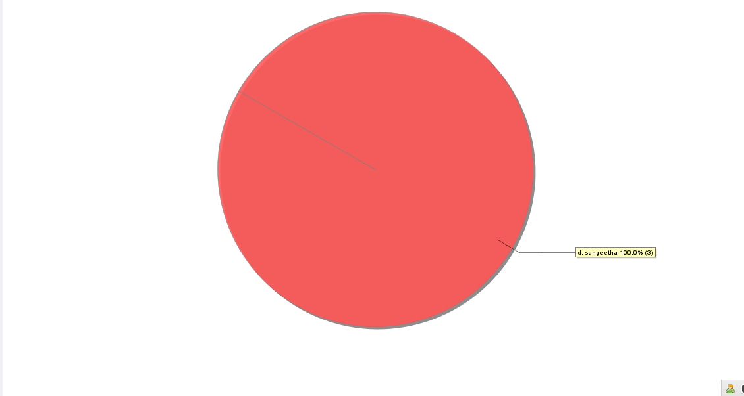
HTML | MaximizedImagePage
Back | It refers back button in MaximizedImage.java

PackageName | org.sakaiproject.sitestats.tool.wicket.pages
Java | MaximizedImagePage
Back | This method is used to go previous page

HTML | AdminPage
Dropdown | It refers SiteTypes in AdminPage.java

PackageName | org.sakaiproject.sitestats.tool.wicket.pages
Java | AdminPage
OnselectionChanged | It shows the site list based upon the selection

SiteList are fetched from sakai_site

