Sheet1
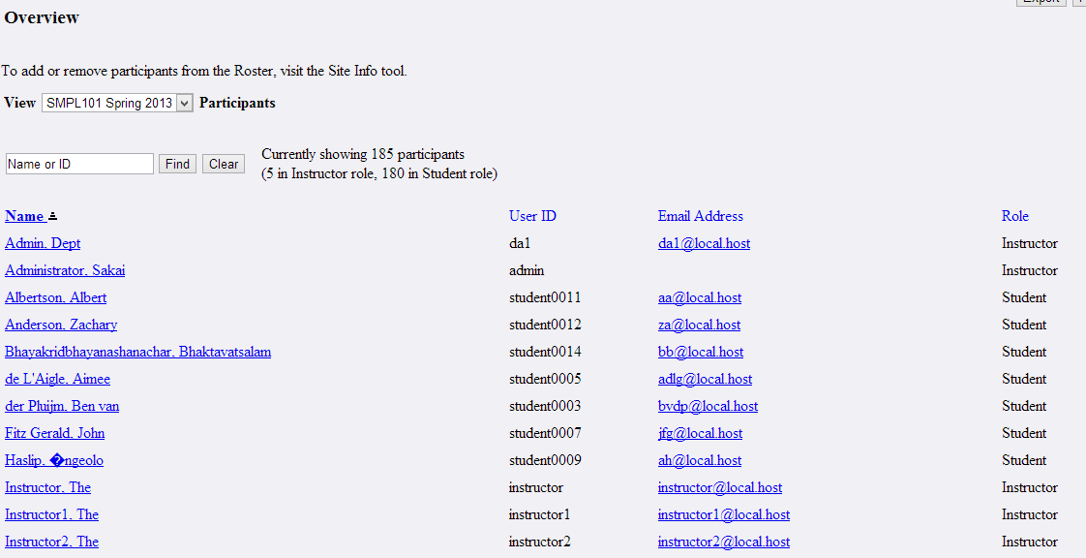
JSP | Main
It includes filter.jspf file | It contains search and clear button
It includes nav.jspf file | It contains overview,pictures,groupmembership,status,export,print button
Search | It refers findparticipants method in filteredParticipantListingBean

Packagename | org.sakaiproject.tool.roster
Java | RosterOverview
Export | This method is used to export the document

PackageName | org.sakaiproject.tool.roster
Java | FilteredParticipantListingBean
FindParticipants | Based upon the condition it gives the partcipant list

Packagename | org.sakaiproject.component.app.roster
Java | RosterManagerImpl
getroster() | This method is used for An unfiltered List of viewable (to current user) Participants in the site
getRoster(String groupReference) | This method is used for An List of viewable (to current user) Participants in a single group.

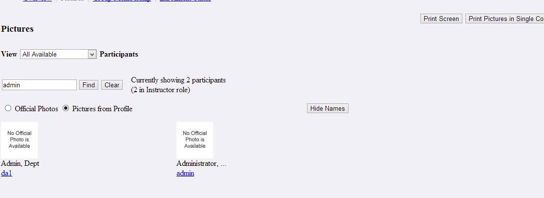
JSP | Pictures
Show Names | It refers Shownames method in RosterPictures.
Hide Names | It refers HideNames method in RosterPictures
da1,admin commandlink | It refers displayprofile() method in RosterProfile
It includes nav,filter.jspf file

Packagename | org.sakaiproject.tool.roster
Java | RosterProfile
displayprofile | This method is used to display the profile

Packagename | org.sakaiproject.tool.roster
Java | RosterPictures
ShowNames | This method is used to show user name
HideNames | This method is used to hide name
isRenderPicturesOptions() | We render the picture options only if the user can see both official and profile pictures

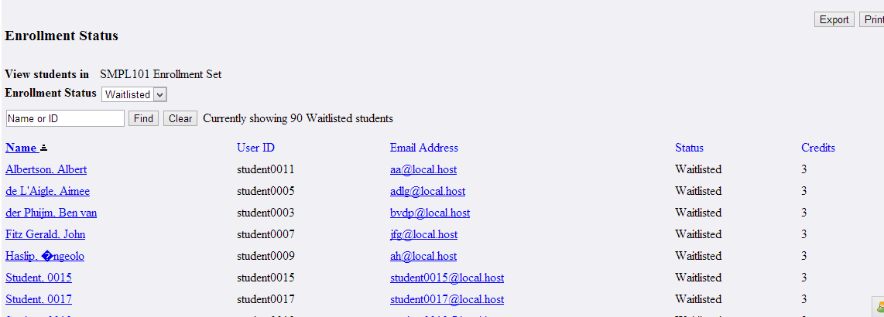
JSP | status
It includes nav.jspf file
Findparticipants | It refers findparticipants method in FilteredStatusListingBean

Java | FilteredStatusListingBean
Findparticipants | This method is used to find the participants

Details are fetched from following table
Databasename | sakai
Tablename | cm_enrollment_t

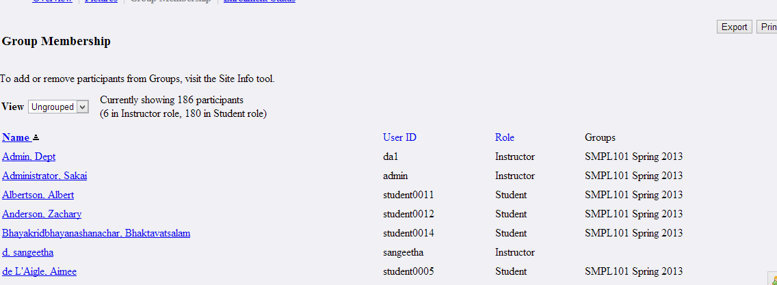
JSP | groupmembership
It includes nav,groupfilter.jspf file
getGroupedParticipants() | It refers RosterGroupMembership.java

Java | RosterGroupMembership
getGroupedParticipants() | This method is used to show participants list based upon the selection

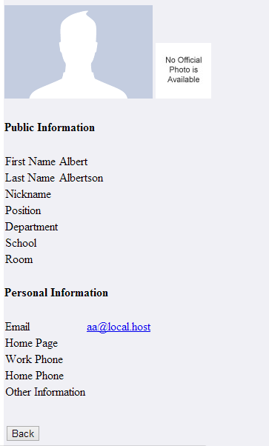
JSP | DisplayCompleteProfile
Back | It refers getreturnpage method in RosterPreference.java

Packagename | org.sakaiproject.tool.roster
Java | RosterPreference
getreturnpage | This method is used to go previous page

Databasename | sakai
Tablename | sakai_person_t


JSP | printfriendly
Print | It is used to print the screen
For filtering it invokes findparticipants method in filteredparticipantListingBean

