Sheet1
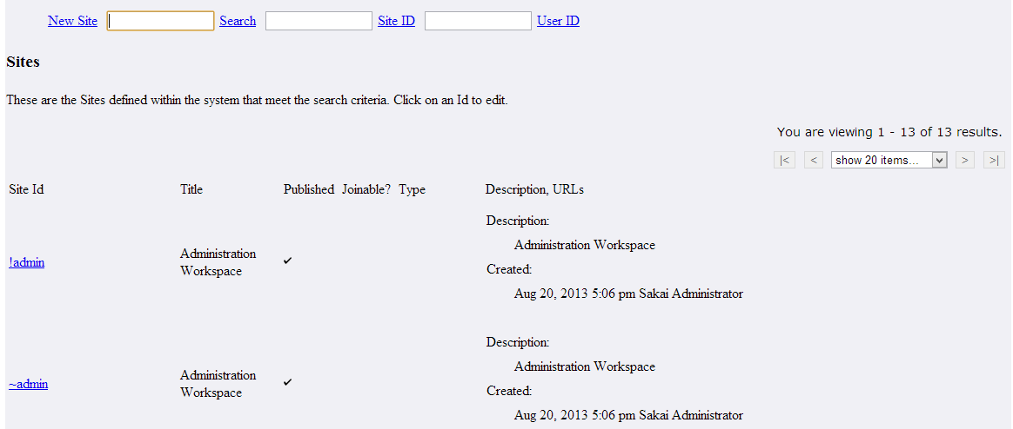
Vm | chef_sites_list
Java | AdminSitesAction
doEdit | Handle a request to edit a site.
doNew(RunData data, Context context)(Newsite) | This method is used to Handle a request for a new site.
doSearch(RunData runData, Context context)(search) | This method is used to Handle a Search request.
doSearch_site_id(RunData runData, Context context)(site_id) | This method is used to Handle a Search request
doSearch_user_id(RunData runData, Context context)(user_id) | This method is used to Handle a Search request
doSearch_clear(RunData runData, Context context)(clear) | This method is used to Handle a Search Clear request

Tablename | Sakai_site
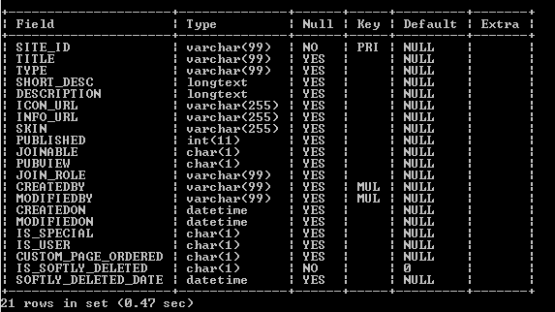

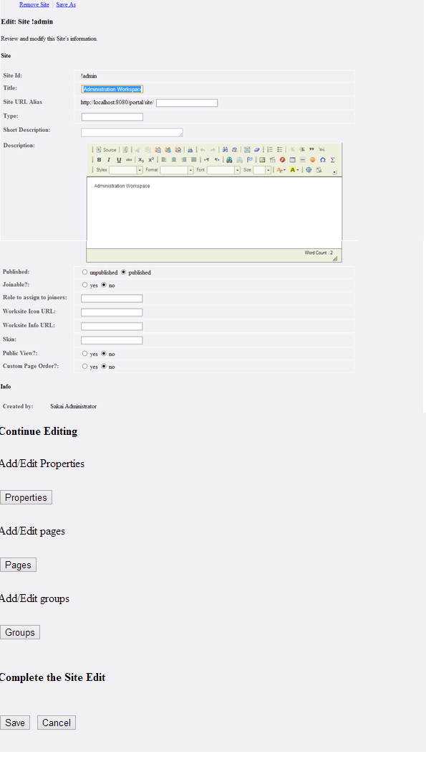
Vm | chef_sites_edit
PackageName | org.sakaiproject.site.tool
Java | AdminSitesAction
doPages(For pages button it refers this method ) | This method is used to Switch to page display mode within a site edit
doProperties(For properties button it refers this method ) | This method is used to Switch to property edit mode within a site edit
doGroups(For Groups button it refers this method ) | This method is used to Switch to group display mode within a site edit
doSave(save) | This method is used to Handle a request to save the site edit
doCancel(cancel) | This method is used to cancel site edits
doRemove(RunData data, Context context) | This method is used to confirm removal of the site



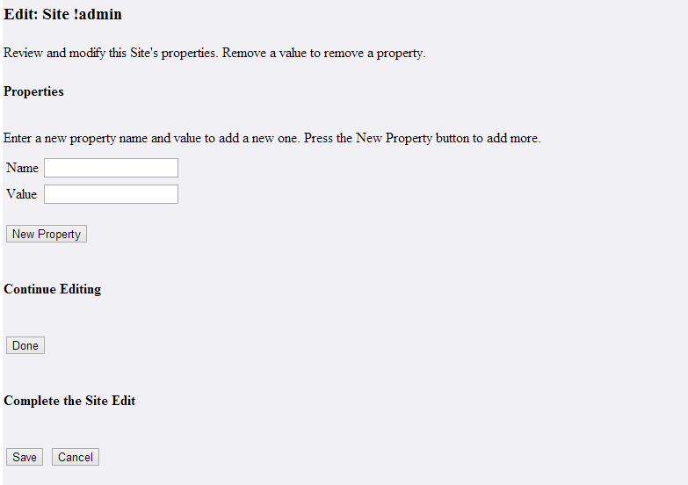
Vm | chef_sites_properties
Java | AdminSitesAction
doNew_property(New Property) | This method is used to Handle a request to create a new property in the site edit
doEdit_props_to_main(Done) | This method is used to Switch back to edit main info mode properties edit mode
doSave_props_edit(save) | This method is used to Handle a request to save the edit from either page or tools list mode
doCancel(cancel) | This method is used to cancel site edits

Tablename | sakai_site_property

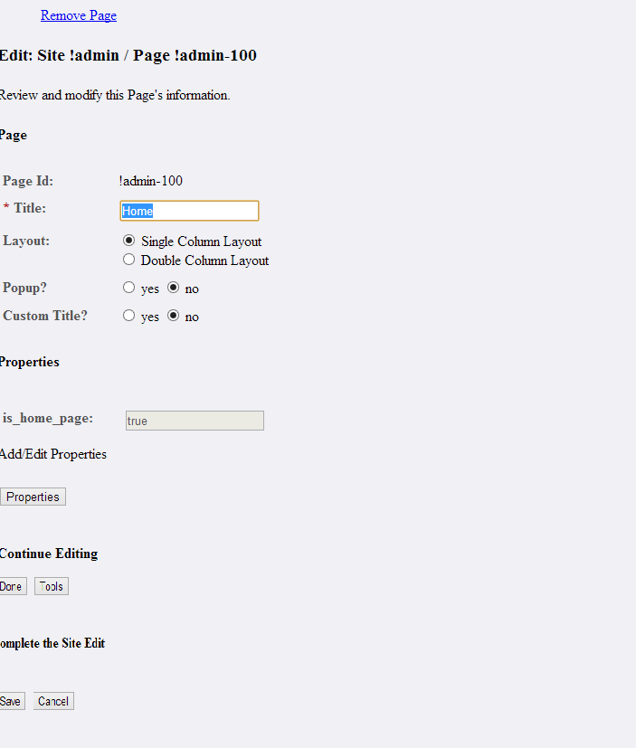
VM | chef_sites_edit_page

Java | AdminSitesAction
doPageProperties(Property) | This method is used to Switch to property edit mode within a page edit
doDone_page(Done) | This method is used to save the page edited, and return to the pages mode
doTools(Tools) | This method is used to Switch to tools display mode within a site edit.
doSave_page(save) | This method is used to save the page edited, and save the site edit
doRemove_page(cancel) | This method is used to Handle a request to remove the page being edited.

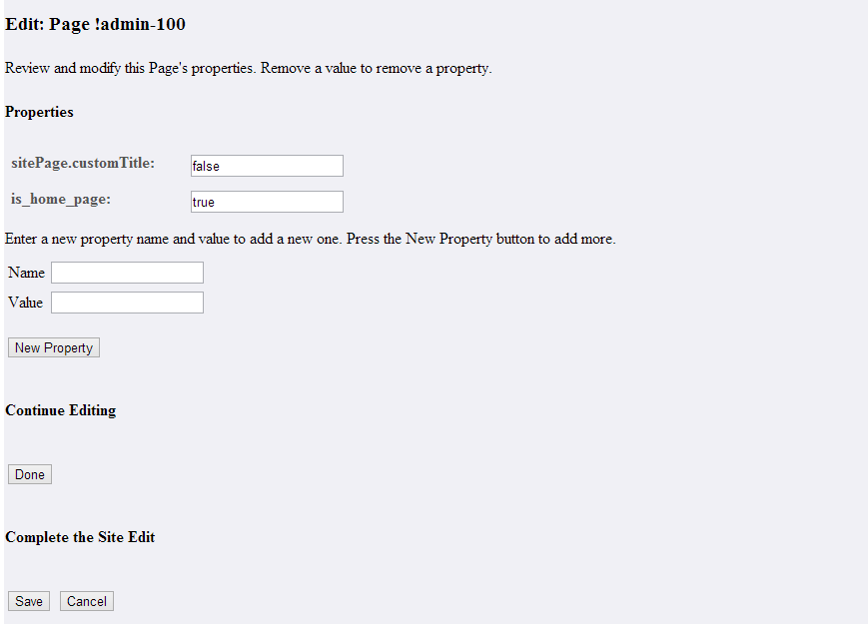
Vm | chef_sites_page_properties
Java | Adminsitesaction
doNew_property(New Property button) | This method is used to Handle a request to create a new property in the site edit
doEdit_props_to_page(Done button) | This method is used to Switch back to edit main info mode properties edit mode
doSave_page_props_edit(save button) | This method is used to Handle a request to save the edit from either page or tools list mode
doCancel_page_props(cancel button) | cancel a page edit, return to the pages list

Tablename | sakai_site_page_property

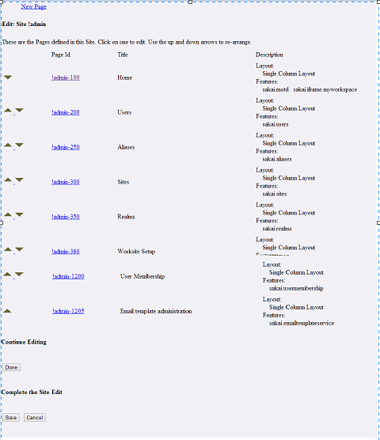
Vm | chef_sites_pages

Java | AdminSitesAction
doEdit_to_main(Done) | This method is used to Switch back to edit main info mode from another edit mode.
doSave_edit(save) | This method is used to Handle a request to save the edit from either page or tools list mode
doCancel(cancel) | This method is used to cancel site edits
doEdit_page | This method is used to Edit an existing page
doEdit_page_down | This method is used to Move the page down in the order.
doEdit_page_up | This method is used to Move the page up in the order
doNew_page(RunData data, Context context) | This method is used to Handle a request to create a new page in the site edit.

Tablename | sakai_site_page

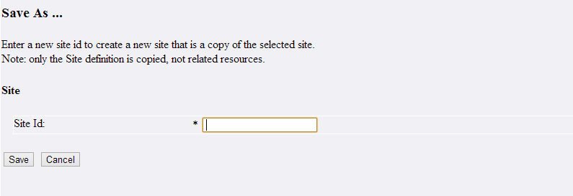
Vm | chef_sites_saveas
Java | Adminsitesaction
doSaveas(save) | This method is used to Handle a request to save-as the site as a new site.
doCancel_saveas(cancel) | This method is used to cancel the saveas request, return to edit

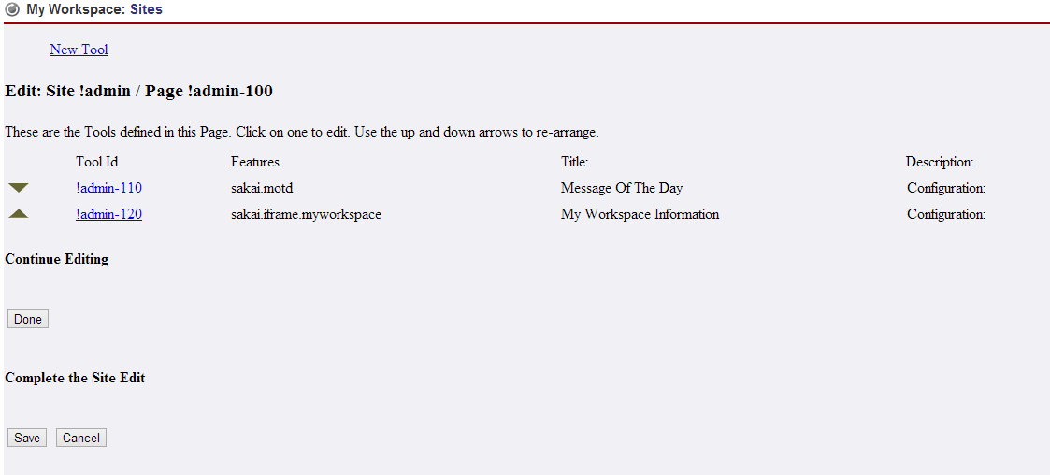
Vm | chef_sites_tools
Java | AdminSitesAction
doEdit_tool_up | This method is used to Move the tool up in the order
doEdit_tool_down | This method is used to Move the tool down in the order
doEdit_tool | This method is used to Edit an existing tool
doEdit_to_page(Done) | This method is used to Switch back to edit page info mode from another edit mode
doSave_edit(save) | This method is used to Handle a request to save the edit from either page or tools list mode
doCancel(cancel) | This method is used to cancel site edits
doNew_tool(RunData data, Context context)(NewTool) | This method is used to create a new tool in the page edit.

TableName | sakai_site_tool
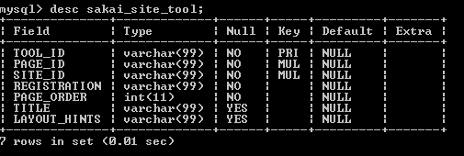

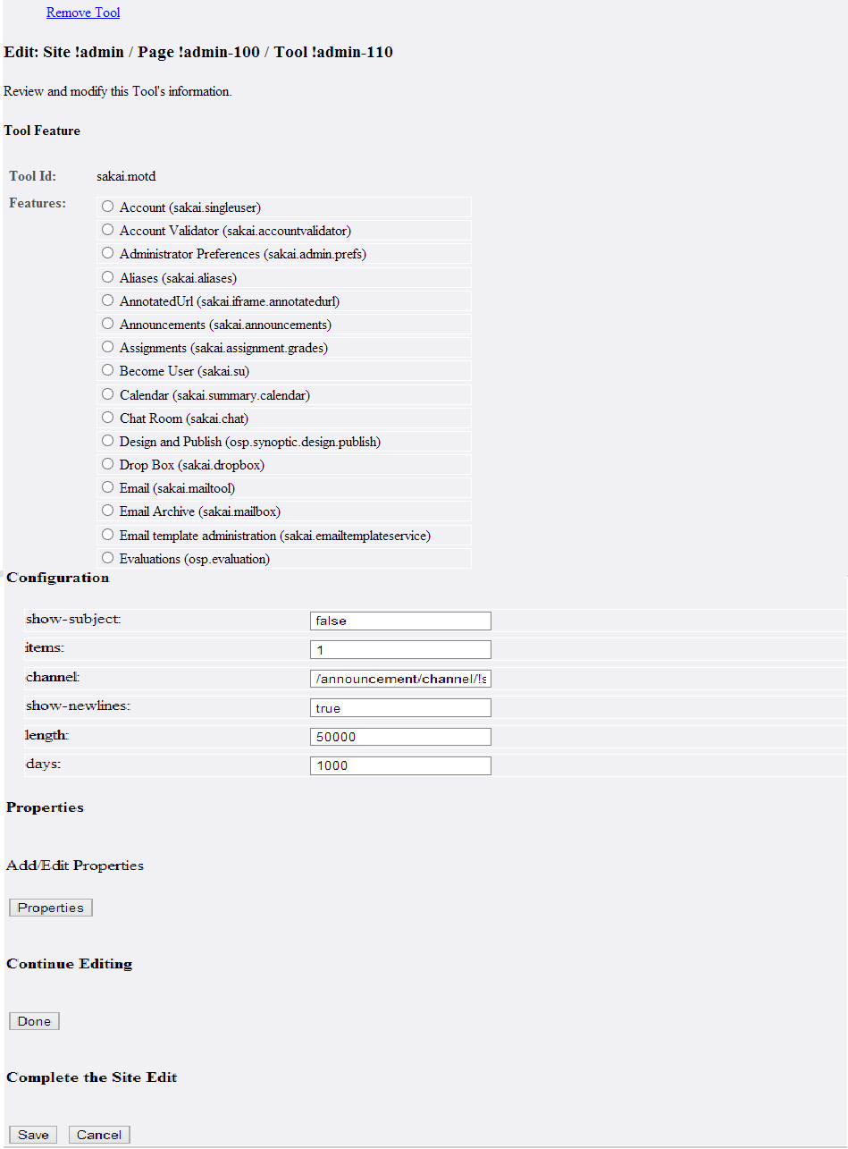
Vm | chef_sites_edit_tool
Java | AdminSitesAction
doDone_feature(Done) | This method is used to save the tool's selected feature, continue editing the tool
doToolProperties(Properties) | This method is used to Switch to property edit mode within a tool edit
doDone_tool(Done) | This method is used to save the tool edited, and return to the tools mode
doSave_tool(Save) | This method is used to save the tool edited, and save the site edit
doCancel(Cancel) | This method is used to to cancel site edits
doRemove_tool(Remove Tool) | This method is used to Handle a request to remove the tool being edited.

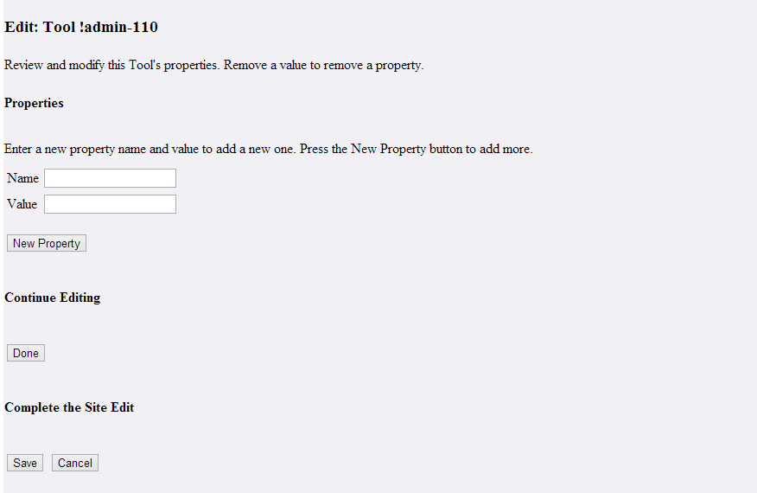
vm | chef_sites_tool_properties
Java | AdminSitesAction
doNew_property(New Property) | This method is used to Handle a request to create a new property in the site edit.
doEdit_props_to_tool(Done) | This method is used to Switch back to edit main info mode properties edit mode
doSave_tool_props_edit(Save) | This method is used to Handle a request to save the edit from either page or tools list mode
doCancel_tool_props(Cancel) | This method is used to cancel a page edit, return to the pages list

Tablename | sakao_site_tool_property

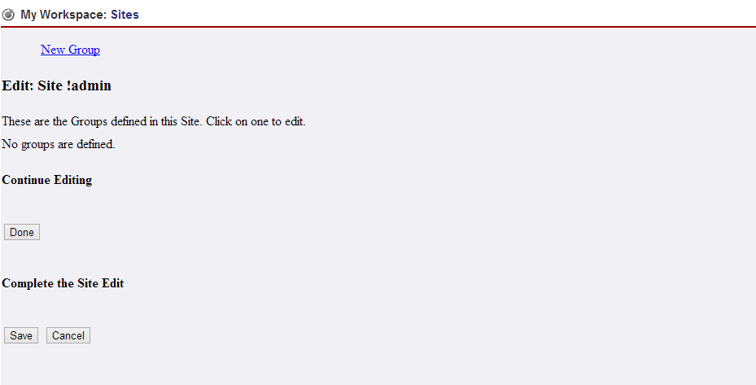
Vm | chef_sites_groups

Java | AdminSitesAction
doEdit_to_main(Done) | This method is used to Switch back to edit main info mode from another edit mode
doSave_edit(Save) | This method is used to Handle a request to save the edit from either page or tools list mode
doCancel(Cancel) | This method is used to cancel site edits
doEdit_group | This method is used to Edit an existing group
doNew_group(RunData data, Context context)(New Group) | This method is used to Handle a request to create a new group in the site edit.

Tablename | sakai_site_group

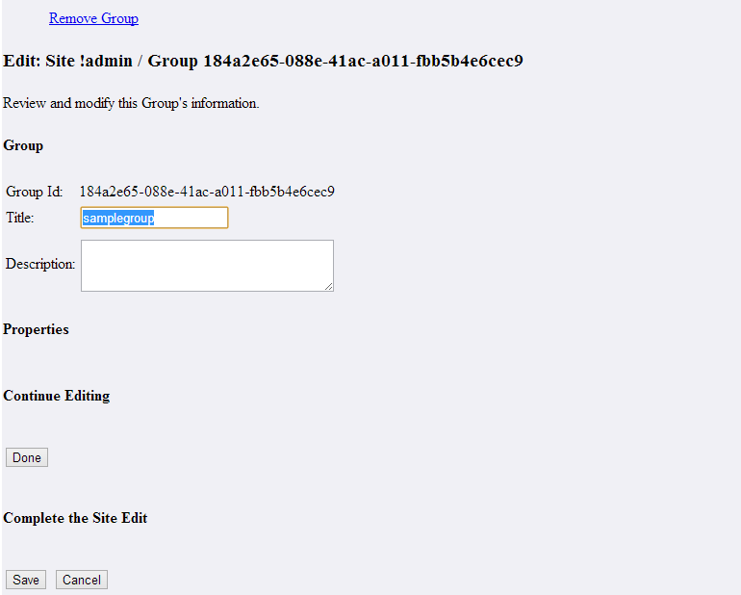
Vm | chef_sites_edit_group

Java | AdminSitesAction
doDone_group(Done) | This method is used to save the group edited, and return to the groups mode
doSave_group(save) | This method is used to save the group edited, and save the site edit
doCancel(cancel) | This method is used to cancel site edits
doRemove_group(Remove Group) | This method I used to Handle a request to remove the group being edited

Tablename | sakai_site_group_property

Vm | chef_sites_confirm_remove
Java | Adminsitesaction
doRemove_confirmed(Remove) | This method is used to remove the site
doCancel_remove(Cancel) | This method is used to cancel site removal

