Sheet1
MODULES | CALENDAR EVENTS AND ACTIONS | COMMENTS | SCREENSHOTS

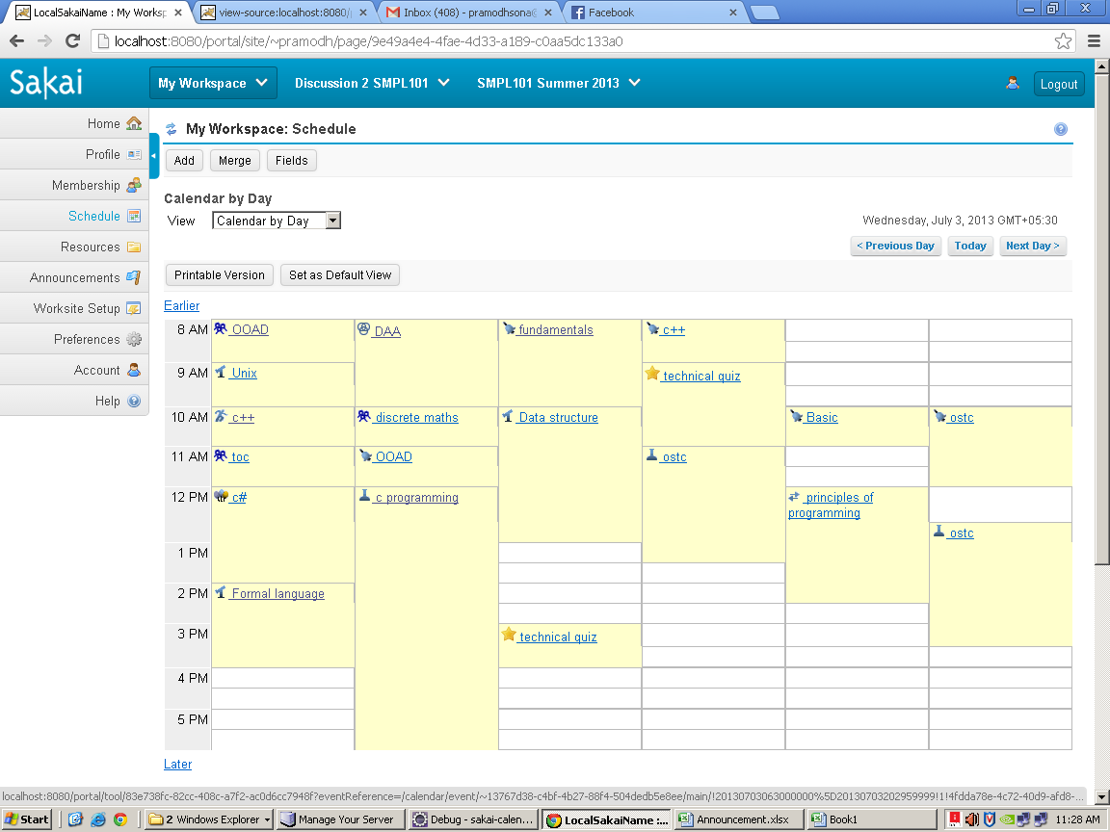
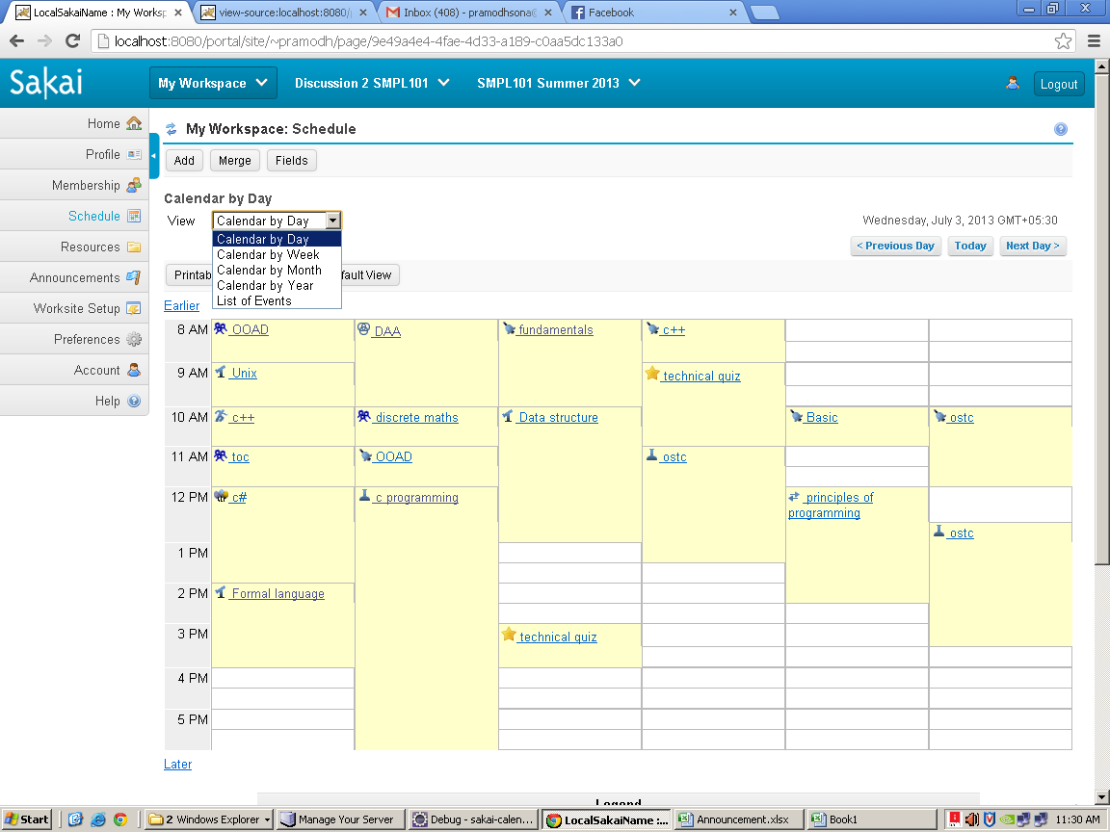
Package | org.sakaiproject.calendar.tool

Velocity | chef_calendar_new.vm | This is the homepage of calendar.i.e scheduling
Java File | CalendarAction.java
Package | org.sakaiproject.calendar.tool
Class | public class CalendarAction extends VelocityPortletStateAction | Calendar action is extension to VelocityPortletStateAction for sakai scheduling tool
Methods | protected void enableObserver(SessionState sstate, boolean enable); | This method is used to check the observer is enable or disable i.e checks about session sates

Velocity | chef_calendar_viewDay.vm | This is the first page of calendar
Java File | CalendarAction.java
Package | org.sakaiproject.calendar.tool
Methods | public void doView (RunData data, Context context); | This method is used to view the calendar based on selecting options
 | doWeek(data, context); | This method is used to view the calendar based on week selection
 | doMonth(data, context); | This method is used to view the calendar based on month selection
 | doYear(data, context); | This method is used to view the calendar based on year selection
 | doList(data, context); | This method is used to view the calendar based on List of event selection
 | state.setAttribute(STATE_SELECTED_VIEW, viewMode); | This method is used to set the view of the calendar based on user selection
 | public void doPrev(RunData data, Context context); | This method is used to return the previous week schedule of the calendar
 | public void doToday(RunData data, Context context); | This method is called when the user click on today ,i.e shows the schedule of today
 | sstate.setAttribute(STATE_SELECTED_VIEW, rb.getString("java.byday")); | This method is used for drop down menu display purpose
 | public void doNext(RunData data, Context context) | This method is used to return the next day schedule of the calendar
 | setDay(stateYear, stateMonth, stateDay); | This method is used to set the date such as year ,month and date
 | getNextMonth(); | This method is used to get the calendar to next month
 | setNextYear(); | This method is used to set the calendar to next year
 | setnextDate(date); | This method is used to set the calendar to next date
 | setNextWeek(); | This method is used to set the calendar to next week
 | public void doPreday(RunData data, Context context) | This method is called when the user click earlier in day view and then clicks on a previous day
 | state.setprevDate(date): | This function called when it goes last pag of yesterday
 | setCurrentPage("third"); | This function sets the third page
 | public void doDpagen(RunData runData, Context context) | This method is called when the user click on later in view day page
 | getCurrentPage() | This function returns the current page
 | public Vector getEventsBerDay(int index) | This method is used to show the events per day/today
 | public void doNextday(RunData data, Context context) | This method is called when the user click on tomorrow link in view day

Velocity | chef_calendar.vm | This file just shows the legend macros(pictures of activities and all)

Java File | CalendarAction.java
Class File | MyYear
 | public void setYear(int y) | This method is used to set year ,which sets through the variable y
 | public int getYear() | This method is used to get year ,which can be get through the variable y
Class File | MyWeek
 | public MyWeek() | This method is used to get the 7 days of the week
 | public String getMonthName() | This method is used to return the name of the month(string)
 | public void setMonth(int m) | This method is used to set the month
 | public int getMonth() | This method is used to get the month
Class File | MyDay
 | public void setDay(int d) | This method is used to set the day
 | public void setTodayDate(int m, int d, int y) | This method is used to set the date ,month and year
 | public int getDay() | This method is used to return the day
Class File | public class EventDisplayClass
 | public CalendarEvent getEvent() | This method returns the event
Class File | MyDate()
 | public void setEventBerWeek(Vector eventVector) | This method is used to set events per week
 | buildWeekContext(portlet, context, runData, state); | This build the context for the basic step of delete confirm page
 | public void setNumberOfDaysInMonth(int daysInMonth) | This method sets number of days in a month
 | public int getNumberOfDaysInMonth() | This method returns number of days in a month
 | public void setDayName(String name) | This method sets the name of day .like sundat to Saturday
 | public void setNameOfMonth(String name) | This method sets the name of month, like jan to december
Class File | public class CalendarFormattedText | This class performs text formatting
 | public TimeRange getMonthTimeRange(CalendarUtil calendarUtil) | This method returns time range of the month
Class File | MergePage | This class controls the page that allows the user to customize which calendars will be merged with the current group.
 | public void doCancel | This method is used when the user clicks cancel button in merging the calendar
 | setReturnState(state.getPrevState()); | Go back to whatever state we were in beforehand
 | public void doUpdate | This method is called when the user clicks the save button in merge options for merging
 | mergedCalendarList.loadFromRunData(runData.getParameters()); | Get the information from the run data and load it into our calendar list that we have in the session state.
 | saveOptions(); | This method is used to save changes
Class File | public class CustomizeCalendarPage
 | public void doAddfield() | This method is used to add fields /create fields
 | public void doDeletefield() | This method is used to delete the fields
 | public void doUpdate() | This method called when the user clicks on save field changes
 | static private SessionState getSessionState(RunData runData) | This gets the datad from jetspeed rundata
 | protected void buildFrequencyContext() | This method is used for editing the frequency
 | protected void buildDescriptionContext() | This method is used to build the context for showing description for events
 | protected void buildYearContext() | This method is used to build the context for year view
 | protected void buildMonthContext() | This method is used to build the context for month view
 | protected void buildDayContext() | This method is used to build the context for day view
 | protected void buildWeekContext() | This method is used to build the context for week view
 | protected void buildNewContext() | This method is used to build the context for new view
 | protected void buildDeleteContext() | This method is used to build the context for showing delete view
 | public void doAttachments() | This method is used for file attachments
 | public void doDescription(RunData data, Context context) | This method is called when the user clicks on the event for description
 | public void doOk(RunData data, Context context) | This method is called when the user clicks on back to the calendar
 | public void doRevise(RunData data, Context context) | This method is called when the user clicks on edit button in event discription
 | public void doScheduleContinue(RunData data, Context context) | This method is called when the user clicks on continue button in import option
 | public void doScheduleBack(RunData data, Context context) | This method is called when the user clicks on back button in import option
 | public void doCancelImportWizard(RunData data, Context context) | This method is called when the user clicks on cancel button in import option
 | public void doDelete(RunData data, Context context) | This method is called when the user click on remove event
 | public void doConfirm(RunData data, Context context) | This method is called when the user click on remove event after the warning message of are you sure want to delete the event
 | public void doView(RunData data, Context context) | This method is called when the user selects the viewing options of the event
 | public void doYear(RunData data, Context context) | This method is called when the user selects the viewing options as calendar by year
 | public void doToday(RunData data, Context context) | This method is called when the user clicks on today button
 | public void doCustomdate(RunData data, Context context) | This method is called when the user clicks on filter event
 | public void doFilter(RunData data, Context context) | This method is called when the user selects the list box in filter option
 | public void doNext(RunData data, Context context) | This method is called when the user clicks on next button to move ,nextday,nextweek,nextmonth,nextyear
 | public void doPreday(RunData data, Context context) | This method is called when the user clicks on previous day in yesterdays link i.e in earlier
 | public void doNew(RunData data, Context context) | This method is called when the user clicks on Add button for adding a new event
 | public void doMenueday(RunData data, Context context) | This method is used to set the day in calendar
 | public void doImport(RunData data, Context context) | This method is used while importing the file , Note:this function does not works properly i.e we not able to import the file
 | public void doIcalExport(RunData data, Context context) | This method is called when request is submitted to ical export ,Note: this doesn't shown in UI
 | public void doAdd(RunData runData, Context context) | This method is called when the user clicks on save button in add menu of the calendar
 | public void doUpdate(RunData runData, Context context) | This method is called when the user clicks on save button in merge option
 | public void doAddfield(RunData runData, Context context) | This method is used to add fields
 | public void doSort_by_date_toggle(RunData data, Context context) | This method is used to sort the date in ascending order
 | public void doMerge(RunData runData, Context context) | This method handles the merge request
 | private void setFields(CalendarEventEdit edit, Map values) | This method is used to map the values which is given in fields
 | public void doDefaultview(RunData rundata, Context context) | This method is called when the user clicks on default view
 | public void doEditfrequency(RunData rundata, Context context) | This method is called when user clicks on frequency for editing the frequency
 | public void doChangefrequency(RunData rundata, Context context) | This method is called when the user tries to change the exisiting frequency
 | public void doSavefrequency(RunData rundata, Context context) | This method is called when the user saves the frequency

Class File | EntryProvider (it extends MergedListEntryProviderBase)
 | public boolean allowGet(String ref) | This method allows to get the entry provider data

Class File | CalendarUtil
 | public int getYear() | This function returns the current year
 | public String getNextDate() | This method called the when the user clicks on next day
 | public String getPrevDate() | This method is called when the user clicks on previous day
 | public int getNextMonth() | This method is called when the user clicks on next month
 | public void setNextYear() | This method is called when the user clicks on next year
 | public int getPrevMonth() | This method is called when the user clicks on previous month
 | public void setPrevYear() | This method is called when the user clicks on previous year
 | public int getDay_Of_Week( boolean useLocale ) | This method returns day of the week based on local calendar
 | public void setNextWeek() | This method is used to set the calendar to next week
 | public void setPrevWeek() | This method is used to set the calendar to previous week
 | public int getDayOfWeekInMonth() | This method returns the day of week in month ,Note :the value set for it as 8 because sometimes a month contains 5 weeks
 | public int getWeekOfMonth() | This method is used to return get week of the month ,Note :the value set for it as 4
 | public int getMonthInteger() | This method gets the month in integer value
 | public int getDayOfMonth() | This method is used to get the day of month
 | public void setDay(int year, int month, int day) | This method is used to set the day in month,year,date
 | public int getFirstDayOfWeek() | This method is used to get the first day of the week
 | public Date getTime() | This method is used to return the time of the current date i.e which is gets displayed in the first page of calendar
 | public static String getLocalAMString() | This method gets the AM time i.e which shows in calendar page
 | public static String getLocalPMString() | This method gets the PM time i.e which shows in calendar page

Class File | MergedListEntryProviderBase(It’s a abstract class)
Package | org.sakaiproject.util
 | public boolean isSpecialSite(Object channel) | This method checks for another site is included,gets it from entry provider
 | public Site getSite(Object channel) | This is used to shift into another site
 | public Iterator getIterator() | The iterator is used to get the objects from the collection

Class File | MergedListEntryProviderFixedListWrapper
Package | org.sakaiproject.util;
Interface | public interface ReferenceToChannelConverter | This Interface is used to reference the channel converter
 | public boolean isUserChannel(Object channel) | This method is to handle user channel
 | public String getSiteUserId(Object channel) | This method is used to get user site id

Class File | MergedList.java
Package | org.sakaiproject.util
Interface | public interface ChannelReferenceMaker | This interface is used to create reference
Interface | public interface MergedEntry extends Comparable | This interface is used to compare the merged entry
 | public String getDisplayName(); | This function returns the display string for the channel
 | public String getReference(); | This function returns the reference id of the group
 | public boolean isMerged(); | This function returns true if merge I succesfull
 | public boolean isVisible(); | This function returns true if the list of items are visible to user
 | public boolean allowGet(String ref); | This functiont returns true if we can get on the calendar

Class File | MergedChannelEntryImpl implements MergedEntry
 | private Map makeChannelMap(String[] mergedChannelArray) | This is used to create a channel refernce map
 | public String getDelimitedChannelReferenceString() | This is used to get the channel refernce map
 | public List getReferenceList() | This is used to return the merged references

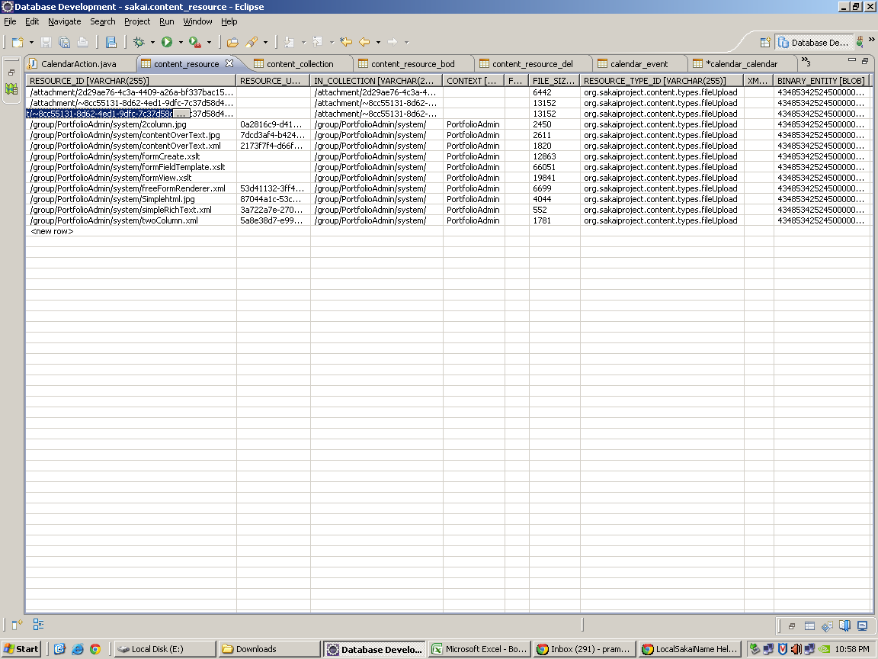
Table Name | Content _resource | This table contains the resource id,resource uuid,in collection,file size,Resource Type,Binary Entity

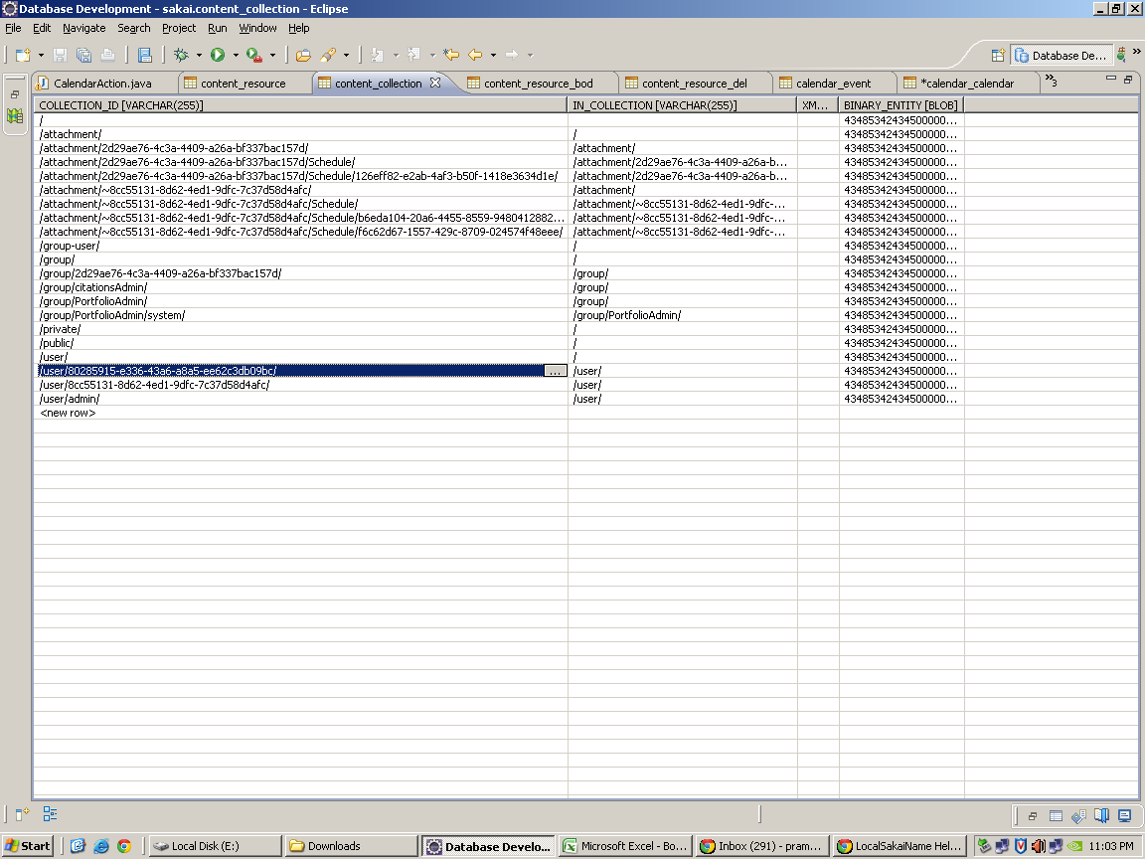
Table Name | Content_collection | This table contains the structure of the resource i.e about content_resource

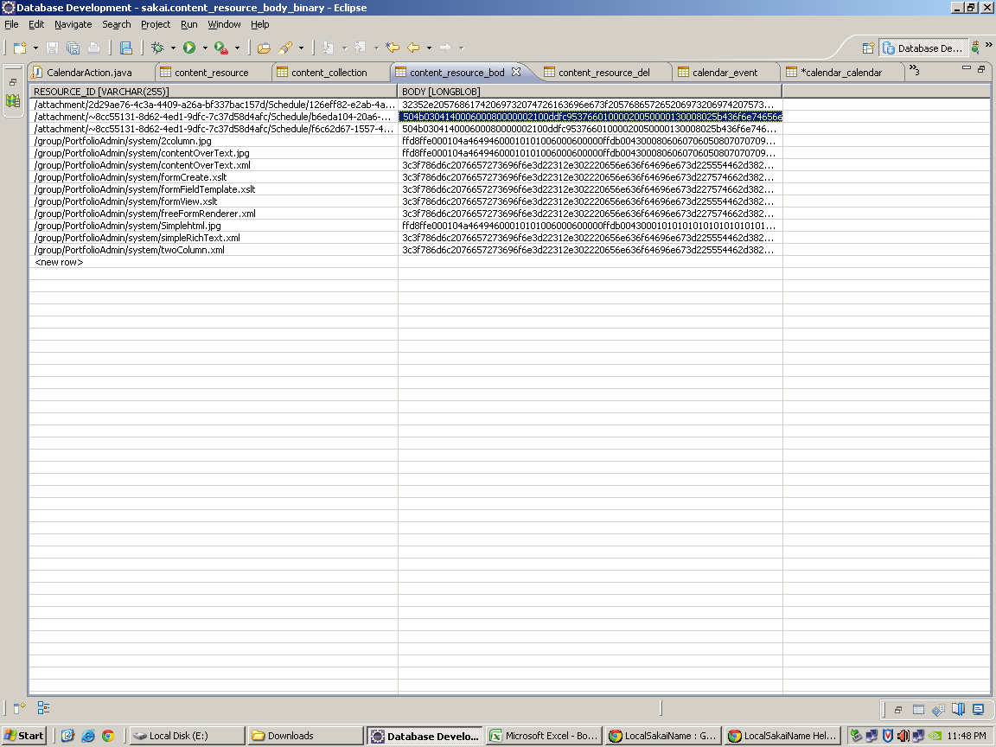
Table Name | Content_resource_body_binary | This table contains the resource id and the encoded attachment i.e in binary format

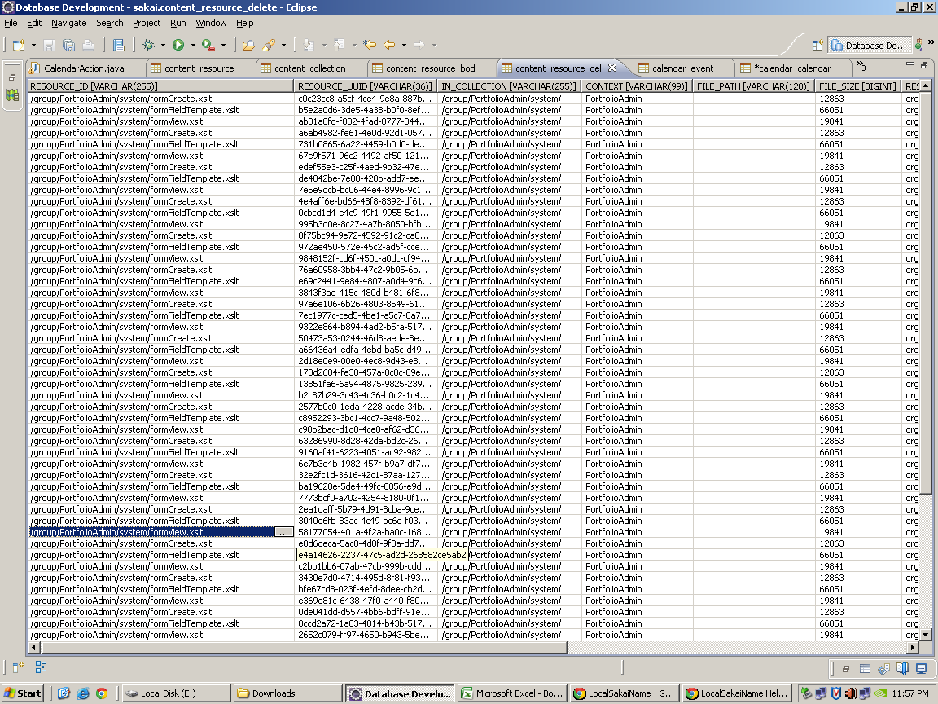
Table Name | Content_resource_delete | This table contains the deleted informations

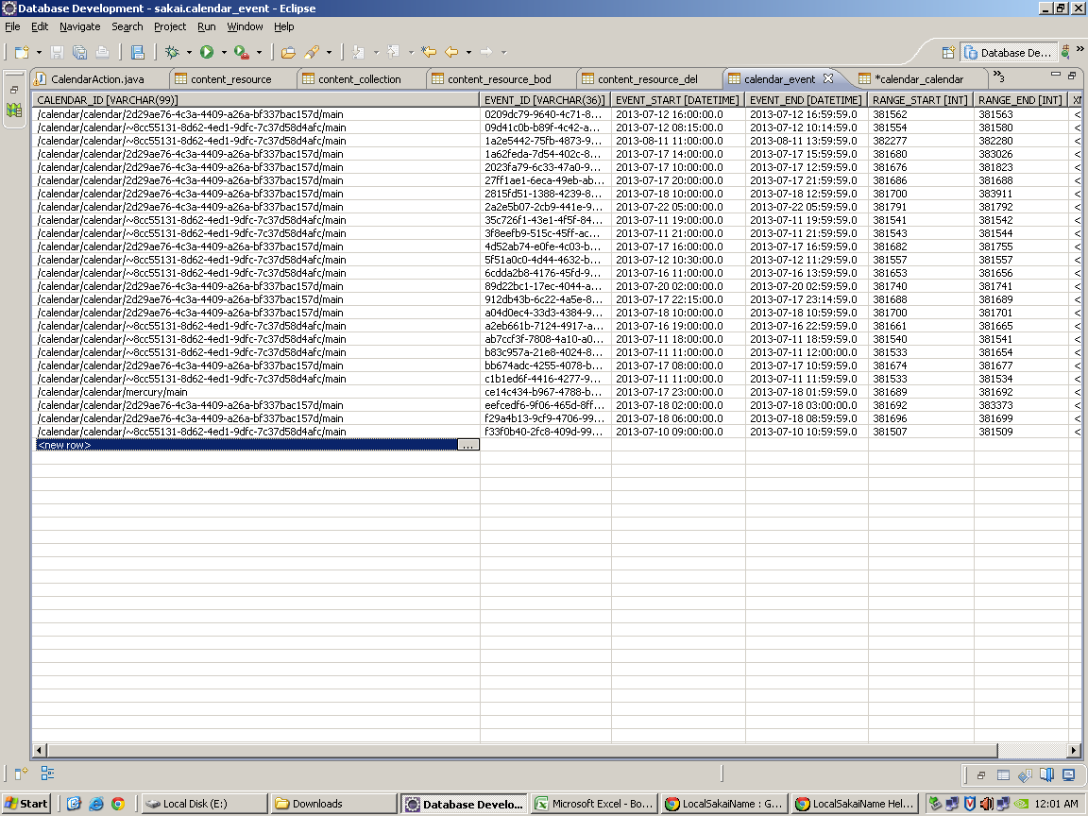
Table Name | Calendar_event | This table contains the event informations ,such as start time ,endtime etc …

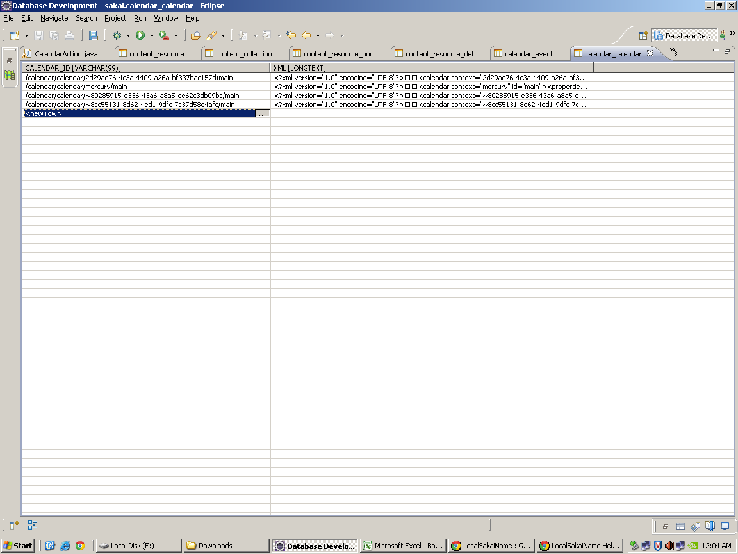
Table Name | Calendar_calendar | This table contains information about the calendar ID i.e id refers from workspace

Class File | CalendarActionState.java
Package | org.sakaiproject.calendar.tool
 | public void setPrimaryCalendarEdit(CalendarEventEdit edit) | This method is used to edit the already created event i.e for setting /updating the event
 | public CalendarEventEdit getPrimaryCalendarEdit() | This method is used to save the event after getting edited
 | public void setCurrentPage(String page) | This method is used to set the current page
 | public String getCurrentPage() | This method is used to get the current page
 | public List getAttachments() | This method returns the list of attachments
 | public void setAttachments(List attachments) | This method is used to set list of attachments
 | public boolean getIsPastAlertOff() | This method returns for alert message
 | public boolean getDelfieldAlertOff() | This method returns for alert message for delete
 | public void setIsPastAlertOff(boolean IsPastAlertOff) | This method is used to set the alert
 | public void setDelfieldAlertOff(boolean DelfieldAlertOff) | This method is used to set the status of alert in off
 | public void setNewData(String calendarReference, String title, String description, int month, int day, String year, int hour, int minute, int dhour, int dminute, String type, String Am, String location, Map addfieldsMap, String intentionStr) | This method is used to set the new datas
 | public void clearData() | This method is used to clear the data
 | public void setcurrentDate(int currentday) | This method is used to set the current date
 | public int getcurrentDate() | This method is used to get the current date
 | public void setnewDate(int newday) | This method is used to set the new date
 | public int getnewDate() | This method is used to get the new date
 | public CalendarActionState() | This method initailize the calendar action

Class File | LocalEvent
 | public String getTitle() | This method returns the title
 | public String getDescription() | This method returns the description
 | public String getSelectedCalendarReference() | This method returns the selected calendar
 | public CalendarFilter getCalendarFilter() | This method returns the filtered calendat from selected calendar list
 | public void setEdit(CalendarEventEdit edit) | This method is used to set the edit for calendar editing option

Class File | CalendarDB | This file contains the methods which are used for database operations
Package | org.sakaiproject.calendar.tool

