Sheet1
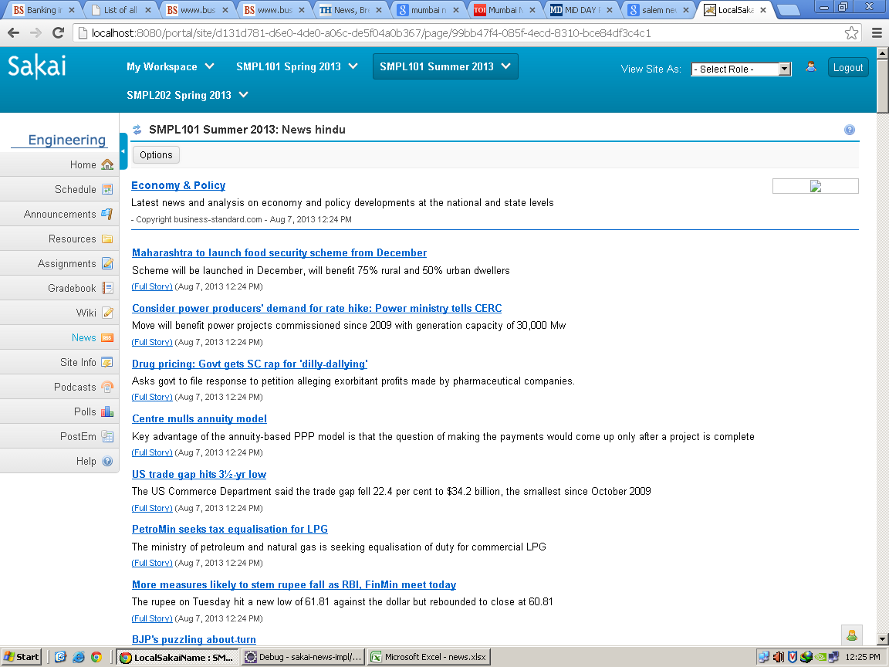
Module | News

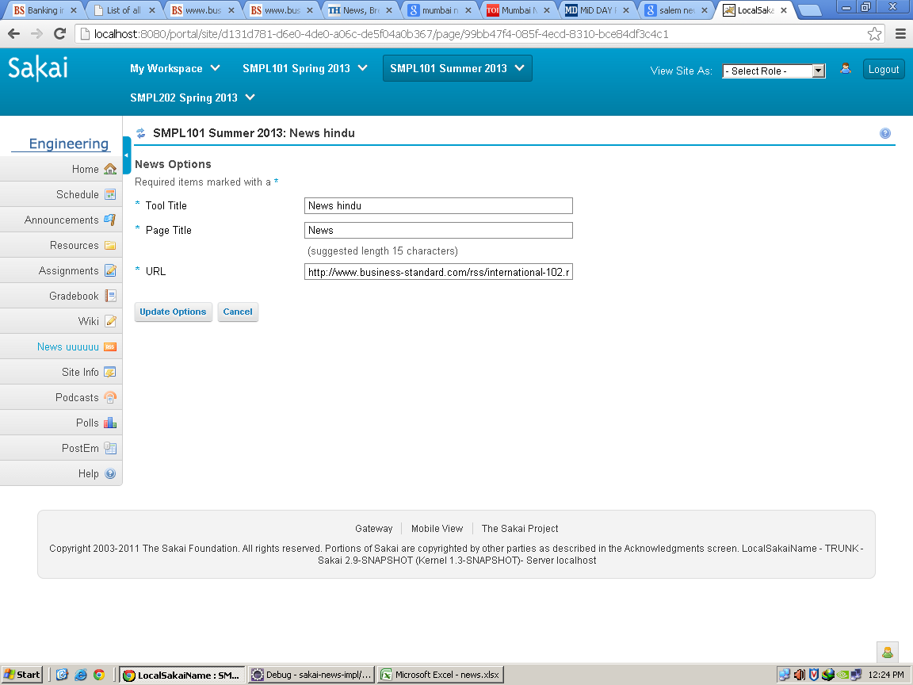
Class | NewsAction.java
Package | org.sakaiproject.news.tool;
Methods | public String buildMainPanelContext(VelocityPortlet portlet, Context context, RunData rundata, SessionState state) | This methos is used to build the main panel i.e about session ,context,time etc
 | public String buildOptionsPanelContext(VelocityPortlet portlet, Context context, RunData rundata, SessionState state) | This method is used for option button.it invokes when the user clicks on the option button
 | public void doUpdate(RunData data, Context context) | This methos is used for updating the rss feed i.e by entering the rss url and clicking update button
 | public void doCancel(RunData data, Context context) | This method is called when the user clicks on the cancel buton

Class | BasicNewsService.java
Package | org.sakaiproject.news.impl;
Methods | public boolean isUpdateAvailable(String source)
 |  | This method returns true if new feed is updated

Class | BasicNewsChannel.java
Package | org.sakaiproject.news.impl;
Methods | private void initChannel(String source) throws NewsConnectionException, NewsFormatException | This method is used to initialize the channel through the given rss feed

