Sheet1
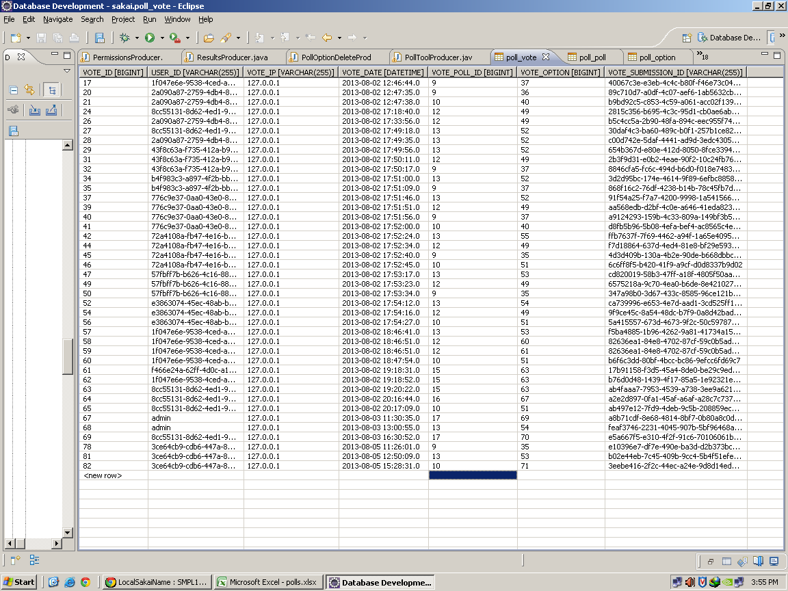
Polls

Html file
 | Polls option Delete.html | Screen shots
 | This page shows after clicking on delete (on option
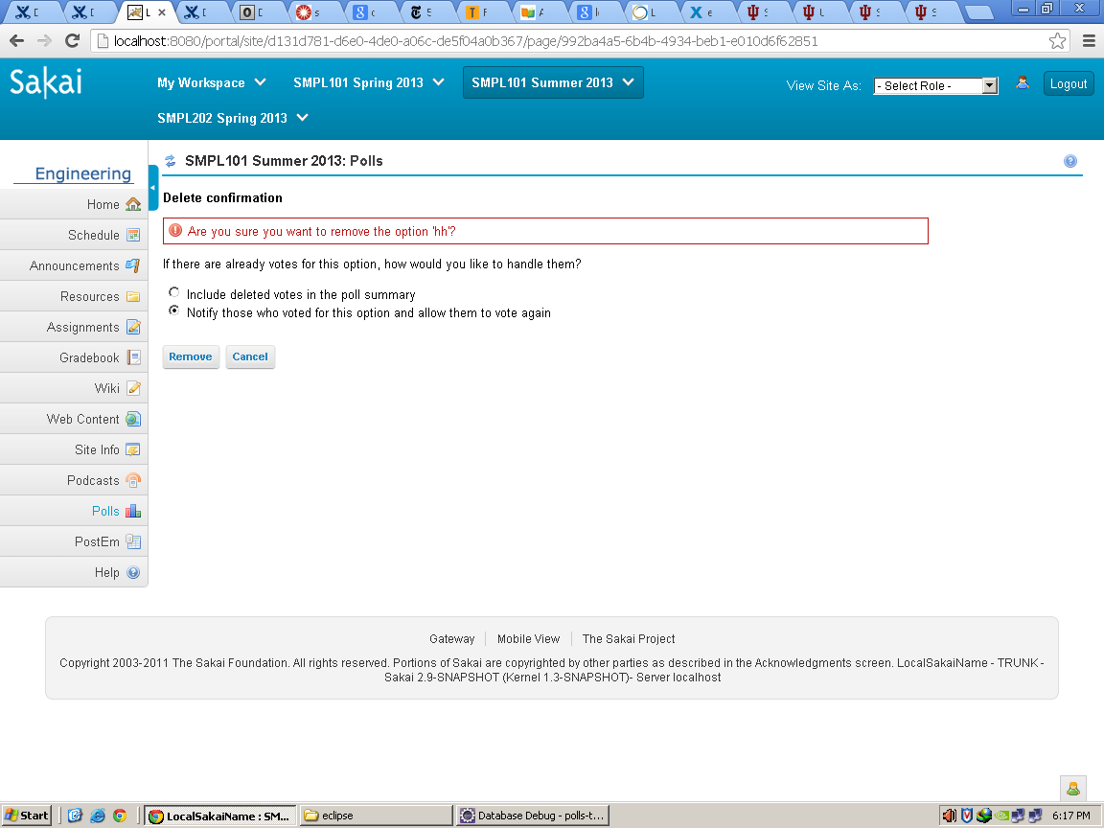
 | which has voted by the students or users)

 | Radio button options
 | Type =radio
 | rsf id=do nothing
 | rsf id=return-votes
 | name=handle_votes

 | Remove button

 | Type=submit
 | Value=post
 | rsf id=submit-option-add

 | Cancel Button

 | Type=submit
 | Value=cancel
 | rsf id=cancel

 | pollOption.html

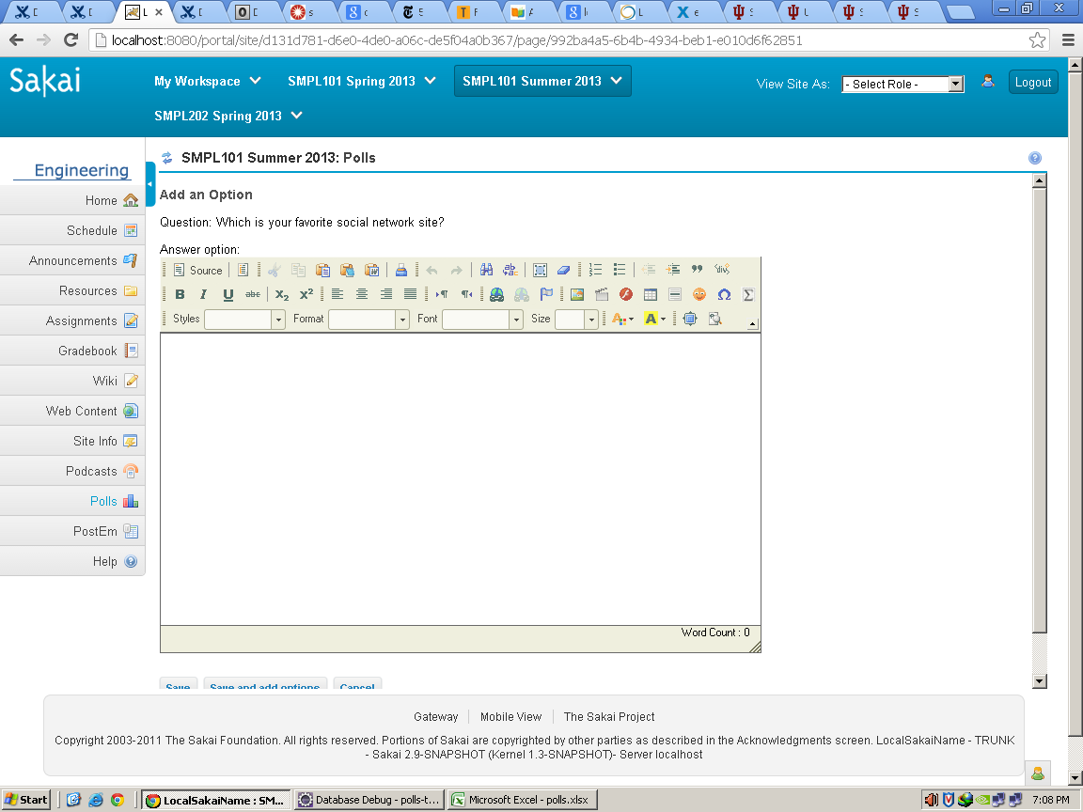

 | Save button
 | input type="submit"
 | value="Save"
 | rsf:id="submit-new-option"
 | class="active"

 | Save and add option

 | input type="submit"
 | value="Save and add option"
 | rsf:id="submit-option-add"

 | input type="submit"
 | value="Save and add option"
 | rsf:id="submit-option-add"

 | Cancel button

 | input name="_cancel"
 | type="submit"
 | value="Cancel"
 | rsf:id="cancel"

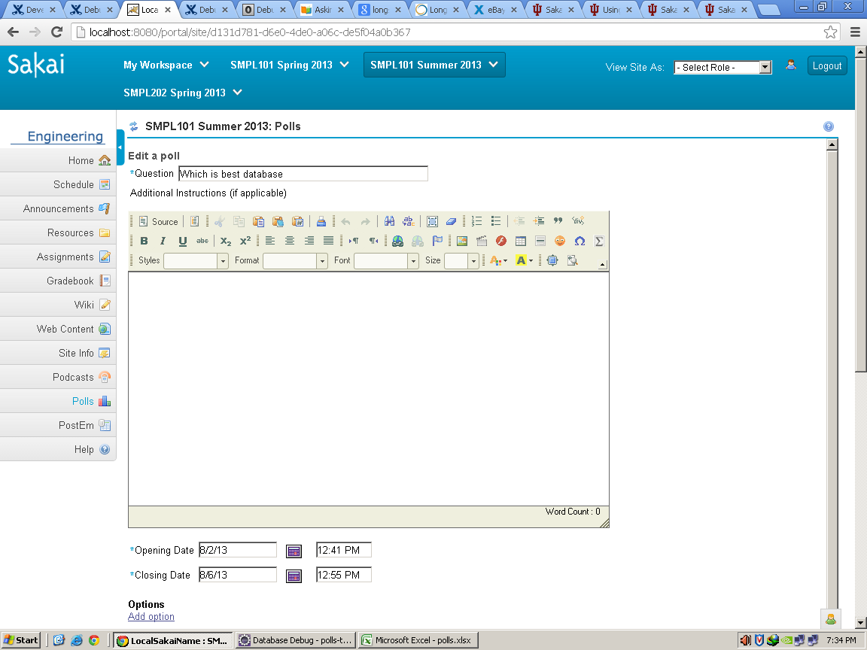
 | voteAdd.html

 | Questions

 | input name="Question
 | type="text"
 | size="50"
 | rsf:id="new-poll-text"
 | id="pollName"

 | Opening Date

 | input type="text"
 | id="start_date_dummy"
 | name="start_date_dummy"
 | value="MM/DD/YYYY"
 | size="12"
 | maxlength="10"

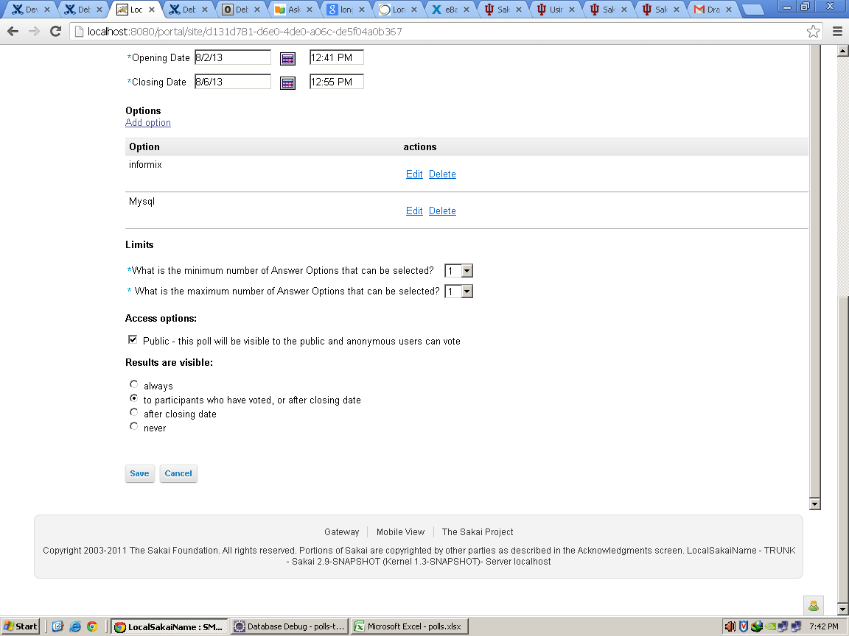

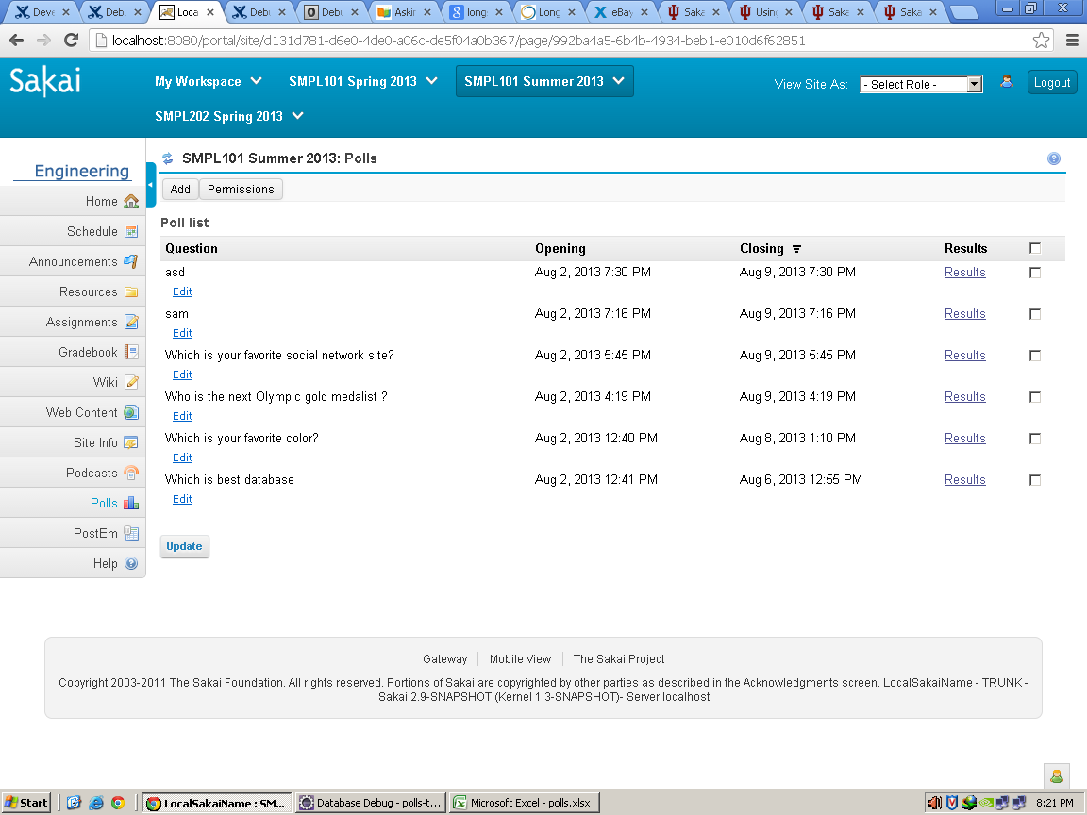
 | votePolls.html

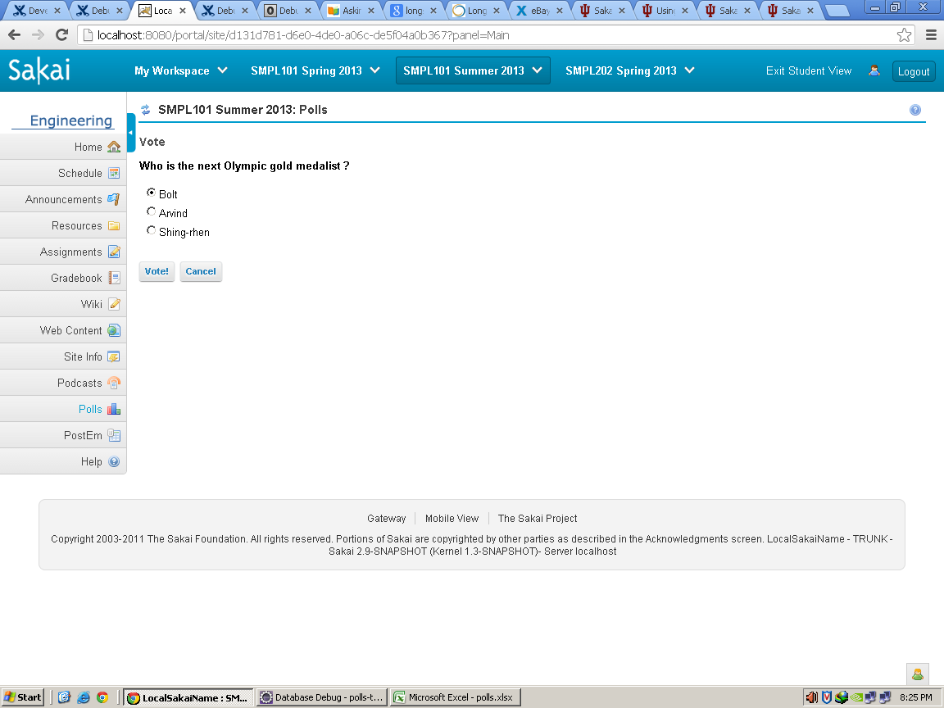
 | voteQuestion.html

MODULES | Polls

Package | org.sakaiproject.poll.tool.producers
Class | AddPollProducer.java

Methods | public void fillComponents(UIContainer tofill, ViewParameters viewparams, | This method invokes when the user clicks on add option for creating the poll
 | ComponentChecker checker)

 | public void interceptActionResult(ARIResult result, ViewParameters incoming, Object actionReturn) | This is an interception action called when the cancel button is pressed

Package | org.sakaiproject.poll.tool.producers;
Class | ConfirmProducer.java
Methods | public void fillComponents(UIContainer tofill, ViewParameters viewparams,ComponentChecker arg2) | This method is used for vote selection i.e after clicking on vote button

Package | org.sakaiproject.poll.tool.producers;
Class | PermissionsProducer.java
Methods | public void fillComponents(UIContainer tofill, ViewParameters arg1,ComponentChecker arg2) | This method works for permission button

Package | org.sakaiproject.poll.tool.producers
Class | PollOptionDeleteProducer.java
Methods | public void fillComponents(UIContainer tofill, ViewParameters viewparams,ComponentChecker arg2) | This method is called when the user tries to delete the option .

Package | org.sakaiproject.poll.tool.producers;
Class | PollOptionProducer.java
Methods | public void fillComponents(UIContainer tofill, ViewParameters viewparams,ComponentChecker arg2) | This for ading a option such as it invokes when th user clicks on save or add option

Package | org.sakaiproject.poll.tool.producers;
Class | ResultsProducer.java
Methods | public void fillComponents(UIContainer tofill, ViewParameters viewparams,ComponentChecker checker) | This method invokes when the user clicks for result
Class | CollatedVote
 |  | The data members of the class defines--- optionId,optionText,votes,deleted

 | Database tables

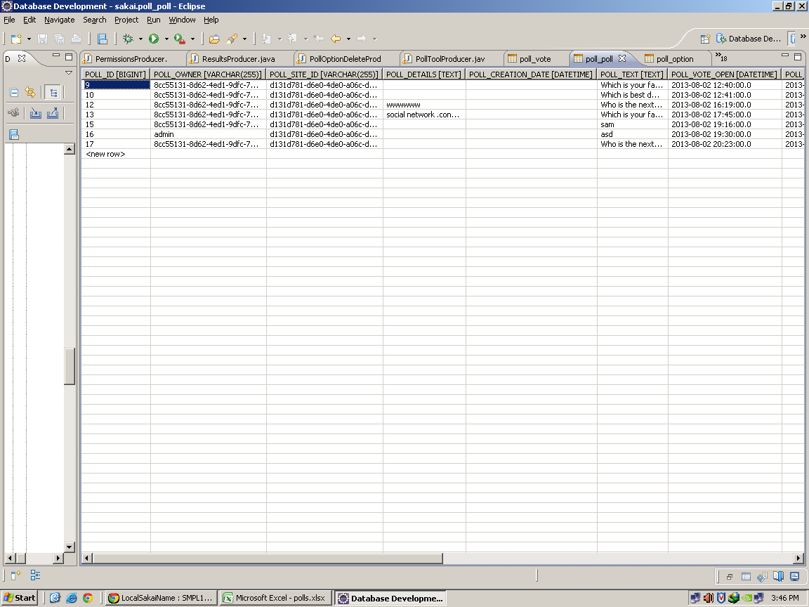
 | poll_poll
 | This tables contains the fields such as pollid,poll-owner,poll site-id,poll-details,poll-text,poll-vote-open,poll-vote-open,
 | poll-vote-close,poll-min-options,poll-max-option,poll-display-result,poll-limit-vote,poll-uuid,poll-is-public

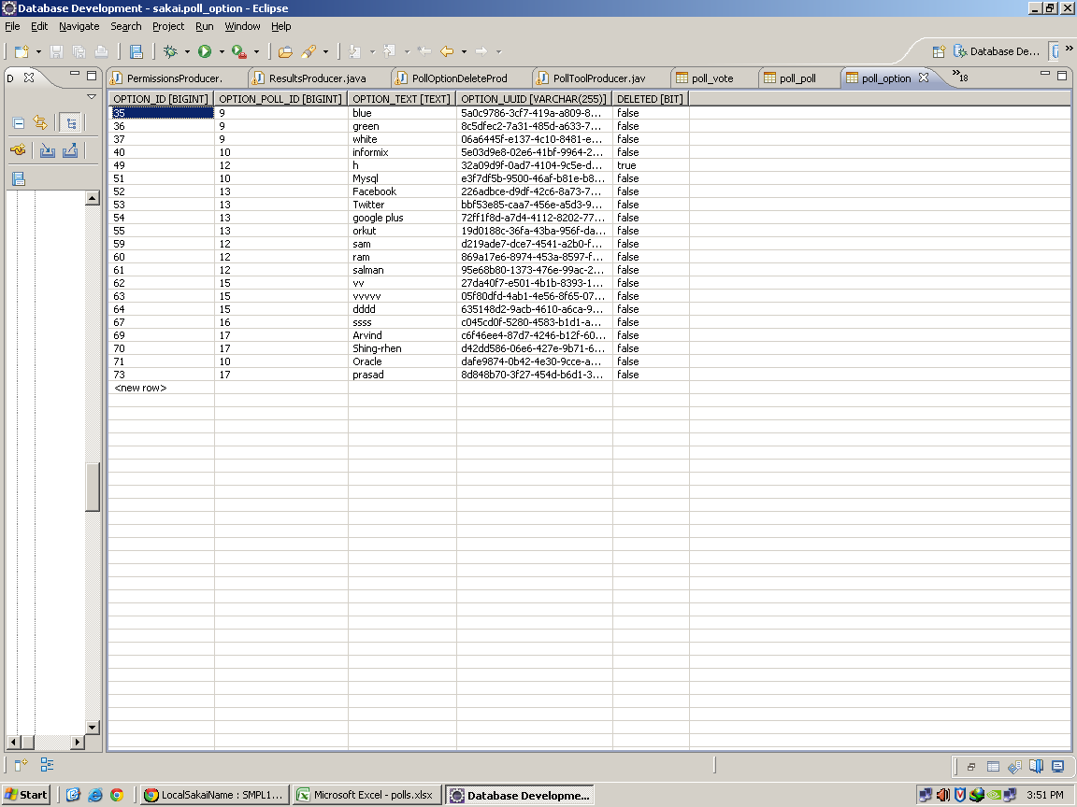
 | poll_option
 | This tables contains the fields such as option-id,option-poll-id,option-text,option-uuid,deleted

 | poll_vote
 | This table contains the fields such as vote-id,user-id,vote-ip,vote-date,vote-poll-id,vote-option,vote-submission-id

