Sheet1
MODULES | POSTEM | COMMENT | SCREEN SHOTS

PACKAGE | org.sakaiproject.tool.postem
CLASS | csv
METHOD | public List getStudentUsernames() | This method is used to add user names in postem from the csv file which we import
 | public static String createFromContents(List rows) | This method is called when the user clicks the download button for getting the csv file
 | public static List retrieveContents(String csv, char delimiter) throws DataFormatException | This method is used to retrive the content from from csv file seqentially
 | private static StringBuilder truncateIt(StringBuilder buffer) | This method is used for truncating options

PACKAGE | org.sakaiproject.tool.postem
CLASS | PostemTool.java
METHOD | public String processCreateNew() | This method is used for creating new postem gradebook
 | public String processGradebookUpdate() | This method is used for updating th postem gradebook
 | public static void populateMessage(FacesMessage.Severity severity,String messageId, Object[] args) | This method is used to populate the warning and other error messages from bundle
 | protected static void clearMessages() | This method is used to clear the message
 | public String processCreate() | This method is used for process creation
 | public String processCreateOk() | This method called after posting the gradebook i.e when we hit on save button
 | public String processCreateBack() | This method is called when the user clicks on back button in creating postem gradebook i.e for cancelling
 | public String processCancelView() | This method is called when the user clicks on back button in viewing postem gradebook i.e back button
 | public String processGradebookView() | This method is called when the partcipant view is clicked
 | public String processInstructorView() | This method is called when the instructor cliks on the view option
 | public String processGradebookDelete() | This method is called when the instructor cliks on the delete option and after clicking it will show a message of confirmation
 | public String processDelete() | This method is called for processing the delete i.e it confirms the delete
 | public String processCsvDownload() | This method is called for downloading option
 | private boolean hasADuplicateUsername(CSV studentGrades) | This method is checks the csv file that whether it contains the same user name more than one.if yes then it will populate the error message from bundle
 | private boolean usernamesValid(CSV studentGrades | This method checks for valid user name .i.e the user name should be relate with the site

PACKAGE | org.sakaiproject.component.app.postem
CLASS | GradebookManagerImpl.java
METHOD | public Gradebook createEmptyGradebook(String creator, String context) | This method invokes when the user tries to enter the empty csv file in the postem gradebook
 | public StudentGrades createStudentGradesInGradebook(String username,List grades, Gradebook gradebook) | This method is used to create a gradebook from the csv file,i.e invokes when the post button is clicked
 | public void deleteGradebook(final Gradebook gradebook) | This method is used to delete the gradebook from db
 | public SortedSet getGradebooksByContext(final String context, final String sortBy, final boolean ascending) | This method is used to sort the gradebooks ,ie via sorting by titles and others and rises when the user changes the site
 | public SortedSet getReleasedGradebooksByContext(final String context, final String sortBy, final boolean ascending) | This method is called when user sort the gradebook by release
 | public void saveGradebook(Gradebook gradebook) | This method is used to save the gradebook
 | public Gradebook getGradebookByTitleAndContext(final String title, final String context) | This method is used to search /view the gradebook using title
 | private Comparator determineComparator(String sortBy, boolean ascending) | This is an comparator method through this ,the sorting is done by using ascending order
 | public StudentGrades getStudentByGBAndUsername(final Gradebook gradebook, final String username) | This method calls when the student views the gradebook
 | public List getUsernamesInGradebook(final Gradebook gradebook) | This method shows the complete list of the gradebook

 | Data Base Tables
 | sakai_postem_gradebook
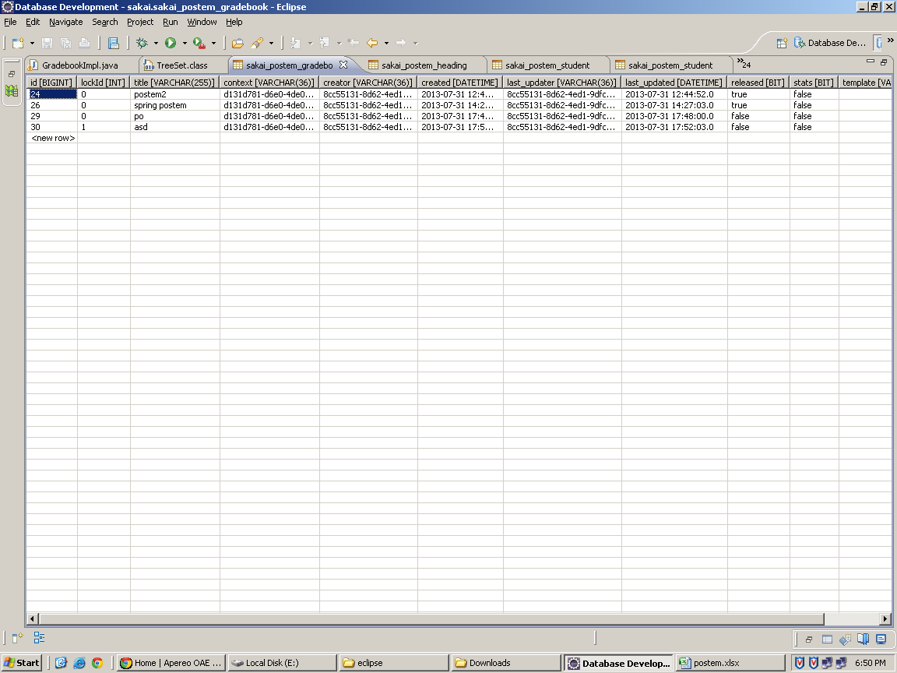

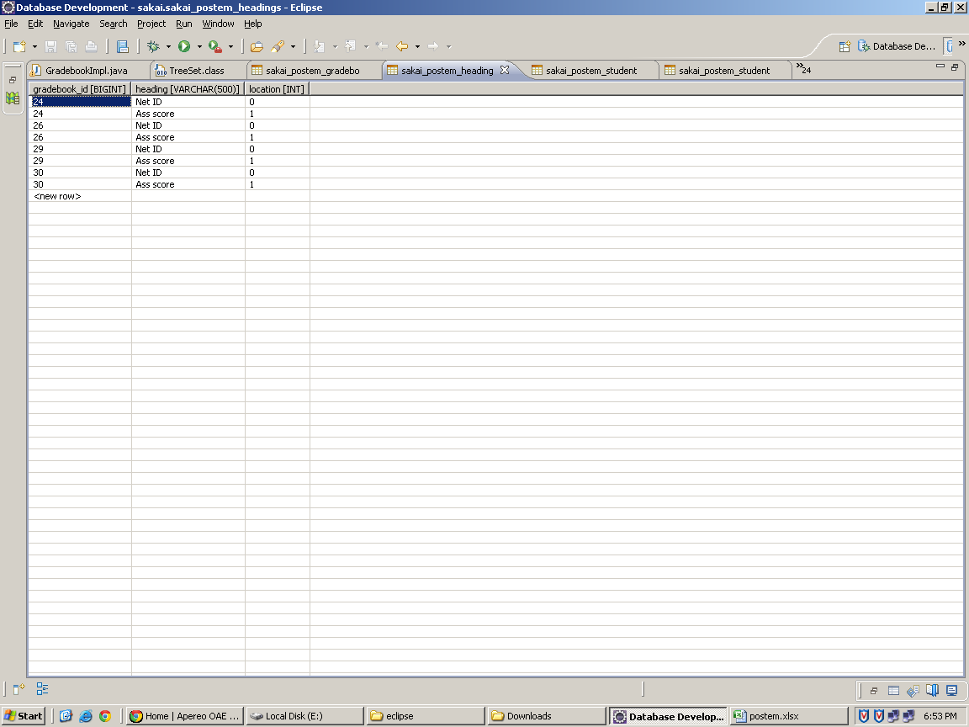
 | sakai_postem_heading

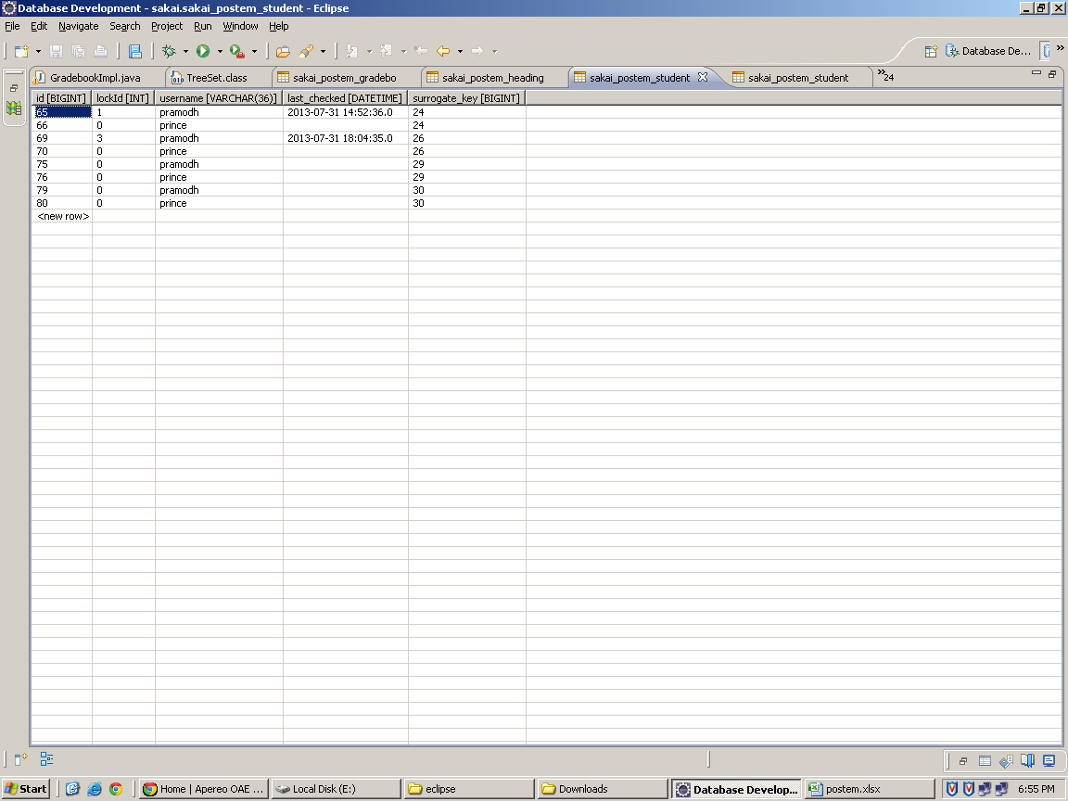
 | sakai_postem_student

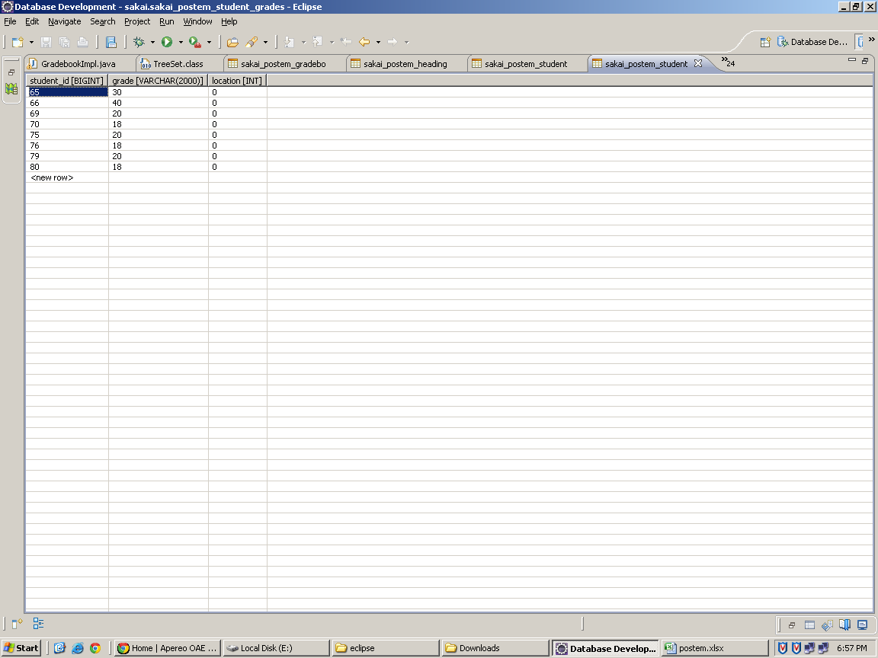
 | sakia_postem_student_grades

JSP Files
 | Create_gradebook.jsp
 | This page comes after clicking add or update button.For post button -->ProcessCreate
 | For cancel button-->Process Cancel view
 | Check box-->current Gradebook--> release

 | Delete Confirm.jsp
 | This page comes after clicking delete button
 | For delete button -->Process delete
 | For cancel button -->Process cancel view

 | Download_csvg.jsp
 | This is an downloading page ,does through servelets

 | Main.jsp
 | This file shows in instructor view after adding.
 | I.e Title ,Creater,Modified by,Last modified, Released

 | Permission_error.jsp
 | This is for showing the error message

 | Upload_gradefile & template.jsp
 | For the button file upload & cancel

 | Verify.jsp
 | It comes when we upload the file ,This page shows the message such as the header /feedback &
 | the content of the file.
 | Save button-->Process Create Ok
 | Back button-->Process Create Back

 | View_grades.jsp
 | This page comes after clicking view page

 | Datebase tables

 | Gradebook id-->surrogate key
 | Lock id-->Release -if the user (student) chechs it and generates the number based on number of times the student
 | views the postem gradebook
 | Location-->location in gradebook
 | Context id--> site id
 | Creator-->User .i.e instructor
 | Released-->It shows true if the release is checked or false
 | Student id-->student has id which generates randomly in integer formate

