Sheet1
Tool
Package | org.sakaiproject.tool.su
Class | Methods | Description
SuTool.java | SuTool() | Basic Constructor loaded during object instantiation
 | Su() | Method where user details like authirzation is checked & corresponding informations are passed
 | confirm() | Method where su() method is called
 | getAllowed() | Checks whether the user is authorized or not
 | getUsername() | Obtain & assign the user name to the database variable
 | setUsername()
 | getUserinfo() | Obtain & assign the userinfo to the database variable
 | setUserinfo()
 | getPortalUrl() | This method is invoked by redirect.jsp during become user operation
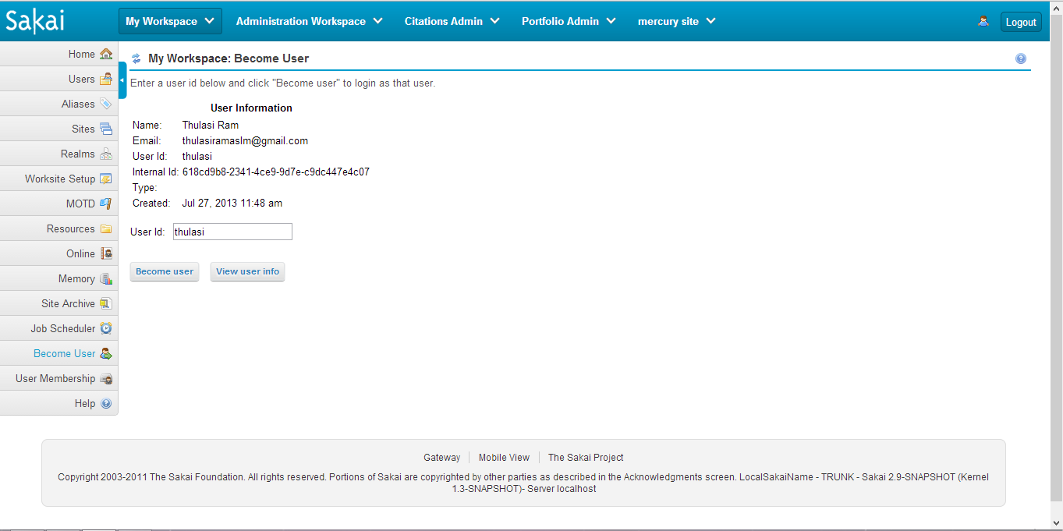
main.jsp
title.jsp

redirect.jsp

unauthorised.jsp

