Sheet1
Authz

Package | org.sakaiproject.authz.tool

Class | PermissionHelperAction.java
 | protected void toolModeDispatch(String methodBase, String methodExt, HttpServletRequest req, HttpServletResponse res) | dispatch the corresponding url to the destination
 | protected String panelMethodName(String panel) | returns Main panel Context
 | public String buildMainPanelContext(VelocityPortlet portlet, Context context, RunData rundata, SessionState sstate) | building the template of the page
 | protected void initHelper(VelocityPortlet portlet, Context context, RunData rundata, SessionState state) | Initializing the values
 | static public String buildHelperContext(VelocityPortlet portlet, Context context, RunData rundata, SessionState state) | building the context
 | private static void cleanupState(SessionState state) | Removing the variables used internally
 | public void doView_permission_option(RunData data) | to show different permission settings based on user selection
 | public void doSave(RunData data) | To save the edited permissisons
 | public void doCancel(RunData data) | To cancel the edits
 | private void readForm(RunData data, AuthzGroup edit, SessionState state) | To read the permissions form

 | RealmsAction.java
 | protected List readResourcesPage(SessionState state, int first, int last) | getting the list of realms depending on the search
 | protected int sizeResources(SessionState state) | getting the size of the list retrieved
 | protected void initState(SessionState state, VelocityPortlet portlet, JetspeedRunData rundata) | for initialization
 | public String buildMainPanelContext(VelocityPortlet portlet, Context context, RunData rundata, SessionState state) | Building the templates
 | private String buildListContext(SessionState state, Context context) | Build the context for the main list mode.
 | private String buildNewContext(SessionState state, Context context) | Build the context for the new realm mode
 | private String buildEditContext(SessionState state, Context context) | Build the context for the edit realm mode.
 | private String buildConfirmRemoveContext(SessionState state, Context context) | Build the context for the new realm mode.
 | private String buildSaveasRoleContext(SessionState state, Context context) | Build the context for the role save as
 | private String buildNewRoleContext(SessionState state, Context context) | Build the context for the new role mode.
 | private String buildEditRoleContext(SessionState state, Context context) | Build the context for the edit role mode.
 | private String buildNewUserContext(SessionState state, Context context) | Build the context for the new user grant mode.
 | private String buildEditUserContext(SessionState state, Context context) | Build the context for the edit user grant mode.
 | private String buildSaveasContext(SessionState state, Context context) | Build the context for the save-as mode.
 | public void doSaveas(RunData data, Context context) | Handle a request to save-as the realm as a new realm.
 | public void doCancel_saveas(RunData data, Context context) | cancel the saveas request, return to edit
 | public void doSaveas_request(RunData data, Context context) | Go into saveas mode
 | public void doNew(RunData data, Context context) | Handle a request for a new realm.
 | public void doEdit(RunData data, Context context) | Handle a request to edit a realm
 | public void doSave(RunData data, Context context) | Handle a request to save the realm edit (from the realm edit form)
 | public void doSave_edit(RunData data, Context context) | Handle a request to save the edit from either page or tools list mode - no form to read in.
 | public void doCancel(RunData data, Context context) | doCancel called when "eventSubmit_doCancel" is in the request parameters to cancel realm edits
 | public void doRemove(RunData data, Context context) | doRemove called when "eventSubmit_doRemove" is in the request parameters to confirm removal of the realm
 | public void doRemove_confirmed(RunData data, Context context) | doRemove_confirmed called when "eventSubmit_doRemove_confirmed" is in the request parameters to remove the realm
 | public void doCancel_remove(RunData data, Context context) | doCancel_remove called when "eventSubmit_doCancel_remove" is in the request parameters to cancel realm removal
 | private boolean readRealmForm(RunData data, SessionState state) | Read the realm form and update the realm in state.
 | public void doNew_role(RunData data, Context context) | Handle a request to create a new role in the realm edit.
 | public void doEdit_role(RunData data, Context context) | Edit an existing page.
 | public void doRemove_role(RunData data, Context context) | Handle a request to remove the role being edited
 | public void doSaveas_role(RunData data, Context context) | Handle a request to remove the role being edited
 | public void doSave_role_as(RunData data, Context context) | Handle a request to saveas with this name
 | public void doCancel_role_saveas(RunData data, Context context) | Handle a request to cancel role saveas
 | public void doSave_role(RunData data, Context context) | Handle a request to save the realm edit (from the role edit form)
 | public void doDone_role(RunData data, Context context) | Handle a request to be done role editing - return to the edit mode
 | private boolean readRoleForm(RunData data, SessionState state) | Read the user form and update the realm in state
 | private boolean readRoleSaveAsForm(RunData data, SessionState state) | Read the role save as form and make the new role in the realm in edit
 | public void doNew_user(RunData data, Context context) | create a new user ability grant in the realm edit
 | public void doEdit_user(RunData data, Context context) | Edit an existing user ability grant
 | public void doRemove_user(RunData data, Context context) | Handle a request to remove all grants to the user
 | public void doSave_user(RunData data, Context context) | Handle a request to save the realm edit (from the user edit form)
 | public void doDone_user(RunData data, Context context) | Handle a request to be done user editing - return to the edit mode
 | private boolean readUserForm(RunData data, SessionState state) | Read the user form and update the realm in state
 | private void cleanState(SessionState state) | Clean up all possible state value when done an edit

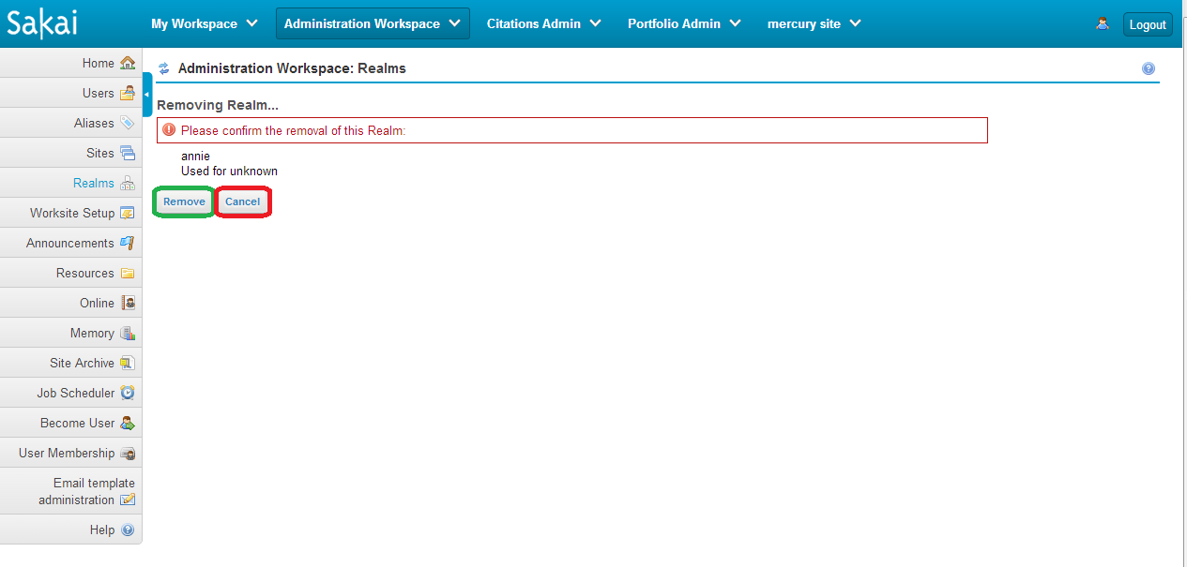
Velocity
 | chef_realms_confirm_remove.vm | calls public void doRemove_confirmed(RunData data, Context context) if 'Remove' button is clicked calls public void doCancel_remove(RunData data, Context context) if 'Cancel' button is clicked

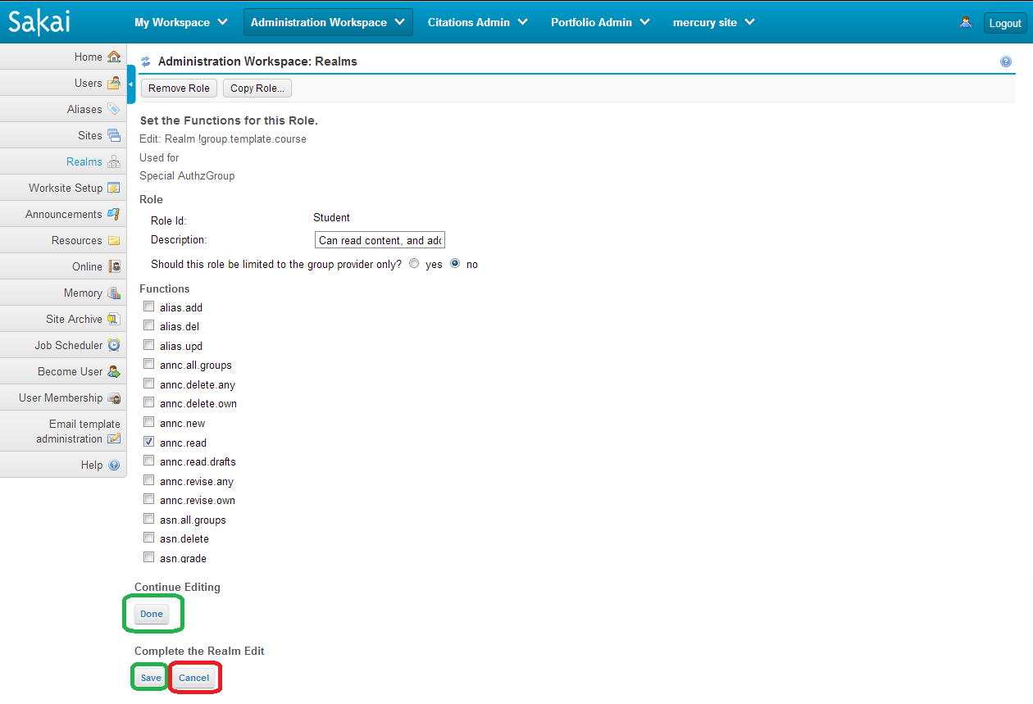
 | chef_realms_edit_role.vm | calls public void doDone_role(RunData data, Context context) if 'Done' button is clicked calls public void doSave_role(RunData data, Context context) if 'Save' button is clicked calls public void doCancel(RunData data, Context context) if 'Cancel' button is clicked

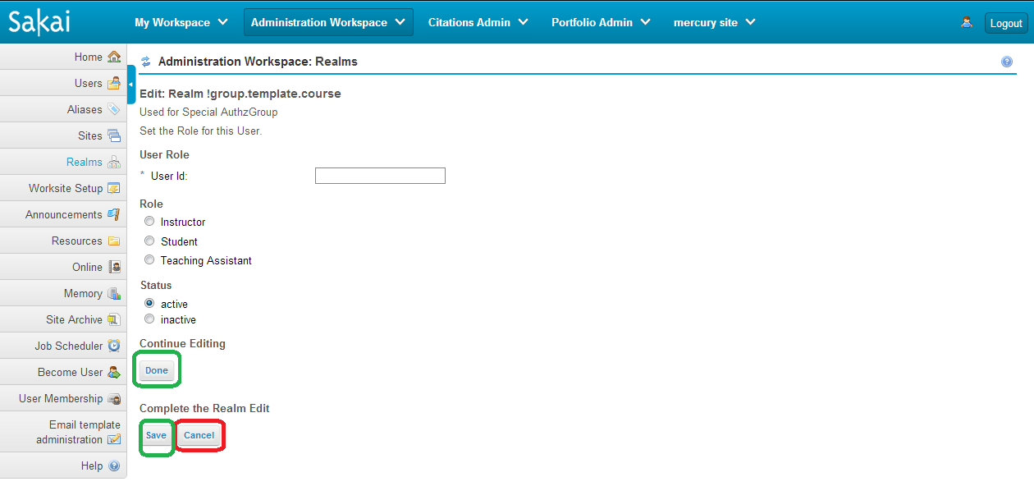
 | chef_realms_edit_user.vm | calls public void doDone_user(RunData data, Context context) if 'Done' button is clicked calls public void doSave_user(RunData data, Context context) if 'Save' button is clicked calls public void doCancel(RunData data, Context context) if 'Cancel' button is clicked

 | chef_realms_edit.vm | calls public void doSave(RunData data, Context context) if 'Save' button is clicked calls public void doCancel(RunData data, Context context) if 'Cancel' button is clicked calls public void doEdit_user(RunData data, Context context) if any of the 'User Id's' is clicked calls public void doEdit_role(RunData data, Context context) if any one of the 'Role Id's' is clicked | 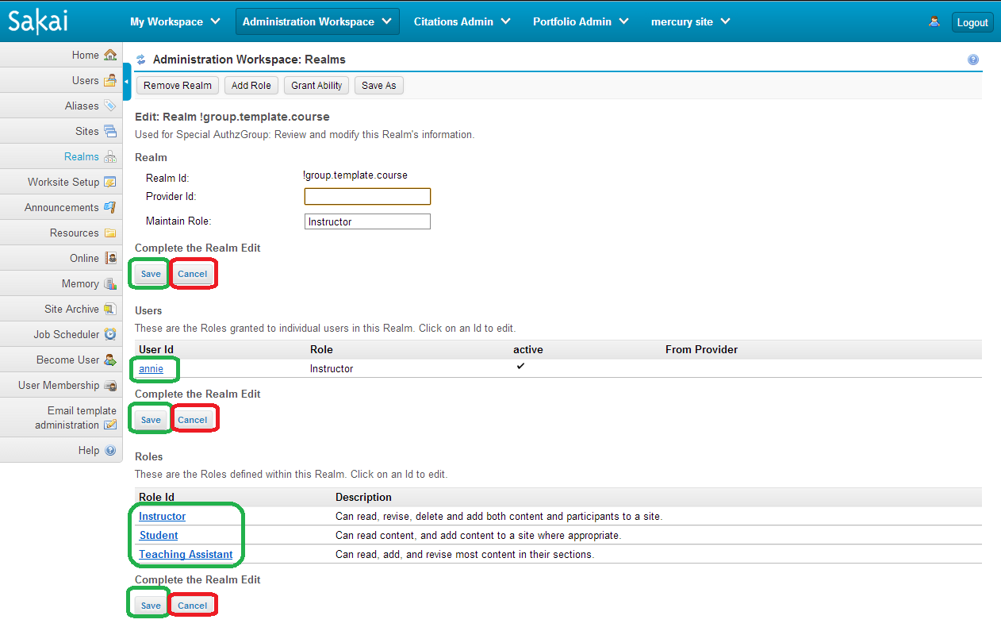

 | chef_realms_list.vm | Lists all the realms available

 | chef_realms_noaccess.vm | Error message

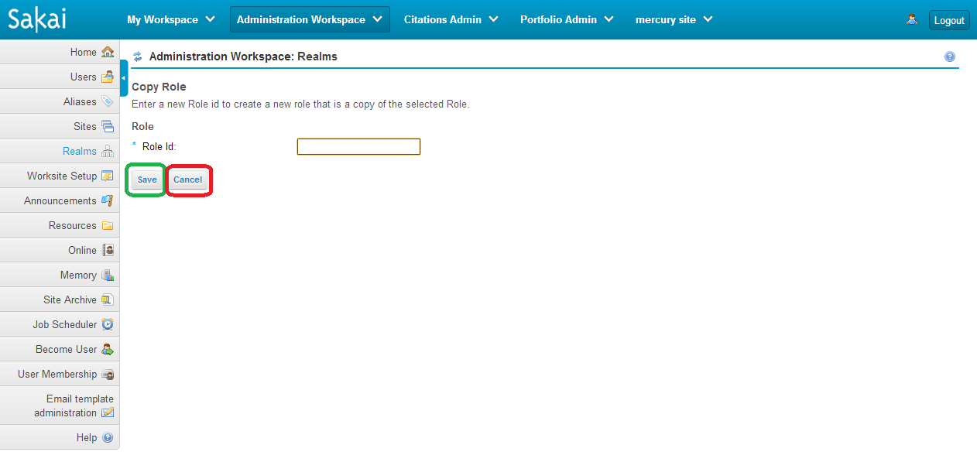
 | chef_realms_saveas_role.vm | calls public void doSave_role_as(RunData data, Context context) if 'Save' button is clicked calls public void doCancel_role_saveas(RunData data, Context context) if 'Cancel' button is clicked

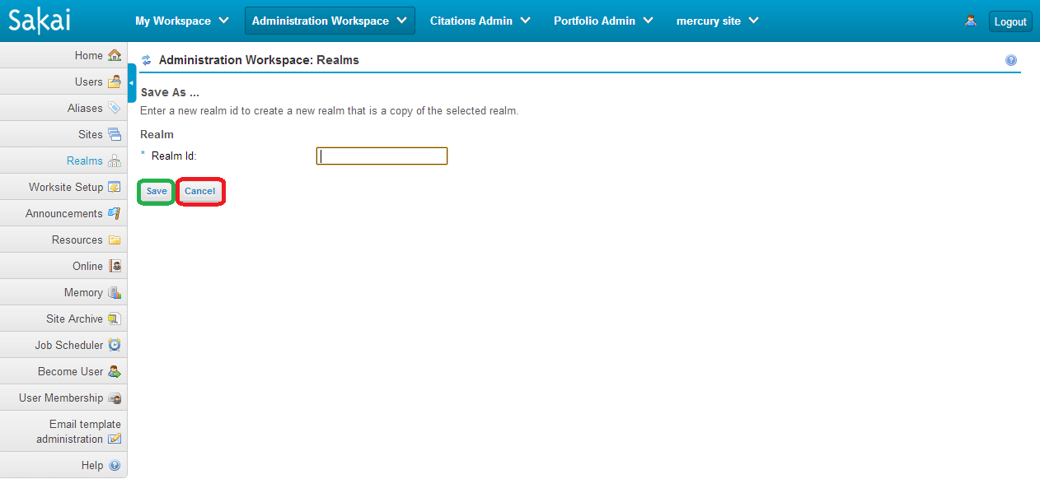
 | chef_realms_saveas.vm | calls public void doSaveas(RunData data, Context context) if 'Save' button is clicked calls public void doCancel_saveas(RunData data, Context context) if 'Cancel' button is clicked

