Sheet1
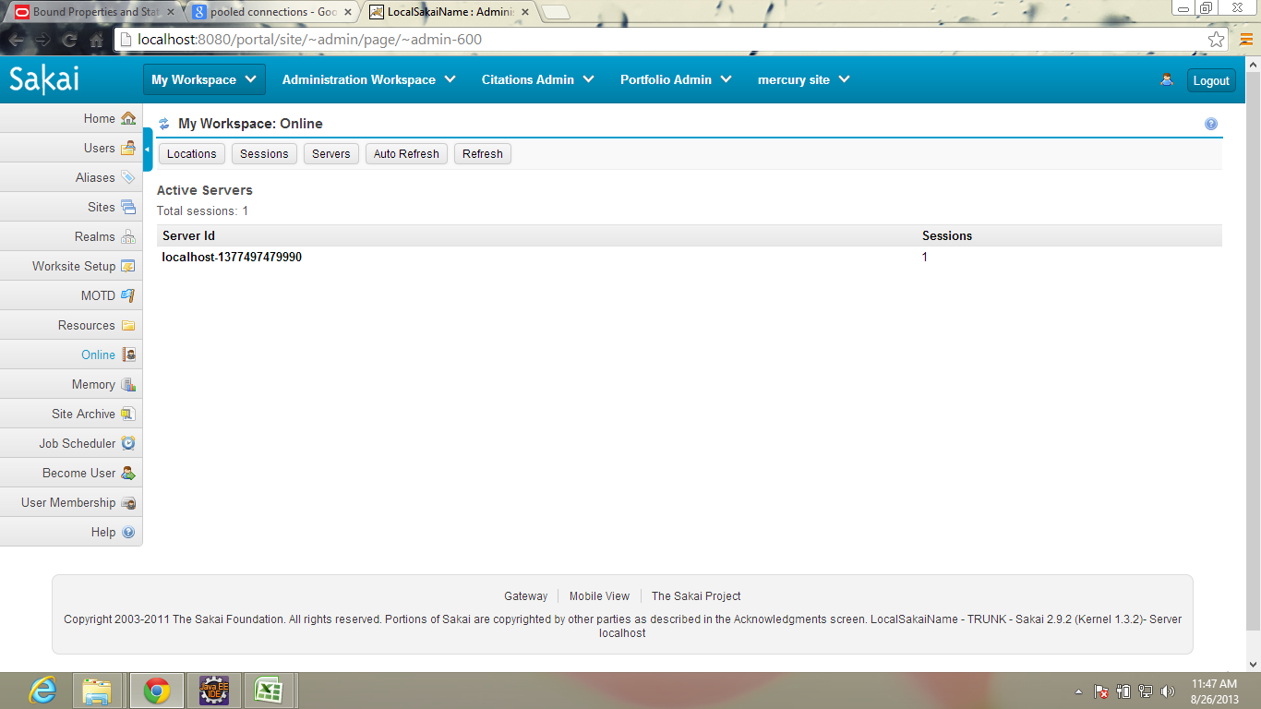
Package | org.sakaiproject.presence.api
class name | method name | Description
PresenceService |  | It keeps track of a session's presence at various locations in the system
 | String presenceReference(String id) | It form a presence reference from a location id
 | String locationId(String site, String page, String tool) | Construct a location id from site, page, and tool
 | void setPresence(String locationId) | Establish or refresh the presence of the current session in a location
 | void setPresence(String locationId, int timeout) | Establish or refresh the presence of the current session in a location with timeout
 | void removePresence(String locationId) | Remove the presence of the current session from a location
 | void removeSessionPresence(String sessionId) | Remove presence in all locations for the given session
 | List<UsageSession> getPresence(String locationId) | Access a List of sessions
 | List<User> getPresentUsers(String locationId) | Access a List of users
 | List<User> getPresentUsers(String locationId, String siteId) | Access a List of users in the site
 | List<String> getLocations() | Access a List of all location ids
 | int getTimeout() | Access the time (in seconds) after which a presence will timeout

BasePresenceService |  | It implements all presence service and its storage model
 | protected abstract Storage newStorage() | It allocate a new storage for a session

SessionManager |  | keeps track of Sakai-wide and Tool placement specific user sessions
 | Session getSession(String sessionId) | It gets the session with this session id
 | String makeSessionId(HttpServletRequest req, Principal principal); | It is used to generate a session id
 | int getActiveUserCount(int secs) | get all current sessions
 | Session startSession() | This method is called when start the new session
 | Session startSession(String id) | this method is used to start the session with this id
 | Session getCurrentSession() | Access the session associated with the current request or processing thread
 | String getCurrentSessionUserId() | Access the current session's user id, or return null if there is no current session
 | ToolSession | It is used to locate the tool specific location
 | int getActiveUserCount(int secs) | It is used to count the active users

UsageSessionService |  | It is used to keeptrack of usage sessions
 | UsageSession startSession(String userId, String remoteAddress, String userAgent) | Establish a usage session associated with the current request or thread
 | UsageSession getSession() | Access the usage session associated with the current request
 | String getSessionId() | Access the session id from the usage session associated with the current request or thread
 | SessionState getSessionState(String key) | Access a SessionState object with the given key associated with the current usage session

UserDirectoryService |  | It deals with end user modelling

EventTrackingService |  | The event tracking service provides activity event tracking and monitoring.

 | String presenceReference(String id) | It form a presence reference based on the location id
 | protected String presenceId(String ref) | It
 | void removePresence(String locationId) | Remove the presence of the current session from a location
 | void removeSessionPresence(String sessionId) | Remove presence in all locations for the given session
 | List<UsageSession> getPresence(String locationId) | Access a List of sessions
 | List<User> getPresentUsers(String locationId) | Access a List of users
 | List<User> getPresentUsers(String locationId, String siteId) | Access a List of users in the site
 | List<String> getLocations() | Access a List of all location ids
 | int getTimeout() | Access the time (in seconds) after which a presence will timeout

Storage |  | It is an interface,it maintains the storage class

ClusterPresenceService |  | It keepstrack of presence for a cluster of sakai app server
 | protected Storage newStorage() | It allocate a new storage object
 | SqlService | provides access to pooled Connections to Sql databases
 | public void setAutoDdl(String value) | It is used to set the ddl on the cluster
 | ClusterStorage | It is a class for the storage purpose
 | void setPresence(String sessionId, String locationId) | Add this session id's presence at this location
 | public void removePresence(String sessionId, String locationId) | It is used to remove the presence of the session
 | List<UsageSession> getSessions(String locationId) | Access the List of UsageSessions present at this location
 | public List<String> getLocations() | It get the location of the sakai presence

PresenceTool |  | It is a class,it is used to represent the auto update of users presence
 | protected void doGet(HttpServletRequest req, HttpServletResponse res) | It respond to the requests
 | protected void endResponse(PrintWriter out) | IT is used to end the response
 | public String getServletInfo() | It is used to access the servlet information

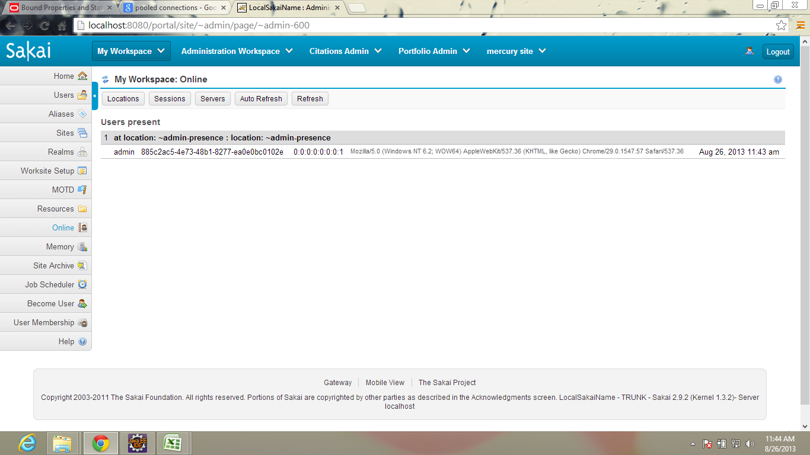
PresenceToolAction |  | PresenceToolAction is the presence display tool showing everyone everywhere. | doLocation()
 | protected void initState(SessionState state, VelocityPortlet portlet, JetspeedRunData rundata) | It populate the state object
 | public void doLocations(RunData data, Context context) | It will switch to the location mode to find out the users
 | public void doSessions(RunData data, Context context) | It will switch to the sessions mode
 | public void doServers(RunData data, Context context) | It represents the server mode
 | public void doRefresh(RunData data, Context context) | The action for when the user want's an update

PresenceObservingCourier |  | EventObservingCourier which watches for only presence service events at a particular location, and delivers a direct refresh delivery
 | public PresenceObservingCourier(String location) | It watches presence changes at the specified location, and sends the notifications to the same location
 | public PresenceObservingCourier(String location, String elementId) | It watches presence changes at the window, and sends the notifications to the same location
 | public PresenceObservingCourier(String location, String elementId, String watchLocation) | This variant watches changes in one window (watchLocation) and sends the notifications to a different window
 | public void update(Observable o, Object arg) | This method is called whenever the observed object is changed

 | dosession() | do server()
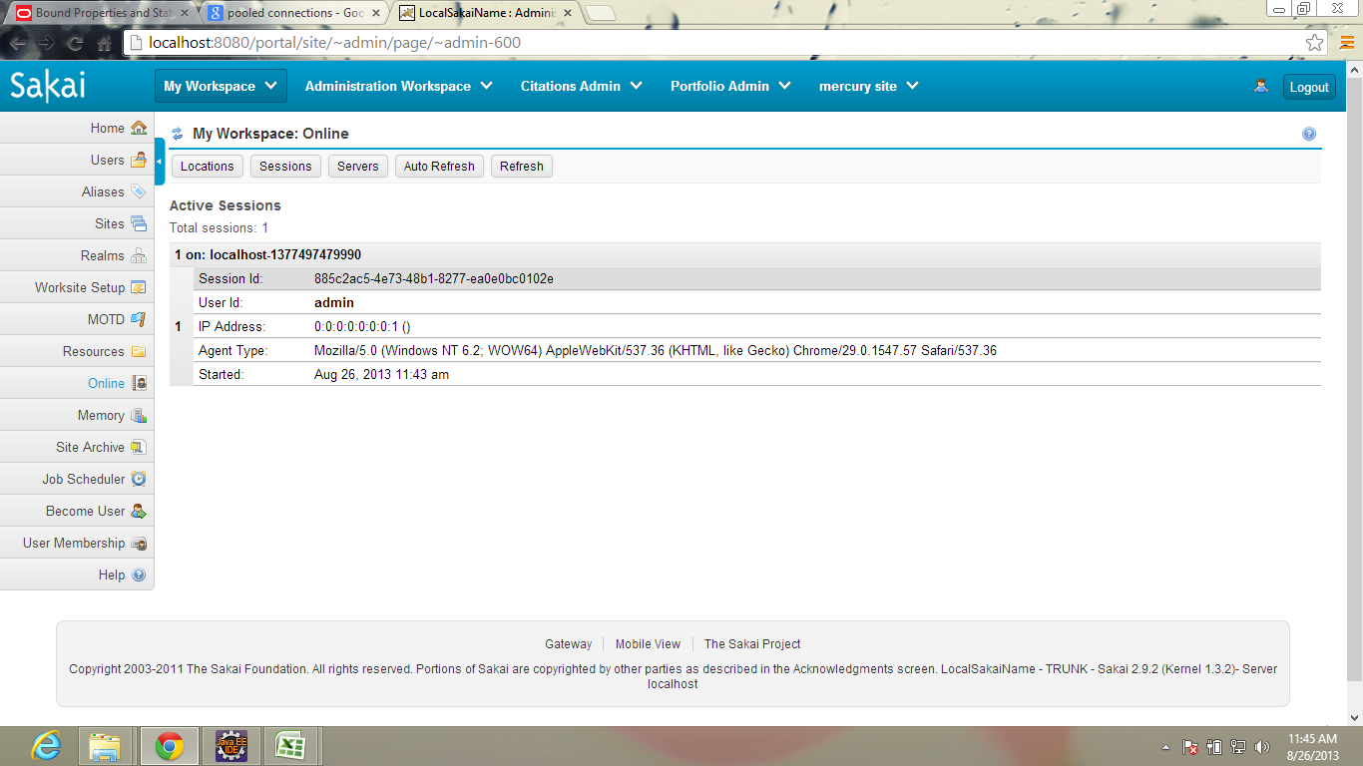
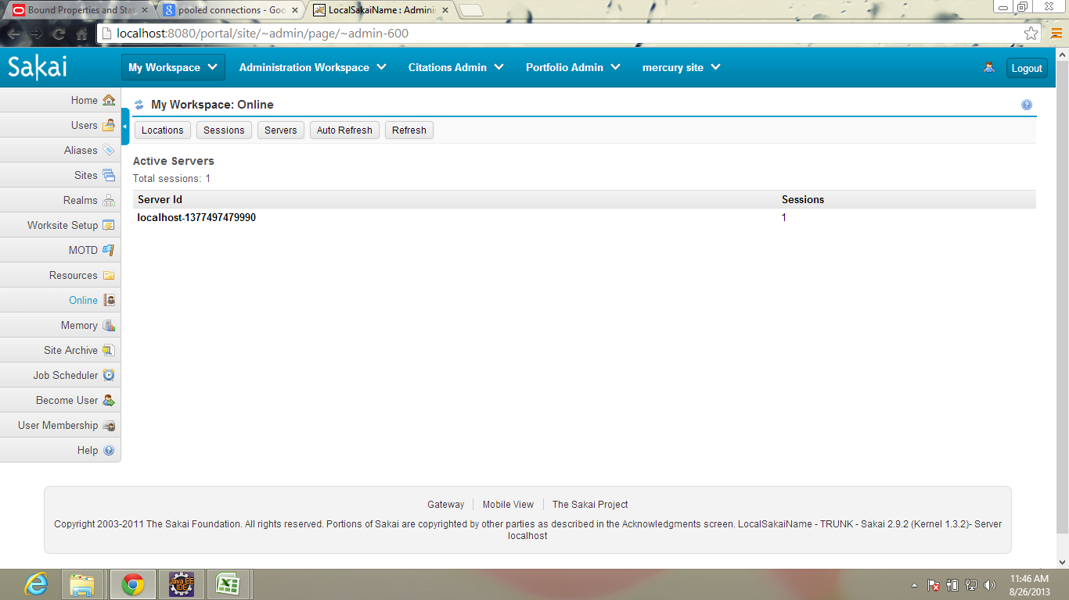

 | dorefresh()

