Sheet1
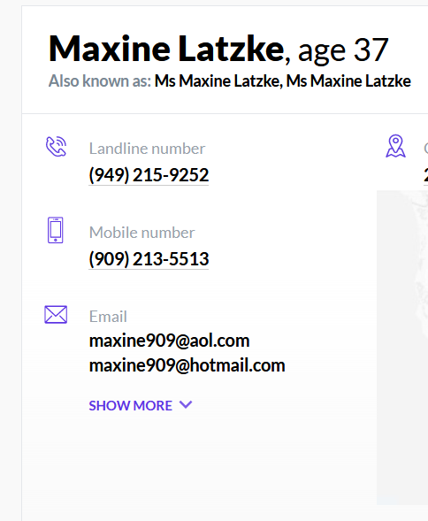
Step | Task | Effort in hours
1 | Request login link using email via automation without manual trigger | 1
2 | Scan email for the login link, parse login url from email | 2
3 | Use step#2 url to login which generates token. See image1 | 1
4 | Search based on Address which brings person who was living on this address. Image2 & 3 | 1.5 | Image 1
5 | Click on person name which brings personal information see image 4 | 0.5
6 | Scrape Personal information | 3
7 | Desing database table to store personal information | 1
8 | Write code to store scrapped personal information into db table designed #7 (validation checks to see if we have the address already to avoid duplication) | 1.5
9 | Design and build API to retrive profile information | 2
10 | Deploy solution to AWS cloud | Free

 | Total Effort | 13.5

 | Cost ($45/hour) | 607.5

 |  |  | image 2

 |  |  | image 3

 |  |  | image 4

