Summary
Category | Count
Passed | 33
Failed | 1
Skipped | 0
Total | 34
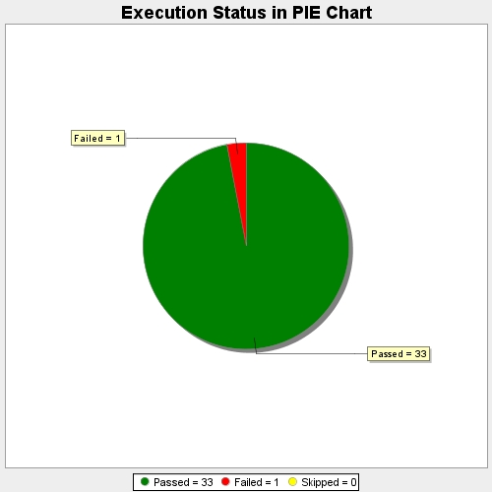
Start Time | 2018-12-10T11:01:53Z
End Time | 2018-12-10T11:30:43Z
Duration | 1730073 ms

