HOME
OPENCART
OS:GOOGLE CHROME |  |  |  |  | DATE:19/11/2024
VERIFIED BY: |  |  |  |  | TESTED BY:DEEPAK B
BUG ID | EXPECTED RESULT | BUG DISCRIPTION | STEPS TO REPORODUCE | SCREENSHOT | SEVERITY | PRIORITY | STATUS
OPNCRT_HOME_01 | PHONE NUMBER SHOULD BE VALID | PHONE NUMBER ON HEADER IS INVALID | 1.OPEN https://demo.opencart.com/ 2.CHECK PHONE NUMBER | 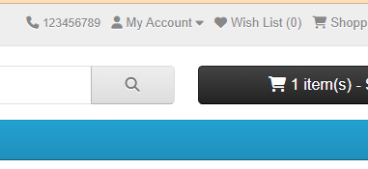 | MAJOR | MEDIUM | NEW
OPNCRT_HOME_02 | LOGO,ALL THE FIELDS,LABELS AND BUTTONS MUST BE PRESENT AND ALIGNED AS PER THE SRS DOCUMENT | ALLIGNMENT IS NOT CORRECT | 1.OPEN https://demo.opencart.com/ 2.CHECK ALLIGNMENT | 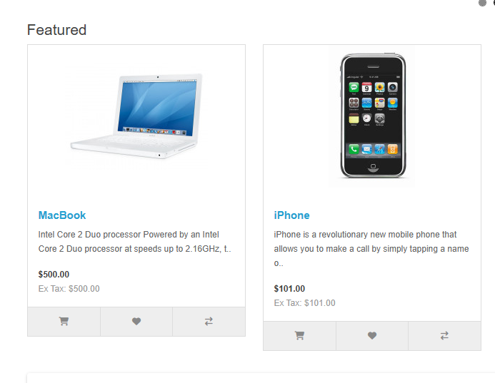 | MAJOR | HIGH | NEW
OPNCRT_HOME_03 | SHOULD SHOW THE PRODUCT ON PRODUCT COMPARISON PAGE | NOT SHOWING PRODUCT COMPARISON PAGE | 1.OPEN https://demo.opencart.com/ 2.CLICK ON COMPARE THIS PRODUCT | 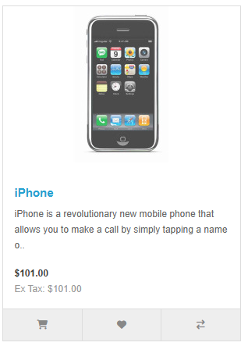 | MAJOR | HIGH | NEW
OPNCRT_HOME_04 | SHOULD REDIRECT TO TERMS AND CONDITION PAGE AND SHOW TERMS AND CONDITIONS | REDIRECTING TO TERMS AND CONDITION PAGE BUT NOT SHOWING TERMS AND CONDITIONS | 1.OPEN https://demo.opencart.com/ 2.GO TO FOOTER 3.CLICK ON TERMS AND CONDITION UNDER INFORMATION | 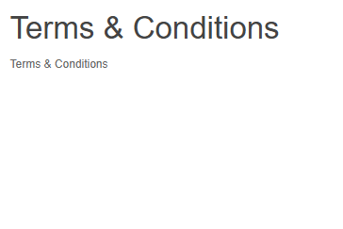 | MAJOR | HIGH | NEW
OPNCRT_HOME_05 | SHOULD REDIRECT TO DELIVERY INFORMATOION PAGE AND SHOW DELIVERY INFORMATION | REDIRECTING TO DELVERY INFORMATION PAGE BUT NOT SHOWING DELIVERY INFORMATION | 1.OPEN https://demo.opencart.com/ 2.GO TO FOOTER 3.CLICK ON DELICVERY INFORMATION UNDER INFORMATION | 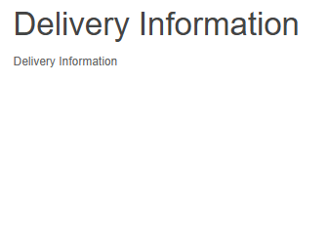 | MINOR | HIGH | NEW
OPNCRT_HOME_06 | SHOULD REDIRECT TO ABOUT US PAGE AND SHOW COMPANY DETAILS | REDIRECTING TO ABOUT US PAGE BUT NOT SHOWING ANY INFORMATION | 1.OPEN https://demo.opencart.com/ 2.GO TO FOOTER 3.CLICK ON ABOUT US UNDER INFORMATION |  | MINOR | LOW | NEW
OPNCRT_HOME_07 | SHOULD REDIRECT TO PRIVACY POLICY PAGE AND SHOW THE DETAILS | REDIRECTING TO PRIVACY POLICY PAGE BUT NOT SHOWING ANY INFORMATION | 1.OPEN https://demo.opencart.com/ 2.GO TO FOOTER 3.CLICK ON PRIVACY AND POLICY UNDER INFORMATION | 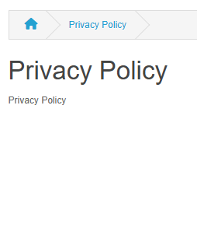 | MINOR | LOW | NEW
OPNCRT_HOME_08 | SHOULD REDIRECT TO CONTACT U PAGE AND SHOW CONTACT DTAILS | REDIRECTING TO CONTACT US PAGE BUT NOT SHOWING VALID INFORMATION | 1.OPEN https://demo.opencart.com/ 2.GO TO FOOTER 3.CLICK ON CONTACT US UNDER CUSTOMER SERVICE | 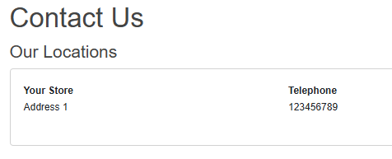 | MAJOR | HIGH | NEW
OPNCRT_HOME_09 | SHOULD OPEN DESKTOPS PAGE | NOT OPENING DESKTOP PAGE | 1.OPEN https://demo.opencart.com/ 2.CLCIK ON DESKTOP TAB |  | LOW | MEDIUM | NEW
OPNCRT_HOME_10 | LOGO,ALL THE FIELDS,LABELS AND BUTTONS MUST BE PRESENT AND ALIGNED AS PER THE SRS DOCUMENT | LOGO,ALL THE FIELDS,LABELS AND BUTTONS ARE PRESNT AND NOT ALIGNED AS PER THE SRS DOCUMENT | 1.OPEN https://demo.opencart.com/ 2.CLCIK ON DESKTOP TAB 3.CLCIK ON SHOW ALL DESKTOPS | 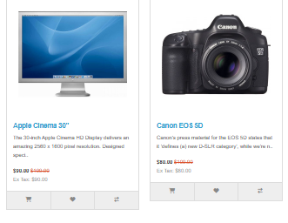 | MAJOR | HIGH | NEW
OPNCRT_HOME_11 | SHOULD OPEN LAPTOPS AND NOTEBOOKS PAGE | NOT OPENING LAPTOP AND NOTEBOKKS PAGE | 1.OPEN https://demo.opencart.com/ 2.CLCIK ON LAPTOP AND NOTEBOOKS TAB |  | LOW | MEDIUM | NEW
OPNCRT_HOME_12 | LOGO,ALL THE FIELDS,LABELS AND BUTTONS MUST BE PRESENT AND ALIGNED AS PER THE SRS DOCUMENT | LOGO,ALL THE FIELDS,LABELS AND BUTTONS ARE PRESNT AND NOT ALIGNED AS PER THE SRS DOCUMENT | 1.OPEN https://demo.opencart.com/ 2.CLCIK ON DESKTOP TAB 3.CLCIK ON SHOW ALL DESKTOPS | 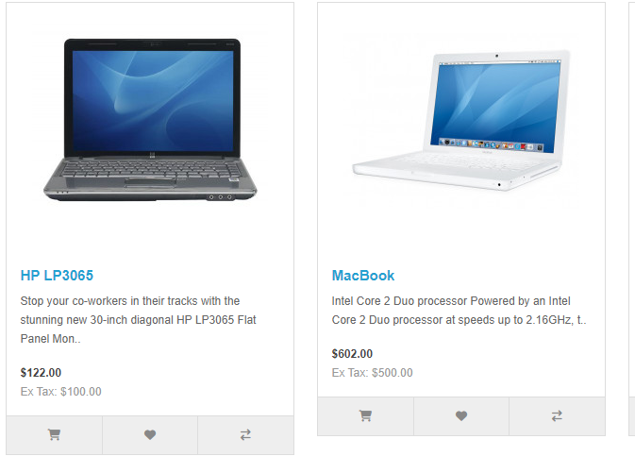 | MAJOR | HIGH | NEW
OPNCRT_HOME_13 | SHOULD OPEN COMPONENTS PAGE | NOT OPENING COMPONENTS PAGE | 1.OPEN https://demo.opencart.com/ 2.CLCIK ON DESKTOP TAB 3.CLCIK ON SHOW ALL DESKTOPS 4.CLICK COMPONENTS | 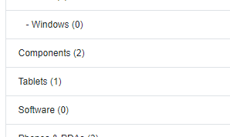 | MAJOR | HIGH | NEW
OPNCRT_HOME_14 | SHOULD SOW TYPES OF TABLETS | NOT SHOWING TYPES OF TABLETS | 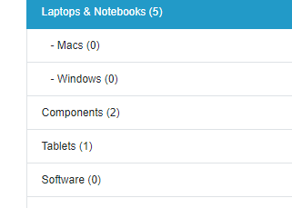 1.OPEN https://demo.opencart.com/ 2.CLCIK ON DESKTOP TAB 3.CLCIK ON SHOW ALL DESKTOPS 4.CLICK ON TABLETS |  | MAJOR | HIGH | NEW
OPNCRT_HOME_15 | SHOULD SHOW TYPES OF SOFTWARE | NOT SHOWING TYPES OF SOFTWARE | 1.OPEN https://demo.opencart.com/ 2.CLCIK ON DESKTOP TAB 3.CLCIK ON SHOW ALL DESKTOPS 4.CLICK ON TABLETS |  | MAJOR | HIGH | NEW
OPNCRT_HOME_16 | SHOULD SHOW TYPES OF PHONES AND PDAS | NOT SHOWING TYPES OF PHONES AND PDAS | 1.OPEN https://demo.opencart.com/ 2.CLCIK ON DESKTOP TAB 3.CLCIK ON SHOW ALL DESKTOPS 4.CLICK ON PHONES & PDAs | 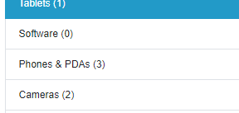 | MAJOR | HIGH | NEW
OPNCRT_HOME_17 | SHOULD SHOW TYPES OF CAMERAS | NOT SHOWING TYPES OF CAMERAS | 1.OPEN https://demo.opencart.com/ 2.CLCIK ON DESKTOP TAB 3.CLCIK ON SHOW ALL DESKTOPS 4.CLICK ON CAMERAS | 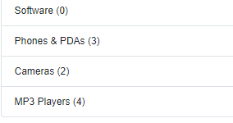 | MAJOR | HIGH | NEW
OPNCRT_HOME_18 | SHOULD SHOW TYPES OF MP3 PLAYERS | SHOWING LIST OF MP3 PLAYERS BUT NAME AND PICTURES ARE SHOWING INCORRECTLY | 1.OPEN https://demo.opencart.com/ 2.CLCIK ON DESKTOP TAB 3.CLCIK ON SHOW ALL DESKTOPS 4.CLICK ON MP3 PLAYERS | 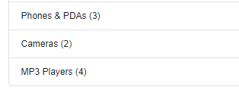 | MAJOR | HIGH | NEW
OPNCRT_HOME_19 | SHOULD SHOW VALID PHONE NUMBER | NOT SHOWING VALID PHONE NUMBER | 1.OPEN https://demo.opencart.com/ 2.CHECK PHONE NUMBER IN HEADER |  | MAJOR | HIGH | NEW
OPNCRT_HOME_20 | ALL THE SPECIFIED FIELDS MUST BE PRESENT IN THE REGISTRATION PAGE | EMAIL' CHECK AVAILABILITY BUTTON NOT AVAILABLE |  | 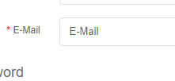 | MAJOR | HIGH | NEW
OPNCRT_HOME_21 | MUST SHOW ERROR MESSAGE AFTER ENTER BLANK SPACE IN FIRST NAME FIELD AND GO TO NEXT FIELD | NOT SHOWING ERROR MESSAGE | 1.OPEN https://demo.opencart.com/ 2.CLICK ON MY ACCOUNT TAB 3.CLICK ON REGISTER FORM 4.CLICK ON FIRST NAME FIELD |  | MEDIUM | HIGH | NEW
OPNCRT_HOME_22 | MUST SHOW ERROR MESSAGE AFTER ENTER NUMBERS IN FIRST NAME FIELD AND GO TO NEXT FIELD | NOT SHOWING ERROR MESSAGE | 1.OPEN https://demo.opencart.com/ 2.CLICK ON MY ACCOUNT TAB 3.CLICK ON REGISTER FORM 4.CLICK ON FIRST NAME FIELD 5.ENTER ONLY NUMBER |  | MEDIUM | HIGH | NEW
OPNCRT_HOME_23 | MUST SHOW ERROR MESSAGE AFTER ENTER SPECIAL CHARECTER IN FIRST NAME FIELD AND GO TO NEXT FIELD | NOT SHOWING ERROR MESSAGE | 1.OPEN https://demo.opencart.com/ 2.CLICK ON MY ACCOUNT TAB 3.CLICK ON REGISTER FORM 4.CLICK ON FIRST NAME FIELD 5.ENTER SPECIAL CHARECTOTERS |  | MEDIUM | HIGH | NEW
OPNCRT_HOME_24 | MUST SHOW ERROR MESSAGE AFTER ENTER NUMBERS IN SECOND NAME FIELD AND GO TO NEXT FIELD | NOT SHOWING ERROR MESSAGE | 1.OPEN https://demo.opencart.com/ 2.CLICK ON MY ACCOUNT TAB 3.CLICK ON REGISTER FORM 4.CLICK ON LAST NAME FIELD 5.ENTER ONLY NUMBERS |  | MEDIUM | HIGH | NEW
OPNCRT_HOME_25 | MUST SHOW ERROR MESSAGE AFTER ENTER SPECIAL CHARECTER IN SECOND NAME FIELD AND GO TO NEXT FIELD | NOT SHOWING ERROR MESSAGE | 1.OPEN https://demo.opencart.com/ 2.CLICK ON MY ACCOUNT TAB 3.CLICK ON REGISTER FORM 4.CLICK ON LAST NAME FIELD 5.ENTER SPECIAL CHARECTOR |  | MEDIUM | HIGH | NEW
OPNCRT_HOME_26 | MUST SHOW ERROR MESSAGE AFTER ENTER BLANK SPACE IN SECOND NAME FIELD AND GO TO NEXT FIELD | NOT SHOWING ERROR MESSAGE | 1.OPEN https://demo.opencart.com/ 2.CLICK ON MY ACCOUNT TAB 3.CLICK ON REGISTER FORM 4.CLICK ON LAST NAME FIELD 5.ENTER ONLY SPACE |  | MEDIUM | HIGH | NEW
OPNCRT_HOME_27 | MUST SHOW ERROR MESSAGE AFTER ENTER ONLY NUMBER AND GO TO NEXT FIELD | NOT SHOWING ERROR MESSAGE | 1.OPEN https://demo.opencart.com/ 2.CLICK ON MY ACCOUNT TAB 3.CLICK ON REGISTER FORM 4.CLICK ON EMAIL FIELD 5.ENTER ONLY NUMBERS |  | MEDIUM | HIGH | NEW
OPNCRT_HOME_28 | MUST SHOW ERROR MESSAGE AFTER ENTER SPECIAL CHARACTERS AND GO TO NEXT FIELD | NOT SHOWING ERROR MESSAGE | 1.OPEN https://demo.opencart.com/ 2.CLICK ON MY ACCOUNT TAB 3.CLICK ON REGISTER FORM 4.CLICK ON EMAIL FIELD 5.ENTER SPECIAL CHARECTERS |  | MEDIUM | HIGH | NEW
OPNCRT_HOME_29 | ENTER REGISTERED EMAIL ID AND CLICK ON CONTINUE MUST SHOW CONFIRM MESSAGE SEND PASSWORD RESET EMAIL HAS TO BE SEND TO EMAIL ID | NOT SENDING PASSWORD RESET EMAIL TO MAIL ID | 1.OPEN https://demo.opencart.com/ 2.CLICK ON MY ACCOUNT TAB 3.CLICK ON LOGIN 4.CLICK ON FORGOT PASSWORD 5. |  | MAJOR | HIGH | NEW

MY ACCOUNT
OPENCART
OS:GOOGLE CHROME |  |  |  |  | DATE:19/11/2024
VERIFIED BY: |  |  |  |  | TESTED BY:DEEPAK B
BUG ID | EXPECTED RESULT | BUG DISCRIPTION | STEPS TO REPORODUCE | SCREENSHOT | SEVERITY | PRIORITY | STATUS
OPNCRT_MYACC_1 | ENTER BLANK SPACE AND GO TO NEXT FIELD MUST SHOW ERROR MESSAGE | NOT SHOWING ERROR MESSAGE | 1.LOG IN 2.GO TO EDIT ACCOUNT 3.CLICK ON FIRST NAME |  | MEDIUM | HIGH | NEW
OPNCRT_MYACC_2 | ENTER ONLY NUMBER AND GO TO NEXT FIELD MUST SHOW WARNING MESSAGE | NOT SHOWING ERROR MESSAGE | 1.LOG IN 2.GO TO EDIT ACCOUNT 3.CLICK ON FIRST NAME |  | MEDIUM | HIGH | NEW
OPNCRT_MYACC_3 | ENTER SPECIAL CHARECTERS AND GO TO NEXT FIELD MUST SHOW WARNING MESSAGE | NOT SHOWING ERROR MESSAGE | 1.LOG IN 2.GO TO EDIT ACCOUNT 3.CLICK ON FIRST NAME |  | MEDIUM | HIGH | NEW
OPNCRT_MYACC_4 | ENTER BLANK SPACE AND GO TO NEXT FIELD MUST SHOW ERROR MESSAGE | NOT SHOWING ERROR MESSAGE | 1.LOG IN 2.GO TO EDIT ACCOUNT 3.CLICK ON LAST NAME |  | MEDIUM | HIGH | NEW
OPNCRT_MYACC_5 | ENTER ONLY NUMBER AND GO TO NEXT FIELD MUST SHOW WARNING MESSAGE | NOT SHOWING ERROR MESSAGE | 1.LOG IN 2.GO TO EDIT ACCOUNT 3.CLICK ON LAST NAME |  | MEDIUM | HIGH | NEW
OPNCRT_MYACC_6 | ENTER SPECIAL CHARECTERS AND GO TO NEXT FIELD MUST SHOW WARNING MESSAGE | NOT SHOWING ERROR MESSAGE | 1.LOG IN 2.GO TO EDIT ACCOUNT 3.CLICK ON LAST NAME |  | MEDIUM | HIGH | NEW
OPNCRT_MYACC_7 | MUST SHOW CHECKING AVAILABILITY MESSAGE ON EMAIL FIELD | CHECK AVAILABILITY BUTTON IS NOT PRESENT | 1.LOG IN 2.GO TO EDIT ACCOUNT 3.CLICK ON EMAIL |  | MEDIUM | MEDIUM | NEW
OPNCRT_MYACC_8 | MUST ARRANGE WORD CORRECTLY IN CONFIRM PASSWROD FIELD | NOT SHOWING AS EXPECTED,SHOWING PASSWORD CONFIRM INSTEAD OF CONFIRM PASSWORD | 1.LOG IN 2.GO TO MY ACCOUNT 3.CLICK ON CHANGE PASSWORD |  | LOW | LOW | NEW
OPNCRT_MYACC_9 | ENTER BLANK SPACE AND GO TO NEXT FIELD MUST SHOW ERROR MESSAGE | NOT SHOWING ERROR MESSAGE | 1.LOG IN 2.GO TO MY ACCOUNT 3.CLICK ON ADDRESS BOOK 4.CLICK ON NEW ADDRESS 5.CLICK ON FIRST NAME |  | MEDIUM | HIGH | NEW
OPNCRT_MYACC_10 | ENTER ONLY NUMBER AND GO TO NEXT FIELD MUST SHOW WARNING MESSAGE | NOT SHOWING ERROR MESSAGE | 1.LOG IN 2.GO TO MY ACCOUNT 3.CLICK ON ADDRESS BOOK 4.CLICK ON NEW ADDRESS 5.CLICK ON FIRST NAME |  | MEDIUM | HIGH | NEW
OPNCRT_MYACC_11 | ENTER SPECIAL CHARECTERS AND GO TO NEXT FIELD MUST SHOW WARNING MESSAGE | NOT SHOWING ERROR MESSAGE | 1.LOG IN 2.GO TO MY ACCOUNT 3.CLICK ON ADDRESS BOOK 4.CLICK ON NEW ADDRESS 5.CLICK ON FIRST NAME |  | MEDIUM | MEDIUM | NEW
OPNCRT_MYACC_12 | ENTER BLANK SPACE AND GO TO NEXT FIELD MUST SHOW ERROR MESSAGE | NOT SHOWING ERROR MESSAGE | 1.LOG IN 2.GO TO MY ACCOUNT 3.CLICK ON ADDRESS BOOK 4.CLICK ON NEW ADDRESS 5.CLICK ON LAST NAME |  | MEDIUM | HIGH | NEW
OPNCRT_MYACC_13 | ENTER ONLY NUMBER AND GO TO NEXT FIELD MUST SHOW WARNING MESSAGE | NOT SHOWING ERROR MESSAGE | 1.LOG IN 2.GO TO MY ACCOUNT 3.CLICK ON ADDRESS BOOK 4.CLICK ON NEW ADDRESS 5.CLICK ON LAST NAME |  | MEDIUM | HIGH | NEW
OPNCRT_MYACC_14 | ENTER SPECIAL CHARECTERS AND GO TO NEXT FIELD MUST SHOW WARNING MESSAGE | NOT SHOWING ERROR MESSAGE | 1.LOG IN 2.GO TO MY ACCOUNT 3.CLICK ON ADDRESS BOOK 4.CLICK ON NEW ADDRESS 5.CLICK ON LAST NAME |  | MEDIUM | MEDIUM | NEW
OPNCRT_MYACC_15 | ENTER ONLY NUMBER AND GO TO NEXT FIELD MUST SHOW WARNING MESSAGE | NOT SHOWING ERROR MESSAGE | 1.LOG IN 2.GO TO MY ACCOUNT 3.CLICK ON ADDRESS BOOK 4.CLICK ON NEW ADDRESS 5.CLICK ON ADDRESS 1 |  | MEDIUM | HIGH | NEW
OPNCRT_MYACC_16 | ENTER SPECIAL CHARECTERS AND GO TO NEXT FIELD MUST SHOW WARNING MESSAGE | NOT SHOWING ERROR MESSAGE | 1.LOG IN 2.GO TO MY ACCOUNT 3.CLICK ON ADDRESS BOOK 4.CLICK ON NEW ADDRESS 5.CLICK ON ADDRESS 1 |  | MEDIUM | MEDIUM | NEW
OPNCRT_MYACC_17 | ENTER ONLY NUMBER AND GO TO NEXT FIELD MUST SHOW WARNING MESSAGE | NOT SHOWING ERROR MESSAGE | 1.LOG IN 2.GO TO MY ACCOUNT 3.CLICK ON ADDRESS BOOK 4.CLICK ON NEW ADDRESS 5.CLICK ON ADDRESS 2 |  | MEDIUM | HIGH | NEW
OPNCRT_MYACC_18 | ENTER SPECIAL CHARECTERS AND GO TO NEXT FIELD MUST SHOW WARNING MESSAGE | NOT SHOWING ERROR MESSAGE | 1.LOG IN 2.GO TO MY ACCOUNT 3.CLICK ON ADDRESS BOOK 4.CLICK ON NEW ADDRESS 5.CLICK ON ADDRESS 2 |  | MEDIUM | MEDIUM | NEW
OPNCRT_MYACC_19 | ENTER ONLY NUMBER AND GO TO NEXT FIELD MUST SHOW WARNING MESSAGE | NOT SHOWING ERROR MESSAGE | 1.LOG IN 2.GO TO MY ACCOUNT 3.CLICK ON ADDRESS BOOK 4.CLICK ON NEW ADDRESS 5.CLICK ON CITY |  | MEDIUM | HIGH | NEW
OPNCRT_MYACC_20 | ENTER SPECIAL CHARECTERS AND GO TO NEXT FIELD MUST SHOW WARNING MESSAGE | NOT SHOWING ERROR MESSAGE | 1.LOG IN 2.GO TO MY ACCOUNT 3.CLICK ON ADDRESS BOOK 4.CLICK ON NEW ADDRESS 5.CLICK ON CITY |  | MEDIUM | MEDIUM | NEW
OPNCRT_MYACC_21 | ENTER POST CODE NOT ACCORDING TO COUNRTY MUST SHOW EORROR MESSAGE | NOT SHOWING ERROR MESSAGE | 1.LOG IN 2.GO TO MY ACCOUNT 3.CLICK ON ADDRESS BOOK 4.CLICK ON NEW ADDRESS 5.CLICK ON POST CODE |  | MAJOR | HIGH | NEW
OPNCRT_MYACC_22 | ENTER BLANK SPACE AND GO TO NEXT FIELD MUST SHOW ERROR MESSAGE | NOT SHOWING ERROR MESSAGE | 1.LOG IN 2.GO TO MY ACCOUNT 3.CLICK ON ADDRESS BOOK 4.CLICK ON EDIT 5.CLICK ON FIRST NAME |  | MEDIUM | HIGH | NEW
OPNCRT_MYACC_23 | ENTER ONLY NUMBER AND GO TO NEXT FIELD MUST SHOW WARNING MESSAGE | NOT SHOWING ERROR MESSAGE | 1.LOG IN 2.GO TO MY ACCOUNT 3.CLICK ON ADDRESS BOOK 4.CLICK ON EDIT 5.CLICK ON FIRST NAME |  | MEDIUM | HIGH | NEW
OPNCRT_MYACC_24 | ENTER SPECIAL CHARECTERS AND GO TO NEXT FIELD MUST SHOW WARNING MESSAGE | NOT SHOWING ERROR MESSAGE | 1.LOG IN 2.GO TO MY ACCOUNT 3.CLICK ON ADDRESS BOOK 4.CLICK ON EDIT 5.CLICK ON FIRST NAME |  | MEDIUM | HIGH | NEW
OPNCRT_MYACC_25 | ENTER BLANK SPACE AND GO TO NEXT FIELD MUST SHOW ERROR MESSAGE | NOT SHOWING ERROR MESSAGE | 1.LOG IN 2.GO TO MY ACCOUNT 3.CLICK ON ADDRESS BOOK 4.CLICK ON EDIT 5.CLICK ON SECOND NAME |  | MEDIUM | HIGH | NEW
OPNCRT_MYACC_26 | ENTER ONLY NUMBER AND GO TO NEXT FIELD MUST SHOW WARNING MESSAGE | NOT SHOWING ERROR MESSAGE | 1.LOG IN 2.GO TO MY ACCOUNT 3.CLICK ON ADDRESS BOOK 4.CLICK ON EDIT 5.CLICK ON SECOND NAME |  | MEDIUM | HIGH | NEW
OPNCRT_MYACC_27 | ENTER SPECIAL CHARECTERS AND GO TO NEXT FIELD MUST SHOW WARNING MESSAGE | NOT SHOWING ERROR MESSAGE | 1.LOG IN 2.GO TO MY ACCOUNT 3.CLICK ON ADDRESS BOOK 4.CLICK ON EDIT 5.CLICK ON SECOND NAME |  | MEDIUM | HIGH | NEW
OPNCRT_MYACC_28 | ENTER ONLY NUMBER AND GO TO NEXT FIELD MUST SHOW WARNING MESSAGE | NOT SHOWING ERROR MESSAGE | 1.LOG IN 2.GO TO MY ACCOUNT 3.CLICK ON ADDRESS BOOK 4.CLICK ON EDIT 5.CLICK ON ADDRESS 1 |  | MEDIUM | HIGH | NEW
OPNCRT_MYACC_29 | ENTER SPECIAL CHARECTERS AND GO TO NEXT FIELD MUST SHOW WARNING MESSAGE | NOT SHOWING ERROR MESSAGE | 1.LOG IN 2.GO TO MY ACCOUNT 3.CLICK ON ADDRESS BOOK 4.CLICK ON EDIT 5.CLICK ON ADDRESS 1 |  | MEDIUM | MEDIUM | NEW
OPNCRT_MYACC_30 | ENTER ONLY NUMBER AND GO TO NEXT FIELD MUST SHOW WARNING MESSAGE | NOT SHOWING ERROR MESSAGE | 1.LOG IN 2.GO TO MY ACCOUNT 3.CLICK ON ADDRESS BOOK 4.CLICK ON EDIT 5.CLICK ON ADDRESS 2 |  | MEDIUM | HIGH | NEW
OPNCRT_MYACC_31 | ENTER SPECIAL CHARECTERS AND GO TO NEXT FIELD MUST SHOW WARNING MESSAGE | NOT SHOWING ERROR MESSAGE | 1.LOG IN 2.GO TO MY ACCOUNT 3.CLICK ON ADDRESS BOOK 4.CLICK ON EDIT 5.CLICK ON ADDRESS 2 |  | MEDIUM | MEDIUM | NEW
OPNCRT_MYACC_32 | ENTER ONLY NUMBER AND GO TO NEXT FIELD MUST SHOW WARNING MESSAGE | NOT SHOWING ERROR MESSAGE | 1.LOG IN 2.GO TO MY ACCOUNT 3.CLICK ON ADDRESS BOOK 4.CLICK ON EDIT 5.CLICK ON CITY |  | MEDIUM | HIGH | NEW
OPNCRT_MYACC_33 | ENTER SPECIAL CHARECTERS AND GO TO NEXT FIELD MUST SHOW WARNING MESSAGE | NOT SHOWING ERROR MESSAGE | 1.LOG IN 2.GO TO MY ACCOUNT 3.CLICK ON ADDRESS BOOK 4.CLICK ON EDIT 5.CLICK ON CITY |  | MEDIUM | MEDIUM | NEW
OPNCRT_MYACC_34 | ENTER POST CODE NOT ACCORDING TO COUNRTY MUST SHOW EORROR MESSAGE | NOT SHOWING ERROR MESSAGE | 1.LOG IN 2.GO TO MY ACCOUNT 3.CLICK ON ADDRESS BOOK 4.CLICK ON EDIT 5.CLICK ON POST CODE |  | MAJOR | HIGH | NEW

