BATS Automated Test Evidence
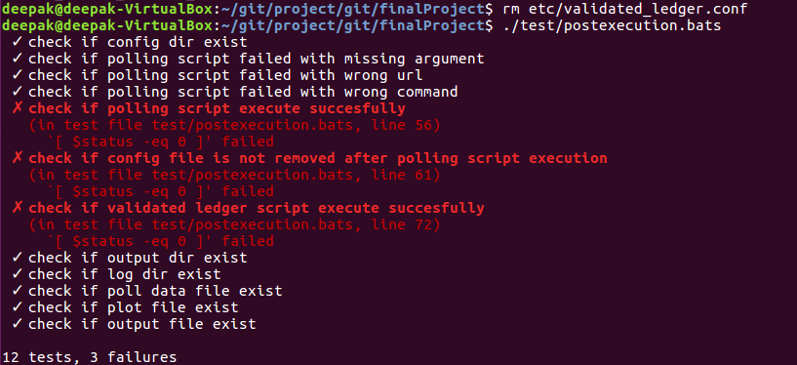
1.Preexecution & Postexecution Successful Result

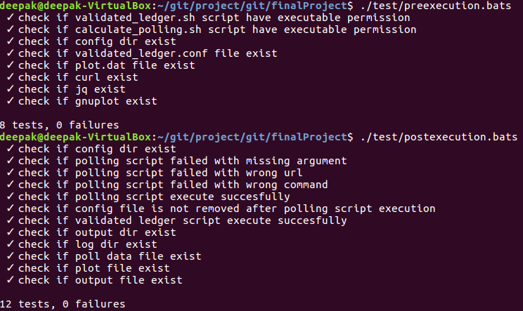

2.Preexecution Failure Result



3.Postexecution Failure Result

