📋 Overview
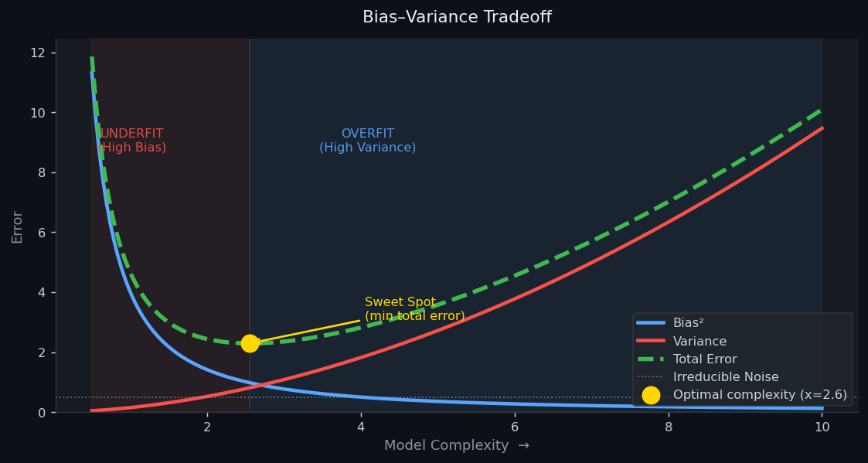
ML Programs — Detailed Guide with Charts
Programs: Linear Regression | Logistic Regression | Underfitting | Overfitting

SHEET | ALGORITHM | TASK TYPE | KEY CONCEPT
📈 Linear Regression | Linear Regression | Regression | y = β₀ + β₁x → minimise MSE → R² measures fit quality
🎯 Logistic Regression | Logistic Regression | Binary Classification | σ(z) squashes linear combo to probability → threshold at 0.5
📉 Underfitting | Polynomial (degree 1 vs 3) | Regression | High bias: too simple a model for a cubic pattern
🔥 Overfitting | Decision Tree (∞ vs depth-4) | Classification | High variance: unlimited tree memorises noise, fails on new data
📊 Bias-Variance | Theoretical framework | Core Concept | Total Error = Bias² + Variance + Noise — the central ML tradeoff

📈 Linear Regression
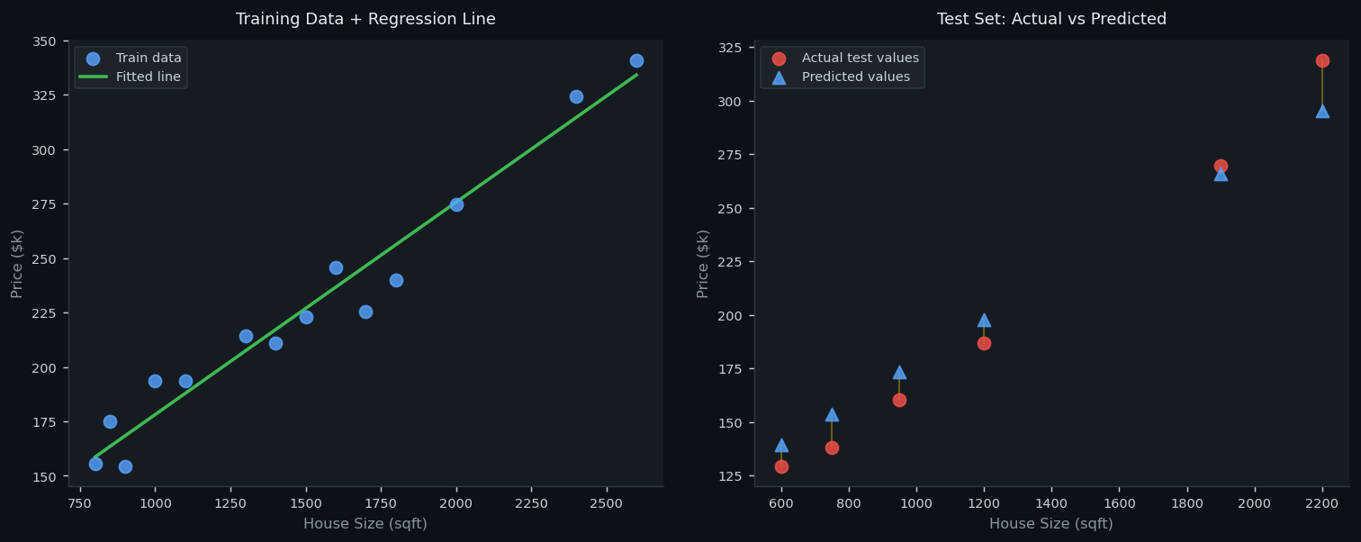
LINEAR REGRESSION — House Size → Price
WHAT: Fits the straight line y = β₀ + β₁·x that minimises sum of squared errors.
DATA: 20 houses. Feature X = size (sqft). Target y = price ($000s).
SPLIT: 70% training (14 houses) / 30% test (6 houses).
OUTPUT: Intercept β₀ (base price) + Coefficient β₁ (price increase per sqft).

MODEL EQUATION & METRICS |  |  | TRAINING DATA
Intercept β₀ | $80.70k | Base price when size = 0 (theoretical starting point) | Size (sqft) | Actual Price | Predicted | Residual
Coefficient β₁ | $0.0975k/sqft | Each extra sqft adds this much to the predicted price | 800 | 155.72 | 158.66 | -2.95
Equation | Price = 80.7 + 0.0975×Size | The full learned prediction formula | 850 | 174.85 | 163.54 | 11.31
R² — Train | 0.9604 | 1.0=perfect; value shows how much variance is explained | 900 | 154.49 | 168.41 | -13.92
R² — Test | 0.9595 | Should be close to Train R² (indicates no overfitting) | 1000 | 193.69 | 178.15 | 15.53
RMSE — Train | $10.77k | Average prediction error on training data | 1100 | 193.51 | 187.9 | 5.61
RMSE — Test | $14.11k | Average prediction error on unseen test data | 1300 | 214.14 | 207.39 | 6.75
Overfit? | NO — Train ≈ Test R² | Small gap between train/test confirms good generalisation | 1400 | 211.05 | 217.14 | -6.09
 |  |  | 1500 | 223.01 | 226.88 | -3.87
 |  |  | 1600 | 245.63 | 236.63 | 9
 |  |  | 1700 | 225.3 | 246.38 | -21.08
 |  |  | 1800 | 240.13 | 256.12 | -16
 |  |  | 2000 | 274.81 | 275.61 | -0.81
 |  |  | 2400 | 324.38 | 314.6 | 9.78
 |  |  | 2600 | 340.82 | 334.09 | 6.73

 |  |  | TEST DATA (unseen)
 |  |  | Size (sqft) | Actual Price | Predicted | Residual
 |  |  | 600 | 129.45 | 139.17 | -9.72
 |  |  | 750 | 137.93 | 153.79 | -15.86
 |  |  | 950 | 160.49 | 173.28 | -12.79
 |  |  | 1200 | 186.96 | 197.65 | -10.69
 |  |  | 1900 | 269.57 | 265.87 | 3.7
 |  |  | 2200 | 318.71 | 295.11 | 23.61

🎯 Logistic Regression
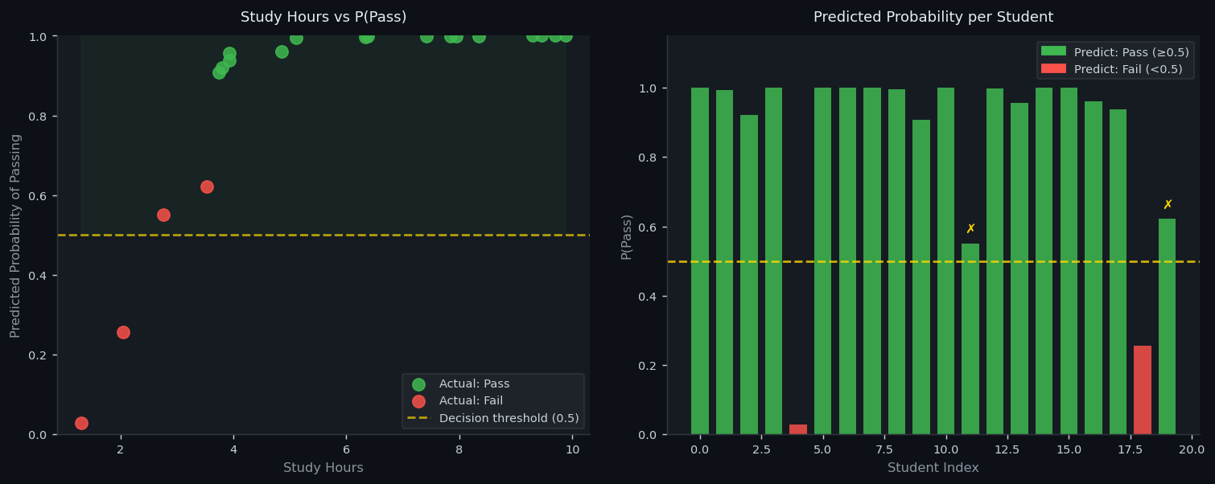
LOGISTIC REGRESSION — Exam Pass/Fail Predictor
WHAT: Models P(pass) = σ(β₀ + β₁·study + β₂·sleep) where σ is the sigmoid function.
DATA: 80 students. Features: study hours (1-10) + sleep hours (4-9). Label: pass=1 / fail=0.
SPLIT: 75% training (60 students) / 25% test (20 students).
OUTPUT: Probabilities for each student; threshold at 0.5 gives final Pass/Fail prediction.

MODEL COEFFICIENTS & METRICS |  |  | TEST PREDICTIONS (all 20 students)
Intercept β₀ | -8.9856 | Log-odds when study=0 and sleep=0 (baseline) | Study Hrs | Sleep Hrs | Actual | Predicted | P(Pass)
β₁ — Study hrs | 1.8567 | Each study hour increases log-odds of passing by this amount | 6.38 | 8.71 | Pass | Pass | 0.999
β₂ — Sleep hrs | 0.5400 | Each sleep hour contributes this to the log-odds of passing | 5.1 | 8.54 | Pass | Pass | 0.994
Train Accuracy | 96.7% | Fraction of training students correctly classified | 3.81 | 8.09 | Pass | Pass | 0.92
Test Accuracy | 90.0% | Fraction of test students correctly classified (key metric) | 9.3 | 5.62 | Pass | Pass | 1
Train-Test Gap | 6.7% | Small gap → no overfitting | 1.31 | 5.59 | Fail | Fail | 0.028
 |  |  | 9.46 | 4.6 | Pass | Pass | 1
 |  |  | 9.69 | 7.17 | Pass | Pass | 1
CONFUSION MATRIX (Test Set) |  |  | 7.94 | 7.23 | Pass | Pass | 1
 | Pred: FAIL | Pred: PASS | 6.33 | 5.14 | Pass | Pass | 0.996
Actual: FAIL | 2 | 2 | 3.74 | 8.02 | Pass | Pass | 0.908
Actual: PASS | 0 | 16 | 8.34 | 6.45 | Pass | Pass | 1
 |  |  | 2.76 | 7.52 | Fail | Pass | 0.551
 |  |  | 7.42 | 4.08 | Pass | Pass | 0.999
 |  |  | 3.93 | 8.86 | Pass | Pass | 0.957
 |  |  | 7.85 | 6.56 | Pass | Pass | 1
 |  |  | 9.88 | 5.39 | Pass | Pass | 1
 |  |  | 4.85 | 5.93 | Pass | Pass | 0.962
 |  |  | 3.93 | 8.18 | Pass | Pass | 0.938
 |  |  | 2.04 | 7.64 | Fail | Fail | 0.256
 |  |  | 3.53 | 5.42 | Fail | Pass | 0.621

📉 Underfitting
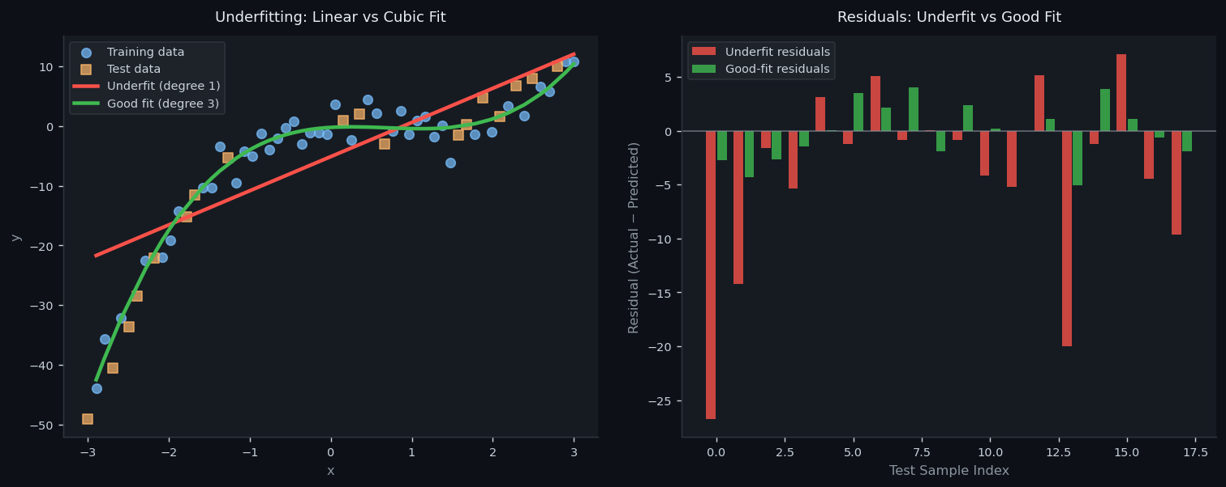
UNDERFITTING — Degree-1 Line on Cubic Data
WHAT: Underfitting occurs when the model is too simple to capture the true data pattern.
DATA: 60 points sampled from y = x³ − 2x² + x + noise. True shape is a CUBIC curve.
UNDERFIT: A straight line (degree-1 polynomial) cannot bend → high error everywhere.
GOOD FIT: Degree-3 polynomial can match the cubic curve → low error on both sets.

MODEL COMPARISON
Metric | Underfit (degree 1) | Good Fit (degree 3) | Difference | Interpretation
R² Train | 0.6549 | 0.9645 | +0.3096 | Both low → model cannot learn the pattern (HIGH BIAS)
R² Test | 0.6981 | 0.9769 | +0.2788 | Both low → confirms generalisation is also bad
RMSE Train | 6.779 | 2.1746 | +4.6044 | Both high → large errors on training data
RMSE Test | 9.498 | 2.627 | +6.8710 | Both high → large errors on new data too

CAUSES & FIXES
⚠ Cause | Model complexity (degree) is lower than the true data complexity
⚠ Cause | Both TRAIN and TEST errors are HIGH — cannot even learn training data
⚠ Cause | More data will NOT help — problem is model architecture, not data size
✓ Fix | Increase polynomial degree (1→3→5) until train error becomes acceptable
✓ Fix | Try a more expressive model family: neural network, decision tree, SVR
✓ Fix | Reduce regularisation strength if L1/L2 penalty is too strong

SAMPLE DATA — First 20 Training Points
x | y actual | Underfit pred | Good-fit pred | Underfit error
-2.898 | -43.881 | -21.671 | -42.453 | 22.21
-2.797 | -35.682 | -21.091 | -38.859 | 14.591
-2.593 | -32.109 | -19.93 | -32.286 | 12.179
-2.288 | -22.561 | -18.188 | -23.875 | 4.373
-2.085 | -21.993 | -17.028 | -19.162 | 4.965
-1.983 | -19.077 | -16.447 | -17.056 | 2.63
-1.881 | -14.26 | -15.867 | -15.108 | 1.607
-1.576 | -10.371 | -14.125 | -10.157 | 3.754
-1.475 | -10.333 | -13.545 | -8.784 | 3.212
-1.373 | -3.442 | -12.965 | -7.539 | 9.523
-1.169 | -9.555 | -11.804 | -5.41 | 2.249
-1.068 | -4.193 | -11.223 | -4.514 | 7.03
-0.966 | -5.058 | -10.643 | -3.722 | 5.585
-0.864 | -1.3 | -10.062 | -3.029 | 8.762
-0.763 | -3.955 | -9.482 | -2.427 | 5.527
-0.661 | -2.053 | -8.902 | -1.912 | 6.849
-0.559 | -0.35 | -8.321 | -1.477 | 7.971
-0.458 | 0.759 | -7.741 | -1.115 | 8.5
-0.356 | -3.055 | -7.16 | -0.822 | 4.105
-0.254 | -1.069 | -6.58 | -0.59 | 5.511

🔥 Overfitting
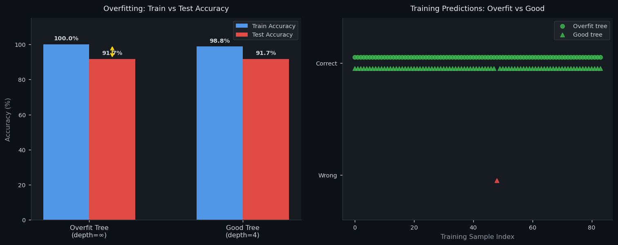
OVERFITTING — Decision Tree Spam Classifier
WHAT: Overfitting is when the model learns the training data TOO well — including its noise.
DATA: 120 emails. Features: word count, exclamation marks, caps ratio. Label: spam=1 / not=0.
OVERFIT: Unlimited tree depth → 100% train accuracy by memorising every example.
GOOD FIT: Max depth 4 → learns general rules → similar accuracy on train AND test.

ACCURACY COMPARISON
Metric | Overfit Tree (∞) | Good Tree (4) | Gap | Verdict
Train Accuracy | 100.0% | 98.8% | 1.2% diff | Overfit=100% is suspicious — indicates memorisation
Test Accuracy | 91.7% | 91.7% | 0.0% diff | Large drop for overfit tree = fails on unseen data
Train−Test Gap | 8.3% | 7.1% | 1.2% diff | Small gap in good tree = true generalisation
Tree Depth | Unlimited | 4 | ∞ vs 4 | ∞ = memorises every point; 4 = learns patterns
Diagnosis | High Variance | Balanced | Overfit detected | Overfit: Low Bias + HIGH Variance. Good: balanced.

SYMPTOMS & FIXES
⚠ Symptom | Train accuracy = 100% (or very close) — model memorised training set
⚠ Symptom | Large Train-Test accuracy gap (e.g. 100% train vs 72% test)
⚠ Symptom | Extremely complex model: 1000-node tree, 50-layer network
✓ Fix | Limit tree depth (max_depth=4) — forces general rules over specific ones
✓ Fix | Collect more training data — harder to memorise 10,000 examples
✓ Fix | Apply L2 regularisation — penalise large weights, smooths the model
✓ Fix | Dropout (neural nets) — randomly disable neurons during training
✓ Fix | Early stopping — halt training when validation loss starts rising

SAMPLE TRAINING DATA (first 20)
Word Count | Exclamations | Caps Ratio | Label | Spam?
262 | 7 | 0.831 | 1 | SPAM
286 | 8 | 0.298 | 1 | SPAM
62 | 14 | 0.105 | 1 | SPAM
389 | 10 | 0.075 | 1 | SPAM
224 | 0 | 0.968 | 1 | SPAM
406 | 1 | 0.047 | 0 | Not Spam
160 | 3 | 0.585 | 1 | SPAM
311 | 5 | 0.498 | 1 | SPAM
85 | 0 | 0.868 | 0 | Not Spam
93 | 15 | 0.534 | 1 | SPAM
161 | 13 | 0.064 | 1 | SPAM
196 | 3 | 0.322 | 1 | SPAM
161 | 4 | 0.46 | 0 | Not Spam
467 | 3 | 0.785 | 1 | SPAM
422 | 12 | 0.726 | 1 | SPAM
99 | 16 | 0.792 | 1 | SPAM
277 | 16 | 0.757 | 1 | SPAM
496 | 15 | 0.342 | 1 | SPAM
346 | 19 | 0.088 | 1 | SPAM
34 | 12 | 0.75 | 1 | SPAM

