Sheet1
حساب موقع مركز ثقل السيارة بالنسبة للمحور الطولي والمحور الرأسي للسيارة Position of the Car Center of Gravity (CG)

Measuring & Input Data: |  |  |  | Where:
L | Car wheel base (m) |  |  | h | Height of center of gravity (CG) from ground level (m)
r | Wheel radius (m) |  |  | w | Car weight
Rf | Front axle reaction (kg-force) or (N) - horizontal plane |  |  | m | Car mass (kg) or Car weight (N)
Rr | Rear axle reaction (kg-force) or (N) - horizontal plane |  |  | a | Distance between CG behind the front axle (m)
H | The vertical raise of the front axle (m) |  |  | b | Distance between CG infront the rear axle (m)
Rf1 | Front axle reaction (kg-force) or (N) - tilted plane |  |  | Rr1 | Rear axle reaction (kg-force) or (N) - horizontal plane (kg) or (N)

Rf (kg or N) | 1256.2 | L (m) | 2.420 | 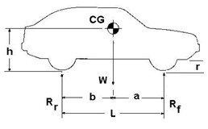
Rr (kg or N) | 743.8

W (kg or N) | 2000

a (m) | 0.900
b (m) | 1.520

Rr1 (kg or N) | 850 | H (m) | 0.350
Rf1 (kg or N) | 1150 | r (m) | 0.305

θ (rad) | 0.145
θ (degree) | 8.32

h (m) | 1.184

E
A
B
C
D
L
a
b
θ
θ
H
r
W
R_{f1}
R_{r1}
h-r
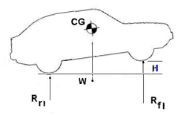

From figure:
AB = AC – BC
Since:
AC = b cos θ, BC = ED = (h-r) sin θ
Then:
AB = b cos θ – (h-r) sin θ
Σ MA = 0
Rf1 (L cos θ) - W (AB) = 0
Rf1 (L cos θ) = W (AB)
Substitute the value of AB:
Rf1 (L cos θ) = W [b cos θ – (h-r) sin θ]
Rearrange the above equation:
W (h-r) sin θ = W b cos θ – Rf1 L cos θ
h-r = [W (b cos θ) – Rf1 (L cos θ)] / [W sin θ]
h = {[W (b cos θ) – Rf1 (L cos θ)] / [W sin θ]} + r
where:
θ = sin-1 (H/L)

