Requirement
 |  |  |  |  | Step1 : | Table 1 | own by business | ( have to create manually )
 |  |  |  |  |  |  |  |  |  |  |  | Amazon comprehend
 |  |  |  |  |  |  |  |  |  |  |  | AWS RDS - PG

 |  |  |  | news websites https://timesofindia.indiatimes.com/india https://www.business-standard.com/
 |  |  |  |  |  |  |  |  | Start Date | 2022-12-12
 |  |  |  |  |  |  |  |  | Delivery Date | 2022-12-16

 |  |  |  |  |  |  |  |  | Daily Status to be shared

 |  |  |  |  |  |  |  |  | Time spend in a day
 |  |  |  |  |  |  |  |  | Progress Made on project
 |  |  |  |  |  |  |  |  | Doubts if any

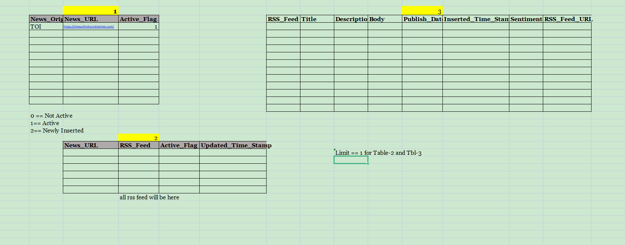

 |  |  |  |  |  | 1 | while loop | process 2 should be continuois process |  |  | after every 15min -- process should go to table 2 look for status 2 and act accordingly
 |  |  |  |  |  | 2 | limit 1 - option
 |  |  |  |  |  | 3 | RDS - PostGre
 |  |  |  |  |  | 4 | psycopg2 to deal to PG
 |  |  |  |  |  | 5 | html pages - goose /Bsoup (Beautiful Soap)

1 | Development Environment | Pycharm
2 | Database Server Engine | Postgre SQL
3 | Package in Python | pylint | (for suggestions on syntax in pycharm)

