Sheet3
PRODUCTS LIST
SR.NO. | WIRELESS PRODUCTS |  | WIRED PRODUCTS |  | BLUETOOTH PRODUCT |  | CORROSION
1 | Sentinal Next with display | 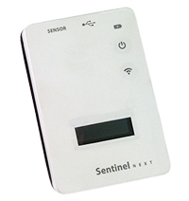 | I Celsius Wireless IP3 | 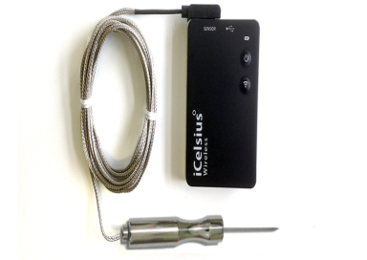 | Receptor IP 2 |  | 16 Pin MAS Probe | 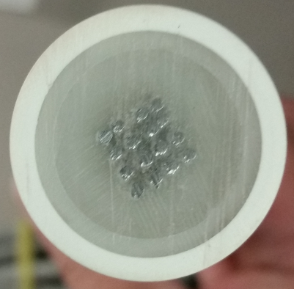
2 | I Celsius Wireless (Comm. unit) | 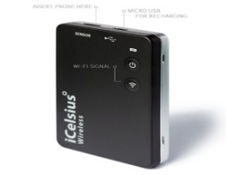 | Wireless IP2 Probe | 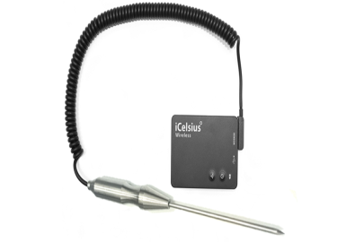 | Chef EZ (Bluetooth BBQ) |  | 8 pin MAS Probe | 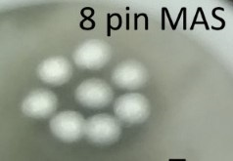
3 | Sentinal Next RTD with Display | 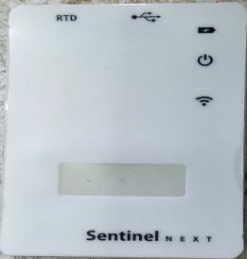 | Wireless IP1 Probe | 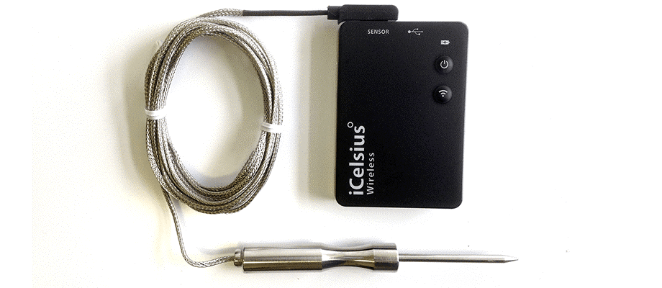 | I Celsius Blue Pro |  | CAPS with Resolts RZ707
4 | Sentinal Next | 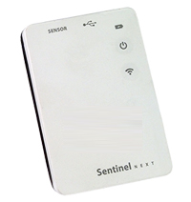 | iCelsius IP3 (LT) | 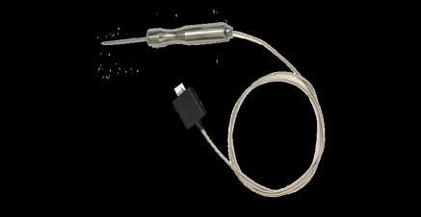 | I Celsius Blue BBQ | 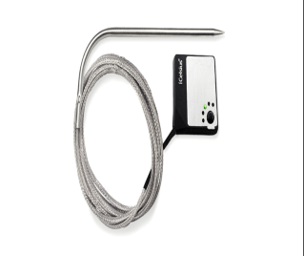 | Probe length- 10cm (PVC)
5 | Sentinal Next RTD | 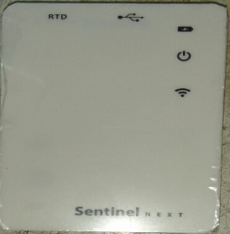 | iCelsius Pro (LT) |  | I Celsius Blue RH | 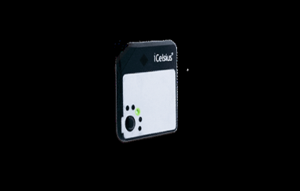 | Probe length- 10cm (SS)
6 | Wireless Pro Probe |  | iCeslius BBQ (Lt) |  | I Celsius Blue IP3 |  | Probe length- 20cm, (PVC)
7 | Wireless RH(Connector) |  | iCelsius IP1 (Lt) |  | I Celsius Blue Body Temp. |  | Probe length- 20cm, (SS)
8 | Wireless BBQ Probe (Dual)(Rev. B) |  | iCelsius IP2 (Lt) | 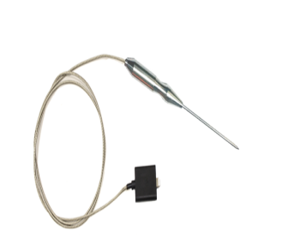 |  |  | Probe length- 30cm (PVC)
9 | Sentinal Next Dual Probe |  | iCelsius BT (Lt) |  |  |  | Probe length- 30cm (SS)
10 | MQ 212 Adapter | 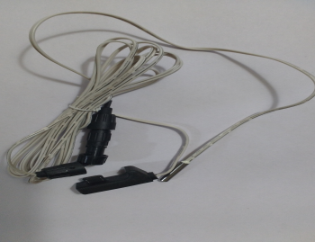 | iCelsius RH (Lt) | 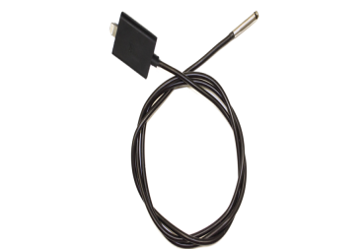 |  |  | Cable Length-1m (PVC)
11 | MQ 212 Adapter Dual | 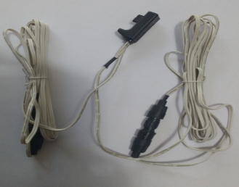 | iCelsius BBQ rev B (Lt) |  |  |  | Cable Length-1m (SS)
12 | Sentinal Next RTD Connector |  | iCelsius Pro (30p) |  |  |  | Cable Length-2m (PVC)
13 | 10k Octsens MQ212 Probe |  | iCelsius BBQ (30p) |  |  |  | Cable Length-2m (SS)
14 | Next 10k Probe(4" or 1") | 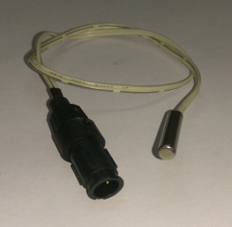 | iCelsius IP1 (30p) |  |  |  | Corrosion Probe
15 | 10k Octsens MQ212 Probe, Single |  | iCelsius IP2 (30p) |  |  |  | CRC Probe (5 element, 1m cable) | 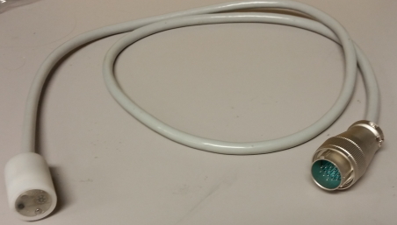
16 | Sentinel Next with Display and primary battery |  | iCelsius RH (30p) |  |  |  | ER Probe
17 | Sentinel Next RTD with Display and primary battery |  | iCelsius BT (30p)
18 | Ichef Elite |  | iCelsius Skin (30p)
19 | Wireless IR Probe |  | iCelsius Standard (30p)
20 | Wireless RH (Probe) | 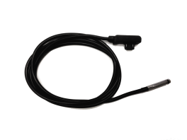
21 | Wireless BBQ Probe (Single) (Rev B) | 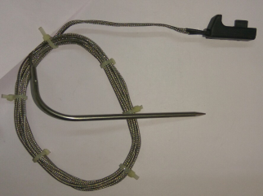
22 | I Celsius Wetness
23 | I Celsius Wireless Dual Pro+RH | 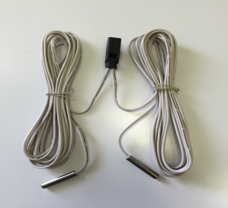
24 | Sentinel Next Pressure 500Pa (Probe)
25 | Sentinel Next Pressure 25Pa (Probe)
26 | Sentinel Next Pressure 500Pa (Sensor) | 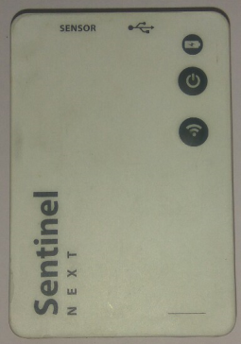
27 | Sentinel Next Pressure 25Pa (Sensor) | 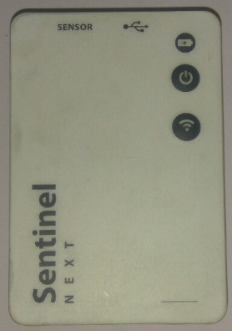
28 | Sentinel Next CO2, Ambient (Probe)
29 | Sentinel Next CO2 (Sensor)
30 | Sentinel Next CO2, 30% Probe
31 | Wireless BBQ Probe (Single) | 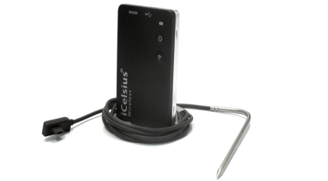
32 | Wireless BBQ Probe (Dual) | 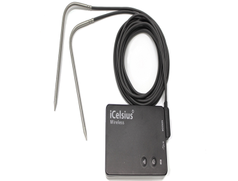
33 | Sentinel PRO II
34 | Sentinel MICRO | 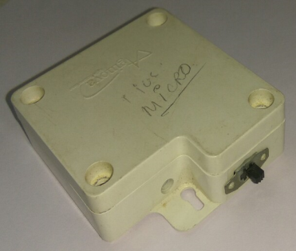
35 | Sentinel RTD | 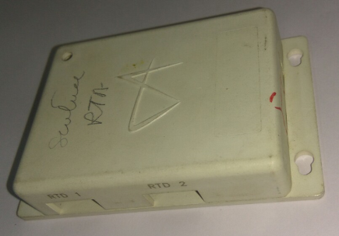
36 | Sentinel SHT 11(Sentinel PRO II with Hole )
37 | ICE 'M' (11Mbps)

