Logic Explanation
Logic Explanation and Methodology

1. Logic for identifying similar buses: To identify comparable buses, the dataset was filtered using a similarity conditions to ensure that only buses that realistically compete with each other were compared.
Two datasets were first created:
(i) Flixbus buses: buses operated by Flixbus
(ii) Competitor buses: buses operated by all other operators
for each Flixbus, similar competitor buses were identified using the following parameters:
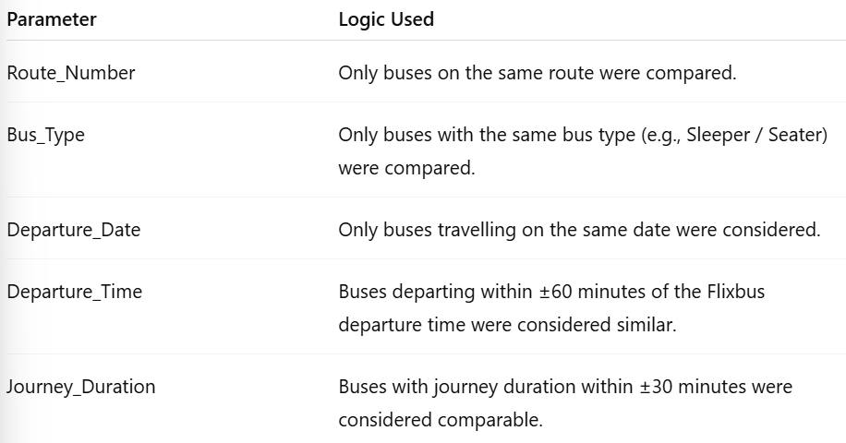

Departure time was converted into minutes from midnight to allow numerical comparison between bus departure times.
This filtering ensured that comparisons were made only between buses that operate under similar travel conditions and compete for the same passengers.

2. Logic for Raising price flags: Once similar buses were identified, the market price was calculated using the average price of the comparable competitor buses.
Market price calculation:

The Flixbus price was then compared with this market benchmark

Two metrics were calculated:
(i) Absolute difference:-

(ii) Percentage difference:-

Based on this difference, pricing flags were assigned using the following rule:
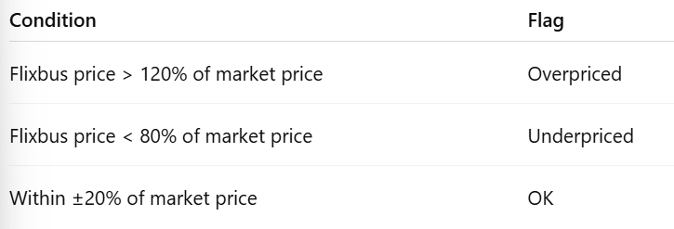

The threshold was used to capture significat deviations from competitor pricing while allowing for natural price variation across operators
Additionally, the number of comparable competitor buses used for each comparison was stored in the column Competitors_Compared to indicate the reliability of the comparison.

3. Assumptions made: The following assumptions were made while designing the comparison system:
(i). Buses operating on the same route and date compete for the same passenger demand
(ii). Buses with similar departure times (within ± 60 minutes) are likely to be considered alternatives by passenger.
(iii). Buses with similar journey durations (within ± 30 minutes) provide comparable travel experinces.
(iv). The average competitor prices is reasonable estimate of the market price for similar buses
(v). At ±20% price difference threshold is sufficient to detect meaningful pricing deviations while allowing for service quality differences.
(vi). Comparisons with very few competitors may be less reliable, which is why the number of comparable buses was recorded.

