Sheet1
Assignment2

Answer1

Answer 2
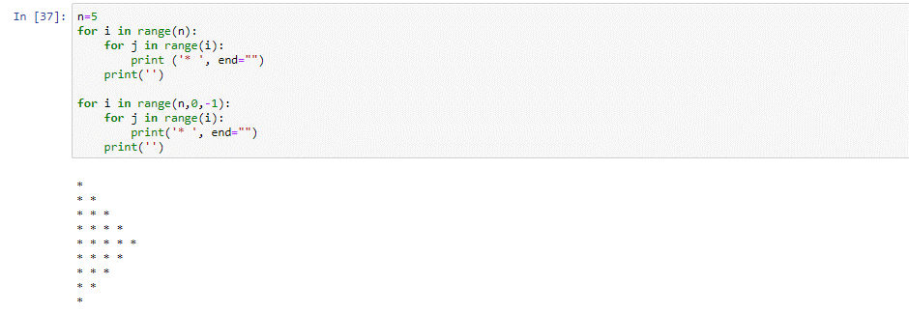

Answer 3

Answer 4

Code: print("WE, THE PEOPLE OF INDIA,\n\thaving solemnly resolved to constitute India into a SOVEREIGN,!\n\t\tSOCIALIST, SECULAR, DEMOCRATIC REPUBLIC\n\t\t and to secure all its citizens")

Output:

