Fall-Break-2015
Tempe's Dhadkan (Well, not all of it. Awww! That sucks!!) goes to Zion

When? | What did they do? | How much did they spend? | How much is left for beer? | How many beers left? | How many per person? | Comments?
Wednesday, 10 days before the trip | Reserved a hotel room for 4 (Who get's to sleep outside?) | 164.58 | 1085.42 | 271.36 | 54.27 | Yeah. Nithya's blood pressure went through the roof when Sanjeev and Vivek threw cards at her and there was just one room left.
Friday, 8 days before the trip | Booked Ford Fusion at Enterprise | 474.02 | 611.40 | 152.85 | 30.57 | Beers are reducing; tension increasing
Sunday, 6 days before the trip | Shopping for the trip | 380 (Umm. Not everyone . Just the losers!) | 921.20 | 230.30 | 46.06 | Kunju wants to be batman and well, Vivek is just being a fag.
Monday, 5 days before the trip | Building up expectations for the trip | Priceless | 921.20 | 230.30 | 46.06 | Nithya and Mukku being happy for no reason. Or is there? Yesss there isss!! It's coz the beers remain the same even after 2 days
Monday, 5 days before the trip | We begin routing!!! | Nottthingg! | 921.20 | 230.30 | 46.06 | Nithya and Sushma compete to make the map Aand We have it here ------------------> Go ahead click on it. Don't be shy
Tuesday, 4 days before the trip | Kashyap is coming | A lot of effort to convince Kashyap | 1161.40 | 290.35 | 48.39 | Would you look at that? Beers are still the same!!
Wednesday, 3 days before the trip | We have some Elegaḷu/Ākulu | 50 (You know who spent, right? ) | 1161.40 | 290.35 | 48.39 | The new purchase is going to elevate us in all possible ways!
Wednesday, 3 days before the trip | One more round of shopping!! | 90.00 | 1071.40 | 267.85 | 44.64 | We have some foooood!!! Aaaaand The happiness of stability in beer count!!
Thruday, 2 days before the trip | Alcohooll SHoppinG!!! | 113.55 | 957.85 | 239.46 | 39.91 | We have alcohol and still 39 beers left! Man!! This is going to be awesome!
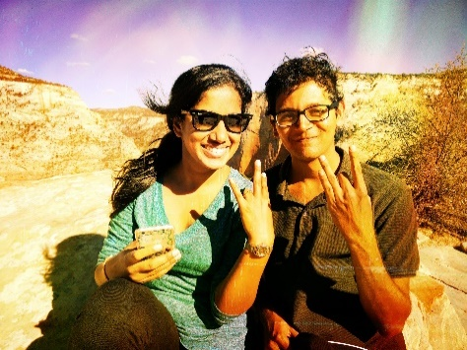
Friday, the most awaited day of the week, the month and the semester is here. | Heading out after the awesome Delhi Palace food (Too spicy though for which Kunju is going to get killed) | 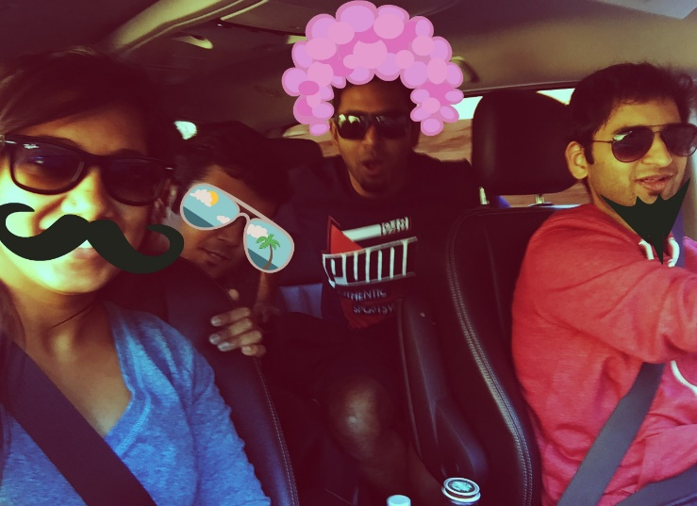 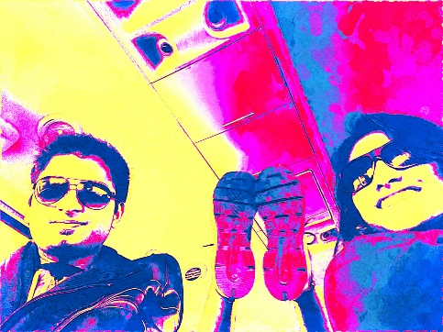 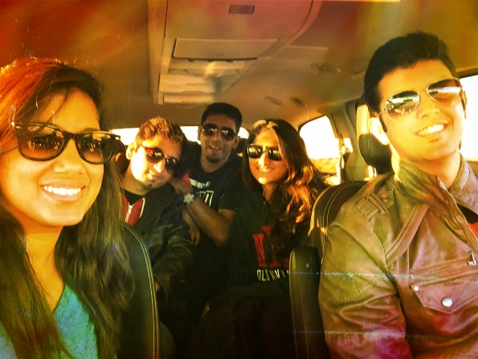 We don't care about money no more coz it's time to get all kinds of crazy!!!
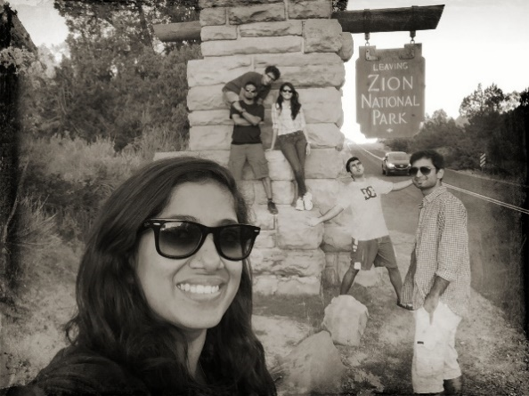
Saturday, the day to be remembered for peaking in alcohol in altitude | Ran up to Angel's Landing in a jiffy, Just kidding! Scariest trek, but for the chains to hold on to. | 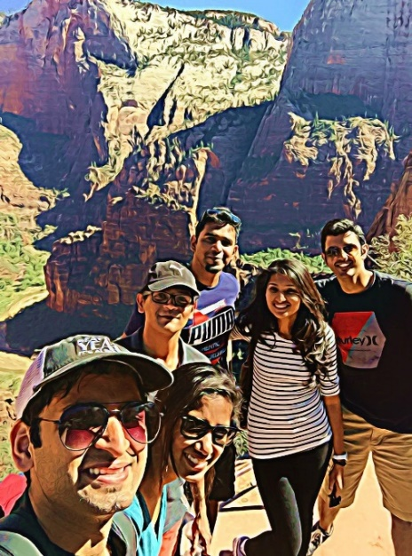 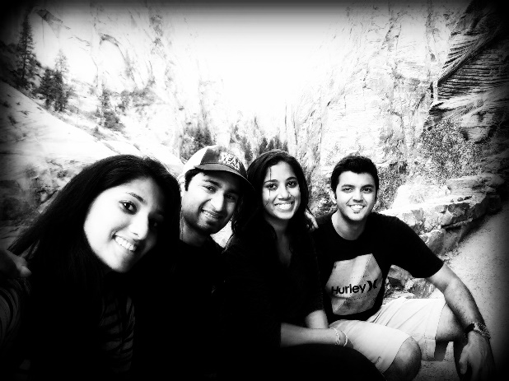 What a feeling to have conquered Angel's Landing! Zipping through Zion indeed. We did deserve those 39 beers after that. How many did we have? Well, we'll never know.
Sunday, the day when we all head back | Said Hi to the emerald pool and bye to Zion | 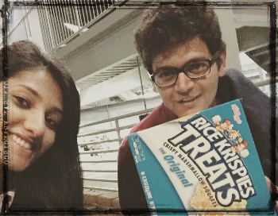 Kashyap paid extra charges for being late. Sushma stood all over the emerald pool and man, oh man! How can we forget about the Rice Krispies. A day filled with laugter ended with some nice Delhi Palace dinner. Trip - Refreshing level: 9000. What made it 9000? The secret ingredient! Well, we all know what the secret ingredient was. Don't we?

