Sheet1
 | bins | 16 |  | degrees |  | Beaufort scale |  | kt | m/s | km/h
 | directions | 22.5 | 11.25 | > | <= | 0 | Calm | 1 | 2 | 0.2
0 | n | -11.25 | 11.25 | 348.75 | 11.25 | 1 | Light air | 3 | 6 | 1.5
1 | nne | 11.25 | 33.75 | 11.25 | 33.75 | 2 | Light breeze | 6 | 12 | 3.3 | 0 | Calm | 2
2 | ne | 33.75 | 56.25 | 33.75 | 56.25 | 3 | Gentle breeze | 10 | 19 | 5.4 | 1 | Light air | 6
3 | ene | 56.25 | 78.75 | 56.25 | 78.75 | 4 | Moderate breeze | 16 | 30 | 7.9 | 2 | Light breeze | 12
4 | ene | 78.75 | 101.25 | 78.75 | 101.25 | 5 | Fresh | 21 | 40 | 10.7 | 3 | Gentle breeze | 19
5 | ese | 101.25 | 123.75 | 101.25 | 123.75 | 6 | Strong | >21 | >40 | >10.7 | 4 | Moderate breeze | 30
6 | se | 123.75 | 146.25 | 123.75 | 146.25 |  |  |  |  |  | 5 | Fresh | 40
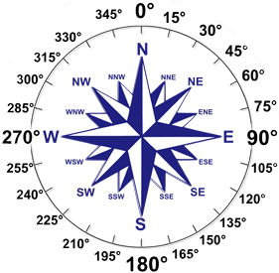
7 | sse | 146.25 | 168.75 | 146.25 | 168.75 |  |  |  |  |  | 6 | Strong | >40
8 | s | 168.75 | 191.25 | 168.75 | 191.25
9 | ssw | 191.25 | 213.75 | 191.25 | 213.75
10 | sw | 213.75 | 236.25 | 213.75 | 236.25
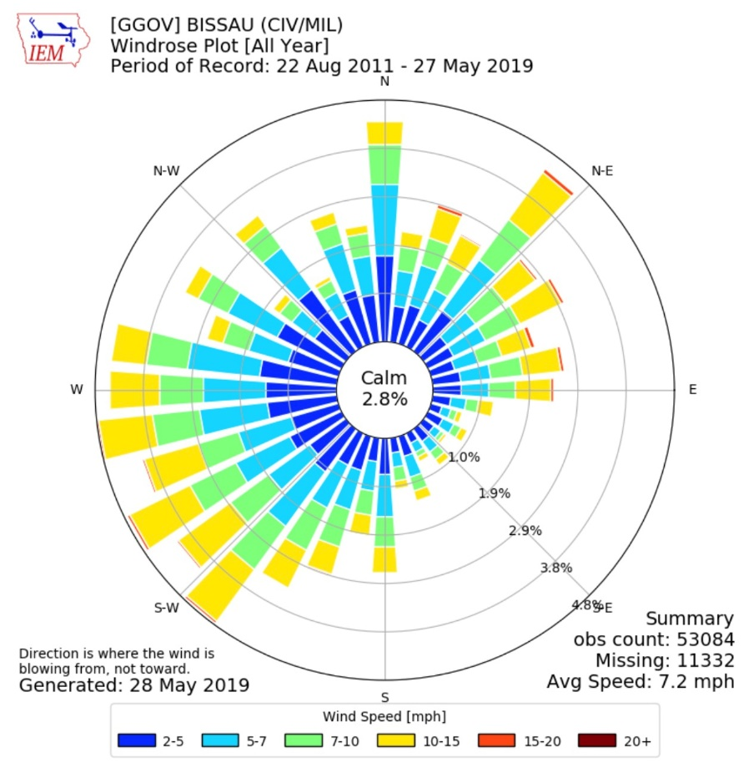
11 | wsw | 236.25 | 258.75 | 236.25 | 258.75
12 | wsw | 258.75 | 281.25 | 258.75 | 281.25
13 | wnw | 281.25 | 303.75 | 281.25 | 303.75
14 | nw | 303.75 | 326.25 | 303.75 | 326.25
15 | nnw | 326.25 | 348.75 | 326.25 | 348.75
16 | n | 348.75 | 371.25
 |  | -11.25 | 11.25

