Sheet1
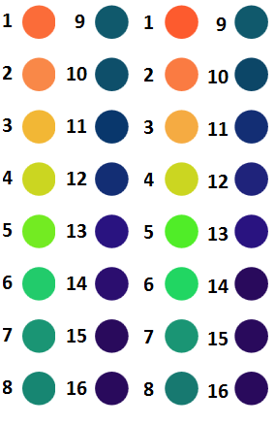
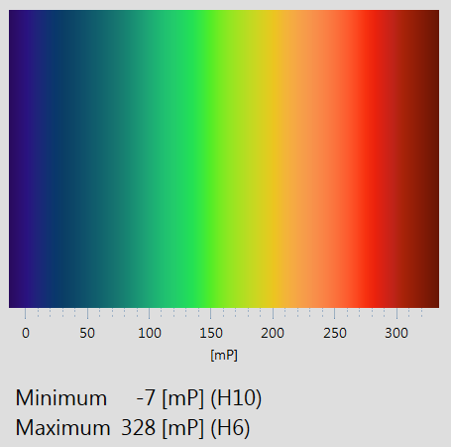
Protocol: |  |  |  | Notes:
1. Add 200uL of 24uM Fluorescein + PBS Stock solution to 5ml PBS |  |  |  | Yields ~5mL of 960nM Fluorescein/PBS solution (200uL 24uM + 5ml pbs = 960nM)
2. Add 3mL Glycerol to 1mL 960nM Solution from Step 1 |  |  |  | Yields 4mL of 240nM Fluorescein, 75% Glycerol solution
3. Add 3mL PBS to to 1mL 960nM Solution from Step 1 |  |  |  | Yields 4mL of 240nM Fluorescein, 0% Glycerol solution

Sample # | Target Concentration | 75% Glycerol (uL) | 0% Glycerol (uL)
1 | 75% | 200.00 | 0.00
2 | 70% | 186.67 | 13.33
3 | 65% | 173.33 | 26.67
4 | 60% | 160.00 | 40.00
5 | 55% | 146.67 | 53.33
6 | 50% | 133.33 | 66.67
7 | 45% | 120.00 | 80.00
8 | 40% | 106.67 | 93.33
9 | 35% | 93.33 | 106.67
10 | 30% | 80.00 | 120.00
11 | 25% | 66.67 | 133.33
12 | 20% | 53.33 | 146.67
13 | 15% | 40.00 | 160.00
14 | 10% | 26.67 | 173.33
15 | 5% | 13.33 | 186.67
16 | 0% | 0.00 | 200.00
 |  | 1600.00 | 1600.00

