Sheet1
 | Sim: |  | 1 |  |  | GRADING RUBRIC AND FEEDBACK FORM

 | PROGRAMMER SECRET ID: |  |  |  |  |  |  | GRADER SECRET ID: | 520225

 | Programmer Self-Grade Column | Grader Column
 |  |  | Read this before grading
 |  |  | All grading must be supported by clear, factual evidence, meaning you MUST use at least one of the following strategies:
 |  |  |  | - Identify line numbers of graded items, then reference these from the grading text
 |  |  |  | - Embed screen shots, then reference these from the grading text
 |  |  |  | - both together would be best
 |  |  | You must also identify SPECIFIC function names and/or code snippets of items upon which you based your grading
 |  |  | Grading annotation is REQUIRED where lines are provided
 |  |  | You must also fill out AT LEAST the four lines of commentary under each grading segment; you are invited to insert new lines but the minimum is four

 |  |  | Clear Evidence of PA01 Components
 |  |  | If there is no evidence of an attempt to implement any of the PA01 requirements,
 |  |  | the grade for the programming part of this rubric will be zero.
 |  |  | Code must show at least one of the following items (place an 'X' beside each item found):
 |  |  | X | Code must CLEARLY show an attempt to create and completely implement the main driver function
 |  |  | X | Code must CLEARLY show an attempt to upload, process, and display the config file contents
 |  |  | X | Code must CLEARLY show an attempt to upload, process, and display the metadata file contents
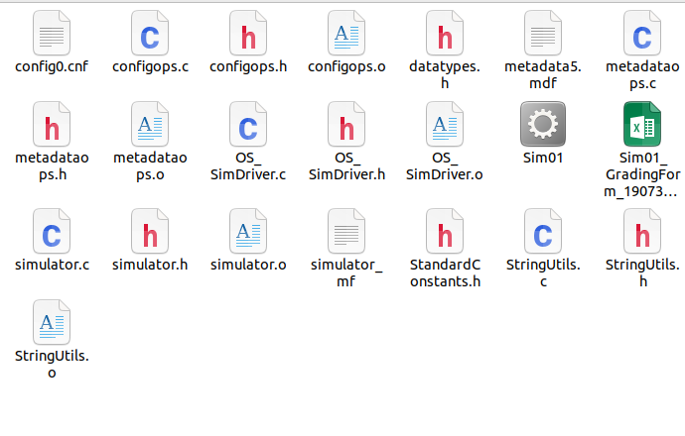
 |  |  | Quality Development and Building Process
 |  |  |  | Enter grade as positive number

 |  | 2 | /2 | Correct file format
 |  | 2 | /2 | Correctly extracts
 |  | 2 | /2 | makes (builds to executable) without any corrections or adjustments
 |  | 2 | /2 | no unnecessary files (object files, config or meta-data files, etc.)
 |  | 2 | /2 | no unused library files or other files
 | Subtotal: | 10 | 10
 |  |  |  | Comments (add lines as needed):
 |  |  |  | All files extract and compile.

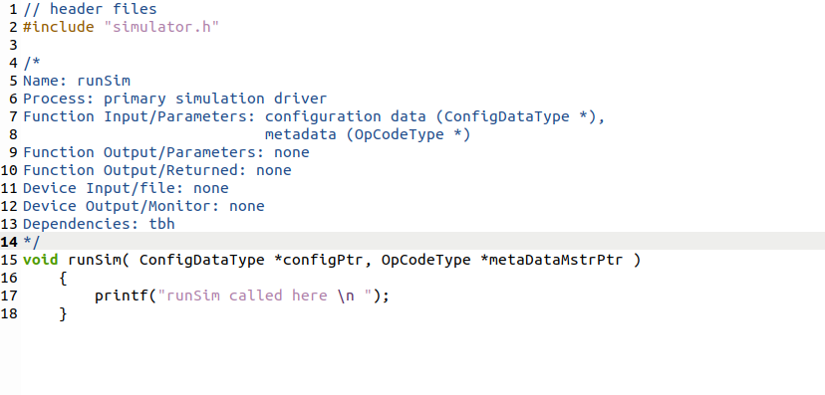
 |  |  | Program Source Code Easily Readable & Understandable
 |  |  |  | Enter grade as positive number
 |  |  |  | Note: Do not increase OR reduce credit for commenting
 |  |  |  | unless use of comments directly take away from program readability

 |  | 40 | /40 | Standards:
 | Subtotal: | 40 | 40 | < 5 pts: Difficult or impossible to read or understand, poor indenting and program structure
 |  |  |  | < 10 pts: Some parts difficult to read or have poor structure, but some program parts are clear
 |  |  |  | < 30 pts: Some parts difficult to read or have poor structure, but overall program process is clear
 |  |  |  | < 40 pts: Program is written and structured clearly, all parts are quickly and easily understood

 |  |  |  | Comments (add lines as needed):
 |  |  |  | All code is clearly commented and spaced. Readability is really good.
 |  |  |  | All files look like the provided screen shot.

 |  |  | Quality Program Development
 |  |  |  | Enter grade as positive number

 |  | 5 | /5 | Program and code are structured well
 |  | 5 | /5 | Functions are appropriately used to support program modularity
 |  | 5 | /5 | Code is efficient and is not repeated unnecessarily (i.e., very little or no duplicated code)
 |  | 5 | /5 | It is clear which file a given support function will be found in
 | Subtotal: | 20 | 20
 |  |  |  | Comments (add lines as needed):
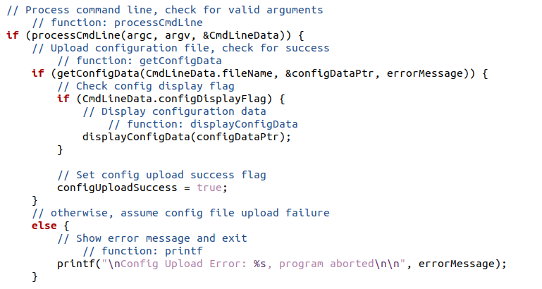
 |  |  |  | All code appears to be copied correctly and runs smoothly.

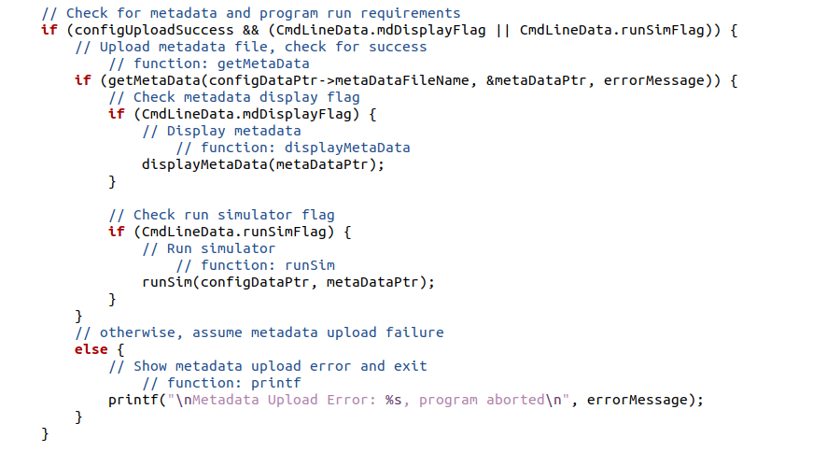
 |  | 5 | /5 | one function is called from the main to access configuration data
 |  | 5 | /5 | configuration data is effectively stored in an appropriate data structure
 |  | 5 | /5 | configuration data accessor and mutator functions are easily understandable and used correctly
 |  | 5 | /5 | one function is called from the main to access meta-data
 |  | 5 | /5 | meta-data is effectively stored in an appropriate data structure
 |  | 5 | /5 | meta-data accessor and mutator functions are easily understandable and used correctly
 | Subtotal: | 30 | 30
 |  |  |  | Comments (add lines as needed):
 |  |  |  | Struct is set up and runs appropriately.
 |  |  |  | Metadata and config both have seperate ru options in the main

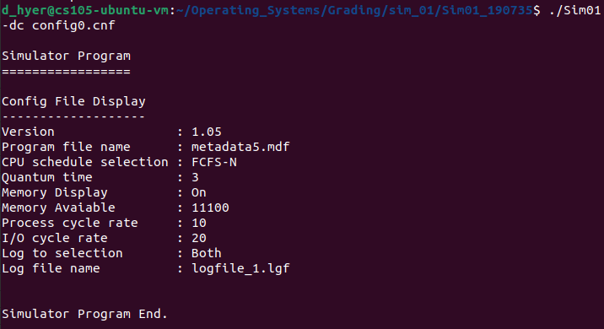
 |  |  | Program Operation
 |  |  |  | Enter grade as positive number

 |  |  |  | Configuration data is uploaded and displayed correctly
 |  | 5 | /5 |  | one test with correctly formed configuration file
 |  | 5 | /5 |  | one test with correctly formed configuration file
 |  | 5 | /5 |  | one test with incorrectly formed configuration file
 |  | 5 | /5 |  | one test with incorrectly formed configuration file
 |  | 5 | /5 |  | one test with incorrectly formed configuration file
 | Subtotal: | 25 | 25
 |  |  |  | Meta-data is uploaded and displayed correctly
 |  | 5 | /5 |  | one test with correctly formed meta-data file
 |  | 5 | /5 |  | one test with correctly formed meta-data file
 |  | 5 | /5 |  | one test with incorrectly formed meta-data file
 |  | 5 | /5 |  | one test with incorrectly formed meta-data file
 |  | 5 | /5 |  | one test with incorrectly formed meta-data file
 | Subtotal: | 25 | 25

 |  | 5 | /5 | Run simulator function is called correctly and displays "runSim called here"
 | Subtotal: | 5 | 5

 |  |  |  | All program function runs went well.

 |  |  | Grade Reductions
 |  |  |  | Each reduction is on a per occasion case (i.e., five single-letter variables is -5)
 |  |  |  | Enter grade as negative number

 |  |  |  | single-letter or non-self-documenting variable
 |  |  | -1/ | missing or non-aligned curly braces
 |  |  | -1/ | redundant Boolean test, unless typedef Boolean is used
 |  |  | -2/ | second, or subsequent, if statement that should logically be else
 |  |  | -2/ | data/state change in parameter lists or array brackets
 |  |  | -2/ | declaration of variable within a loop (including for(---)
 |  |  | -2/ | use of if/else in place of Boolean return statement
 |  |  | -2/ | code on same line as curly brace
 |  |  | -2/ | use of numbers where Boolean should be used
 |  |  | -2/ | use of numerical literals in parameter lists or array brackets, unless literal is completely clear
 |  |  | -2/ | use of break anywhere but in a switch statement
 |  |  | -3/ | use of return without return value
 |  |  | -3/ | use of continue or goto anywhere
 |  |  | -3/ | use of global variables anywhere
 |  |  | -3/ | I/O operations in a function not specified for I/O
 |  |  | -3/ | use of functions in parameter lists or array brackets
 |  |  | -3/ | use of empty if or else statement blocks
 |  |  | -3/ | use of tabs that causes difficulty reading code
 | Subtotal: | 0 | 0

 |  |  | Assignment Specification or Constraint Not Met

 |  | 0 | /0 | Failed to include grade sheet in zip file (-5)
 |  | 0 | /0 | Incorrect file name (-10)
 |  | 0 | /0 | Incorrect file compression (-10)
 |  | 0 | /0 | Use of any str- or other disallowed utilities (-15% of raw subtotal)
 |  | 0 | /0 | Use of any other disallowed functions or tools (-15% of raw subtotal)
 |  | 0 | /0 | Other evidence of specification or constraint not met (contact Tayyaba)
 | Subtotal: | 0 | 0
 |  |  |  | none of these are applicable

 | Instructor Grade Management - No student input below this line

 | Raw Subtotal |  |  |  | 155 | / | 155
 | Normalized |  |  |  | 100 | / | 100
 |  |  |  |  |  |  |  | Not turned in: 0 and 50% reduction of grade
 |  |  | /25 |  | Grader Score |  |  | Poor grading, minimal comments: 0 and 25% reduction of grade

1 | Total Score: |  |  |  | 100 | / | 125

