Imagens
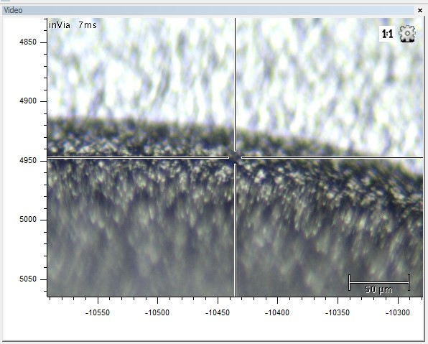
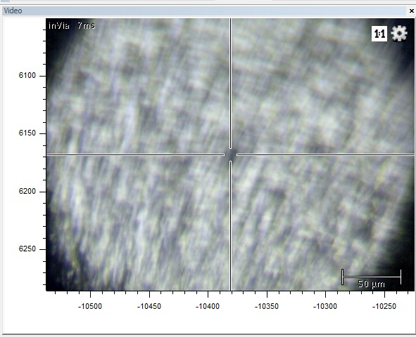
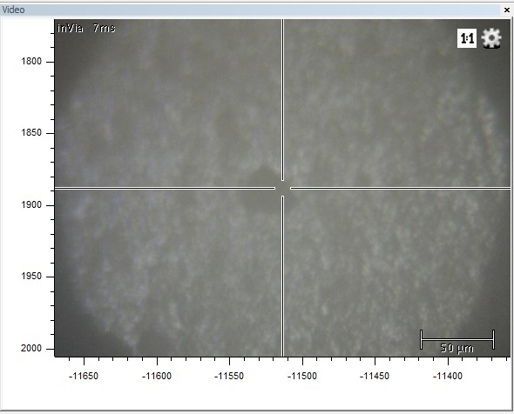

Imagem de uma amotra na borda da gota (o que está mais escuro é a gota e o mais claro seria o papel de aluminio)
Imagem de uma amotra no centro da gota (nas medições tento focar num ponto mais escuros, pois penso que são as nanoestrelas com o HSA)
Imagem de uma amotra no centro da gota focado num agregado (nanoestrelas com proteínas plasmáticas)

