Transportation
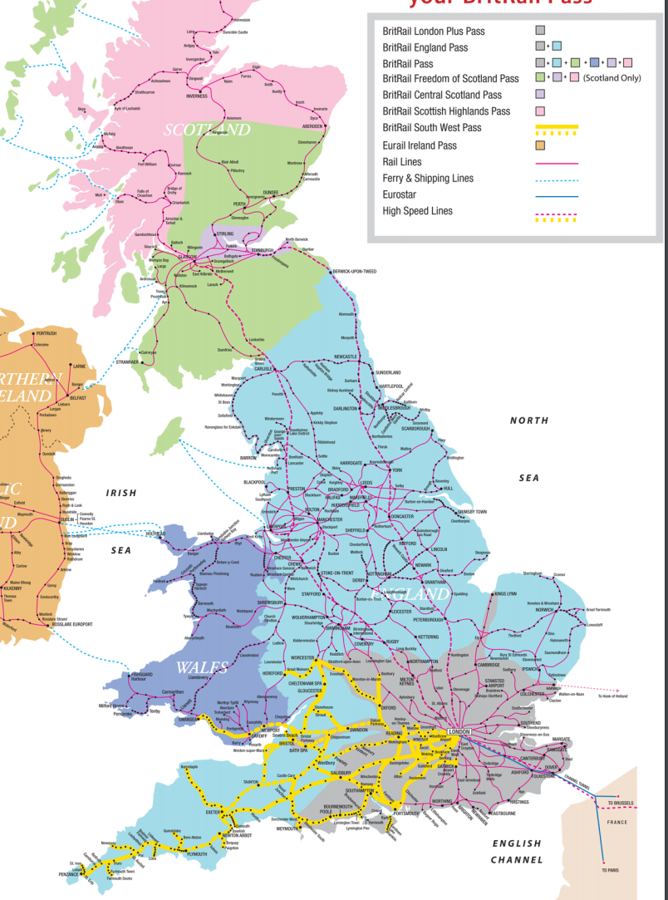
BritRail
Pass Type | Travel Days | Individual Cost | Group Cost | Description
BritRail Group | 8 consecutive | 253 | 759 | All of the UK
BritRail Group | 15 consecutive | 377 | 1131
BritRail Group | 4 flexible | 224 | 672
BritRail Group | 8 flexible | 321 | 963
BritRail Individual | 8 consecutive | 301 | 903
BritRail Individual | 15 consecutive | 448 | 1343
BritRail Individual | 4 flexible | 266 | 798
BritRail Individual | 8 flexible | 381 | 1143
BritRail England Group | 8 consecutive | 202 | 606 | All of England
BritRail England Group | 15 consecutive | 298 | 894
BritRail England Group | 4 flexible | 179 | 537
BritRail England Group | 8 flexible | 258 | 774
BritRail England Individual | 8 consecutive | 239 | 718
BritRail England Individual | 15 consecutive | 354 | 1063
BritRail England Individual | 4 flexible | 213 | 638
BritRail England Individual | 8 flexible | 306 | 918
BritRailSoutWest Group | 8 consecutive | 179 | 537 | Roughly the bottom third of England/Wales
BritRailSoutWest Group | 15 consecutive | 265 | 795
BritRailSoutWest Group | 4 flexible | 157 | 471
BritRailSoutWest Group | 8 flexible | 224 | 672
BritRailSoutWest Individual | 8 consecutive | 213 | 638
BritRailSoutWest Individual | 15 consecutive | 314 | 943
BritRailSoutWest Individual | 4 flexible | 266 | 798
BritRailSoutWest Individual | 8 flexible | 400 | 1200

