BH-02 (H=2 m) - Replacement
 |  |  | PROJECT : |  | GEOTHERMAL WELLPAD PSPE BORA PULU - SIGI, SULAWESI TENGAH |  |  |  |  |  |  |  |  |  |  |  |  |  |  | Prepared by : |  |  |  | Date
 |  |  | CLIENTS : |  | PT EDC PANAS BUMI INDONESIA |  |  |  |  |  |  |  |  |  |  |  |  |  |  | DF |  |  |  | 2026-10-06
 |  |  | LOCATION : |  | BH-02 (Wellpad A) |  |  |  |  |  |  |  |  |  |  |  |  |  |  | Verified by : |  |  |  | Date
 |  |  | SHEET : |  | BEARING CAPACITY AND SLOPE STABILITY ANALYSIS |  |  |  |  |  |  |  |  |  |  |  |  |  |  | BC |  |  |  | 2026-10-06

1. ANALYSIS OF BEARING CAPACITY OF EMBANKMENT FOUNDATION
The following presents the bearing capacity analysis of the subgrade at the proposed embankment location.
This assessment evaluates whether the subgrade soil is adequate to meet the planned bearing capacity requirements based on
the considered working loads. (ref: Perencanaan Jalan Pendekat Jembatan Pdt-11-2003)
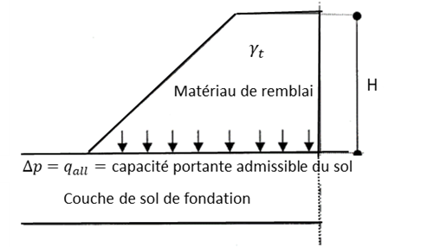
 |  |  |  |  |  |  |  |  |  |  |  |  | Parameters in the soil bearing capacity analysis
$$N_{q}= e^{π\tan{φ′}}\tan{ ^{2} \left({45}^{∘}+\frac{φ′}{2}\right)}$$

$$N_{c}=5.7, for φ=0$$
$$N_{c}=\left(N_{q}−1\right)\cot{φ′}, for φ>0$$
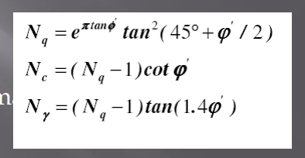
$$N_{γ}=\frac{\left(N_{q}−1\right)\tan{φ}}{1+0.4\sin\left(4φ\right)}$$

$$q_{ult}=\left(c N_{c}\right)+\left[γD \left(N_{q}−1\right)\right]+\left(\frac{1}{2}γBN_{γ}\right)$$
 | Figure Illustration of embankment bearing capacity

1.1. PARAMETER
Unit weight parameters
Unit weight of ground water, |  |  |  |  |  |  |  |  |  |  |  |  |  |  |  |  |  |  | gw = |  |  | 10 |  |  | kN/m3
Unit weight of reinforced concrete, |  |  |  |  |  |  |  |  |  |  |  |  |  |  |  |  |  |  | gc1 = |  |  | 25 |  |  | kN/m3
Unit weight of concrete |  |  |  |  |  |  |  |  |  |  |  |  |  |  |  |  |  |  | gc2 = |  |  | 24 |  |  | kN/m3
Unit weight of selected fill material |  |  |  |  |  |  |  |  |  |  |  |  |  |  |  |  |  |  | gg = |  |  | 17 |  |  | kN/m3

Embankment parameters
Unit weight of embankment, |  |  |  |  |  |  |  |  |  |  |  |  |  |  |  |  |  |  | g1 = |  |  | 16.5 |  |  | kN/m3
Effective shear cohesion of embankment, |  |  |  |  |  |  |  |  |  |  |  |  |  |  |  |  |  |  | c1' = |  |  | 10 |  |  | kN/m2
Effective internal friction of embankment, |  |  |  |  |  |  |  |  |  |  |  |  |  |  |  |  |  |  | ϕ1' = |  |  | 25 |  |  | °
Depth of replacement, |  |  |  |  |  |  |  |  |  |  |  |  |  |  |  |  |  |  | Df = |  |  | 0 |  |  | m

Soil parameters
Borehole initial |  |  |  |  |  |  |  |  |  |  |  |  |  |  |  |  |  |  | BH = |  |  | BH-02
CPT initial |  |  |  |  |  |  |  |  |  |  |  |  |  |  |  |  |  |  | S = |  |  | -
Station investigations |  |  |  |  |  |  |  |  |  |  |  |  |  |  |  |  |  |  | STA = |  |  | -
Ground water level |  |  |  |  |  |  |  |  |  |  |  |  |  |  |  |  |  |  | GWL = |  |  | 7 |  |  | m

Table 1. Soil parameters
Layer |  | Depth |  | qc kg/cm2 | NSPT |  | PI (%) |  | Soil Desc. |  |  | g2 |  |  | g2 eff |  |  | cu |  |  | c' |  |  | ϕ'
 |  | ti (m) | zi (m) |  |  |  |  |  |  |  |  | (kN/m3) |  |  | (kN/m3) |  |  | (kN/m2) |  |  | (kN/m2) |  |  | ( ° )
 |  |  | 0
1 |  |  | 1 |  | 50 |  | - |  | Sand |  |  | 18.5 |  |  |  |  |  | 0 |  |  |  |  |  | 42 |  |  | Sand
2 |  |  | 2 |  | 50 |  | - |  | Sand |  |  | 18.5 |  |  |  |  |  | 0 |  |  |  |  |  | 42 |  |  | Silt
3 |  |  | 3 |  | 50 |  | - |  | Sand |  |  | 18.5 |  |  |  |  |  | 0 |  |  |  |  |  | 42 |  |  | Clay
4 |  |  | 4 |  | 50 |  | - |  | Sand |  |  | 18.5 |  |  |  |  |  | 0 |  |  |  |  |  | 42
5 |  |  | 5 |  | 41 |  | - |  | Sand |  |  | 18.5 |  |  |  |  |  | 0 |  |  |  |  |  | 39

 |  |  |  |  |  |  |  |  |  |  |  |  |  |  |  |  |  |  |  |  |  | Sheet : |  |  | 1

1.2. SOIL BEARING CAPACITY
The bearing capacity of the subgrade is evaluated using the shallow foundation theory proposed by Terzaghi (1943). For cohesive soils (clay), the analysis focuses on the undrained condition, as it typically represents the most critical state for stability (Principle of Foundation Engineering, Braja M. Das, 2007)

$$φ_{avg}=\frac{\sum{\left(φ_{i}h_{i}\right)}}{\sum{h_{i}}}$$
 | Qu = (Cu x Nc) + (g x D x (Nq - 1))
Where,
c = |  | effective cohesion of foundation soil
$$γ_{avg}=\frac{\sum{\left(γ_{i}h_{i}\right)}}{\sum{h_{i}}}$$
Nc = |  | bearing capacity factor
Nq = |  | bearing capacity factor
Ng = |  | bearing capacity factor

Undrained shear strength |  |  |  |  |  |  |  |  |  |  |  |  |  |  |  |  |  |  | cu = |  |  |  |  |  | kN/m2 |  | tebal lanau/lempung 0-5 m
Effective cohesion, |  |  |  |  |  |  |  |  |  |  |  |  |  |  |  |  |  |  | c' = |  |  |  |  |  | kN/m2
Effective internal friction, |  |  |  |  |  |  |  |  |  |  |  |  |  |  |  |  |  |  | f' = |  |  |  |  |  | °
 |  |  |  |  |  |  |  |  |  |  |  |  |  |  |  |  |  |  | c =
Nq, |  |  |  |  |  |  |  |  |  |  |  |  |  |  |  |  |  |  | Nq =
Nc, |  |  |  |  |  |  |  |  |  |  |  |  |  |  |  |  |  |  | Nc =
Ng, |  |  |  |  |  |  |  |  |  |  |  |  |  |  |  |  |  |  | Ng =
Soil unit weight |  |  |  |  |  |  |  |  |  |  |  |  |  |  |  |  |  |  | g = |  |  |  |  |  | kN/m3
Lebar dasar timbunan/platform (kondisi drained) |  |  |  |  |  |  |  |  |  |  |  |  |  |  |  |  |  |  | B = |  |  | 10 |  |  | m
Safety factor of bearing capacity |  |  |  |  |  |  |  |  |  |  |  |  |  |  |  |  |  |  | SF = |  |  | 3

 |  |  |  |  |  |  |  |  |  |  |  |  |  |  |  |  |  |  | Qu = |  |  |  |  |  | kN/m2
 |  |  |  |  |  |  |  |  |  |  |  |  |  |  |  | Qall = Qu/SF, |  |  | Qall = |  |  |  |  |  | kN/m2

A. Total of embankment weight :
1. Height of embankment, |  |  |  |  |  |  |  |  |  |  |  |  |  |  |  |  |  |  | H1 = |  |  | 2.00 |  |  | m
2. Self weight every m2 area of embankment height, |  |  |  |  |  |  |  |  |  |  |  |  |  |  |  |  | P1 = (H * g1) |  | P1 = |  |  |  |  |  | kN/m2

B. Pavement load,
Self weight of every m2 pavement area, |  |  |  |  |  |  |  |  |  |  |  |  |  |  |  |  | P2 = (h1 * gc1) + (h2 * gc2) + (h3 * gg) |  | P2 = |  |  | 12.5 |  |  | kN/m2

C. Traffic load, |  |  |  |  |  |  |  |  |  |  |  |  |  |  |  |  |  |  | P3 = |  |  | 15 |  |  | kN/m2

D. Total of soil foundation load, |  |  |  |  |  |  |  |  |  |  |  |  |  |  |  |  | P = P1 + P2 + P3 |  | P = |  |  |  |  |  | kN/m2

Control of bearing capacity,
Allowable bearing capacity ³ Total of working load

1.3. ALLOWABLE HEIGHT OF EMBANKMENT
$$Hall=\frac{Qult}{fill}$$

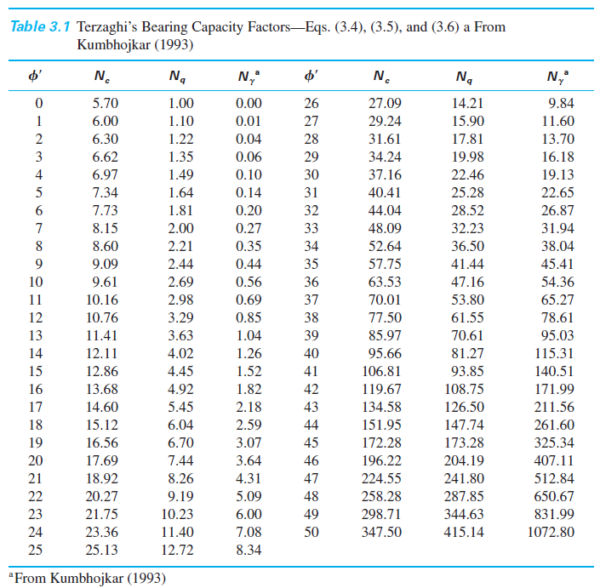
Where,
Hall = |  | The allowable embankment height in meters,
Qult = |  | Ultimate bearing capacity,
gfill = |  | Unit weight of embankment,

Allowable height of the embankment is calculated using these following variables
Safety factor |  |  |  |  |  |  |  |  |  |  |  |  |  |  |  |  |  |  | SF =
Ultimate soil bearing capacity, |  |  |  |  |  |  |  |  |  |  |  |  |  |  |  |  | qu = (c' x Nc) + (q x Nq) |  | qu = |  |  |  |  |  | kN/m2
Allowable soil bearing capacity, |  |  |  |  |  |  |  |  |  |  |  |  |  |  |  |  | qall = qu / SF |  | qall = |  |  |  |  |  | kN/m2
Allowable height of embankment, |  |  |  |  |  |  |  |  |  |  |  |  |  |  |  |  | Hijin = qall / g1 |  | Hall = |  |  |  |  |  | m

 |  |  |  |  |  |  |  |  |  |  |  |  |  |  |  |  |  |  |  |  |  | Sheet :

1.4. SOIL IMPROVEMENT WITH REPLACEMENT
The following is a calculation of the soil bearing capacity after soil replacement.
The base of the embankment is planned to be replaced / excavated |  |  |  |  |  |  |  |  |  |  |  |  |  |  |  |  |  |  | Df = |  |  | 1 |  |  | m |  |  |  | gamma | c'
 |  |  |  |  |  |  |  |  |  |  |  |  |  |  |  |  |  |  |  |  |  |  |  |  |  |  |  | Granular | 18 | 3
Material Parameter Replacement |  |  |  |  |  |  |  |  |  |  |  |  |  |  |  |  |  |  |  |  |  |  |  |  |  |  |  | Rockfill | 20 | 5
Type of Material |  |  |  |  |  |  |  |  |  |  |  |  |  |  |  |  |  |  | Selected Fill |  |  | Selected Fill |  |  |  |  |  | Timbunan | 16.5 | 10
Unit Weight of Replacement Material |  |  |  |  |  |  |  |  |  |  |  |  |  |  |  |  |  |  | g = |  |  | 17 |  |  | kN/m3 |  |  | Selected Fill | 17 | 15
Effective Cohession of Replacement Material |  |  |  |  |  |  |  |  |  |  |  |  |  |  |  |  |  |  | c' = |  |  |  |  |  | kN/m2
Internal Friction Angle of Replacement Material |  |  |  |  |  |  |  |  |  |  |  |  |  |  |  |  |  |  | f' = |  |  | 30 |  |  | ° |  |  |  | INPUT MATERIAL REPLACEMENT PADA SOIL DESC !!!
 |  |  |  |  |  |  |  |  |  |  |  |  |  |  |  |  |  |  |  |  |  |  |  |  |  |  |  | Depth | Soil Desc | g2
Table. Soil parameters after subgrade replacement |  |  |  |  |  |  |  |  |  |  |  |  |  |  |  |  |  |  |  |  |  |  |  |  |  |  |  | m |  | (kN/m3)
Layer |  | Depth |  | qc kg/cm2 | NSPT |  | PI (%) |  | Soil Desc. |  |  | g2 |  |  | g2 eff |  |  | cu |  |  | c' |  |  | f'
 |  | ti (m) | zi (m) |  |  |  |  |  |  |  |  | (kN/m3) |  |  | (kN/m3) |  |  | (kN/m2) |  |  | (kN/m2) |  |  | ( ˚ ) |  |  |  | 1 | Rockfill
 |  |  | 0 |  |  |  |  |  |  |  |  |  |  |  |  |  |  |  |  |  |  |  |  |  |  |  |  | 2 | Rockfill
1 |  |  | 1 |  |  |  |  |  |  |  |  |  |  |  |  |  |  | 80 |  |  |  |  |  | 30 |  |  |  | 3 | Rockfill
2 |  |  |  |  |  |  |  |  |  |  |  |  |  |  |  |  |  |  |  |  |  |  |  |  |  |  |  | 4 | Timbunan
3 |  |  |  |  |  |  |  |  |  |  |  |  |  |  |  |  |  |  |  |  |  |  |  |  |  |  |  | 5 | Timbunan
4
5

Undrained shear strength |  |  |  |  |  |  |  |  |  |  |  |  |  |  |  |  |  |  | cu = |  |  |  |  |  | kN/m2 |  | tebal lanau/lempung
Effective cohesion, |  |  |  |  |  |  |  |  |  |  |  |  |  |  |  |  |  |  | c' = |  |  |  |  |  | kN/m2
Effective internal friction, |  |  |  |  |  |  |  |  |  |  |  |  |  |  |  |  |  |  | f' = |  |  |  |  |  | °
 |  |  |  |  |  |  |  |  |  |  |  |  |  |  |  |  |  |  | c = |  |  | 0.00
Nq, bearing capacity factor |  |  |  |  |  |  |  |  |  |  |  |  |  |  |  |  |  |  | Nq =
Nc, bearing capacity factor |  |  |  |  |  |  |  |  |  |  |  |  |  |  |  |  |  |  | Nc =
Ng, bearing capacity factor |  |  |  |  |  |  |  |  |  |  |  |  |  |  |  |  |  |  | Ng =
Soil unit weight |  |  |  |  |  |  |  |  |  |  |  |  |  |  |  |  |  |  | g = |  |  |  |  |  | kN/m3

Safety factor of bearing capacity |  |  |  |  |  |  |  |  |  |  |  |  |  |  |  |  |  |  | SF = |  |  | 3

Ultimate bearing capacity, |  |  |  |  |  |  |  |  |  |  |  |  |  |  |  |  |  |  | Qu = |  |  |  |  |  | kN/m2
Allowable bearing capacity, |  |  |  |  |  |  |  |  |  |  |  |  |  |  |  | Qall = Qu/SF, |  |  | Qall = |  |  |  |  |  | kN/m2

Control of bearing capacity,
Allowable bearing capacity ³ Total of working load

1.4.1. CONSOLIDATION SETTLEMENT ANALYSIS
Calculation of primary consolidation settlement based on the reference by Braja M. Das (Principles of Foundation Engineering, SI);

Table. Primer Settlement Consolidation Analysis
Layer |  | Elev. | NSPT | Soil type | geff |  | e0 |  | Cc |  | Cs |  | Pc |  | Ds'av |  | s'0 |  | s'c |  | Nc / Oc1 / Oc2 |  | Sc |  | DSc |  | LI |  | Pc | s'c /Pc | NC | OC1 | OC2 | OCR | s'c
No. |  | (m) |  |  | kN/m3 |  |  |  |  |  |  |  | kN/m2 |  | kN/m2 |  | kN/m2 |  | kN/m2 |  |  |  | (m) |  | (m) |  |  |  |  | kN/m2 |  |  |  | s'0 / s'c | kN/m2
0 |  | 0 |  | Selec. Fill |  |  |  |  |  |  |  |  |  |  |  |  |  |  |  |  |  |  |  |  |  |  | 0.137 |  | 0 | 0.00 |  |  |  | 0 | 0.00
1 |  | 8 | 48 | SAND | 18.5 |  | 0.55 |  | 0.00 |  | 0.00 |  | 0.0 |  |  |  |  |  |  |  |  |  |  |  |  |  | 0.000 |  |  |  |  |  |  |  | 0.00
 |  | 14 | 22 | SAND | 8.4 |  | 0.69 |  | 0.00 |  | 0.00 |  | 0.0 |  |  |  |  |  |  |  |  |  |  |  |  |  | 0.000 |  |  |  |  |  |  |  | 0.00
 |  | 15 | 47 | SAND | 8.4 |  | 0.57 |  | 0.00 |  | 0.00 |  | 0.0 |  |  |  |  |  |  |  |  |  |  |  |  |  | 0.000 |  |  |  |  |  |  |  | 0.00
 |  | 24 | 24 | SAND | 8.4 |  | 0.68 |  | 0.00 |  | 0.00 |  | 0.0 |  |  |  |  |  |  |  |  |  |  |  |  |  | 0.000 |  |  |  |  |  |  |  | 0.00
 |  | 26 | 44 | SAND | 8.4 |  | 0.65 |  | 0.00 |  | 0.00 |  | 0.0 |  |  |  |  |  |  |  |  |  |  |  |  |  | 0.000 |  |  |  |  |  |  |  | 0.00
 |  | 29 | 26 | SAND | 8.4 |  | 0.73 |  | 0.00 |  | 0.00 |  | 0.0 |  |  |  |  |  |  |  |  |  |  |  |  |  | 0.000 |  |  |  |  |  |  |  | 0.00
 |  | 33 | 44 | SAND | 8.4 |  | 0.65 |  | 0.00 |  | 0.00 |  | 0.0 |  |  |  |  |  |  |  |  |  |  |  |  |  | 0.000 |  |  |  |  |  |  |  | 0.00
 |  | 35 | 26 | SAND | 8.4 |  | 0.65 |  | 0.00 |  | 0.00 |  | 0.0 |  |  |  |  |  |  |  |  |  |  |  |  |  | 0.000 |  |  |  |  |  |  |  | 0.00
 |  | 48 | 49 | SAND | 8.4 |  | 0.65 |  | 0.00 |  | 0.00 |  | 0.0 |  |  |  |  |  |  |  |  |  |  |  |  |  | 0.000 |  |  |  |  |  |  |  | 0.00
 |  | 54 | 29 | SAND | 8.4 |  | 0.65 |  | 0.00 |  | 0.00 |  | 0.0 |  |  |  |  |  |  |  |  |  |  |  |  |  | 0.000 |  |  |  |  |  |  |  | 0.00
 |  | 59 | 50 | SAND | 8.4 |  | 0.65 |  | 0.00 |  | 0.00 |  | 0.0 |  |  |  |  |  |  |  |  |  |  |  |  |  | 0.000 |  |  |  |  |  |  |  | 0.00
 |  | 60 | 34 | SAND | 8.4 |  | 0.65 |  | 0.00 |  | 0.00 |  | 0.0 |  |  |  |  |  |  |  |  |  |  |  |  |  | 0.000 |  |  |  |  |  |  |  | 0.00

Incompressible Stratum Elevation, |  |  |  |  |  |  |  |  |  |  |  |  |  |  |  |  |  |  | hc = |  |  | 7.5 |  |  | m
Consolidation Settlement, |  |  |  |  |  |  |  |  |  |  |  |  |  |  |  |  |  |  | Sc = |  |  |  |  |  | m

 |  |  |  |  |  |  |  |  |  |  |  |  |  |  |  |  |  |  |  |  |  | Sheet :

1.4.2. TIME RATE CONSOLIDATION
Calculation of consolidation settlement time using the Casagrande (1938) and Taylor (1948) methods;
Single drainage or double drainage, |  |  |  |  |  |  |  |  |  |  |  |  |  |  |  |  |  |  | Double drainage |  |  |  |  |  |  |  | Single drainage
Thickness of the compressible layer |  |  |  |  |  |  |  |  |  |  |  |  |  |  |  |  |  |  | H = |  |  |  |  |  | m |  | Double drainage
Coefficient of consolidation, |  |  |  |  |  |  |  |  |  |  |  |  |  |  |  |  |  |  | Cv = |  |  |  |  |  | cm2/detik
 |  |  |  |  |  |  |  |  |  |  |  |  |  |  |  |  |  |  |  |  |  |  |  |  | m2/tahun
Time Factor fo Uv 90 % |  |  |  |  |  |  |  |  |  |  |  |  |  |  |  |  |  |  | Tv = |  |  | 0.849
Average time for consolidation settlement, |  |  |  |  |  |  |  |  |  |  |  |  |  |  |  |  | t = (Tv * H^2) / Cv |  | t = |  |  |  |  |  | tahun

 |  |  |  |  |  |  |  |  | Table. Time Rate Consolidation
 |  |  |  |  |  | Uv |  | Tv |  | Cv |  | Hdr |  | t |  | t |  | Sc
 |  |  |  |  |  | ( % ) |  |  |  | ( m2/yr ) |  | ( m ) |  | year |  | month |  | ( m )
 |  |  |  |  |  | 0.00
 |  |  |  |  |  | 0.05
 |  |  |  |  |  | 0.10
 |  |  |  |  |  | 0.15
 |  |  |  |  |  | 0.20
 |  |  |  |  |  | 0.25
 |  |  |  |  |  | 0.30
 |  |  |  |  |  | 0.35
 |  |  |  |  |  | 0.40
 |  |  |  |  |  | 0.45
 |  |  |  |  |  | 0.50
 |  |  |  |  |  | 0.55
 |  |  |  |  |  | 0.60
 |  |  |  |  |  | 0.65
 |  |  |  |  |  | 0.70
 |  |  |  |  |  | 0.75
 |  |  |  |  |  | 0.80
 |  |  |  |  |  | 0.85
 |  |  |  |  |  | 0.90
 |  |  |  |  |  | 0.95

 |  |  |  |  |  | U 90% Sc = |  |  |  |  |  | m

0.00 | 0.000
0.28 | 0.006
1.12 | 0.012
2.53 | 0.017
4.49 | 0.023
7.02 | 0.029
10.11 | 0.035
13.77 | 0.041
18.01 | 0.046
22.84 | 0.052
28.29 | 0.058
34.42 | 0.064
41.30 | 0.070
49.08 | 0.075
57.98 | 0.081
68.42 | 0.087
81.10 | 0.093
97.54 | 0.099
121.42 | 0.105
166.37 | 0.110

Consolidation 90%

 |  |  |  |  |  |  |  |  |  | Figure. Graph Settlement vs Time

 |  |  |  |  |  |  |  |  |  |  |  |  |  |  |  |  |  |  |  |  |  | Sheet :

2. NUMERICAL SLOPE STABILITY ANALYSIS
The following section is an analysis of the embankment slope stability using the PLAXIS 2D program.
2.1. PLAXIS 2D MODELLING
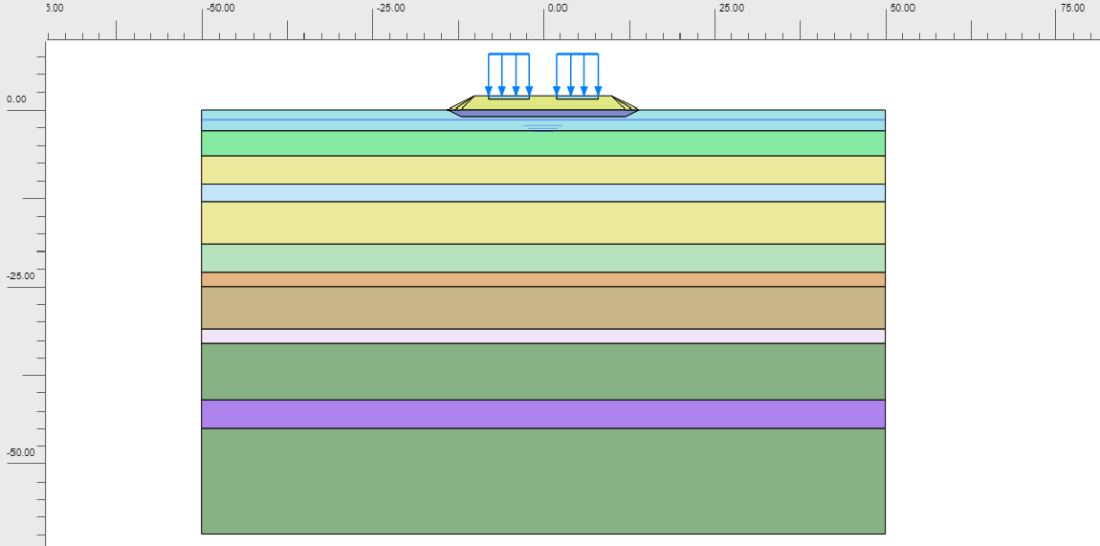

 |  |  |  |  |  |  |  |  |  |  |  |  |  |  |  |  |  |  |  |  |  |  |  |  |  |  | 1
 |  |  |  |  |  |  |  |  |  |  |  |  |  |  |  |  |  |  |  |  |  |  |  |  |  |  | 2
 |  |  |  |  |  |  |  |  |  |  |  |  |  |  |  |  |  |  |  |  |  |  |  |  |  |  | 3
 |  |  |  |  |  |  |  |  |  |  |  |  |  |  |  |  |  |  |  |  |  |  |  |  |  |  | 4
 |  |  |  |  |  |  |  |  |  |  |  |  |  |  |  |  |  |  |  |  |  |  |  |  |  |  | 5
 |  |  |  |  |  |  |  |  |  |  |  |  |  |  |  |  |  |  |  |  |  |  |  |  |  |  | 6
 |  |  |  |  |  |  |  |  |  |  |  |  |  |  |  |  |  |  |  |  |  |  |  |  |  |  | 7
 |  |  |  |  |  |  | Figure 3. Embankment modelling in PLAXIS 2D |  |  |  |  |  |  |  |  |  |  |  |  |  |  |  |  |  |  |  | 8
 |  |  |  |  |  |  |  |  |  |  |  |  |  |  |  |  |  |  |  |  |  |  |  |  |  |  | 9
Vertical slope of embankment, |  |  |  |  |  |  |  |  |  |  |  |  |  |  |  |  |  |  | V = |  |  | 1 |  |  |  |  | 10
Horizontal embankment slope, |  |  |  |  |  |  |  |  |  |  |  |  |  |  |  |  |  |  | H = |  |  | 2 |  |  |  |  | 11
The number of existing soil layers, |  |  |  |  |  |  |  |  |  |  |  |  |  |  |  |  |  |  | Soil layer = |  |  | 12 |  |  |  |  | 12
Embankment material, |  |  |  |  |  |  |  |  |  |  |  |  |  |  |  |  |  |  | Embankment = |  |  | Yes |  |  |  |  | Yes

Table. Soil parameters
Lapisan tanah No. |  | Depth | H | NSPT | Jenis Tanah |  | gunsat |  | gsat |  | E50' |  | Eeod |  | Eur |  | n' |  | cu |  | c ' |  | Phi ' |  | k xy |  | INPUT...!!!
 |  |  |  |  |  |  |  |  |  |  |  |  |  |  |  |  |  |  |  |  |  |  |  |  |  |  | Depth | NSPT | SOIL TYPE
 |  | m | m | avrg |  |  | kN/m3 |  | kN/m3 |  | kN/m2 |  | kN/m2 |  | kN/m2 |  |  |  | kN/m2 |  | kN/m2 |  | ( ° ) |  | m/day |  | m
Fill |  |  |  |  |  |  | 16.5 |  | 17.5 |  | 10,000 |  | 8,000 |  | 24,000 |  | 0.30 |  | 50.0 |  | 5.0 |  | 25 |  | 4.30E-01 |  |  | - | cs
S. Fill |  | 0.0 |  | - |  |  | 17.0 |  | 18.0 |  | 12,000 |  | 10,000 |  | 30,000 |  | 0.30 |  | 80.0 |  | 5.0 |  | 30 |  | 4.30E-01 |  |  |  | cs
Lap. 1 |  |  |  | 48.0 | sand |  |  |  | 18.4 |  | 48,000 |  | 38,400 |  | 144,000 |  | 0.30 |  | - |  | 1.0 |  | 41.2 |  | 8.64E-02 |  | 0 | - | cs
Lap. 2 |  | -7.5 |  | 22.0 | sand |  |  |  | 18.4 |  | 22,000 |  | 17,600 |  | 66,000 |  | 0.30 |  | - |  | 1.0 |  | 33.9 |  | 8.64E-02 |  | 0 | 3 | cs
Lap. 3 |  | -13.5 |  | 47.0 | sand |  |  |  | 18.4 |  | 47,000 |  | 37,600 |  | 141,000 |  | 0.30 |  | - |  | 1.0 |  | 41 |  | 8.64E-02 |  | -4 | 4 | cs
Lap. 4 |  | -15.0 |  | 24.0 | sand |  |  |  | 18.4 |  | 24,000 |  | 19,200 |  | 72,000 |  | 0.30 |  | - |  | 1.0 |  | 35 |  | 8.64E-02 |  | -8 | 6 | cs
Lap. 5 |  | -24.0 |  | 44.0 | sand |  |  |  | 18.4 |  | 44,000 |  | 35,200 |  | 132,000 |  | 0.30 |  | - |  | 1.0 |  | 40 |  | 8.64E-02 |  | -12 | 9 | cs
Lap. 6 |  | -25.5 |  | 26.0 | sand |  |  |  | 18.4 |  | 26,000 |  | 20,800 |  | 78,000 |  | 0.30 |  | - |  | 1.0 |  | 35 |  | 8.64E-02 |  | -16 | 15 | cs
Lap. 7 |  | -28.5 |  | 44.0 | sand |  |  |  | 18.4 |  | 44,000 |  | 35,200 |  | 132,000 |  | 0.30 |  | - |  | 1.0 |  | 40 |  | 8.64E-02 |  | -24 | 25 | cs
Lap. 8 |  | -33.0 |  | 26.0 | sand |  |  |  | 18.4 |  | 26000 |  | 20800 |  | 78000 |  | 0.30 |  | - |  | 1.0 |  | 35 |  | 8.64E-02 |  | -30
Lap. 9 |  | -34.5 |  | 49.0 | sand |  |  |  | 18.4 |  | 49000 |  | 39200 |  | 147000 |  | 0.30 |  | - |  | 1.0 |  | 42 |  | 8.64E-02 |  | -36 | 25 | cs
Lap. 10 |  | -48.0 |  | 29.0 | sand |  |  |  | 18.4 |  | 29000 |  | 23200 |  | 87000 |  | 0.30 |  | - |  | 1.0 |  | 36 |  | 8.64E-02 |  | -42
Lap. 11 |  | -54.0 |  | 50.0 | sand |  |  |  | 18.4 |  | 50000 |  | 40000 |  | 150000 |  | 0.30 |  | - |  | 1.0 |  | 42 |  | 8.64E-02 |  | -48 | 25 | cs
Lap. 12 |  | -58.5 |  | 34.0 | sand |  |  |  | 18.4 |  | 34000 |  | 27200 |  | 102000 |  | 0.30 |  | - |  | 1.0 |  | 37 |  | 8.64E-02
 |  |  |  |  |  |  |  |  |  |  |  |  |  |  |  |  |  |  |  |  |  |  |  |  |  |  | -60

 |  |  |  |  |  |  |  |  |  |  |  |  |  |  |  |  |  |  |  |  |  | Sheet :

2.2. STABILITY ANALYSIS RESULT
2.2.1. STATIC STABILITY ANALYSIS
Static stability calculations in the end of construction (Short-term analysis)

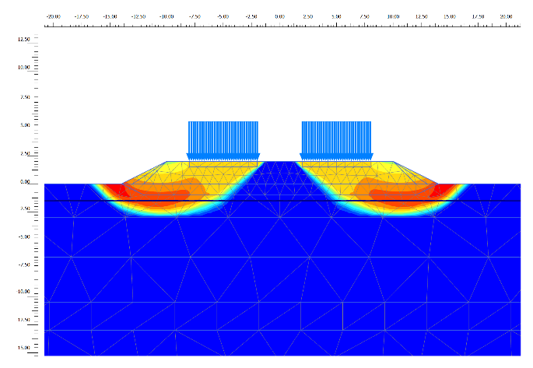
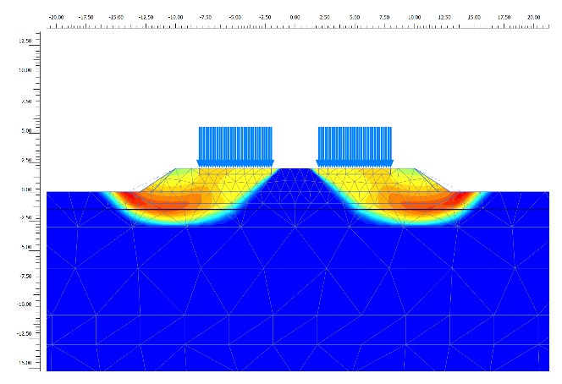


 |  |  | Slope 1V : 2H |  |  |  |  |  |  |  |  | Slope 1V : 1.5H |  |  |  |  |  |  |  |  | Slope 1V : 1H

Calculated safety factor, |  |  |  |  |  |  |  |  |  |  |  |  |  |  |  |  |  |  | SF 1V:2H = |  |  |  |  |  |  | Isi dari hasil PLAXIS 2D (gambar di halaman ini masih dari template).
 |  |  |  |  |  |  |  |  |  |  |  |  |  |  |  |  |  |  | SF 1V:1.5H =
 |  |  |  |  |  |  |  |  |  |  |  |  |  |  |  |  |  |  | SF 1V:1H =
Safety factor required, |  |  |  |  |  |  |  |  |  |  |  |  |  |  |  |  |  |  | SFmin = |  |  | 1.25

Static stability calculations in the final stages of construction (Long-term analysis)

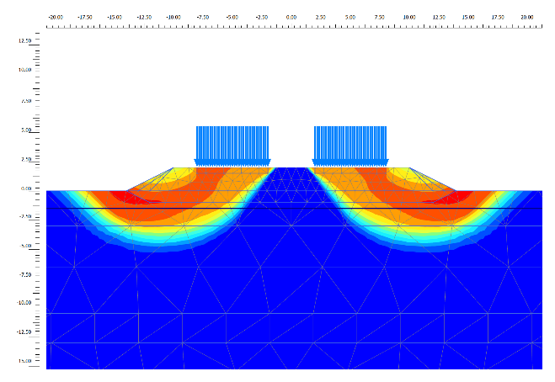
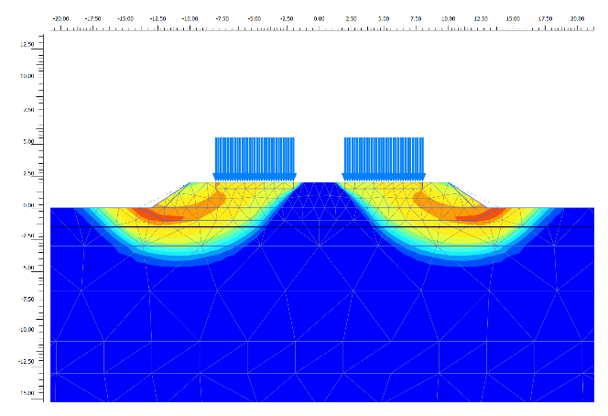
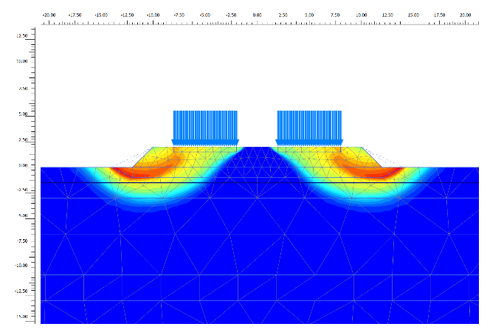

 |  |  | Slope 1V : 2H |  |  |  |  |  |  |  |  | Slope 1V : 1.5H |  |  |  |  |  |  |  |  | Slope 1V : 1H

Calculated safety factor,
 |  |  |  |  |  |  |  |  |  |  |  |  |  |  |  |  |  |  | SF 1V:2H = |  |  |  |  |  |  | Isi dari hasil PLAXIS 2D.
 |  |  |  |  |  |  |  |  |  |  |  |  |  |  |  |  |  |  | SF 1V:1.5H =
 |  |  |  |  |  |  |  |  |  |  |  |  |  |  |  |  |  |  | SF 1V:1H =
Safety factor required, |  |  |  |  |  |  |  |  |  |  |  |  |  |  |  |  |  |  | SFmin = |  |  | 1.50

 |  |  |  |  |  |  |  |  |  |  |  |  |  |  |  |  |  |  |  |  |  | Sheet :

2.2.2. DYNAMIC ANALYSIS
Based on the 2017 Indonesian Earthquake Map, the peak ground acceleration (PGA) is as follows:
PGA value, |  |  |  |  |  |  |  |  |  |  |  |  |  |  |  |  |  |  | PGA = |  |  | 0.64
FPGA value, |  |  |  |  |  |  |  |  |  |  |  |  |  |  |  |  |  |  | FPGA = |  |  | 1.1
PSA value, |  |  |  |  |  |  |  |  |  |  |  |  |  |  |  |  |  |  | PSA =
kh, |  |  |  |  |  |  |  |  |  |  |  |  |  |  |  |  |  |  | kh = |  |  | 0.500
Based on the horizontal maximum ground acceleration, |  |  |  |  |  |  |  |  |  |  |  |  |  |  |  |  | a max = kh * PSA |  | a max =

SLOPE STABILITY ANALYSIS IN DYNAMIC CONDITION (PSEUDOSTATIC)
Stability analysis using earthquake ground acceleration on return period of 500 years
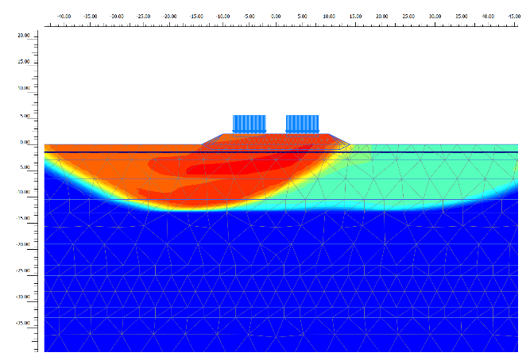
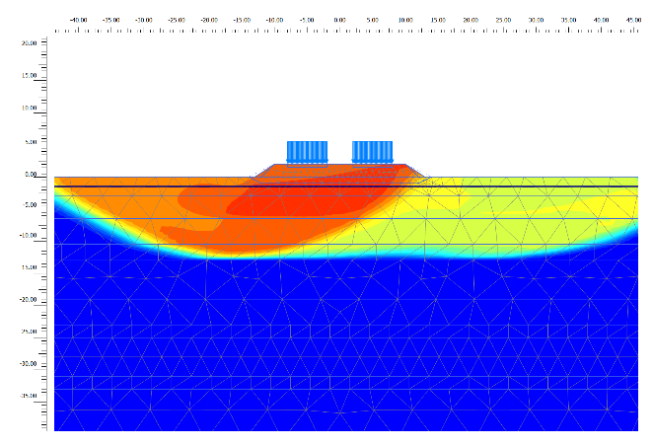
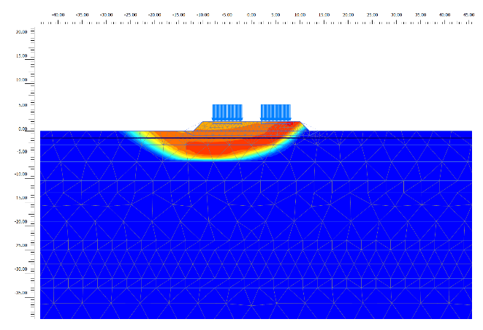

 |  |  | Slope 1V : 2H |  |  |  |  |  |  |  |  | Slope 1V : 1.5H |  |  |  |  |  |  |  |  | Slope 1V : 1H

Calculated safety factor,
 |  |  |  |  |  |  |  |  |  |  |  |  |  |  |  |  |  |  | SF 1V:2H = |  |  |  |  |  |  | Isi dari hasil PLAXIS 2D.
 |  |  |  |  |  |  |  |  |  |  |  |  |  |  |  |  |  |  | SF 1V:1.5H =
 |  |  |  |  |  |  |  |  |  |  |  |  |  |  |  |  |  |  | SF 1V:1H =
Safety factor required, |  |  |  |  |  |  |  |  |  |  |  |  |  |  |  |  |  |  | SFmin = |  |  | 1.10

2.3. RESULT OF EMBANKMENT STABILITY ANALYSIS
The stability analysis results for each implementation stage of the modeling in the Plaxis program
are presented in the following table:

Table 5. Stability analysis result
No. | Stage Construction |  |  |  |  | SF min |  |  | SF 1V:2H |  |  | CEK |  |  | SF 1V:1.5H |  |  | CEK |  |  | SF 1V:1H |  |  | CEK
1 | Short term static analysis
2 | Long term static analysis
3 | Dynamic pseudostatic

 |  |  |  |  |  |  |  |  |  |  |  |  |  |  |  |  |  |  |  |  |  | Sheet :

2.4. CALCULATION OF CONSOLIDATION SETTLEMENT
Consolidation settlement analysis is carried out based on the numerical analysis.
Settlement calculations are performed at nodes located along the planned road axis after construction.

End of construction
S = 5.2 cm
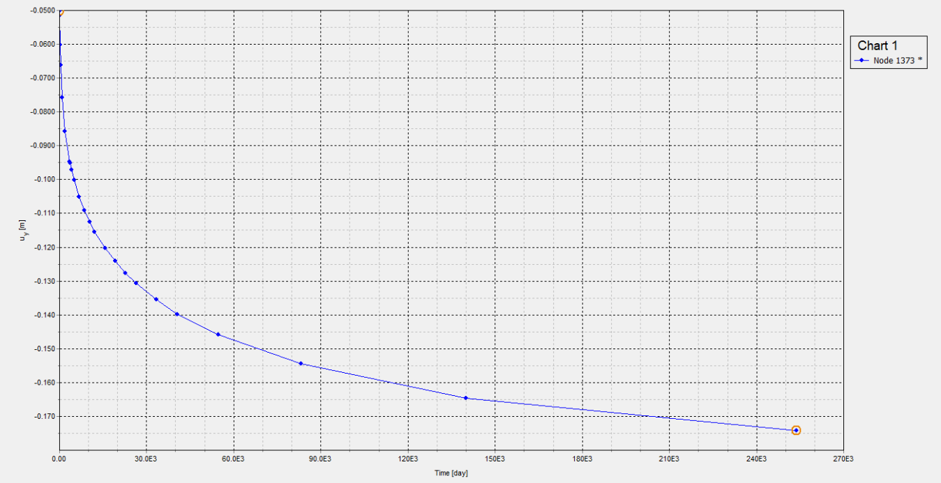

End of construction
S = 19.6 cm
1 year after end of construction
S = 6.6 cm

10 year after end of construction
S = 9.5 cm
1 year after end of construction
S = 21.8 cm

 |  |  |  |  |  |  |  |  |  |  |  | Figure 9. Time - settlement in consolidation analysis

 |  |  |  |  |  |  |  |  |  |  |  | Table 6. Construction stage
 |  |  |  |  |  | Stage |  |  |  | Embankment height |  |  |  |  | Consolidation time
 |  |  |  |  |  |  |  |  |  | m |  |  |  |  | day
 |  |  |  |  |  | 1 |  |  |  |  |  |  | 0

2.4.1. RESULT OF CONSOLIDATION SETTLEMENT
The following is a summary of the subgrade soil consolidation settlement during the operational
phase (service condition):
Table 9. Result of consolidation settlement
No | Construction stage |  |  |  |  |  |  |  |  |  |  | Settlement (cm) |  |  |  |  |  |  |  | Res. Settle max (cm) |  |  |  | Summary
 |  |  |  |  |  |  |  |  |  |  |  | Immediate |  |  |  | Consolidation
1 | End of construction |  |  |  |  |  |  |  |  |  |  |  |  |  |  | - |  |  |  |  |  |  |  |  |  | Isi dari hasil PLAXIS 2D.
2 | 1 year (service condition) |  |  |  |  |  |  |  |  |  |  | - |  |  |  |  |  |  |  | 2.0 |  |  |  | -
3 | 10 years (service condition) |  |  |  |  |  |  |  |  |  |  | - |  |  |  |  |  |  |  | 30.0

 |  |  |  |  |  |  |  |  |  |  |  |  |  |  |  |  |  |  |  |  |  | Sheet :

