ONE PAGER
STRYVE1

23.11.2019 & 31.12.2019

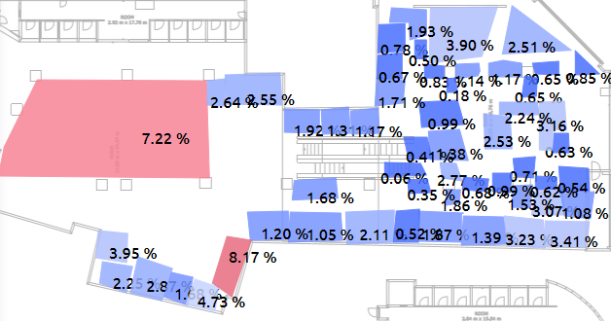

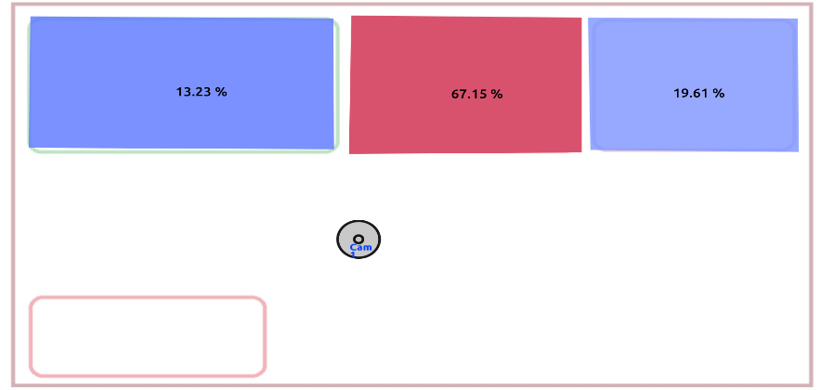
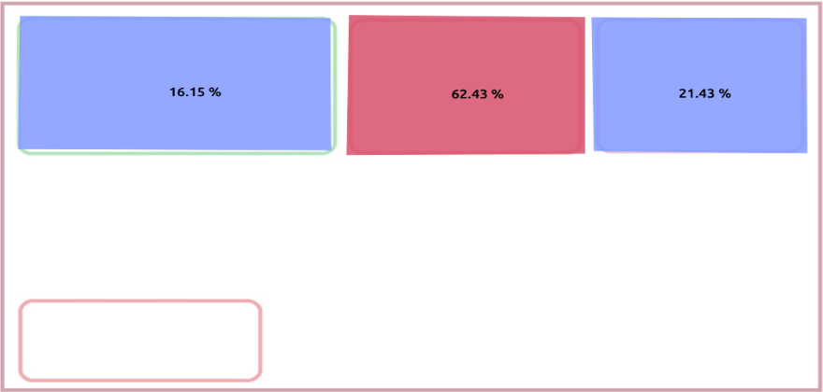

 | Total Viewers | Time Spent
23/11 | 1419 | 7.28
24/11 | 0 | 0
25/11 | 268 | 7.09
26/11 | 0 | 0
27/11 | 0 | 0
28/11 | 181 | 8.24
29/11 | 113 | 5.73
30/11 | 1649 | 8.71
01/12 | 0 | 0
02/12 | 480 | 7.95
03/12 | 482 | 7.95
04/12 | 676 | 9.07
05/12 | 657 | 8.73
06/12 | 0 | 0
07/12 | 1717 | 10.55
08/12 | 761 | 10.79
09/12 | 570 | 7.47
10/12 | 839 | 8.21
11/12 | 616 | 11.06
12/12 | 850 | 8.74
13/12 | 772 | 9.8
14/12 | 1645 | 10.33
15/12 | 0 | 0
16/12 | 729 | 8.51
17/12 | 815 | 8.74
18/12 | 929 | 9.43
19/12 | 937 | 8.49
20/12 | 1091 | 8.71
21/12 | 1812 | 10.45
22/12 | 0 | 0
23/12 | 1320 | 9.86
24/12 | 225 | 9.6
25/12 | 2 | 5
26/12 | 0 | 0
27/12 | 943 | 9.61
28/12 | 1273 | 9.88
29/12 | 0 | 0
30/12 | 853 | 10.54
31/12 | 37 | 4.73

Total vısıtors None
 | Total Costumers
Stryve | 21,018
Store Average | 15,097
total customers None
Stryve | 150
Store Average | 145
None None
 | Time Spent (sec.)
Stryve | 9.5
Store Average | 6.1
None None
 | Density %
Stryve | 3.9
Store Average | 1.9

INTEREST RATE % None
Stryve | 2.6
Store Average | 1.9
ENGAGEMENT RATE % None
Stryve | 19.8
Store Average | 9.3
None None
 | Revenue €
Stryve | 7,324
Store Average | 3,028
None None
 | Conversion Rate %
Stryve | 4.0
Store Average | 7.1

 | Sales (Q) | Revenue €
23/11 | 6 | 169
24/11 | 0 | -
25/11 | 5 | 249
26/11 | 2 | 59
27/11 | 0 | -
28/11 | 1 | 29
29/11 | 6 | 169
30/11 | 10 | 289
01/12 | 0 | -
02/12 | 4 | 124
03/12 | 4 | 154
04/12 | 1 | 34
05/12 | 0 | -
06/12 | 1 | 34
07/12 | 2 | 69
08/12 | 0 | -
09/12 | 1 | 34
10/12 | 3 | 109
11/12 | 9 | 509
12/12 | 8 | 359
13/12 | 6 | 419
14/12 | 22 | 598
15/12 | 0 | -
16/12 | 9 | 379
17/12 | 8 | 369
18/12 | 12 | 729
19/12 | 5 | 167
20/12 | 8 | 327
21/12 | 29 | 1,324
22/12 | 0 | -
23/12 | 18 | 654
24/12 | 7 | 205
25/12 | 0 | -
26/12 | 0 | -
27/12 | 2 | 179
28/12 | 2 | 189
29/12 | 0 | -
30/12 | 3 | 314
31/12 | 1 | 29

TOTAL VISITORS None
 | TOTAL CUSTOMER
>3 Sec. | 19,887
>5 Sec. | 17,567
>8 Sec. | 8,345
>10 Sec. | 5,134
>60 Sec. | 567
None None
 | GENDER SPLIT %
Male | 45
Female | 55
None None
 | AGE SPLIT %
18-25 | 33
25-35 | 39
35-45 | 20
45-60 | 6
60+ | 2

