Theory Academic Definition
TOC for THEORY Ties and _db/SEMINAL INPUTS of Konsequence.

ADDED CRITERION FROM CLASS - _db usage for SOP

 | 9f5cac33-7b86-4cb4-9f55-6ca93ecb0926.pdf
 | PDF
 | Organizing_Theories_for_Disast.pdf
 | PDF
 | DEFINE theory _ Academic definitions, chart of action, Understanding, describe all aspects.

 |  | DEFINE theory _ Academic definitions, chart of action, Understanding, describe all aspects.
 |  |  |  |  |  | A stakeholder-theory-grounded, PLU-operationalized, middle-range explanatory spine that uses an interpretive, process-mechanistic, primarily meso-level, and contingency-sensitive conceptual model to investigate how stakeholder salience is translated through governance mechanisms into recoverability assurance in U.S.-SME ITDRPaaS contexts.

 | Theory: Academic Definition, Structure, Purpose, and Research Application

 | Table of Contents

 | Core academic definition

 | Essential components of theory

 | What theory does

 | Theory compared with related research terms

 | Types and levels of theory

 | Theory-to-research action chart

 | Theory in qualitative research

 | Application to the ITDRPaaS dissertation spine

 | Assessment of the attached sources

 | References

 | 1. Core Academic Definition

 | A theory is an organized and logically connected system of concepts, constructs, definitions, assumptions, and relational statements that explains how or why a phenomenon occurs under specified conditions. A theory does more than identify relevant factors. It explains the relationships among those factors and supplies the reasoning—or theoretical mechanism—that connects conditions, actions, and outcomes.

 | In simpler terms:

 | A theory is a reasoned explanation of what is occurring, why it occurs, how its components are connected, and under what conditions those relationships should or should not hold.

 | Whetten (1989) explains that a theoretically complete argument addresses four central questions:

 | What? What concepts, constructs, or factors explain the phenomenon?

 | How? How are those factors related?

 | Why? Why should those relationships occur?

 | Who, where, and when? Under what populations, settings, and conditions should the explanation apply?

 | The why is especially important. Sutton and Staw (1995) contend that theory resides in the reasoning that explains why events, structures, actions, or relationships occur—not merely in citations, data, diagrams, variables, or hypotheses. Therefore, a diagram showing that A→B is not, by itself, a theory. The researcher must explain the mechanism through which A influences B, the conditions affecting that relationship, and the evidence that could support, complicate, or contradict it (Sutton & Staw, 1995; Whetten, 1989).

 | Theory does not possess one universally accepted meaning across every academic discipline. Abend (2008) demonstrates that scholars use the term to mean explanatory propositions, interpretations, analytical perspectives, foundational assumptions, or broader intellectual traditions. Consequently, doctoral researchers must explicitly state what they mean by “theory” and how the selected theory will function in their study (Abend, 2008).

 | 2. Essential Components of Theory

 | Component | Academic meaning | Question answered | ITDRPaaS illustration
 | Phenomenon | The event, condition, behavior, or process requiring explanation | What is being studied? | Production of recoverability assurance
 | Concept | A general abstract idea | What broad idea matters? | Governance, authority, urgency
 | Construct | A concept deliberately defined for theoretical or empirical analysis | What specific abstraction will be examined? | Stakeholder salience, decision-rights clarity
 | Assumption | A foundational condition accepted as part of the explanation | What must be accepted for the theory to operate? | Managers do not treat all stakeholder claims equally
 | Relationship | A proposed connection between two or more constructs | How are the constructs connected? | Salience influences managerial prioritization
 | Mechanism | The process through which one condition produces or shapes another | Why and through what process does the relationship occur? | Recognized salience affects who receives authority and whose evidence requirements prevail
 | Proposition | A general theoretical statement concerning expected relationships | What relationship does the theory assert? | Greater perceived urgency may accelerate escalation and alter evidence-acceptance thresholds
 | Boundary conditions | The circumstances that limit a theory’s applicability | Who, where, and when does it apply? | U.S. SMEs adopting or using ITDRPaaS
 | Outcome | The state, behavior, or result the theory helps explain | What is ultimately affected? | Credible, repeatable, and auditable recoverability assurance
 | Evidence implications | Observations that would support, qualify, or challenge the explanation | What should be found if the theory is useful? | Documented decision authority, escalation triggers, test evidence, and exception approvals

 | The most important distinction: relationship versus mechanism

 | A relationship states that two constructs are associated. A mechanism explains how that association is produced.

 | For example:

 | Relationship: Stakeholder salience influences decision rights.

 | Mechanism: When managers perceive a stakeholder as possessing greater power, legitimacy, or urgency, they give that stakeholder’s claim greater attention and priority. This prioritization affects who receives decision authority, when escalation occurs, and what recovery evidence is accepted.

 | The second statement is more theoretically developed because it supplies the explanatory process.

 | 3. What Theory Does

 | Theory performs several related scholarly functions.

 | Function | Description | Example
 | Describes | Identifies the important characteristics of a phenomenon | Identifies power, legitimacy, and urgency as stakeholder attributes
 | Organizes | Places concepts and findings into an intelligible structure | Organizes governance evidence around authority, escalation, and assurance
 | Explains | Specifies why and how relationships occur | Explains why certain stakeholders receive priority during disruption
 | Interprets | Provides a lens through which meanings and actions can be understood | Interprets managers’ accounts of “acceptable recovery evidence”
 | Predicts or anticipates | Indicates what patterns may be expected under particular conditions | Anticipates that intense urgency may compress decision time
 | Delimits | Establishes the population, setting, time, and conditions of applicability | Bounds conclusions to U.S. SMEs and ITDRPaaS governance
 | Guides inquiry | Directs attention toward theoretically relevant questions and evidence | Guides questions about decision authority and escalation
 | Integrates evidence | Connects findings from multiple sources | Relates interview accounts to recovery policies and test records
 | Supports evaluation | Allows evidence to support, refine, qualify, or contradict an explanation | Determines whether PLU explains actual governance decisions
 | Enables contribution | Provides a basis for extending or refining knowledge | Explains the mechanism connecting salience to recoverability assurance

 | Theory should not be treated as unquestionable truth. It is a bounded explanatory account that remains open to empirical examination, reinterpretation, refinement, and contradiction.

 | 4. Theory Compared With Related Research Terms

 | Term | Definition | Relationship to theory | What it is not
 | Concept | A general abstract idea | Supplies theoretical vocabulary | Not necessarily defined precisely enough for analysis
 | Construct | A deliberately defined abstraction | Becomes a component of theory | Not necessarily directly observable
 | Variable | A measurable representation that can take different values | May operationalize a construct in quantitative research | Not automatically a construct or theory
 | Proposition | A general claim connecting theoretical constructs | Expresses an expected theoretical relationship | Not necessarily a statistically testable statement
 | Hypothesis | A specific, empirically testable prediction | Tests an implication of theory, commonly in quantitative research | Not the theory itself
 | Model | A simplified representation of a process or system | May depict or operationalize a theory | A diagram alone does not explain why relationships occur
 | Framework | An organizing structure for concepts, theories, or evidence | Helps arrange the study | Does not necessarily provide a complete causal explanation
 | Theoretical framework | The established theory or combination of theories used to interpret the study | Specifies the study’s explanatory lens | Not merely a list of theories
 | Conceptual framework | A researcher-developed structure connecting selected concepts, literature, and expected relationships | Shows how the researcher understands the study problem | Does not automatically constitute an established theory
 | Paradigm or worldview | Foundational assumptions about reality and knowledge | Influences how theories and evidence are understood | Not an individual theory
 | Methodology | The logic governing how a study is conducted | Determines how theory and evidence will be investigated | Not a theory
 | Method | A specific data-collection or analytical procedure | Produces evidence used to examine theory | Interviews and thematic analysis are not theories
 | Theme | A patterned meaning developed through qualitative analysis | May support, extend, or complicate theory | Not automatically a theoretical construct
 | Finding | An evidence-based result of a study | Can inform theoretical conclusions | Does not become theory merely by being reported

 | What theory is not

 | A theory is not simply:

 | a topic;

 | a literature review;

 | a collection of citations;

 | a list of variables;

 | a conceptual diagram;

 | a hypothesis;

 | a research question;

 | a method of data collection;

 | a coding system;

 | a description of findings; or

 | a personal opinion.

 | These elements can support theory, but none independently constitutes theory (Sutton & Staw, 1995).

 | 5. Types and Levels of Theory

 | Classification by scope

 | Level | Scope | Strength | Limitation
 | Grand or general theory | Explains broad dimensions of social or organizational life | Provides extensive intellectual reach | May be too abstract for direct empirical application
 | Middle-range theory | Explains a bounded class of processes or outcomes | Balances explanation with empirical usability | Does not claim universal coverage
 | Substantive theory | Explains a specific phenomenon, population, or setting | Closely aligned with actual practice | Has narrower transferability
 | Local or situational explanation | Explains patterns in a specific study or context | Highly grounded in evidence | Should not be overstated as broadly generalizable

 | Burger et al. (2021) observe that disaster research contains numerous middle-ground theories rather than one unifying theory. Such theories explain bounded patterns—including adaptation, social organization, vulnerability, resource loss, and recovery—without claiming to explain every form of disaster behavior.

 | Classification by scholarly purpose

 | Descriptive theory identifies and classifies the elements of a phenomenon.

 | Explanatory theory specifies why and how relationships occur.

 | Predictive theory anticipates likely outcomes under specified conditions.

 | Interpretive theory helps explain meaning, perception, discourse, and social action.

 | Process theory explains how events or conditions develop over time.

 | Normative theory addresses what actors or institutions ought to do.

 | Critical theory examines power, domination, exclusion, ideology, and structural inequality.

 | One theory may serve more than one purpose. Stakeholder salience theory, for example, classifies stakeholders through PLU while also explaining why managers prioritize some claims over others.

 | 6. Theory-to-Research Action Chart

 | Stage | Researcher action | Theoretical question | Required output
 | 1. Define the phenomenon | Specify the condition or process requiring explanation | What must be explained? | Clear research phenomenon
 | 2. Establish the problem | Identify what is unknown, inconsistent, or insufficiently explained | What does the literature not adequately explain? | Evidence-supported research gap
 | 3. Search for candidate theories | Review theories relevant to the phenomenon and mechanism | Which theory has explanatory relevance? | Theory-comparison matrix
 | 4. Select the theory | Justify the theory according to problem, purpose, and RQ alignment | Why is this theory suitable? | Theory-selection rationale
 | 5. Define constructs | State the meaning and boundaries of each construct | What precisely does each term mean? | Conceptual and operational definitions
 | 6. Specify relationships | State how the constructs are expected to relate | What influences what? | Relational statements or propositions
 | 7. Explain mechanisms | Identify the process connecting conditions, actions, and outcomes | Why and how should the relationships occur? | Mechanism explanation
 | 8. Establish boundaries | Define population, setting, time, and contextual limits | Who, where, and when? | Scope and boundary conditions
 | 9. Align the research question | Ensure the RQ examines the theoretical process without presupposing findings | What can participants and evidence reveal? | Theory-aligned RQ
 | 10. Design data collection | Translate constructs into open-ended interview and artifact queries | What evidence could illuminate the mechanism? | Interview and artifact protocols
 | 11. Analyze reflexively | Use theory as a sensitizing lens while permitting emergent meanings | What supports, extends, or challenges the theory? | Codes, categories, themes, and analytic memos
 | 12. Examine alternatives | Search for contradictory evidence and rival explanations | What else could explain the pattern? | Negative-case and rival-explanation analysis
 | 13. Interpret findings | Return themes to the theoretical relationships and boundaries | How do the findings change understanding? | Theory-informed interpretation
 | 14. State the contribution | Identify what was supported, refined, integrated, bounded, or complicated | What has the study added? | Calibrated theoretical contribution

 | The overall movement is:
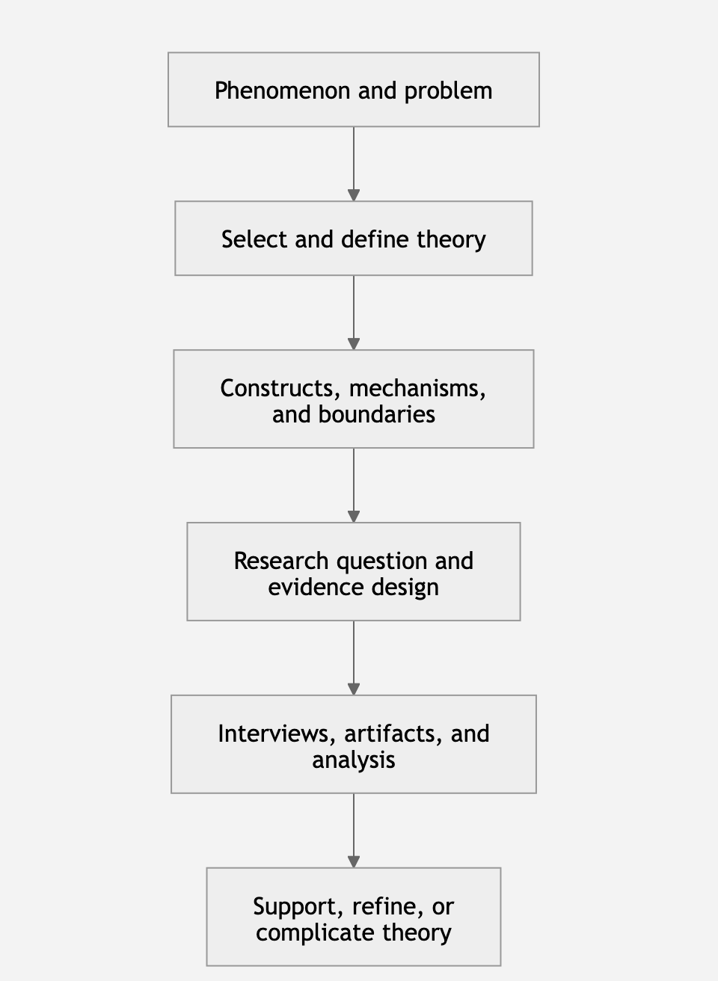

 | Theory can enter a qualitative study at three points.

 | Before data collection

 | An existing theory helps define the study’s focus, research question, participant criteria, and potential sources of evidence. In generic qualitative inquiry, theoretical constructs can become sensitizing concepts. They direct attention toward potentially meaningful processes without prescribing exactly what participants must say.

 | For example, PLU can sensitize the researcher to statements concerning:

 | control over resources or decisions;

 | recognized responsibility or rightful standing;

 | time sensitivity and potential harm;

 | changes in stakeholder priority;

 | conflict among competing recovery claims; and

 | authority to accept or reject recovery evidence.

 | During data collection and analysis

 | The theory informs open-ended questions, probing, comparisons, and analytic memos. However, the researcher must not transform the theory into a rigid coding cage. A PLU-only codebook could prevent the discovery of unanticipated influences such as organizational trust, provider dependence, technical debt, insurance demands, institutional memory, or resource scarcity.

 | A defensible approach combines:

 | theory-informed initial coding;

 | inductive coding for emergent meanings;

 | within-case and cross-case comparison;

 | critical-incident analysis;

 | reflexive memoing;

 | negative-case analysis; and

 | interview–artifact triangulation.
 |  | de Villiers C, Farooq MB, Molinari M (2022), "Qualitative research interviews using online video technology – challenges and opportunities". Meditari Accountancy Research, Vol. 30 No. 6 pp. 1764–1782, doi: https://doi.org/10.1108/MEDAR-03-2021-1252

 | After analysis

 | Themes are compared with theoretical expectations. The appropriate conclusions include:

 | supports the theoretical explanation;

 | extends it by identifying an additional construct or mechanism;

 | refines the relationship or its boundary conditions;

 | qualifies the strength or range of the claim;

 | complicates the expected relationship;

 | contradicts part of the explanation; or

 | integrates previously separate theoretical ideas.

 | A qualitative study ordinarily should not claim that it “proved” a theory.

 | 8. Application to the ITDRPaaS Dissertation Spine

 | Proposed theoretical architecture

 | Your study can distinguish its theoretical elements as follows:

 | Dissertation element | Proper classification | Function
 | Stakeholder theory | Primary theoretical foundation | Explains the organization’s obligations and relationships with affected stakeholders
 | Stakeholder salience—PLU | Operational theoretical lens | Explains how perceived power, legitimacy, and urgency shape managerial attention and priority
 | IT governance decision rights | Supporting governance construct/framework | Explains how decision authority and accountability are allocated
 | Escalation pathways | Governance mechanism | Translates recognized priority into elevated attention and authorized action
 | Evidence standards and acceptance | Assurance mechanism | Determines what recovery proof is considered credible and sufficient
 | Recoverability assurance | Principal outcome construct | Represents governed confidence supported by credible, accepted, and auditable recovery evidence
 | SAL → DR → ESC → AE | Researcher-developed conceptual process model | Organizes the proposed governance-to-assurance mechanism

 | The dissertation’s emerging theoretical explanation

 | A sufficiently developed version would state:

 | Under stakeholder-salience conditions, managerial perceptions of stakeholder power, legitimacy, and urgency shape whose recovery claims receive priority. That prioritization influences the allocation or activation of decision rights, which governs when escalation occurs, who may authorize exceptions, and what evidence is accepted as sufficient proof of recovery. These linked governance processes shape the credibility and repeatability of recoverability assurance within U.S. SMEs using or adopting ITDRPaaS.

 | This is more than a sequence because it explains the mechanism connecting the constructs. Nevertheless, the SAL → DR → ESC → AE chain should currently be called a proposed conceptual process model, not a newly established theory. It could support theoretical refinement after empirical analysis, but it has not yet earned the status of a validated theory.

 | Boundary conditions

 | The explanation should remain bounded to:

 | U.S. SMEs;

 | organizations using, adopting, or transitioning to ITDRPaaS;

 | IT/network managers and other actors involved in recovery governance;

 | disruption, testing, recovery, and third-party dependency conditions; and

 | governance decisions involving authority, escalation, and evidence acceptance.

 | Example theory-aligned interview logic

 | PLU construct | Interview inquiry | Potential artifact | Analytical purpose
 | Power | Who could approve, delay, redirect, or stop the recovery action? | RACI chart, approval matrix | Examine control over decision rights
 | Legitimacy | Whose claim was treated as appropriate or authoritative, and why? | Policy, role description, regulatory obligation | Examine accepted standing
 | Urgency | What made the issue require immediate attention? | Incident timeline, severity matrix, SLA | Examine time sensitivity and consequence
 | Decision rights | Who was authorized to decide, and was that authority clear? | Governance charter, runbook | Examine authority allocation
 | Escalation | What triggered escalation, and to whom? | Escalation matrix, ticket record | Examine process activation
 | Evidence acceptance | Who determined that recovery was sufficient, and what proof was required? | Test report, restore log, sign-off | Examine assurance standards
 | Recoverability assurance | What gave the organization confidence that agreed thresholds could be met repeatedly? | Exercise report, corrective-action record | Examine the outcome construct

 | 9. Assessment of the Attached Sources

 | Credo Reference mind map

 | The associates theory with hypothesis, explanation, falsifiability, experiment, philosophy of science, empiricism, fact, physics, scientific method, and science.

 | The map is useful as a preliminary orientation tool because it shows that theory belongs within a broader knowledge-production system. However, it does not define the relationships among those concepts and should not serve as the principal doctoral authority for defining theory. A mind map identifies associations; it does not supply the explanatory reasoning needed for theory construction.

 | Burger, Kennedy, and Crooks

 | provides a strong illustration of the difference between a theory and a framework. Burger et al. (2021) organize disaster theories around physical, social, and individual systems. Their complex adaptive systems framework emphasizes heterogeneity, interaction, feedback, emergence, adaptation, learning, and nonlinearity. The framework does not invalidate the theories it organizes; instead, it creates an integrative structure in which relationships among theories and systems can be examined (Burger et al., 2021).

 | The article is conceptually useful for your study because ITDRPaaS governance also involves interacting actors, organizations, technologies, providers, feedback, adaptation, and changing conditions. However, it has important limitations for direct dissertation use:

 | It concerns disaster behavior broadly rather than IT disaster-recovery governance specifically.

 | It is not confined to U.S. SMEs.

 | The authors intentionally do not examine human–technology interactions directly.

 | Its CAS framework should therefore be treated as a possible organizing or supplementary perspective, not an automatic replacement for stakeholder theory and PLU.

 | Adding CAS as another formal theory could overcomplicate the theoretical framework unless nonlinearity, emergence, adaptation, and feedback are central to the final research question.

 | The disciplined choice is to retain stakeholder theory and PLU as the principal lens while using complexity language selectively to explain why salience, authority, escalation, and evidence acceptance may change during disruptions.

 | 10. References

 | Abend, G. (2008). The meaning of “theory.” Sociological Theory, 26(2), 173–199. https://doi.org/10.1111/j.1467-9558.2008.00324.x

 | Burger, A., Kennedy, W. G., & Crooks, A. (2021). Organizing theories for disasters into a complex adaptive system framework. Urban Science, 5(3), Article 61. https://doi.org/10.3390/urbansci5030061

 | Credo Reference. (2024). Mind map of theory [Concept map]. Infobase.

 | Freeman, R. E. (1984). Strategic management: A stakeholder approach. Pitman.

 | Mitchell, R. K., Agle, B. R., & Wood, D. J. (1997). Toward a theory of stakeholder identification and salience: Defining the principle of who and what really counts. Academy of Management Review, 22(4), 853–886. https://doi.org/10.2307/259247

 | Sutton, R. I., & Staw, B. M. (1995). What theory is not. Administrative Science Quarterly, 40(3), 371–384. https://doi.org/10.2307/2393788

 | Weill, P., & Ross, J. W. (2004). IT governance: How top performers manage IT decision rights for superior results. Harvard Business School Press.

 | Whetten, D. A. (1989). What constitutes a theoretical contribution? Academy of Management Review, 14(4), 490–495. https://doi.org/10.2307/258554

 | Describe the types of theory in the same above detail

 | Types of Theory: Academic Classification, Functions, and Research Application

 | Table of Contents

 | Understanding how theories are classified

 | Types of theory by scope

 | Types of theory by scholarly purpose

 | Types of theory by explanatory logic

 | Types of process theory

 | Types of theory by level of analysis

 | Types of theory by relationship to context

 | Types of theory by research orientation

 | Theory-selection action chart

 | Application to the ITDRPaaS dissertation spine

 | Common classification errors

 | References

 | 1. Understanding How Theories Are Classified

 | There is no single, universally accepted list of theory types. Scholars classify theories according to different dimensions, including:

 | the breadth of phenomena the theory explains;

 | the purpose the theory serves;

 | the form of explanation it provides;

 | the level at which it operates;

 | its assumptions about knowledge and reality;

 | its treatment of time and change; and

 | its relationship to empirical evidence.

 | These dimensions should not be treated as mutually exclusive categories. A single theory can belong to several types simultaneously.

 | For example, stakeholder-salience theory can be classified as:

 | a middle-range theory by scope;

 | an explanatory and classificatory theory by purpose;

 | a variance-oriented theory when PLU attributes are treated as conditions associated with managerial priority;

 | a process-sensitive theory when salience is examined as changing during an incident;

 | a meso-level theory when applied to organizational governance;

 | an interpretive lens when used to understand managers’ perceptions; and

 | a contingency-sensitive theory when its operation depends on organizational roles, resource dependencies, incident severity, or institutional conditions.

 | Therefore, “What type of theory is this?” cannot be answered correctly until the classification dimension is identified.

 | 2. Types of Theory by Scope

 | Scope concerns how broadly a theory claims to apply.

 | 2.1 Grand or General Theory

 | A grand theory offers an abstract and comprehensive explanation of broad dimensions of social, organizational, political, or economic life. It attempts to explain large classes of phenomena rather than one bounded organizational process.

 | Examples include broad forms of:

 | systems theory;

 | social conflict theory;

 | institutional theory;

 | structuration theory;

 | critical theory; and

 | general stakeholder theory.

 | Grand theory operates at a high level of abstraction. Its constructs may be conceptually powerful but difficult to translate directly into interview questions, observable evidence, or tightly specified propositions.

 | Dimension | Grand theory
 | Primary purpose | Explain broad systems, structures, or social relationships
 | Level of abstraction | Very high
 | Typical reach | Multiple populations, settings, or institutions
 | Empirical proximity | Often distant from directly observable evidence
 | Strength | Provides broad intellectual orientation
 | Limitation | May be too abstract to operationalize without supporting constructs
 | ITDRPaaS example | Stakeholder theory as a broad account of organizational relationships and obligations

 | Grand theory can provide a study’s theoretical foundation, but researchers generally need a more specific operational lens to connect it to data collection and analysis.

 | 2.2 Middle-Range Theory

 | A middle-range theory explains a bounded class of phenomena while remaining sufficiently abstract to apply beyond one isolated case. Merton (1968) positioned middle-range theory between all-encompassing theoretical systems and narrow working hypotheses. Its purpose is to connect theoretical explanation with empirical inquiry.

 | Middle-range theory usually:

 | identifies a limited set of constructs;

 | specifies relationships among those constructs;

 | applies to a defined class of situations;

 | remains sufficiently close to evidence for empirical investigation; and

 | avoids claiming universal explanatory coverage.

 | Merton’s original discussion emphasizes that middle-range theory is close enough to observed data to guide empirical research while still extending beyond the description of individual cases.

 | Dimension | Middle-range theory
 | Primary purpose | Explain a bounded class of conditions, actions, or outcomes
 | Level of abstraction | Moderate
 | Typical reach | Multiple organizations or situations sharing defined conditions
 | Empirical proximity | Relatively close to observable evidence
 | Strength | Balances theoretical explanation and empirical usefulness
 | Limitation | Does not explain every aspect of the broader phenomenon
 | ITDRPaaS example | Stakeholder-salience theory explaining managerial prioritization through PLU

 | Stakeholder-salience theory is best understood as a middle-range theoretical explanation because it focuses on how managers identify and prioritize stakeholders possessing perceived power, legitimacy, and urgency (Mitchell et al., 1997).

 | 2.3 Substantive Theory

 | A substantive theory explains a phenomenon within a particular substantive domain, such as healthcare leadership, cybersecurity governance, disaster recovery, or SME technology adoption.

 | It is narrower than middle-range theory because it is developed for, or closely attached to, a particular domain of practice.

 | Dimension | Substantive theory
 | Primary purpose | Explain a process in a particular domain
 | Scope | Narrow to moderate
 | Context dependence | Relatively high
 | Evidence base | Frequently developed from domain-specific research
 | Strength | Strong contextual relevance
 | Limitation | May not transfer to substantially different domains
 | ITDRPaaS example | An empirically developed explanation of recoverability-assurance governance in U.S. SMEs

 | Your SAL → DR → ESC → AE chain could eventually contribute to a substantive theory of recoverability-assurance governance. At present, however, it should remain labeled a proposed conceptual process model because it has not yet been empirically developed or sufficiently examined to claim substantive-theory status.

 | 2.4 Local or Situational Theory

 | A local or situational theory explains conditions and relationships within a specific organization, population, event, or setting. It is closely grounded in the evidence of one study.

 | For example:

 | In participating U.S. SMEs, executive urgency displaced established technical decision rights whenever customer-facing services approached contractually defined downtime thresholds.

 | That statement could become part of a local theoretical explanation if it is consistently supported by interviews and artifacts. It should not automatically be generalized to every SME or ITDRPaaS environment.

 | Scope Continuum

 | Scope level | Main concern | Typical claim
 | Grand theory | Broad social or organizational systems | Explains an extensive class of phenomena
 | Middle-range theory | Bounded recurring process | Explains patterns across comparable situations
 | Substantive theory | Particular domain of practice | Explains a domain-specific phenomenon
 | Local theory | Specific study context | Explains patterns within the studied cases

 | The movement from grand to local theory represents decreasing breadth and increasing contextual specificity.

 | 3. Types of Theory by Scholarly Purpose

 | Gregor (2006) developed a particularly useful classification for information-systems research. Her taxonomy distinguishes five theory types according to whether a theory analyzes, explains, predicts, or prescribes. These types are especially relevant to an ITDRPaaS study (Gregor, 2006).

 | 3.1 Type I: Theory for Analyzing

 | A theory for analyzing identifies, defines, classifies, or organizes the important dimensions of a phenomenon. It answers:

 | What exists?

 | What are its defining characteristics?

 | What categories can be distinguished?

 | How can cases be compared?

 | This type may provide concepts, taxonomies, typologies, or classification systems without explaining why the identified relationships occur.

 | Element | Description
 | Primary output | Categories, dimensions, taxonomies, or classifications
 | Main question | What is present?
 | Explanation required? | Limited or absent
 | Prediction required? | No
 | Qualitative use | Organizing interview and artifact evidence
 | Risk | Mistaking classification for explanation

 | Mitchell et al.’s (1997) stakeholder classes illustrate the analytical function of theory. Stakeholders may be classified according to whether they possess power, legitimacy, urgency, or combinations of these attributes.

 | In your study, a PLU table distinguishing dormant, discretionary, demanding, dominant, dangerous, dependent, and definitive stakeholders would perform an analytical or classificatory function. It would not yet explain how salience affects recoverability assurance.

 | 3.2 Type II: Theory for Explaining

 | A theory for explaining identifies how and why a phenomenon occurs. Its central contribution is understanding rather than precise prediction.

 | It answers:

 | Why did this outcome occur?

 | How did the conditions produce the observed action?

 | What mechanism connected the conditions and outcome?

 | What meaning did organizational actors assign to the process?

 | Element | Description
 | Primary output | Explanatory account
 | Main questions | How and why?
 | Prediction required? | No
 | Mechanism required? | Yes, explicitly or interpretively
 | Qualitative suitability | Very strong
 | Risk | Presenting description as explanation

 | For your study, an explanatory claim might be:

 | Executives’ perceived power and the urgency of customer-facing disruption elevated their recovery claims, which activated executive exception authority and displaced routine technical approval pathways.

 | This statement is explanatory because it identifies the mechanism connecting salience, authority, and escalation.

 | 3.3 Type III: Theory for Predicting

 | A theory for predicting specifies what outcome is likely to occur when particular conditions are present, even when the underlying causal mechanism is not fully explained.

 | It answers:

 | What is likely to happen?

 | Under which conditions is the outcome likely?

 | How accurately can the outcome be anticipated?

 | Element | Description
 | Primary output | Prediction or forecast
 | Main question | What will probably occur?
 | Explanation required? | Not necessarily
 | Common evidence | Statistical associations, repeated patterns, predictive models
 | Strength | Practical anticipation
 | Limitation | Prediction may occur without causal understanding

 | For example, an organization might find that incidents classified as Severity 1 are strongly associated with executive escalation within 15 minutes. That relationship could predict escalation without explaining why particular executives become influential or how evidence thresholds change.

 | A generic qualitative inquiry can identify anticipated patterns, but it ordinarily should not claim statistical prediction unless the design and evidence support that inference.

 | 3.4 Type IV: Theory for Explaining and Predicting

 | An explaining-and-predicting theory combines an account of why a phenomenon occurs with propositions about what should occur under specified conditions.

 | It answers:

 | Why does the relationship occur?

 | What outcome should follow?

 | Under what boundary conditions should the expectation hold?

 | Element | Description
 | Primary output | Explanation plus testable expectation
 | Main questions | Why, how, and what follows?
 | Mechanism | Required
 | Prediction | Required
 | Typical form | Causal model or linked propositions
 | Risk | Overstating causal certainty or universal applicability

 | An example proposition would be:

 | When a stakeholder is perceived as possessing power, legitimacy, and urgency, managers will give that stakeholder’s recovery claims greater priority than claims possessing only one or two salience attributes.

 | The explanatory portion is that PLU attribution affects managerial attention. The predictive portion is the expectation that stakeholders possessing all three attributes will receive greater priority.

 | For your qualitative dissertation, these expectations can inform analysis, but the study should report whether the evidence supports, qualifies, complicates, or contradicts them—not claim universal confirmation.

 | 3.5 Type V: Theory for Design and Action

 | A theory for design and action prescribes how an artifact, organizational arrangement, process, or intervention should be constructed to achieve a desired outcome.

 | It answers:

 | What should be built?

 | How should it be designed?

 | What principles should guide implementation?

 | What conditions are required for it to work?

 | Element | Description
 | Primary output | Design principles or actionable prescriptions
 | Main question | How should something be designed or performed?
 | Explanation | Supports the prescribed design
 | Outcome orientation | Explicit
 | Common use | Information systems and design-science research
 | Risk | Calling recommendations “theory” without supporting design principles

 | Examples in ITDRPaaS could include principles such as:

 | assign explicit authority for declaring a recovery event;

 | define escalation triggers using RTO, RPO, MTD, service severity, and dependency thresholds;

 | require evidence acceptance by a designated assurance owner;

 | record exceptions and corrective-action ownership; and

 | review evidence after testing and actual disruptions.

 | Gregor (2002, 2006) distinguishes design theory from purely explanatory knowledge because design theory provides principles for constructing or changing systems and organizational arrangements (Gregor, 2002).

 | Your current study is not automatically a design-science study. It may produce practice recommendations, but recommendations become design theory only when they form an integrated, justified, and empirically supported system of design principles.

 | Summary of Gregor’s Five Types

 | Type | Analyzes | Explains | Predicts | Prescribes
 | I. Analyzing | Yes | No | No | No
 | II. Explaining | Yes | Yes | No | No
 | III. Predicting | Yes | No/limited | Yes | No
 | IV. Explaining and predicting | Yes | Yes | Yes | No
 | V. Design and action | Yes | May explain design rationale | May anticipate outcomes | Yes

 | 4. Types of Theory by Explanatory Logic

 | 4.1 Descriptive Theory

 | A descriptive theory identifies the properties, conditions, stages, or regularities of a phenomenon. It establishes what the phenomenon looks like but may not explain its causal or interpretive mechanism.

 | Example:

 | Recoverability governance includes decision authority, escalation thresholds, recovery testing, evidence acceptance, and corrective-action ownership.

 | That statement identifies components but does not explain their relationships.

 | 4.2 Classificatory or Taxonomic Theory

 | A classificatory theory divides a phenomenon into theoretically meaningful categories. Its value depends on the conceptual clarity and usefulness of the categories.

 | PLU stakeholder classes perform this function by distinguishing stakeholders according to different combinations of power, legitimacy, and urgency.

 | A classification becomes theoretically stronger when it explains:

 | why the categories matter;

 | how actors move between categories;

 | what consequences follow from classification; and

 | under what conditions the categories change.

 | 4.3 Interpretive Theory

 | An interpretive theory explains how individuals or groups construct meaning, interpret conditions, and act according to those interpretations.

 | Interpretive theory does not require the assumption that organizational actors respond mechanically to objective variables. It examines how those actors understand:

 | authority;

 | responsibility;

 | urgency;

 | acceptable evidence;

 | organizational risk;

 | recovery success; and

 | stakeholder standing.

 | In your study, PLU is interpretive because stakeholder salience depends partly on managerial perception. A stakeholder does not exercise influence merely because PLU attributes objectively exist; managers must recognize and interpret those attributes as consequential.

 | 4.4 Causal Theory

 | A causal theory explains how changes in one condition produce changes in another. It requires more than association. It must specify the causal mechanism, relevant conditions, and plausible alternative explanations.

 | Example:

 | Ambiguous decision authority causes escalation delay.

 | That is a causal claim. A defensible theory must explain the mechanism:

 | Ambiguous decision authority produces escalation delay because multiple actors seek approval, responsibility remains disputed, and no role possesses uncontested authority to activate recovery procedures.

 | Qualitative research can produce causal explanations, particularly through process evidence, critical incidents, temporal ordering, mechanism identification, and negative-case analysis. However, causal language must remain calibrated to the evidence.

 | 4.5 Mechanistic Theory

 | A mechanistic theory identifies the entities, activities, and processes through which an outcome is produced.

 | The mechanism in your proposed model is not simply:

 | SAL→DR→ESC→AE

 | The literal theoretical explanation is:

 | Managers attribute varying degrees of power, legitimacy, and urgency to stakeholder claims.

 | Those perceptions shape whose claims receive priority.

 | Prioritization affects the activation or redistribution of decision authority.

 | Decision authority determines whether and how escalation occurs.

 | Authorized actors establish or modify the standards used to accept recovery evidence.

 | Accepted and auditable evidence supports recoverability assurance.

 | This explanation is mechanistic because it specifies what each component does in producing the outcome.

 | 4.6 Variance Theory

 | A variance theory explains differences in an outcome by relating them to differences in one or more antecedent conditions.

 | Its general form is:

 | X1​+X2​+X3​→Y

 | For example:

 | PLU+decision-rights clarity+evidence maturity→recoverability assurance

 | A variance theory asks whether organizations possessing clearer authority, stronger escalation processes, or more mature evidence routines exhibit stronger recoverability assurance.

 | Variance theory generally emphasizes:

 | antecedent conditions;

 | relationships among constructs;

 | differences across cases; and

 | outcome variation.

 | Its limitation is that it may underrepresent the temporal sequence through which the outcome develops.

 | 4.7 Process Theory

 | A process theory explains how events unfold over time. It focuses on sequences, transitions, turning points, and mechanisms rather than only on differences in variable levels.

 | Its general structure is:

 | Condition→Event→Action→Transition→Outcome

 | A process explanation for your study might be:

 | A disruption affects a high-priority business service.

 | Customer and executive urgency intensifies.

 | Stakeholder salience changes.

 | Technical decision rights are challenged or elevated.

 | Escalation reaches an executive or risk owner.

 | Evidence thresholds are renegotiated.

 | Recovery is accepted, rejected, or accepted conditionally.

 | Post-incident learning modifies governance procedures.

 | Process theory is particularly compatible with your critical-incident prompts because participants can reconstruct how salience, authority, and evidence acceptance changed during an actual disruption.

 | Variance Theory Compared With Process Theory

 | Question | Variance theory | Process theory
 | Primary concern | What factors explain differences? | How does the outcome develop?
 | View of time | Often treated as a background condition | Central to the explanation
 | Typical logic | More or less X produces more or less Y | One event or action leads to another
 | Data emphasis | Construct levels and cross-case differences | Sequences, incidents, and transitions
 | ITDRPaaS example | Decision-rights clarity relates to assurance quality | Salience shock changes authority, triggering escalation and evidence renegotiation

 | Your proposed chain is fundamentally process-oriented, but it may contain variance propositions. The two forms can be complementary.

 | 5. Types of Process Theory

 | Van de Ven and Poole (1995) distinguish four foundational “motors” of change: life-cycle, teleological, dialectical, and evolutionary theories (Van de Ven & Poole, 1995).

 | 5.1 Life-Cycle Theory

 | A life-cycle theory explains development as progression through an ordered sequence of stages.

 | Example:

 | Adoption→Implementation→Testing→Institutionalization→Continuous improvement

 | The sequence is relatively prescribed. Earlier stages provide conditions for later stages.

 | In ITDRPaaS, a life-cycle account could explain how governance matures from vendor selection through implementation, testing, evidence validation, and sustained assurance.

 | 5.2 Teleological Theory

 | A teleological theory explains change as purposeful action directed toward a desired goal. Organizational actors formulate goals, implement actions, assess outcomes, and revise their behavior.

 | Its typical structure is:

 | Goal→Action→Evaluation→Revision

 | ITDRPaaS governance has a teleological dimension because organizations establish RTO, RPO, and MTD targets, test whether those targets can be achieved, identify deficiencies, and modify recovery arrangements.

 | 5.3 Dialectical Theory

 | A dialectical theory explains change through conflict among competing interests, priorities, assumptions, or power structures.

 | Example tensions include:

 | recovery speed versus evidence completeness;

 | executive urgency versus technical risk;

 | cost containment versus resilience investment;

 | business continuity versus cybersecurity containment;

 | provider claims versus customer verification; and

 | formal authority versus practical expertise.

 | Change occurs when one position dominates, a negotiated synthesis emerges, or conflict destabilizes the existing arrangement.

 | This type is particularly relevant to stakeholder salience because PLU attributes can determine which competing claim receives managerial attention.

 | 5.4 Evolutionary Theory
...
 | how cyber-insurance markets affect evidence standards;

 | how industry norms shape ITDRPaaS adoption; and

 | how national infrastructure policies influence SME expectations.

 | 6.4 Multilevel Theory

 | A multilevel theory explicitly connects processes operating at more than one level.

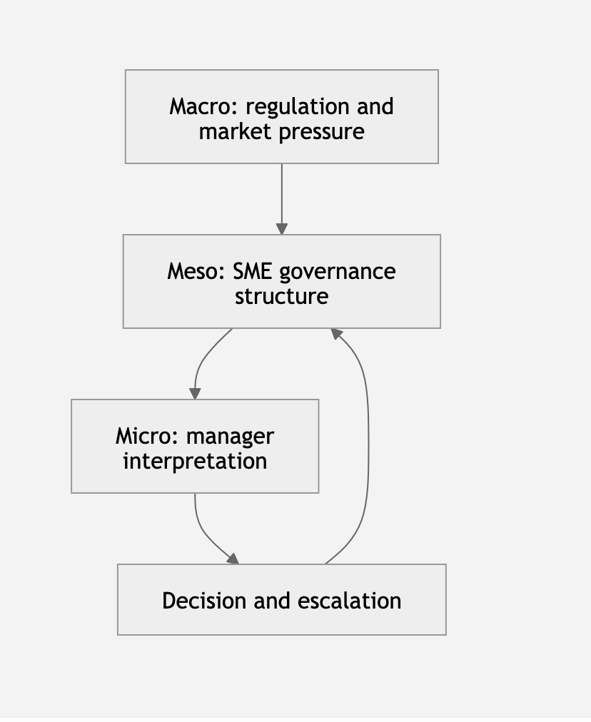
 | For example:

 | A multilevel explanation might argue that regulatory expectations shape organizational governance, which influences managers’ interpretations, while managers’ decisions subsequently modify organizational routines.

 | A theory is not multilevel merely because participants hold different job titles. It must explain how processes at one level influence processes at another.

 | 7. Types of Theory by Relationship to Context

 | 7.1 Universalistic Theory

 | A universalistic theory asserts that a relationship should hold broadly across settings, populations, or periods.
...

