Data Collection Steps&Analysis
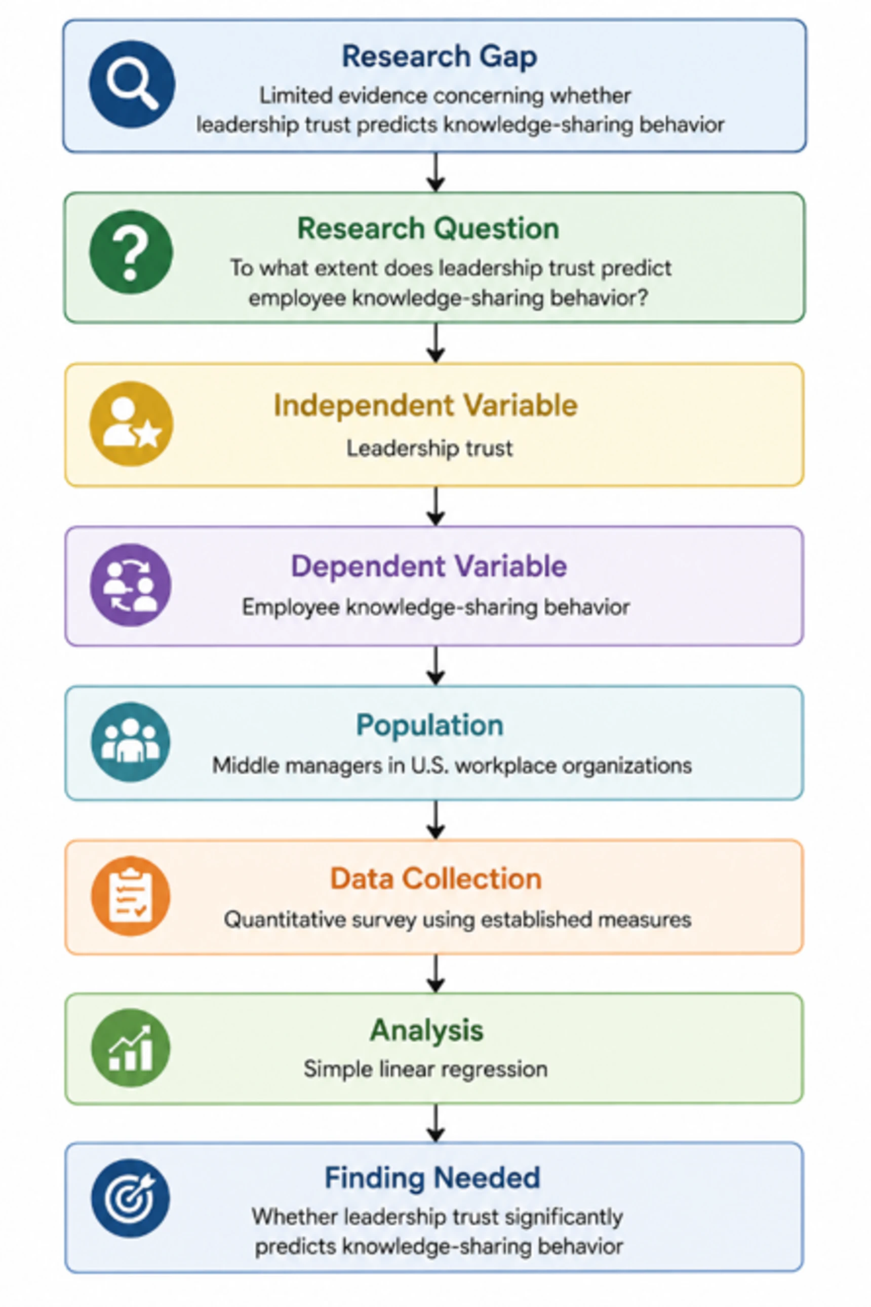
 | Data Collection Steps and Analysis
 |  | https://yellowdig.app/n/capella-university/community/6a540fef-3f4b-4495-ad72-fcb5e2457271?postId=6a858ce9-27e9-47b7-adf2-24ccf47cb11b
 |  | https://yellowdig.app/n/capella-university/community/6a540fef-3f4b-4495-ad72-fcb5e2457271?postId=6a858ce9-27e9-47b7-adf2-24ccf47cb11b
Via Pamela Allen_Wk6_

 | While planning the data collection procedures for my proposed study, “To what extent does leadership trust predict employee knowledge-sharing behavior among middle managers in U.S. workplace organizations?”, I am focusing on maintaining alignment among the research question, variables, instruments, sampling strategy, recruitment procedures, and planned statistical analysis. Because this study uses a quantitative correlational predictive design, each data-collection step must produce the type of numerical data needed to test the relationship between leadership trust and employee knowledge-sharing behavior.

 | Proposed Data & Collection Steps

 | My proposed data-collection process will occur in the following sequence:

 | Obtain the necessary approval before recruitment.
 | I will complete the required Capella University Institutional Review Board (IRB) process before collecting data. The recruitment materials, informed-consent language, eligibility criteria, survey instruments, and data-collection procedures will be finalized as part of this process.

 | Finalize the survey instrument.
 | The survey will be administered through Qualtrics. The instrument will include informed consent, screening questions, demographic questions needed to describe the sample, the leadership trust measure, and the knowledge-sharing behavior measure. I plan to use the McAllister (1995) trust measure for leadership trust and the Van den Hooff and de Ridder (2004) knowledge-sharing measure for knowledge-sharing behavior.

 | Conduct a power analysis.
 | Before recruitment, I will use an a priori power analysis to determine the minimum sample size necessary for the planned simple linear regression. My current target is approximately 150–250 participants, but the final minimum will be supported by the power analysis rather than selected arbitrarily.

 | Establish participant eligibility.
 | Participants will be adults who work in U.S.-based workplace organizations and currently hold a middle-management or supervisory position. Participants will also need sufficient experience with their current supervisor to meaningfully evaluate leadership trust. My proposed eligibility requirement is at least six months working under the current supervisor.

 | Recruit participants.
 | I plan to use purposive and snowball sampling. Recruitment may occur through professional organizations, LinkedIn, relevant professional networks, and other appropriate organizational or professional channels. Recruitment materials will explain the study, eligibility requirements, voluntary nature of participation, confidentiality, and survey access.

 | Administer the anonymous survey.
 | Eligible participants will access the Qualtrics survey, review informed consent, complete the screening questions, and then complete the research measures. I will avoid collecting unnecessary identifying information.

 | Monitor data collection.
 | I will monitor response rates and eligibility while avoiding changes to the procedures that could introduce bias. I will determine whether additional recruitment is necessary based on the power analysis and the number of usable responses obtained.

 | Prepare the dataset for analysis.
 | After data collection closes, I will examine the dataset for incomplete responses, duplicate responses, missing data, and other data-quality concerns. I will score the instruments according to their established procedures and create composite scores for leadership trust and knowledge-sharing behavior.

 | Conduct the planned statistical analysis.
 | The final dataset will be analyzed using descriptive statistics and simple linear regression. The regression will test whether leadership trust statistically predicts employee knowledge-sharing behavior.

 | Weak or Potentially Problematic Steps

 | The recruitment and sampling process is currently the weakest part of my plan. Purposive and snowball sampling are appropriate for reaching a specific population that may be difficult to identify through a sampling frame, but they limit generalizability. Participants who respond through professional networks or LinkedIn may differ from eligible middle managers who do not participate in those networks.

 | A second concern is obtaining enough participants who meet the middle-manager eligibility criteria. Simply recruiting working adults would not adequately address the research question. I therefore need to ensure that screening questions clearly establish participants' managerial responsibilities and their experience with their current supervisor.

 | A third concern involves common-method bias. Participants will provide self-reported perceptions of leadership trust and their own knowledge-sharing behavior in the same survey. This creates the possibility that relationships between the variables could be influenced by the method used to collect the data rather than by the constructs themselves. Anonymous participation, clear instructions, neutral wording, and established instruments should help reduce some of this concern, although they cannot eliminate it completely.

 | A fourth concern is the possibility of insufficient statistical power. Recruiting a convenient number of participants is not enough. I need to complete the a priori power analysis before recruitment so that the minimum sample size is justified statistically.

 | Finally, instrument permissions and exact scoring procedures require additional attention. Before launching the survey, I need to verify the appropriate use or permission requirements for the selected instruments and confirm that the wording, response scale, scoring, and administration procedures are consistent with the original sources.

 | Support Needed to Address These Concerns

 | The most important support I need is guidance from my instructor and Capella's IRB resources regarding recruitment procedures, informed consent, and the appropriate use of LinkedIn and professional organizations for participant recruitment. I also need to verify whether permission is required for the selected instruments and whether the instruments can be reproduced directly in Qualtrics.

 | I will also use G*Power or an equivalent power-analysis resource to establish the minimum sample size for simple linear regression. This will provide a stronger justification for the planned sample than simply stating that I intend to collect 150–250 responses.

 | Finally, reviewing the Project Plan Alignment Tracking and Alignment Map: GuidingQuestions resources is helpful because they encourage me to examine whether every proposed data-collection step contributes directly to answering the research question rather than collecting information simply because it is available.

 | Data Collection & Research Gap

 | The alignment process is particularly important for my study because the identified gap is specific. The literature does not simply lack research on leadership, trust, or knowledge sharing. Instead, the gap concerns the specific relationship between leadership trust and employee knowledge-sharing behavior among middle managers in U.S. workplace organizations.

 | My alignment can be represented as:

 | This alignment helps prevent unnecessary data collection. For example, I do not need to collect extensive information about organizational performance, employee satisfaction, or multiple leadership styles because those variables are not necessary to answer my research question.

Research Methods_Step7
Step 7: Identify the Appropriate Research Design

Author:
Jon S. Bailey
&
Mary R. Burch
In:Research Methods in Applied Behavior Analysis
Chapter DOI:https://doi.org/10.4135/9781412985710.n7
Subject:Psychology
Keywords:baseline; behavior change; copyright; extinction; journals; self-injurious behavior; token economy
Request Permissions icon link

Show page numbers

Step 7: Identify the Appropriate Research Design

MAIN TOPICS ___________________________

The Purpose of Research Design—Demonstrating Experimental Control
A Review of Single-Subject Design Logic The Role of Exploratory Designs Using Powerful Reversal Designs
Applying Multiple Baseline Designs Where Appropriate When to Use Multielement Designs Using Changing-Criterion Designs
Considering the Limiting Conditions of Single-Subject Designs When to Use Group Designs

LEARNING OBJECTIVES ___________________________

In Step 7, we stress the importance of matching the experimental design to the problem you have chosen. Here you will review the exploratory designs and fully explore the more powerful ones, including their limiting conditions. After studying this step, you should be able to

➧
Describe the purpose and logic of single-subject design.
➧
Explain the role of visual analysis in using single-subject designs.
➧
Distinguish between the weak or exploratory designs and the more powerful behavior-analytic research designs.
➧
Draw examples of reversal, multiple-baseline, multielement, and changing-criterion designs.
➧
Give examples of the combined use of several research designs and tell when they would be employed.
➧
Discuss the limiting conditions of behavior analysis research designs.

The Purpose of Research Design

A great many people, including artists, historians, economists, and sociologists, are interested in understanding behavior, which is to say that behavior analysts are not alone in our fascination with this elusive subject matter. However, the type of knowledge sought by the behaviorist is unique. The economist may be interested in the relationship between income and lifestyle, the anthropologist may seek out the correlation between family membership and social status, the novelist may be seeking some driving force behind a particularly bizarre behavior. The understanding that results from such an analysis may be highly provocative or entertaining, but at the same time, it is simply static, descriptive, and correlational. The behavior analyst, on the other hand, is interested in understanding human behavior in the sense that we know what the demonstrated cause-effect relationships are between some environmental event and the resulting behavior. To really understand behavior is to be able to say that A causes B, not merely that B follows A. This type of knowledge can result only from the experimental manipulation of events, for only through this mechanism can one rule out all other alternative explanations.

The behavior analyst is not interested in studying just any behavior or manipulating random variables for curiosity's sake alone. Rather, the whole purpose is to develop and manipulate those variables that will result in therapeutic change for the participant and, in the process, to demonstrate that these variables, and not some outside variable, were the ones responsible for the behavior change (Campbell & Stanley, 1970).

The standard method for demonstrating experimental control in psychological research is, of course, the group statistical design in which participants are randomly assigned to groups and different groups receive different treatments. The data are then analyzed using statistical procedures to show that an effect of the size seen could occur by chance only some proportion of the time (e.g., 5 times out of 100, or p < .05, which is a commonly used level of significance test). Such research that involves the short-term study of many participants is clearly antithetical to the goals of a behavior analysis approach in which we wish to understand the behavior of individual participants. Indeed, the use of larger numbers of participants virtually wipes out any hope of this type of understanding because individual differences are obscured by the averaging process that is required by the statistical design (Sidman, 1960). Skinner's legacy (1969) to our field has been that “the data from an individual participant behaving under well-specified conditions should provide unequivocal evidence of an independent variable's effect and that such an effect should be visible to the naked eye” (quoted in Morgan & Morgan, 2001, p. 121; see also Burch, 2000).

The need for research designs by which to understand the behavior of single subjects has been largely met by the adaptation of existing designs (developed in animal operant conditioning) to applied problems. The goal of these designs is to demonstrate the functional relationship between an event and a target behavior. The term functional is used in a cause-effect sense and refers to an experimental arrangement where a contingency is “turned on and off” repeatedly. If the behavior occurs each time the contingency is “turned on” and ceases each time it is “turned off,” then a functional relationship has been demonstrated. Operant conditioners cannot take credit for inventing this experimental control technique, as it was originally devised by Claude Bernard in his research in experimental physiology, circa 1850 (Olmsted & Olmsted, 1952).

Although this goal of unequivocal experimental control is desirable, it is not always easily achieved. But the relatively short history of the field suggests that such control is attainable if the necessary preparations and precautions are taken. Many of the factors that do allow for the systematic study of behavior have been described in Steps 1, 2, and 3. It now remains to find an experimental design that is most appropriate to the behavior that you are interested in studying. Before that discussion is presented, however, let us briefly review some of the nondefinitive, exploratory “designs.” As we do so, it will become obvious that the demonstration of experimental control is most often shown through a visual presentation of the data in graphic form rather than through a statistical analysis.

Characteristics and Logic of Single-Subject Design Research

Single-subject/participant design research is distinctively different from group statistical hypothesis-testing designs found throughout the rest of psychology and is superior in many ways, particularly for those who are interested in evaluating the effects of therapeutic interventions with individuals (Morgan & Morgan, 2001).

Baseline Logic

The first feature that distinguishes behavioral research designs is the repeated measurement of the target behavior. We assume that there will be variability from session to session or day to day, and rather than trying to eliminate it statistically, we are interested in seeing what it looks like. We assume that without any intervention, the behavior will reach some steady state and that we will be able both to determine the bandwidth of the variability and to detect any trends in the data that will help us understand the need for interventions (see Figure 2.7-1, top). Behavior that is trending in the direction of a possible treatment effect presents a serious problem for the behavior analysis researcher. The only recourse when this happens is to have a longer baseline or to start over with a different definition of behavior or a different recording method. The goal of baseline logic is predictability; that is, at some point after 8 or 10 data points, you should be able to predict with some accuracy where the next data point will fall. In fact, this is a good exercise for budding researchers. In your study, using working graphs (i.e., rough graphs done on graph paper with penciled-in data points), put a small box showing where you think the next data point will be. Do this each day, and see if you get closer and closer to predicting the next day's data point. When you are predicting with great accuracy, you are following baseline logic and are ready to stop taking baseline data and to implement your first intervention. An extension of baseline logic is to assume that if no changes were made, the behavior would continue on indefinitely, as shown in Figure 2.7-1, bottom.

Figure 2.7-1. The graph at the top shows a baseline and the schematic representation of the bandwidth of the variability of the data. The graph at the bottom shows the predicted future path of the data if no changes are made in the environment.

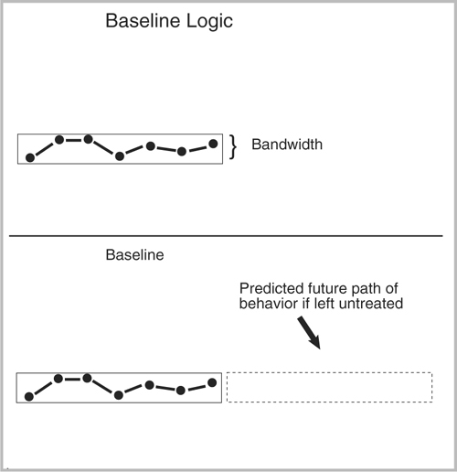

icon downloadDownload Image as .jpg

Graphic Representation of Data

Behavior analysts love looking at data and analyzing it closely. We like having continuous contact with the data on a daily or “real-time” basis. Showing the data to colleagues and getting their reactions as a study proceeds is one of the true joys of doing behavior analysis research. In the early stages of a study, you may find yourself graphing the data in several different ways to determine which makes the most sense to you and your potential “consumers.” Your consumers will be colleagues who will read about your work in a journal article at some point in the not-too-distant future. In almost all cases, you will be graphing the data of individual subjects rather than summarized or aggregate data.

Each Subject/Participant Serves as His or Her Own Control

As discussed earlier, you may only have a few participants in your study, and for the most part you will be making each serve as his or her own control rather than making comparisons across participants. You will be more interested in determining how Betty responds to feedback or a token system than in comparing Betty with Patricia, for example. And to demonstrate experimental control, you may return to baseline, at which point you will be interested in seeing if Betty's new data replicate the original baseline.

We fully expect to see variability within each subject's data, and as behavior analysts, we are quite interested in the environmental or other factors that might produce it. We are not interested in “neutralizing” the variability through sophisticated statistical procedures. Variability is not a nuisance to be eliminated; rather, it is the heart of human behavior. Variability is highlighted in our graphic representations of real-time phenomena as it unfolds in each experiment.

Replication

Another hallmark of behavior analysis research is the emphasis on repeated demonstrations of the effects of an intervention with each participant. A “one-time” effect is not impressive to behavior analysts. We want to see robust treatments that can be counted on to produce a certain effect each time they are applied. And we would like to see this replicated with several subjects just to make sure that it is not some idiosyncratic effect for one person.

Visual Analysis of Data

The final and perhaps most signature and somewhat controversial feature of behavior analysis research is that decisions about changing conditions and conclusions about the findings are reached by visual analysis of the data. There has been much debate over this feature, but in the final analysis, the consensus of the field seems clear: Behavior analysts feel confident that they can adequately compare baselines with interventions (taking variability and trending into account) and determine which were effective and which were not. Because the interventions are replicated both within and across studies, it is not just a personal judgment call; the ultimate determination of validity is made by colleagues through the journal review process and through replication in other labs across the country. The determination of the applied worth of a study (effect size) is often determined not by some statistical measure but rather by whether the findings are adopted by users such as parents, teachers, or therapists. In applied settings, other factors such as cost-effectiveness, acceptability, and side effects also come into play. This will become very apparent as we begin looking at the research designs most often used in behavior analysis research.

Exploratory Methods/Weak “Designs”

There are many occasions when tight experimental control is not necessary or even possible for making a contribution in behavior analysis. The early stages of any field are marked by fascinating anecdotes, unusual case studies, or even systematic (but not experimental) observations. Even though they are later surpassed by more sophisticated methods, such case studies can make an important heuristic contribution to the field.

Case Studies

Some of the first applications of operant techniques took the form of case studies: descriptions (not necessarily quantitative) of methods used to change behavior. One of the earliest (Fuller, 1949) reported the use of a sugar-milk solution to reinforce arm raising in a profoundly mentally retarded person. Other cases typical of the time reported the use of gum to reinforce verbal behavior in psychotics (Issacs, Thomas, & Goldiamond, 1960) and the treatment of anorexia nervosa (Bachrach, Erwin, & Mohr, 1965). Ullmann and Krasner's book Case Studies in Behavior Modification (1965) has an impressive collection of these early studies. Applications and descriptions of this sort represent a source of stimulation for other researchers, but in and of themselves, case studies cannot be used as a basis for drawing conclusions about cause-effect relations. There are just too many potential confounding variables operating that could account for the effect. Examples of these potential confounding variables include other coincidental events, maturation, and possible observer bias.

B-Only (Treatment) and AB (Baseline-Treatment) “Designs”

One step closer to a definitive study is one in which some quantification of the dependent variable is carried out and changes in the behavior are plotted over time to show improvement. Because this type of study has only a treatment condition, it is referred to as a B-only design. The term design is used somewhat advisedly because no experimental control is actually shown. Williams's (1959) description of extinction as a treatment for eliminating bedtime crying is a good example of this approach. Figure 2.7-2 shows that during the first extinction period, crying dropped off rapidly after 45 minutes of crying the first night. Following the accidental reinforcement of crying by the aunt after the 10th session, the extinction process was repeated, yielding essentially the same results.

The AB design improves on the B-only design by providing a measure of the behavior prior to treatment. This added information can tell the reader whether the behavior seen during the baseline would predict the effect seen in the treatment condition. There are many variations of the AB design, and some are more persuasive than others. Consider the hypothetical data shown in Figure 2.7-3. As you can see, having only one data point for the baseline leaves some doubt as to the actual level of the behavior prior to the treatment. As shown in Figure 2.7-4, it is possible that if more baseline data had been collected, the behavior during “treatment” would be shown to be merely a continuation of a trend (although undetected) in baseline.

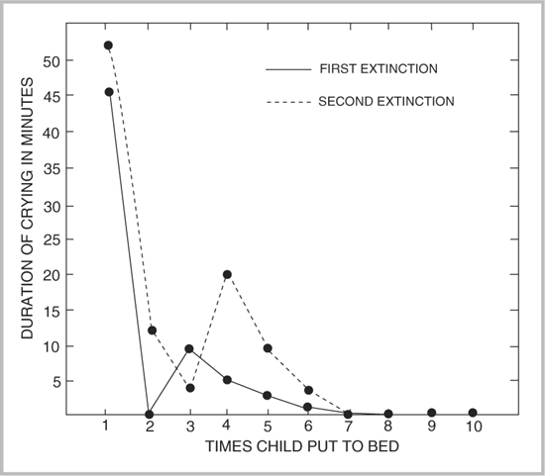

icon downloadDownload Image as .jpg

Figure 2.7-2. Length of crying in two extinction series as a function of successive occasions of being put to bed

SOURCE: From “The Elimination of Tantrum Behavior by Extinction Procedures,” byC. Williams, 1959, Journal of Abnormal and Social Psychology, 59, 269. Copyright 1959 by the Journal of Abnormal and Social Psychology. Reprinted with permission.

Another way that the AB design can be weakened is by a failure to allow the data to stabilize prior to the introduction of a treatment. As shown in Figure 2.7-5, the last few data points of the baseline condition are critical in determining the trend of the data.

Similarly, as shown in Figure 2.7-6, if there is too much variability in the baseline data (and if the baseline is not long enough to predict the level of the behavior if no change were introduced), it is difficult for a believable experimental effect to be shown. The dashed lines show possible trends in the baseline if more data points had been collected.

Figure 2.7-3. Hypothetical data for an AB design

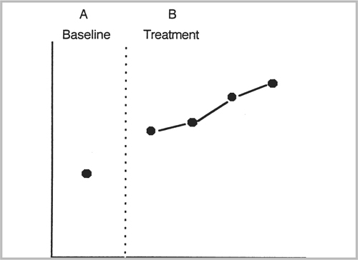

icon downloadDownload Image as .jpg

Figure 2.7-7 shows that a long baseline alone does not guarantee a convincing demonstration of experimental control; if the effect of the treatment is slow in coming, then questions are raised as to whether it was in fact the treatment that was responsible for the change.

Thus, for an AB design to be convincing, it would appear that several conditions must be met: (a) the baseline must be fairly long, (b) the data must be quite stable, (c) the effect must be rapid, and (d) there must be little or no overlap between the baseline and treatment points. So if you had data like those shown in Figure 2.7-8, you might be tempted to give credit to the treatment for the change. However, even in this most persuasive visual effect, the question still remains, Was the treatment really responsible for the behavior change? In the case of a long-standing problem where a prebase-line measure would show it extending back for several months (e.g., self-injurious behavior), an explanation to this effect might add some believability. Nonetheless, if one is to rule out other coincidental variables, some demonstration of experimental control (e.g., a reversal or multiple baseline design) must be shown.

Figure 2.7-4. Hypothetical data for an AB design, with the added information provided by possible prebaseline data

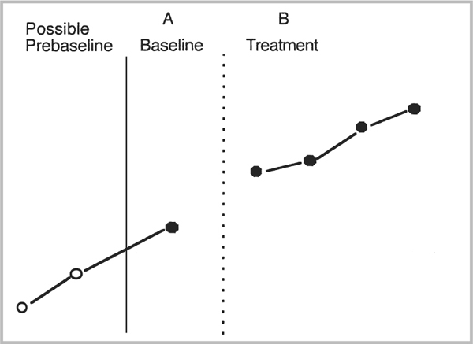

icon downloadDownload Image as .jpg

Figure 2.7-5. Hypothetical data for an AB design where trending occurs just prior to treatment onset

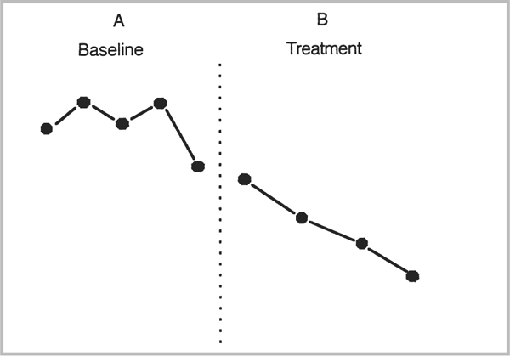

icon downloadDownload Image as .jpg

Figure 2.7-6. Hypothetical data for an AB design with only three data points in baseline. Dashed lines indicate possible trends in baseline.

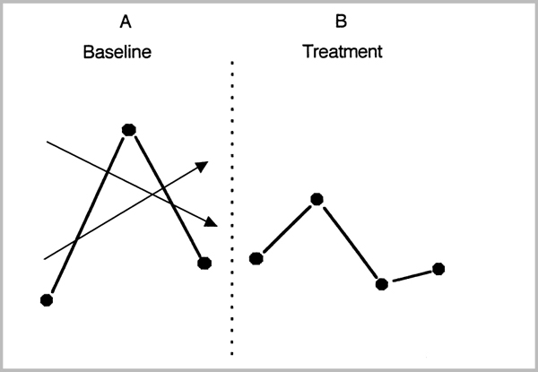

icon downloadDownload Image as .jpg

Figure 2.7-7. Hypothetical data for an AB design where the “effect” is delayed from the onset of the treatment

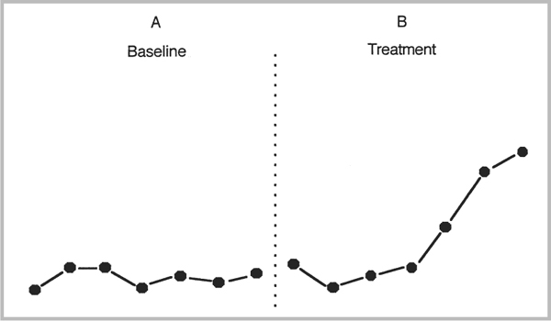

icon downloadDownload Image as .jpg

Figure 2.7-8. Hypothetical data for an AB design

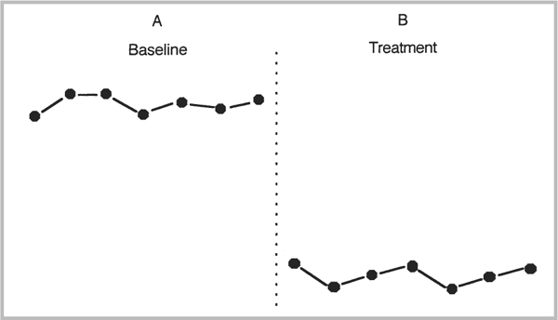

icon downloadDownload Image as .jpg

ABC (Additive) Design

One variation on the AB is to add a second or third (or more) treatment to the sequence, as shown in Figure 2.7-9. But there are several problems with conducting a study in this way that prevent it from being a solid research design. First, in the AB part of the study, because there is no replication of the B condition, we cannot be certain that the change in B was due to that treatment or to some outside variable. The problem continues and is confounded with the addition of the C condition. With it, we cannot be sure whether, if C had followed A, the same effects would have been seen as shown in Figure 2.5-10. Is the change in C merely a slow-acting effect of B, or could B possibly have “sensitized” the participant so that C now has an effect?

The ABC design can obviously be extended (and has been in many published studies) to an ABCD, ABCDE, and so on. But each succeeding condition only adds confounding to an already weak design, so this method is categorized as an exploratory design. That is, it may be used in pilot work to discover a treatment that may then be used in a more definitive design later that employs the necessary controls.

Figure 2.7-9. Hypothetical data for an ABC design

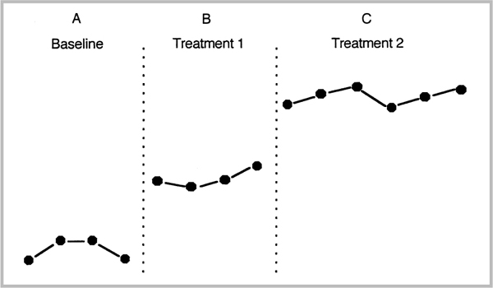

icon downloadDownload Image as .jpg

Figure 2.7-10. Hypothetical data showing possible effects if the C condition had come first (top) or if the B condition had simply been continued (bottom)

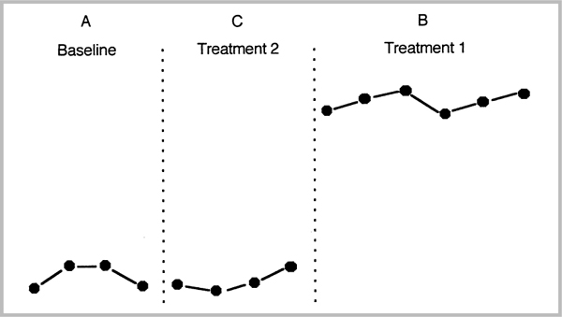

icon downloadDownload Image as .jpg

Behavioral Analysis Research Designs

Currently, a number of experimental designs are widely used in behavior analysis research to demonstrate the functional relationship between a behavior and a treatment or intervention. Although often called “single-subject” or “N = 1” designs, their usage is not restricted to single participants but can be applied equally effectively to groups (e.g., a classroom of subjects). Furthermore, there are circumstances when the more traditional group comparison (i.e., experimental and control group) designs may be useful in analyzing certain treatment effects. In all, there are five research designs that provide a wide range of possible choices to the experimenter. As will become clear, each has its own strengths and limitations, and the purpose of this presentation is to guide the researcher to select the design most appropriately suited to the behavior being studied or the question being asked. That is, the researcher should start with a problem or a question and seek a design to solve it, rather than starting with a research design and forcing the design on a problem.

Reversal Designs: ABA, BAB, ABAB

Experimental control may be demonstrated most directly by repeatedly turning the behavior “on and off,” which is exactly what the reversal (also known as the withdrawal) design does. When properly employed, this design can present convincing evidence that a treatment is responsible for a behavior change because the onset of the intervention is followed by the onset of the behavior, and when the procedure is removed, the behavior also returns to its previous level.

When to Use the Reversal Design

The design may be used with any behavior (a) that is reversible and (b) where the return of the behavior to baseline levels will cause no ill effects to the participant.

The requirement of reversibility is significant and may require some pilot testing and preplanning on your part to determine if it can be met. If your study involves an acquisition behavior, for example, this design will be inappropriate. That is, if the nature of the behavior is such that once it begins to occur, it will come in contact with existing reinforcers, then it clearly will not be reversible. This particularly holds for any functional skill or academic task that might be taught to a participant. If you reinforce a child for reading or swimming, it is entirely likely that the natural consequences will maintain the behavior once you withdraw the contingency. It is often difficult to determine if a behavior, once reinforced, will reverse or not, and to that extent, the use of the design involves a certain amount of risk, as shown in Figure 2.7-11. If the behavior does not return to baseline levels, one cannot be sure whether the intervention or some outside variable (which may be still operating) actually caused the behavior to change.

Figure 2.7-11. Hypothetical data in a reversal design with a nonreversal of behavior

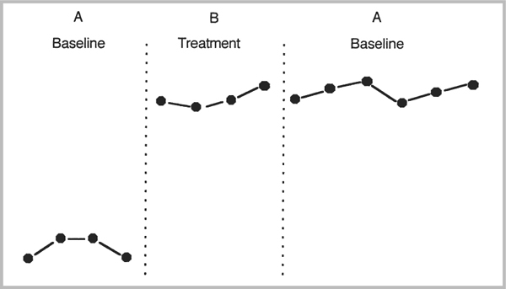

icon downloadDownload Image as .jpg

The reversal design should be used only in those cases where no harm to the participant or others could possibly result. Thus, if the behavior during baseline consisted of face scratching, fire setting, or stealing, the use of a reversal design would not be appropriate. The reversal design is used most often when the independent variable is either some extrinsic reinforcement condition (e.g., the participant receives tokens, money, or praise) or consequence that has temporary effects (time-out or extinction). It can also, of course, be used in the study of biological variables such as vitamins, medications, or assistive devices as long as proper medical controls are used.

About ABA

The ABA design represents the minimal requirement for demonstrating experimental control and does so by showing that when the procedure is applied, the behavior changes and when it is withdrawn, the behavior returns to pretreatment levels. Figure 2.7-12 shows an example of the use of the ABA design where the goal was to persuade police officers to enforce existing safety seat laws (Lavelle, Hovell, West, & Wahlgren, 1992). Citations for failure to use safety seats increased from 10 per month to over 50 and then fell back to the 10- to 20-range in the return to baseline (follow-up). The conclusions are somewhat weakened by the up-trend just prior to the onset of the intervention and by the 2-month delay in the onset of the treatment.

The ABA design is not used very often, perhaps because (a) it lacks the key element of a replication of the intervention and (b) there are negative implications to returning a participant to the baseline merely for experimental reasons, with no attempt made to have the presumably desirable procedure reintroduced later.

Figure 2.7-12. Frequency of ticketing for nonuse of safety seats by Greeley (intervention site) and Grand Junction (control site) officers for the 6-month baseline, intervention, and follow-up periods (July 1986-December 1987). Officer training began in January 1987 and was completed within 8 weeks.

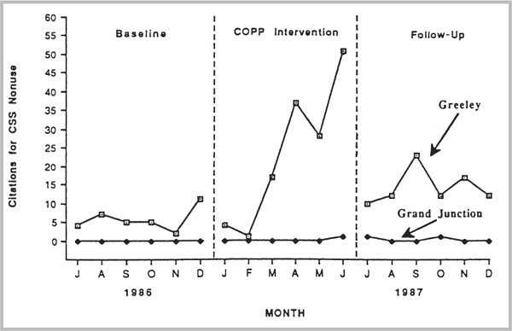

icon downloadDownload Image as .jpg

SOURCE: From “Promoting Law Enforcement for Child Protection: A Community Analysis,” by J. Lavelle, M. Hovell, M. West, and D. Wahlgren, 1992, Journal of Applied Behavior Analysis, 25, pp. 885–892. Copyright 1992 by the Society for the Experimental Analysis of Behavior. Reprinted with permission.

About BAB

The BAB design is somewhat unusual in that it begins with a treatment rather than a baseline. Typically, the justification is that the behavior of interest was already being treated and perhaps anecdotal evidence indicated that the treatment was effective. To make the point that this was the case, it is necessary to withdraw the intervention and show that the behavior will return to the previous untreated state. You will need to be certain that this reversal will not cause undue stress or harm to the individual and take active steps to ensure this safety (see Step 6 for more details on this situation). Figure 2.7-13 shows just such a case (Pace & Toyer, 2000), where a 9-year-old girl with chronic pica was studied. The “baseline” consisted of the conditions in place when the researchers entered the scene. Here Dana (the participant) was taking iron supplements and the multivitamin that was suspected of being effective in reducing the pica. The parents reported that there had been “no instances of pica in the previous 3 weeks” and that this was coincidental with the administration of the multivitamin. Pace and Toyer proceeded to take data on “latency to pica” under controlled conditions for 11 observations over 3 days. The vitamin was then withdrawn, and 11 more sessions were run. As Figure 2.7-13 shows, Dana's latencies were near zero on six of eight sessions when she was alone, showing a very high probability of the maladaptive behavior when the vitamin was removed. Further demonstration of experimental control was shown when the multivitamin was readministered and the latencies increased to the maximum levels (i.e., she did not engage in pica at all) over a 5-day “B” period.

Another example of the circumstances under which a BAB design might be appropriate can be seen in Robinson, Newby, and Ganzell's (1981) study using a token economy with underachieving hyperactive children. The authors were called in under near-emergency circumstances because the children were all but out of control and the teacher was on the verge of quitting. They quickly established a token economy (the B condition) and began taking data on the number of assignments completed. They then withheld the tokens for 5 days (the A condition); output immediately dropped. The authors then reinstituted the token economy and demonstrated a replication of the original results.

Figure 2.7-13. Latency to pica during alone and others-present conditions. This is a good example of the use of the BAB design.

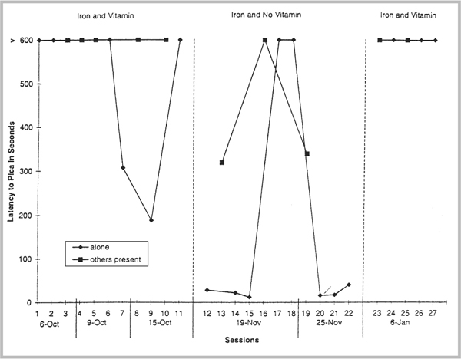

icon downloadDownload Image as .jpg

SOURCE: From “The Effects of a Vitamin Supplement on the Pica of a Child With Severe Mental Retardation,” by G. Pace and E. Toyer, 2000, Journal of Applied Behavior Analysis, 33, pp. 619–622. Copyright 2000 by the Society for the Experimental Analysis of Behavior. Reprinted with permission.

A unique and very appropriate use of a variation of the BAB design was employed by Northup et al. (1994). They used a BABABA design (see their Figure 4, p. 43, middle panel) to demonstrate treatment integrity for their technical assistance model. Basically, the treatments (B conditions) were in effect almost continually throughout this phase with the A (reversal conditions) serving more like brief probes for no treatment.

The prime weakness of this design is the lack of a baseline where the original level of the behavior documents the need for some intervention. In the Robinson et al. (1981) study, for example, the authors could have taken a few days’ baseline data prior to the onset of the token economy and strengthened their research design. Without this information, no comparison for the level of the A condition is possible, and thus the cause-effect relationship is weakened. Believability (Baer et al., 1968; Johnston & Pennypacker, 1993) in this case rests on the anecdotal information provided in the introduction of the article.

ABAB Design

The ABAB design improves upon the ABA by taking the logical step of reinstituting the B condition (which was presumably shown to be effective). When this is done, the “on-off” effect is most evident, and when used properly, the design is one of the most powerful in demonstrating experimental control. The key to the persuasiveness is the replication of both the baseline and the treatment condition. Figure 2.7-14 shows the use of ABAB in demonstrating the effectiveness of a personal safety prompt delivered by grocery carriers to patrons returning to their cars (Engerman, Austin, & Bailey, 1997). One slight weakness in these data is that the second baseline did not exactly replicate the first, although this was in the direction of an even lower level of seat belt usage. The reapplication of the personal prompt thus appears to have had an even slightly stronger effect with the second replication.

The ABAB design is the workhorse of single-subject designs and constitutes the backbone of the fundamental demonstration of experimental control in behavior analysis. In recent years, creative researchers have developed a wide range of variations on the ABAB, thereby further demonstrating the power of this most basic of designs.

Variations on the Reversal Design

One simple permutation of the reversal design is to add a follow-up condition, making the design an ABABC. In one recent example, shown in Figure 2.7-15, Garcia et al. (2001) added a stimulus control assessment condition following their basic demonstration of experimental control of aerophagia.

A second variation on the reversal design involves adding a second intervention (a C condition) that is compared with the first (i.e., a B condition). Stricker, Miltenberger, Garlinghouse, Deaver, and Anderson (2001) wanted to show that their tone-producing awareness enhancement device (AED) was responsible for a reduction in thumb sucking and to control for the possibility that the effect was one of simply wearing the device alone. In their ABCBAC design, shown in Figure 2.7-16, they clearly demonstrated that it was the active nature of the device that made it effective.

Figure 2.7-14. The percentage of patrons wearing safety belts across four phases: baseline (A), personal prompt (B), baseline (A), and personal prompt (B)

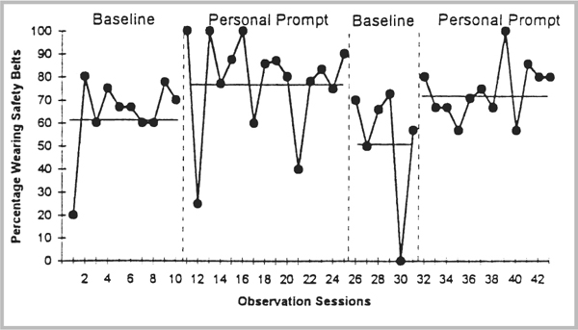

icon downloadDownload Image as .jpg

SOURCE: From “Prompting Patron Safety Belt Use at a Supermarket,” by J. Engerman, J. Austin, and J. Bailey, 1997, Journal of Applied Behavior Analysis, 30, pp. 577–579. Copyright 1997 by the Society for the Experimental Analysis of Behavior. Reprinted with permission.

Other obvious variations on the basic ABAB design include combining treatments in the B condition (Wilder, Masuda, O'Connor, & Baham, 2001) and adding second or even third elements for comparison, producing ABACAD or ABCBCACADAD (Ringdahl, Vollmer, Borrero, & Connell, 2001) designs. Keeney, Fisher, Adelinis, and Wilder (2000) cleverly used an ABCAC design to compare noncontingent reinforcers with a response cost procedure.

Limiting Conditions of the Reversal Design

An examination of many studies (some successful, some not) suggests certain conditions under which the ABAB design loses its persuasiveness. Figure 2.5-17 is a close facsimile of data once seriously submitted for journal review. On close examination, it suggests several of these conditions.

Stability. Because a visual inspection of the data is the primary basis for drawing conclusions, each condition must be run until stability (i.e., you can begin to predict where the next data point will be) is achieved. The data can be trending, but it must be in a direction opposite that of the expected treatment effects. In Figure 2.7-17, the data in the first A condition are clearly trending down. The data from B are predictable from A, so that no conclusion about the punishment effects of B may be drawn at all. The criticism holds for every condition in Figure 2.7-17, where too few data points per condition prevent any prediction of the next point (i.e., there are up and down trends in almost every treatment phase).

Figure 2.7-15. Number of aerophagia responses per minute during baseline, contingent physical guidance, and stimulus control assessment sessions

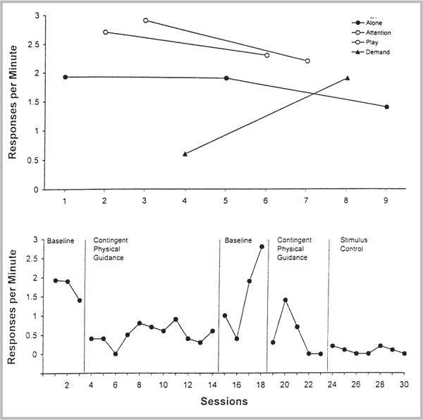

icon downloadDownload Image as .jpg

SOURCE: From “Treating Aerophagia With Contingent Physical Guidance,” by D. Garcia, S. Starin, and R. Churchill, 2001, Journal of Applied Behavior Analysis, 34, pp. 89–92. Copyright 2001 by the Society for the Experimental Analysis of Behavior. Reprinted with permission.

Figure 2.7-16. Percentage of session time of thumb sucking for Mark and Jack across baseline (BL), inactive AED, and active AED conditions

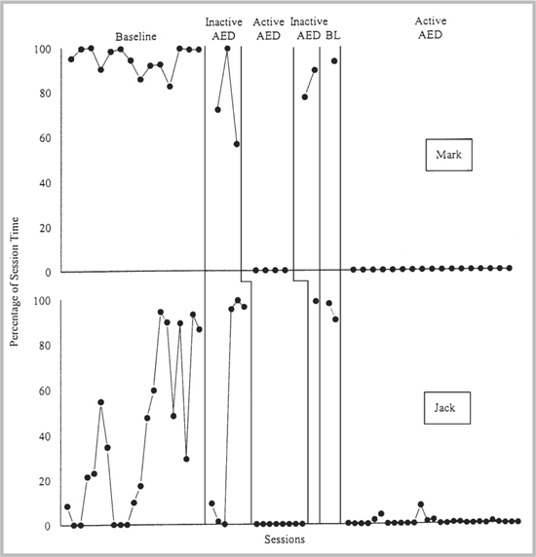

icon downloadDownload Image as .jpg

SOURCE: From “Evaluation of an Awareness Enhancement Device for the Treatment of Thumb Sucking in Children,” by J. Stricker, R. Miltenberger, M. Garlinghouse, C. Deaver, and C. Anderson, 2001, Journal of Applied Behavior Analysis, 34, pp. 77–80. Copyright 2001 by the Society for the Experimental Analysis of Behavior. Reprinted with permission.

Replicability of Procedure and Effect. For a convincing demonstration of experimental control to be shown, each procedure instituted should be later reinstituted; each time the procedure occurs, approximately the same effects must be seen. In Figure 2.7-17, the D condition, for example, produced a different effect the second time it was applied than it did the first. Different effects were also seen almost every time the baseline (A) was run, and the B condition was not replicated at all. Simply running a condition twice is not sufficient if different results are seen each time.

Figure 2.7-17. A 13-condition reversal design

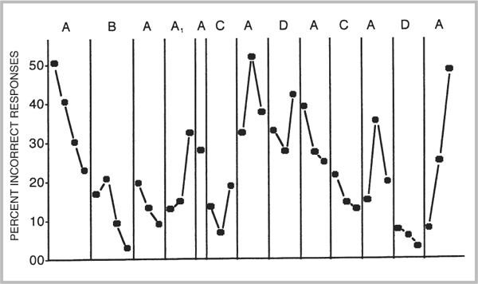

icon downloadDownload Image as .jpg

Sequence Effects. If more than one treatment condition is introduced (and if each is replicated at least once), the possibility for sequence effects is great. In the data shown in Figure 2.7-17, we do not know whether the second effect of D (if there was one) was due to having been preceded by two C conditions or whether the first D was ineffective because it has been preceded by only one C condition, and so on. Also, simply separating treatments with a baseline does not eliminate the possible sequence effects, as was apparently the plan in the design used here. Generally speaking, the reversal design is not a good one for comparing an assortment of treatments unless you have a good deal of time, a very stable environment, and a very accessible and cooperative participant; to compare several treatments, some method of correcting for sequence must be incorporated, such as having different participants receive the treatments in different order or arranging the treatments in different orders and showing that regardless of the order, the same effect can be achieved.

Producing the “Reversal” Effect

The baseline condition of the reversal is almost always just that: an assessment of the frequency of occurrence of the behavior prior to any intervention. This presumes that during baseline, no systematic use of any contingencies is operating; thus, the reversal phase usually represents a return to baseline (any reinforcers that were given are withdrawn). Technically, however, the onset of a reinforcement condition actually represents two changes: (a) introduction of the reinforcer and (b) the establishment of the contingency of reinforcement. Recent research on noncontingent reinforcement (NCR) has suggested, contrary to earlier thinking, that NCR may in fact change behavior rather dramatically by affecting the establishing operation in place at the time of the experimental session.

So rather than returning to baseline following a reinforcement condition, it may be more prudent to run an NCR condition to make this determination. If the behavior returns to baseline levels, then experimental control (perhaps superior to a return to baseline control) has been shown. That is, you have also demonstrated that it was the contingency and not just the reinforcer that was responsible for the behavior change.

The second method also demonstrates that the critical change was the contingency by arranging for the reinforcers in the reversal to be made contingent upon any response other than the target behavior (differential reinforcement of other behaviors [DRO]). This DRO procedure essentially reinforces the participant for not responding. One applied study carried out to evaluate these two alternatives (Goetz, Holmberg, & LeBlanc, 1975) suggested that the DRO is superior. That is, the reversal of behavior occurs much more rapidly with the DRO than with the NCR procedure. One decision you will have to make if you choose the DRO route is whether you will use an interval or momentary DRO (Lindberg, Iwata, Kahng, & DeLeon, 1999).

There do not appear to be any strong arguments against the DRO as a reversal control procedure except that the original baseline condition is not exactly replicated. But because the primary goal is to demonstrate that the behavior changes with the introduction of the independent variable, how you return to baseline may not be important. What is important is the time it takes to reverse the behavior and whether there are side effects connected with the reversal. Extinction may produce side effects that are undesirable, thus tipping the scale in favor of a DRO arrangement.

Multiple-Baseline Designs

The multiple-baseline design is one in which some treatment condition is applied successively across two or more baselines that have been established. As just described, the reversal design is not applicable in cases where (a) the target behavior is nonreversible or (b) where though the target behavior is reversible, reversing it would be unethical. The multiple baseline, in contrast, is perfectly suited to handle such cases because it has two variations, one appropriate for each of these situations. In addition, the design is most versatile in that it can be used across behaviors, participants, or settings. These dimensions of the design will be discussed under the headings of Treatment Arrangement and Types of Applications.

Treatment Arrangement

Moving Treatment. When the target behavior is of the nonreversible type, the treatment condition is applied to one “leg” of the baseline until a stable effect is seen. As shown in Figure 2.7-18, in the “moving treatment,” the contingency is then removed from the first behavior and applied on the second, again, until stability is reached. This process is repeated for as many baselines as have been taken.

If the experimenter has erred and one or more baselines reverse when the contingency is removed, no harm is done; the contingency can simply be reapplied to that particular baseline. In fact, a reversal design within a multiple baseline will then have been shown.

Cumulative Treatment. In those cases where the behavior is reversible, but reversing it would be unethical or harmful or both, the strategy is to apply the treatment to each behavior in succession, keeping the treatment in effect after the baseline is treated. As shown by the arrows in Figure 2.7-18, the contingency is applied cumulatively across three baselines.

Types of Applications

The versatility of the multiple baseline is extended further by the types of situations to which it is applicable. Next we shall review these and look at two examples of multiple baseline studies.

Figure 2.7-18. Stylized graphs of two types of multiple baselines. Arrows indicate when the treatment is applied to the behavior.

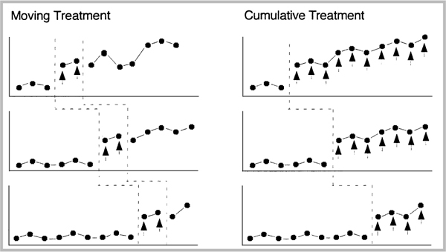

icon downloadDownload Image as .jpg

Applications Across Different Behaviors ofthe Same Participant. In many instances, the behavior analyst will be interested in changing several behaviors of the target participant. Because it is usually not feasible to begin working with all of them at once, applying the treatment across several target behaviors in succession is not only appropriate for the experimental design but also convenient for the experimenter and puts less stress on the participant. An example is shown in Figure 2.7-19, where Wood, Frank, and Wacker (1998) used this design to clearly show that an instructional package for multiplication facts was effective in producing near 100% accuracy across six types of strategies (behaviors). Note: This is an example of the “moving” treatment multiple baseline where the instructional package was applied for three sessions to each strategy and then moved to the next one.

A dramatic example of the use of the multiple baseline across behaviors can be seen in a study by Gena, Krantz, McClannahan, and Poulson (1996). They showed that a treatment package consisting of modeling, prompting, and reinforcement could be used to increase the rates of affective behaviors from 0% to 100% in a matter of a few sessions. Studies like this best demonstrate the power of the multiple-baseline design in showing causal relationships between independent and dependent variables as well as size of effect.

Figure 2.7-19. Tom's results on the multiplication facts tests

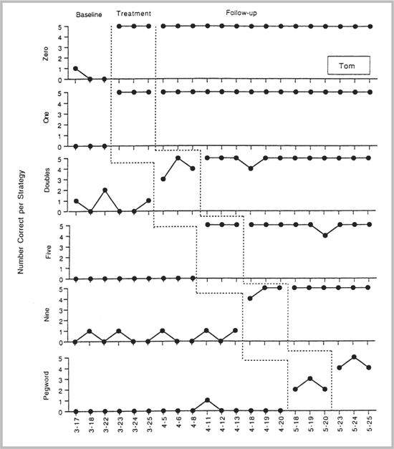

icon downloadDownload Image as .jpg

SOURCE: From “Teaching Multiplication Facts to Students With Learning Disabilities,” by D. Wood, A. Frank, and D. Wacker, 1998, Journal of Applied Behavior Analysis, 31, pp. 323–338. Copyright 1998 by the Society for the Experimental Analysis of Behavior. Reprinted with permission.

Applications Across Participants. For some types of studies, the nature of the independent variable is such that the most convincing demonstration of experimental control will be across participants. Each participant is used as his or her own control, and the robustness of the treatment is shown by the fact that it is equally effective with different individuals. Figure 2.7-20 shows a good example of this design in which Roscoe, Iwata, and Goh (1998) used a treatment that consisted of either NCR or EXT to reduce self-injurious behavior. (In this study, the EXT condition was extinction. Extinction occurs when a behavior that has been previously reinforced is no longer reinforced. The result is that the behavior no longer occurs.) Note that this is a nice example of a “nested” design where a multielement design is embedded within a multiple-baseline design.

One question that often comes up in designing a study involves the number of demonstrations of experimental control that are necessary to “prove” that the intervention was responsible for the behavior change. Although the Roscoe et al. (1998) study used three subjects, it is possible to use two (see Schepis, Reid, Behrmann, & Sutton, 1998, Figure 4) if conditions are ideal. That is, if the baselines are very stable with little variability in bandwidth, there is virtually no trending, and the intervention produces large (i.e. nonoverlapping) effects.

Applications Across Settings. The third variation in the multiple baseline involves a demonstration of experimental control where the treatment is applied successively (usually with the same participant and behavior) across different settings or times. A timely and interesting example may be seen in Figure 2.7-21, where prompts and praise were used to increase the appropriate engagement of older adults in activities of daily living (Engelman, Altus, & Mathews, 1999). The intervention was applied across morning and afternoon shifts of certified nursing assistants (CNAs). This is a series of three multiple baselines (replications) across two shifts with each participant.

Another timely study of a contemporary problem in the culture used a similar design. Allen (1998) demonstrated the use of a simplified habit reversal procedure to reduce angry outbursts during tournament and non-tournament tennis matches. Although the data are clear for this one participant (outbursts were reduced from 6 to 10 per match to near zero), further replications with other subjects will strengthen the findings. Note that the Journal of Applied Behavior Analysis encourages researchers to submit replications of studies; this is a good way for new researchers to get started in the field.

Figure 2.7-20. Self-injurious behavior observed during baseline and treatment (NCR vs. EXT) conditions for Ray (top panel), Monique (middle panel), and Ellen (bottom panel)

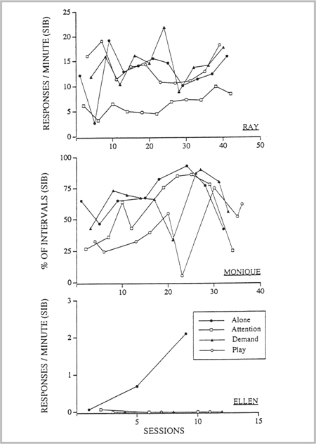

icon downloadDownload Image as .jpg

SOURCE: From “A Comparison of Noncontingent Reinforcement and Sensory Extinction as Treatments for Self-injurious Behavior,” by E. Roscoe, B. Iwata, and H. Goh, 1998, Journal of Applied Behavior Analysis, 31, pp. 635-646. Copyright 1998 by the Society for the Experimental Analysis of Behavior. Reprinted with permission.

Figure 2.7-21. Percentage of time samples with appropriate engagement for Mrs. A and Mr. C and mean aggregate data for all five residents. The dotted lines indicate when each CNA was trained to conduct the check-in procedure.

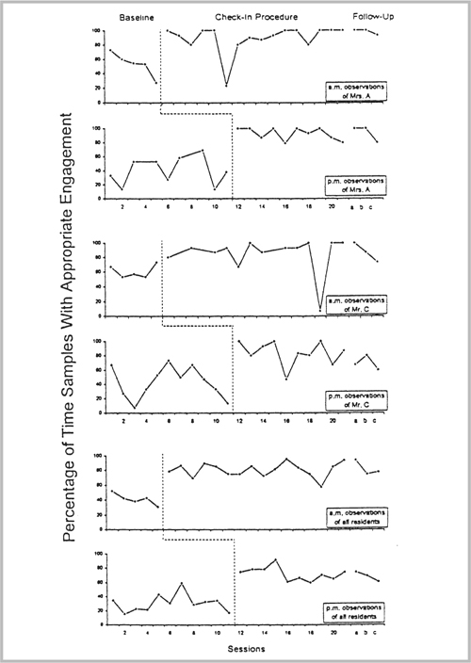

icon downloadDownload Image as .jpg

SOURCE: From “Increasing Engagement in Daily Activities by Older Adults With Dementia,” by K. Engelman, D. Altus, and R. Mathews, 1999, Journal of Applied Behavior Analysis, 32, pp. 107–110. Copyright 1999 by the Society for the Experimental Analysis of Behavior. Reprinted with permission.

Variations on the Multiple-Baseline Design

One variation on the multiple-baseline design was suggested by Horner and Baer (1978). Called the multiple-probe technique, this design is an alternative to continuous baseline measurement and saves time and possibly reduces reactivity by taking “probes” (data samples) just prior to interventions in the several baselines that are in place. The design appears to be primarily useful for training interventions where continuous measurement alone might actually cause the participant to acquire some new skill.

A good example of this design can be seen in a study by Schepis et al. (1998) that evaluated the effects of a voice output communication aid (VOCA) along with naturalistic teaching strategies on communication skills with autistic children. As can be seen in Figure 2.7-22, baselines were taken on two children and two routines. Note that the observations were taken at fairly close intervals in the early stages of the experiment and then were thinned out to prevent accidental skill acquisition. “Probes” were taken just before the onset of training plus VOCA for Ben and Cory in snack routines and nearly immediately before the onset of the independent variable for the play routines. This constitutes a four-leg multiple probe design and provides convincing evidence that the naturalistic teaching plus VOCA was effective in increasing the autistic children's communication interactions.

Many other researchers have found the multiple-probe technique to be of value, including Marchand-Martella et al. (1992), who used it to demonstrate the effects of a peer-delivered first-aid program. Werts, Caldwell, and Wolery (1996) used a variation of the design to have peer models without disabilities demonstrate chains of functional behaviors for disabled classmates. This “multiple-probe design across response chains” was ideally suited to the task of demonstrating experimental control and saved a great deal of time for the researchers in the process.

Limiting Conditions of the Multiple-Baseline Design

Functional Equivalence of Baselines. The demonstration of experimental control in the multiple baseline depends upon approximately equal effects of the treatment being observed with each baseline. If a large effect is seen with one and a small effect is seen with another, the overall outcome can be less than convincing. Thus, it is the task of the experimenter to ensure that the baselines are as functionally equivalent as possible. This is usually not difficult to accomplish in the case of a multiple baseline across settings with the same participants and behavior but can be quite difficult when baselines for different behaviors or participants are involved. When a multiple baseline across a behavior is used, the most common strategy is to arrange for the responses to be as similar (and yet distinctive) as possible. In the Wood et al. (1998) study, for example, the math facts tests were designed to be equally difficult but required different problem-solving strategies so that generalization across tests was unlikely. Similarly, Schepis et al. (1998) used comparable snack and play tasks for their two subjects.

Figure 2.7-22. The number of staff communicative interactions per minute with Ben and Cory during both experimental conditions during the snack and play routines

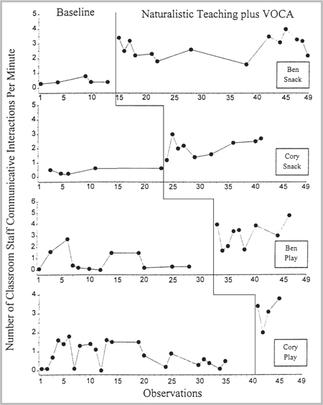

icon downloadDownload Image as .jpg

SOURCE: From “Increasing Communicative Interactions of Young Children With Autism Using a Voice Output Communication Aid and Naturalistic Teaching,” by M. Schepis, D. Reid, M. Behrmann, and K. Sutton, 1998, Journal of Applied Behavior Analysis, 31, pp. 561–578. Copyright 1998 by the Society for the Experimental Analysis of Behavior. Reprinted with permission.

Viewed abstractly, it would appear that in these and other successful studies where the baselines are “similar but different behaviors,” there are certain commonalities. Usually, the behaviors are “natural” subcategories of the molar behavior under consideration, and a subjective analysis suggests that they require approximately equal “effort” or skill to perform. Finally, their operant or baseline levels should indicate that they are about equally likely to occur (i.e., they have roughly the same rate or frequency). If the behaviors do not occur with equal frequency, then interpreting the results of a treatment may be tenuous. Magee and Ellis (2000) cleverly conducted a functional analysis prior to their study and predicted that out-of-seat behavior, yelling, inappropriate gestures, and destruction were likely all members of the same response class. Later, when out-of-seat behavior was put on extinction, yelling increased; when yelling was put on extinction, inappropriate gestures and destruction increased. The true test of the equivalence of the behaviors in the design comes once the experiment is under way and approximately equal results have been seen. Using the suggestions provided in Step 2 should help you arrive at appropriate behaviors for your study. Compulsive researchers will do some pilot testing, perhaps using functional analysis, to determine if a calculated guess was in fact correct. If not, a new selection will have to be made and further pilot testing carried out.

Trending. Just as with the reversal design, the researcher must keep careful watch on the daily fluctuation in data because any trend in the direction of an expected increase can destroy the power of the design, as illustrated in Figure 2.7-23.

Generalization. Perhaps the most serious concern in the use of the multiple baseline is that a treatment will affect not only the target behavior but also one of the other baselines. As shown in Figure 2.7-24, such an effect utterly destroys the usability of the multiple baseline because it is impossible to determine if the change in behavior was due to your intervention or to some outside variable.

The only way to “save” such data is to withdraw or reverse the treatment, but this option is usually not feasible in light of the original rationale for the use of the multiple baseline (i.e., the behavior was irreversible or it was undesirable to let it reverse). In practice, the only alternative is to drop the experiment and select another set of behaviors, participants, or settings for baselines and begin again.

Multiple Treatments. The multiple-baseline design is most appropriate for demonstrating the effects of a single independent variable (Baer et al., 1968). When you wish to compare the effects of two or more interventions, complications arising out of sequence and order effects plague the design, as can be seen in a clinical study with children's motor tics. Woods, Miltenberger, and Lumley (1996) wanted to evaluate the components of a habit-reversal treatment (Azrin & Nunn, 1973) for motor tics. First, they analyzed the components and ranked them according to least-to-most effort to implement. As shown in Figure 2.7-25, the “awareness training” component had little effect on Keith's mouth tics but a major impact on Jack's neck tics and questionable effects on Brandi's hand tic. Two additional components were added to Keith's treatment and had some effect, but for him it was the “competing response training” that appeared to be responsible for the final major reduction in mouth tics. (Response generalization appeared to set in on about Day 22 for Keith's eye tic, adding one more complication.) This same multicomponent package was used with Keith's eye tic and with Chip's leg tic. (Note the apparent generalization to Chip's arm tic in the fourth panel from the top.) Finally, for Brandi, it was the self-monitoring added to the awareness training that was effective in helping her reduce her hand tic.

The problem with possible sequence effects can clearly be seen in this example. We do not know, for example, whether the “competing response training” would have worked if it had been used as the first intervention with Keith's mouth tic. Likewise with Chip's leg tic, it simply cannot be concluded that the whole package was necessary for him, especially in light of the data just preceding this condition. Finally, we do not know whether the awareness training would have been necessary with Brandi if self-monitoring had been used first.

Figure 2.7-23. Loss of power of multiple baseline as a result of a downtrend in Behavior B just prior to treatment, top panel. The middle and bottom panels indicate that allowing Behavior B to return to stability at either the original or the new level restores the power of the design.

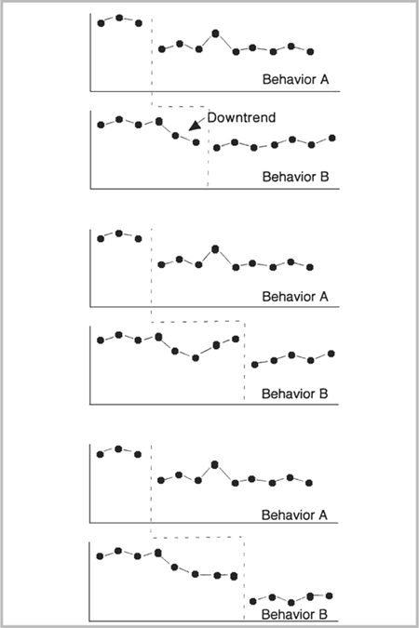

icon downloadDownload Image as .jpg

Figure 2.7-24. Impact of generalization of a treatment effect on the interpretability of the results in a multiple baseline design

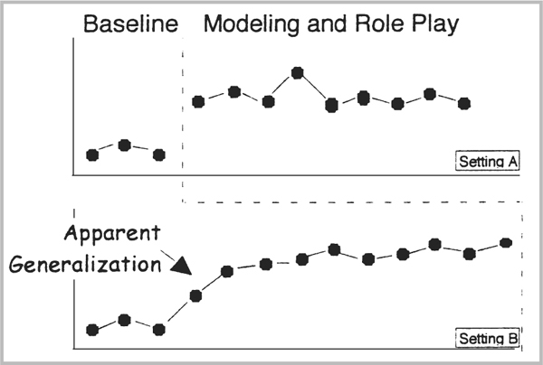

icon downloadDownload Image as .jpg

Human behavior is exceedingly complicated, as the data from this study show. Some children responded to some components and other children to completely different ones, and in the final analysis, it is not clear how you would proceed with a new child entering for treatment. Studies like this clearly illustrate the complications involved in making treatment comparisons within a multiple-baseline design. But under special circumstances, the integrity of the multiple baseline can be maintained with multiple treatments. These involve the addition of conditions or phases after an initial intervention.

One way to deal with the sequence effects is to add and subtract the components. Shirley, Iwata, Kahng, Mazaleski, and Lerman (1997) had a good model for this design in their study of functional communication training (FCT). As shown in Figure 2.7-26, when FCT alone was implemented, there was no change in self-injurious behavior for three participants with profound mental retardation. When extinction was added, the self-injurious behavior initially increased and then dropped to near zero; with one participant, Sue, when the extinction condition was dropped, the self-injurious behavior increased. For the other two participants, self-injurious behavior remained at low levels when the FCT-alone condition was reinstituted.

Figure 2.7-25. Percentage of intervals with tics across days. Data collected after the break in the graph indicate follow-up data across weeks after implementation of the final treatment phase for each child. BL, baseline; AT, awareness training; AT & SM, awareness training plus self-monitoring; AT & SM & SS, awareness training plus self-monitoring and social support; AT & CR & SS, awareness training, competing response training, and social support.

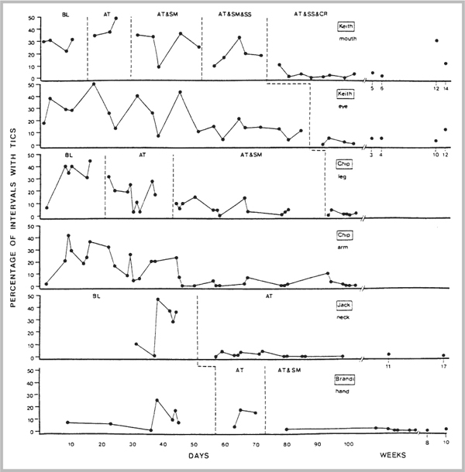

icon downloadDownload Image as .jpg

SOURCE: From “Sequential Application of Major Habit-Reversal Components to Treat Motor Tics in Children,” by D. Woods, R. Miltenberger, and V. Lumley, 1996, Journal of Applied Behavior Analysis, 29, pp. 483–493. Copyright 1996 by the Society for the Experimental Analysis of Behavior. Reprinted with permission.

This use of a reversal design within a multiple baseline would appear to contradict one of the primary assumptions of employing the multiple-baseline design, namely, that either the behavior would not reverse or that it would not be in the participant's best interest. In this case, the self-injurious was clearly reversible, but with very short sessions of 10 to 15 minutes and with close supervision, safety could be assured.

One clearly acceptable use of multiple treatments involves the use of follow-up, maintenance, or generalization training following an initial treatment. Ducharme and Holburn (1997), for example, used two treatments in their multiple-baseline-across-subjects design to study the generalization of social skills in children with hearing impairments. Their Treatment 1 was a social skills training package, and their Treatment 2 added generalization programming. As shown in Figure 2.7-27, it is clear from an examination of the top panel that no generalization occurred with Treatment 1 alone. Furthermore, when generalization programming was added, social skills began to generalize noticeably.

This is an excellent example of an embedded multiple baseline where there are two dependent variables for each subject (i.e., one for the training setting and another for the generalization setting). Thus, the design could be described as a multiple-baseline-across-behaviors design embedded within a multiple-baseline-across-subjects design.

Multielement Baseline Designs

A third experimental design that may have wide applicability is known as the multielement baseline design (or simply the multielement design) (Thompson, Iwata, Conners, & Roscoe, 1999). The design is based upon the multiple schedule (Ferster & Skinner, 1957) and was discussed at length by Sidman (1960, pp. 323–340), although its advantages for applied research were not elucidated until the mid-1970s (Ulman & Sulzer-Azaroff, 1975). The multielement design (also called the alternating treatments design) got its biggest boost in 1982 when Brian Iwata and his colleagues (Iwata, Dorsey, Slifer, Bauman, & Richman, 1982, 1994) chose this methodology to demonstrate functional analysis in the treatment of self-injury. In the past few years, it has become perhaps the most frequently used design in behavior analysis.

Figure 2.7-26. Rate of self-injurious behavior (SIB) for each participant during baseline and across treatment conditions (FCT alone and FCT plus extinction)

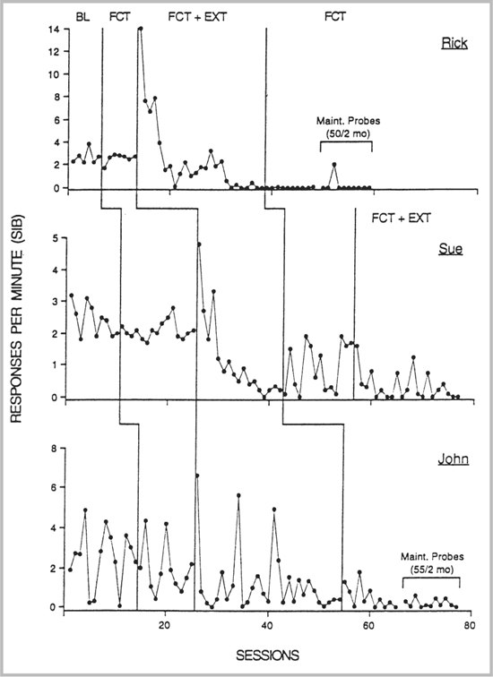

icon downloadDownload Image as .jpg

SOURCE: From “Does Functional Communication Training Compete With Ongoing Contingencies of Reinforcement? An Analysis During Response Acquisition and Maintenance,” by M. Shirley, B. Iwata, S. Kahng, J. Mazaleski, and D. Lerman, 1997, Journal of Applied Behavior Analysis, 30, pp. 93–104. Copyright 1997 by the Society for the Experimental Analysis of Behavior. Reprinted with permission.

Figure 2.7-27. Percentage of social interactions in training and generalization settings for Liz, Mark, Tony, and Gary across experimental conditions

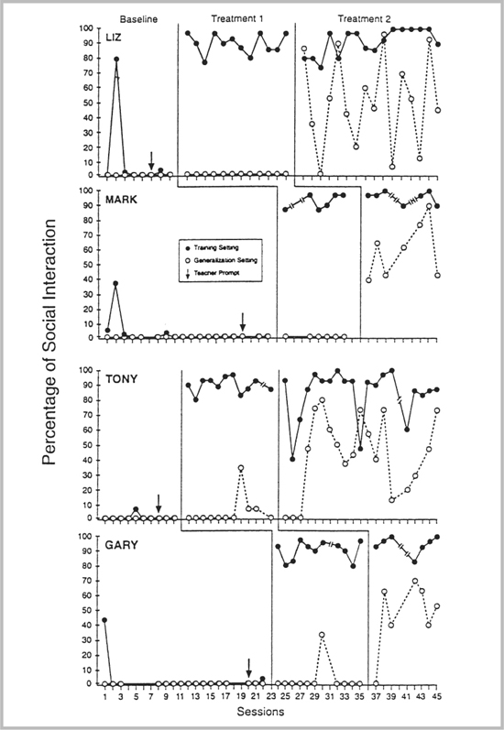

icon downloadDownload Image as .jpg

SOURCE: From “Programming Generalization of Social Skills in Preschool Children With Hearing Impairments,” by D. Ducharme and S. Holborn, 1997, Journal of Applied Behavior Analysis, 30, pp. 639–651. Copyright 1997 by the Society for the Experimental Analysis of Behavior. Reprinted with permission.

The design logic operates by bringing the same behavior (of one or more participants) under the control of several different experimental procedures, each of which is associated with a different discriminative stimulus. When shown graphically, the data points for each of the separate conditions are connected, and any systematic deviation from the baseline or a control condition demonstrates experimental control or allows for an evaluation of the independent variable. Typically, the order of the conditions will vary randomly so that no predictable pattern is presented to the participants, so at the same time, order and sequence effects are eliminated (Higgins-Hains & Baer, 1989).

A recent example of this design is seen in a study by Worsdell, Iwata, Conners, Kahng, and Thompson (2000), as shown in Figure 2.7-28. Here the authors were examining the relative influences of establishing operations (EOs) and reinforcement contingencies on problem behaviors. Overlapping data points for the various conditions often make it difficult to determine which were the controlling variables; stable data such as Rich's data are relatively easy to interpret.

Embedding a multielement design within a multiple baseline, as shown in Figure 2.7-29, is a way of gathering a great deal of information in one experiment. In this case, this was the ideal design to ask the question that the authors (Conners et al., 2000) were interested in: Does adding discriminative stimuli facilitate differential responding during functional analyses?

When to Use the Multielement Design

The multielement design is ideally suited to circumstances where several different contingency arrangements or biological variables need to be compared simultaneously. From the Conners et al. (2000) study just discussed, and from Sidman's advice (1960), adding discriminative stimuli for each contingency seems like a good recommendation. You need to be able to alternate the conditions rapidly and randomly to obtain the multielement effect.

Figure 2.7-28. Number of responses per minute of self-injurious behavior (SIB) exhibited by Jenna, Beth, Rich, and Sheila across functional analysis conditions

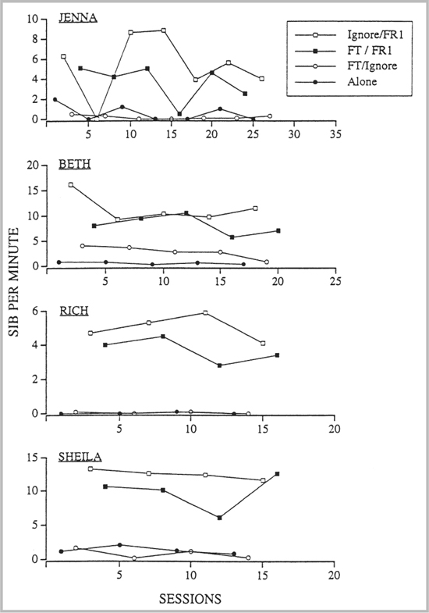

icon downloadDownload Image as .jpg

SOURCE: From “Relative Influences of Establishing Operations and Reinforcement Contingencies on Self-Injurious Behavior During Functional Analyses,” by A. Worsdell, B. Iwata, J. Conners, S. Kahng, and R. Thompson, 2000, Journal of Applied Behavior Analysis, 33, pp. 451–461. Copyright 2000 by the Society for the Experimental Analysis of Behavior. Reprinted with permission.

In drug trials, the goal is to conceal any discriminative stimuli associated with the treatment, so the observers, parents, and teachers are made unaware of medication status while the multielement design is in place. Northup et al. (1999) used the multielement design in this way to evaluate the effects of methylphenidate (MPH) versus a placebo under various contingencies. Their results are intriguing and warrant replication and further study because there seems to be a clear interaction between MPH effectiveness and analogue contingencies. Another interesting study (Ardoin & Martens, 2000) used the multielement design to test whether children on MPH and placebos (in a double-blind placebo-controlled multielement design) could accurately report the effects of the medication on their behavior. Kennedy and Meyer (1996) also used a multielement design to good effect to determine if biological factors such as sleep deprivation and allergy reactions could affect student behavior.

Limiting Conditions of the Multielement Design

The multielement design is basically a rapidly changing reversal design. One limiting condition, then, involves the extent to which rapidly changing from one condition to another is feasible. Comparing MPH and placebos is feasible because MPH has a rapid onset and washes out in a relatively short period of time, but with other medications this might not be the case, and the alternation might have to be across weeks rather than days.

Another consideration is whether one condition might affect another in a “carryover” effect (Barlow & Hayes, 1979). This is especially likely if the treatment sessions are short (e.g., 10 minutes) and several occur each day; if, for example, while testing the B condition you might also be seeing the effects of the prior A condition that occurred just 15 minutes ago. A related problem involves a possible “contrast” effect between conditions. That is, if Condition A was presented alone it might produce 50% off-task behavior and if Condition B were presented alone it might produce 10% off-task behavior, but when A and B are rapidly alternated, they might give much different results, as shown in Figure 2.7-30, where one measure is increased and the other decreased as a result of their being alternated.

Figure 2.7-29. Results obtained for Bob, Annette, Jed, and Max from functional analyses conducted in the presence and absence of SDs

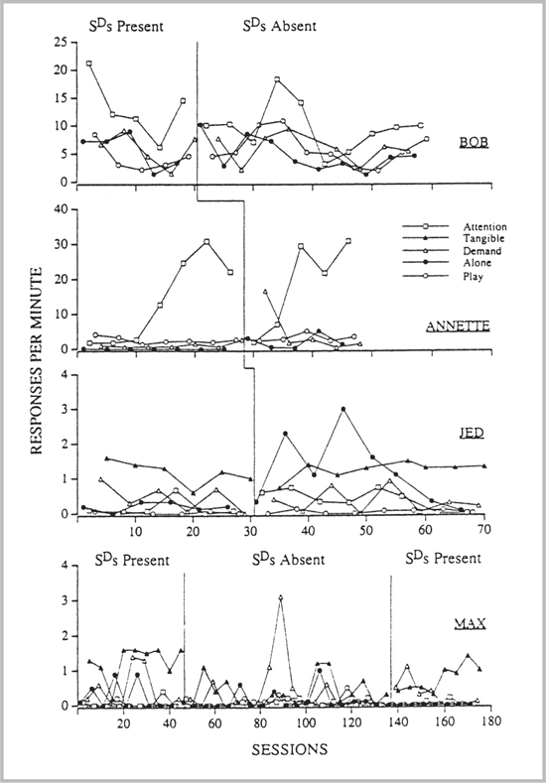

icon downloadDownload Image as .jpg

SOURCE: From “Differential Responding in the Presence and Absence of Discriminative Stimuli During Multielement Functional Analyses,” by J. Conners, B. Iwata, S. Kahng, G. Hanley, A. Worsdell, and R. Thompson, 2000, Journal of Applied Behavior Analysis, 33, pp. 299–308. Copyright 2000 by the Society for the Experimental Analysis of Behavior. Reprinted with permission.

Figure 2.7-30. An illustration of possible contrast effects in the multielement design

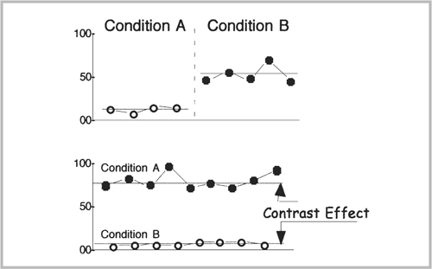

icon downloadDownload Image as .jpg

The only way to be sure if the results of the multielement design are valid is to test them individually in a reversal design. A good example of this can be seen in Piazza et al.'s (1997) study, which ran a two-part design with a multielement followed by a reversal design. This is similar to the recommendation of Wacker et al. (1990), who coined the term sequential alternating treatment design to describe a multielement followed by one treatment in a multiple baseline to correct for any contrast effects that might have occurred. Higgins-Hains and Baer (1989) have discussed this and related issues in detail; if you plan to use the multielement design, it would be good to review their article for suggestions on some necessary control procedures.

Changing-Criterion Design

One design not often used is the changing-criterion design (Hartmann & Hall, 1976). It was apparently first used in applied work by Weiss and Hall (1971), although a somewhat similar strategy was described by Sidman (1960, pp. 254–256) for coping with the problem of irreversibility of behavioral effects in animal operant research. Basically, the design shows experimental control by demonstrating that changes in the level of a behavior occur only when the criterion (usually for the delivery of reinforcers or escape) changes. Once stability at the criterion is met, a new one is set, and the behavior must then conform to this new criterion. A study by Foxx and Rubinoff (1979) shows one of the best examples of this design (see Figure 2.7-31). In this study, participants earned $14 per treatment phase for reducing their daily caffeine intake. Experimental control is shown because behavior changes only when a new criterion is established.

A useful variation on the design is to occasionally reverse the contingency, as was done by Fitterling, Martin, Gramling, Cole, and Milan (1988) in their use of the changing-criterion design to shape adherence to an aerobic exercise program to reduce vascular headaches.

When to Use the Changing-Criterion Design

The primary use of the changing-criterion design would appear to be in cases where the target behavior is unidimensional (otherwise you could use a multiple baseline) and where the intervention involves changing some contingency, also along one dimension. We assume that the behavior is irreversible or should not be reversed (except perhaps for very short periods for demonstrations of experimental control) and that the changes to be made will occur in small increments. Presumably, any treatment program that seeks a stepwise reduction in, for example, weight or drinking, or a similar increase in, for example, exercise (DeLuca & Holborn, 1992) or problems solved, would be appropriate.

Limiting Conditions of the Changing-Criterion Design

We do not have many published examples of the changing-criterion design, but it is clear that it is a rather limited-use design. There must be a baseline of sufficient length to allow prediction of behavior if no changes are made, and the first criterion change intervention must produce a visually significant change, as with a reversal design. In addition, each criterion must be significantly different from the previous one to allow for a visual detection of a difference, and each must be kept in force until stability has been reached; any trending will destroy the usefulness of the design.

Figure 2.7-31. Subject 2's daily caffeine intake (in mg) during baseline, treatment, and follow-up. The criterion level for each treatment phase was 137 mg of caffeine less than the previous treatment phase. Solid horizontal lines indicate the criterion level for each phase. Broken horizontal lines indicate the mean for each condition.

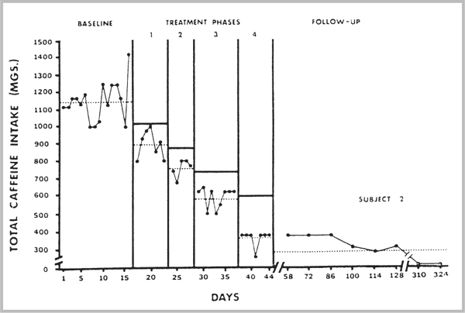

icon downloadDownload Image as .jpg

SOURCE: From “Behavioral Treatment of Caffeinism: Reducing Excessive Coffee Drinking,” by R. Foxx and A. Rubinoff, 1979, Journal of Applied Behavior Analysis, 12, pp. 335–344. Copyright 1979 by the Society for the Experimental Analysis of Behavior. Reprinted with permission.

Group Designs

The superiority of single-subject designs for examining the relationship between environmental changes and individual behavior has been discussed at length by Sidman (1960) and more indirectly and briefly by Kendall (1973). Behavior analysts are by definition interested in the behavior of individuals, and we believe that we can learn the most about them by studying them over some considerable period of time, making systematic changes in the environment, and replicating the results using each person as their own control. Behavior analysts, by and large, are not interested in the types of questions that are typically answered by group-statistical designs. Nonetheless, there are occasional circumstances under which the only way to demonstrate experimental control for the question being asked is by using groups of participants.

When to Use Group Designs

As behavior analysts begin operating on a larger scale, it is inevitable that they will begin to ask questions about groups of participants who have received some treatment that has been previously worked out in minute detail using single-subject designs (Baer, 1975). In some cases, the nature of the “intervention” is such that the application is long term (e.g., college instruction), and to break it down would be to lose the face validity of the independent variable. For some other types of research, the experimenter may wish to know about the comparative effects of several treatments, but the available single-subject designs, if employed, would not rule out order or sequence effects (Jason, Billows, Schnopp-Wyatt, & King, 1996). Finally, one simply may wish to collect the data on one behavior of a number of persons to establish norms for the occurrence of certain responses. Clearly, as the field of applied behavior analysis develops, and larger applications are made, greater use of group designs is likely.

Examples of Group Studies Used in Applied Behavior Analysis

A few examples of the uses of groups and group designs may help illustrate the circumstances under which they may be appropriately used. Bostow and his colleagues (Kritch & Bostow, 1998; Kritch, Bostow, & Dedrick, 1995; Tudor & Bostow, 1991), for example, have evaluated the effects of college-level programmed instructional material and have often involved hundreds of college students as participants. Data often involve a comparison of pre- and posttest scores of at least two different groups of students, and the results are analyzed with an analysis of variance (ANOVA) or some other appropriate statistic. This is a perfectly appropriate use of group designs that widens the scope of behavior analysis in an area where it is much needed—college instruction. Neef and her colleagues (Neef, Lensbower, Hockersmith, DePalma, & Gray, 1990; Neef, Trachtenberg, Loeb, & Sterner, 1991) have worked in another important area, the training of respite care providers and mentally retarded adults. They use a within-subjects Latin square design nested in a multiple-baseline design to evaluate instructional materials and training strategies. One final type of inquiry is exemplified by Kazdin's (1980) research on the acceptability of various treatments for deviant child behavior. In this work, he used a4×4 Replicated Latin square design to present clinical cases to students taking undergraduate college courses. They were asked to rate the acceptability of four different treatments: differential reinforcement of incompatible behaviors (DRI—that is, reinforcement of a behavior that is incompatible with the behavior that the analyst is trying to eliminate), time-out, drug therapy, and electric shock. His finding that DRI is more acceptable than the other treatments is important information for researchers concerned with social validity, and it would be difficult to obtain this information in any other way than through a group design.

Limiting Conditions of Group Designs

The use of group designs and statistical analyses thereof has a long history dating back to Fisher's early (1925, 1926) work in agriculture. One inherent weakness in all group designs is their inability to allow a direct statement of causality. Rather, an estimate of the probability of a given finding occurring by chance is stated. In addition, because the use of groups obscures the scores for individual participants, it is impossible to make any estimate of the effects of the treatment for any given person (unless individual data were taken and presented, as in Neef et al., 1991). Thus, an average increase of 10 points from a pre- to a posttest may mean that a few participants did very well while others got worse or that most got a little better and a few did very well, and so on. Beginning researchers who have research questions that will clearly require some sort of group statistical design are advised to consult with a statistician well in advance of the study. Determining group sizes and selecting experimental variables require expertise usually well beyond that which may be acquired in the classroom, and having a statistical expert guide you through this maze will ensure that your study is suitable for publication when you are done.

This completes our discussion of research designs that are most commonly used in behavior analysis. There are other variants on these basic designs that may be discovered in reviewing the literature. As you begin to develop your research procedures, you will want to incorporate the variants on basic designs where it seems appropriate. In addition, there will no doubt be new research designs emerging with which to demonstrate experimental control under different circumstances. Just as the multiple-baseline design arose out of a need to show experimental control without the reversal of behaviors, it is anticipated that other designs will be developed to permit a demonstration of control as more sophisticated research questions arise.

The next step that must be taken by the researcher, just prior to the actual beginning of the experiment, is a careful examination of issues related to possible legal and ethical questions. These questions are presented in Step 8.

8055 Wk1
 | Qualitative and Quantitative Research Purpose Statement Templates Use of one of the following statement templates is required for this assignment. ### Qualitative Statement Template The purpose of this qualitative inquiry research is to ________ (understand, describe, develop, discover) the ________ (central phenomenon, experience/event, process) for _______ (the target population of participants such as the individual, groups, organizations) at/in _________ (site/location) informed by the ________(theory or theories). At this stage in the research, the ______ (central phenomenon, event, process) being studied will be generally defined as ____________ (provide a credibly supported definition).

[u01d1] Week 1 Discussion

Welcome to Week 1 and your Literature Review Course! This week's discussion will not be difficult but is critical for a few reasons: (1) it will assist your instructor with knowing where you are in the course of your researching the literature; (2) it will help you reflect on where you are and how you might progress this term; and (3) it will establish a presence for you in the courseroom to ensure that you are not dropped from the course. To meet the requirements of this discussion, please post the following:

Write a brief note about where you are in your journey toward your dissertation. This can be one paragraph, and discuss any barriers, hurdles, or concerns you have about the next steps of your process.
Explain the topic that you are exploring, analyzing, and researching (in no more than five sentences). Cite at least two sources to help explain/support your topic.
Attach a list of the sources you have already compiled for your project.

Feel free to respond to your classmates' posts (not required).

Halston Sleets (She/Her)
Apr 19 8:16pm

Hi Class! Happy Week 1!
It’s great to see so many of you from previous courses. I appreciate how our courses add to our previous research. I am refining my research question and integrating my problem statement, conceptual framework, and methodological approach. I feel confident in my study’s direction; a primary challenge involves ensuring my framing remains qualitative and focuses on perceptions rather than causality. This requires constant care in language and design. I am also narrowing my literature to recent, U.S.-based empirical studies, while continuing depth and rigor. Moving forward, I am strengthening coherence between the Leader–Member Exchange (LMX) theory and managers’ lived experiences in remote environments while I prepare for data collection. The process feels iterative and purposeful, and I gain more clarity with each revision.
My research explores how managers in U.S.-based technology companies perceive and enact inclusive leadership in completely remote sociotechnical work systems. The study uses Leader–Member Exchange (LMX) theory to understand how leader-member relationships shape inclusion, access, and engagement in remote contexts. Recent studies suggest remote work creates disparities in communication, visibility, and support. This makes leadership behaviors more critical to the employee experience (Chen, 2024; Nyberg, 2021). Other research shows that leader support and relationship interactions impact worker well-being and job satisfaction in distributed environments (Becker et al., 2022). By focusing on managerial perceptions, this study intends to understand how inclusive leadership is interpreted and practiced in digitally mediated workplaces.
References
Allen, T. D., Merlo, K., Lawrence, R. C., Slutsky, J., & Gray, C. E. (2021). Boundary management and work–nonwork balance while working from home. Applied Psychology, 70(1), 60–84. https://doi.org/10.1111/apps.12300Links to an external site.
Becker, W. J., Belkin, L. Y., Tuskey, S. E., & Conroy, S. A. (2022). Surviving remotely: How job control and loneliness during a forced shift to remote work impacted employee work behaviors and well-being. Human Resource Management, 61(4), 449–464. https://doi.org/10.1002/hrm.22102Links to an external site.
Chen, G. X. (2024). Working hours, shift, and remote work by industry and occupation in U.S. full-time workers. Workplace Health & Safety, 72(9), 392–400. https://doi.org/10.1177/21650799241257157Links to an external site.
Nyberg, A. J., Shaw, J. D., & Zhu, J. (2021). The people still make the (remote work-) place: Lessons from a pandemic. Journal of Management, 47(8), 1967–1976. https://doi.org/10.1177/01492063211023563Links to an external site.

Reply
Mark as Unread

Nabaa Alkinani
Apr 19 12:55pm

Hello Class,

At this stage of my dissertation journey, I have developed a much clearer direction, while working through some key finer details. I have refined my topic, problem and research question and I feel better overall. However, one of my major difficulties is ensuring that my study remains focused on perceptions (rather than moving into experiences or objective results), which are very easy to do in this area. I continue to refine my theoretical framework and my research design in a manner that makes both feasible. Additionally, I am working on narrowing my target population and formulating how best to reach those participants. Overall, I feel as if I am in good shape, but I know that maintaining precision and alignment will be critical to my progress moving forward.

This study is investigating how accounting professionals perceive organizations’ practices that relate to fraud risk and the effectiveness of internal controls. Previous studies have established a link between internal control weaknesses and increased risk to the overall organization as well as how an auditor will respond to those risks, therefore it is important to understand the way these practices are viewed in actual field settings (Elder et al., 2009). Previous studies have also shown that ethical infrastructure (i.e., training, reporting systems, organizational policies) has a substantial influence on accountants’ ethical judgment and decision-making processes (Seifert et al., 2022). Further, accountants’ decisions regarding fraudulent financial statements will be influenced by their attitudes toward risk-taking, social pressures, and perceived control, providing further impetus for the need to study practitioners’ perceptions (Carpenter & Reimers, 2005). This study will provide a better understanding of how accounting professionals interpret and apply these organizational practices in real-world settings.

References

Carpenter, T. D., & Reimers, J. L. (2005). Unethical and Fraudulent Financial Reporting: Applying the Theory of Planned Behavior. Journal of Business Ethics, 60(2), 115–129. https://doi.org/10.1007/s10551-004-7370-9Links to an external site.

Elder, R., Zhang, Y., Zhou, J., & Zhou, N. (2009). Internal Control Weaknesses and Client Risk Management. Journal of Accounting, Auditing & Finance, 24(4), 543–579. https://doi.org/10.1177/0148558x0902400403Links to an external site.

Seifert, S. G., Lamothe, E. G., & Schmitt, D. B. (2022). Perceptions of the Ethical Infrastructure, Professional Autonomy, and Ethical Judgments in Accounting Work Environments. Journal of Business Ethics, 182(3), 821–850. https://doi.org/10.1007/s10551-021-05001-0Links to an external site.

Compiled Sources - Nabaa Alkinani.docx

Reply
Mark as Unread

MW
Max Walker
Apr 18 11:49pm

Repost with Current Sources attached:

Good Evening Everyone,

My dissertation is in the early stages of construction. Having just completed RSCH 8926, my project plan is just beginning to take shape. Desiring to expand on a proposed study of Stakeholder-Salience Governance of ITDRPaaS in SMEs: via Aligning IT Strategy and Decision Rights Governance. My knowledge of specific research is just coming into focus, as my improving alignment toward research/understanding of how IT Network managers effectively make decisions under stakeholder-salience conditions, power, legitimacy, and urgency dynamically shape who is authorized to decide, how escalation unfolds, and what constitutes acceptable proof of recover-ability when urgency intensifies (Freeman et al., 2020; Lowry et al., 2025; Mitchell et al., 1997).

My research focuses on stakeholder salience theory operationalized prioritization through attributes of power, legitimacy, and urgency (Freeman. 1984; Mitchell et al., 1997), understanding how from a continued review of literature explains why some stakeholder demands for immediate recover ability to system capability are treated as non-negotiable while others are deferred or underfunded (Mitchell et al., 1997). Specific to addressing challenges, organizations have with utilizing technological tools without the tied phenomenology (Creswell & Poth, 2018), adaptive management strategies, and organizational policies to support distributed development teams. Aligning to restated 30 year theory of Peter Senge’s theory of learning how small and medium-sized enterprises (SMEs) either lack a formally established disaster recovery plan or fail to embed recovery capabilities within enforceable governance structures (Örtenblad, 2007), resulting in inconsistent and difficult-to-demonstrate recoverability during connection disruption(s).

References:

Creswell, J. W., & Poth, C. N. (2018). Qualitative inquiry & research design: Choosing among five approaches (4th ed.). SAGE.

Freeman, R. E. (1984). Strategic management: A stakeholder approach. Pitman.

Lowry, M. R., Vance, A., & Vance, M. D. (2025). Inexpert supervision: Field evidence on boards’ oversight of cybersecurity. Management Science. https://doi.org/10.1287/mnsc.2023.04147 Links to an external site.

Mitchell, R. K., Agle, B. R., & Wood, D. J. (1997). Toward a theory of stakeholder identification and salience: Defining the principle of who and what really counts. The Academy of Management Review, 22(4), 853-886. https://doi.org/10.2307/259247 Links to an external site.

Örtenblad, A. (2007). Senge's many faces: Problem or opportunity? The Learning Organization, 14(2), 108–122.

BMGT8055_Current Source Listing_.docx

Reply
Mark as Unread

DO
Dave Oyewumi
Apr 17 2:51pm

Hello class,

Last semester, I completed RSCH8926, where I laid out my project plan. At this stage, while I have a good idea of the direction my dissertation should take in terms of literature and methodology, I do need to expand both the theoretical and empirical frameworks. Cabinova et al. (2024) demonstrated that many of the top-ranked nations in global innovation rankings are misusing and underutilizing resources entering their national innovation systems. These findings cannot be generalized across national income categories; therefore, the proposed study will test the hypothesis of resource underutilization using the World Bank data and structures within emerging economies. A major hurdle is aligning datasets across a wide category of emerging countries.

The proposed study examines innovation efficiency, a subset of the well-established concept of total factor productivity (TFP) in the efficiency modelling literature (Perelman, 1995). TFP is an implicit efficiency measure for determining the input-output productivity within the supply chains of productive sectors (Chen and Shao, 2025). The study will assess the utilization of resources entering the national innovation systems based on the innovation value chain theory (Cao et al., 2025). The study will employ a quantitative regression analysis to examine innovation efficiency in the supply chains of emerging markets (e.g., Brazil, India, China, Indonesia, Nigeria, and South Africa) using Stochastic Frontier Analysis (SFA) regression models (Zhou et al., 2024). This will attempt to establish the relationships among government, innovation efficiency, innovation total factor productivity, and decomposition terms (technical efficiency, efficiency index change, returns to scale, and projection terms).

References

Cabinova, V., Burgerova, J., & Gallo, P. (2024). Evaluating Innovation Efficiency in EU Countries: The DEA Approach. Marketing and Management of Innovation, 15(4), 17–30. https://doi.org/10.21272/mmi.2024.4-02

Cao, X., Wu, X., & Wang, L. (2023). Innovation network structure, government R&D investment and regional innovation efficiency: Evidence from China. PloS One, 18(5), e0286096. https://10.1371/journal.pone.0286096Links to an external site.

Chen, X., & Shao, J. (2025). The digital economy and total factor productivity of the manufacturing industry: From the perspective of subdivided manufacturing sectors. Sustainability, 17(7), 3127. https://doi.org/10.3390/su17073127

Perelman, S. (1995). R&D, technological progress and efficiency change in industrial activities. The Review of Income and Wealth,41(3), 349–366. https://doi.org/10.1111/j.1475-4991.1995.tb00124.x

Zhou, G., Xu, Y., & Zhang, F. (2024). Measurement of innovation efficiency in logistic enterprises: Evidence from China based on the three‐stage DEA‐Malmquist index model approach. The American Journal of Economics and Sociology, 83(2), 331–381. https://doi.org/10.1111/ajes.12545

LIST OF SOURCES.docx

Reply
Mark as Unread

MW
Max Walker
Apr 16 11:27pm

Good Evening Everyone,

My dissertation is in the early stages of construction. Having just completed RSCH 8926, my project plan is just beginning to take shape. Desiring to expand on a proposed study of Stakeholder-Salience Governance of ITDRPaaS in SMEs: via Aligning IT Strategy and Decision Rights Governance. My knowledge of specific research is just coming into focus, as my improving alignment toward research/understanding of how IT Network managers effectively make decisions under stakeholder-salience conditions, power, legitimacy, and urgency dynamically shape who is authorized to decide, how escalation unfolds, and what constitutes acceptable proof of recover-ability when urgency intensifies (Freeman et al., 2020; Lowry et al., 2025; Mitchell et al., 1997).

My research focuses on stakeholder salience theory operationalized prioritization through attributes of power, legitimacy, and urgency (Freeman. 1984; Mitchell et al., 1997), understanding how from a continued review of literature explains why some stakeholder demands for immediate recover ability to system capability are treated as non-negotiable while others are deferred or underfunded (Mitchell et al., 1997). Specific to addressing challenges, organizations have with utilizing technological tools without the tied phenomenology (Creswell & Poth, 2018), adaptive management strategies, and organizational policies to support distributed development teams. Aligning to restated 30 year theory of Peter Senge’s theory of learning how small and medium-sized enterprises (SMEs) either lack a formally established disaster recovery plan or fail to embed recovery capabilities within enforceable governance structures (Örtenblad, 2007), resulting in inconsistent and difficult-to-demonstrate recoverability during connection disruption(s).

References:

Creswell, J. W., & Poth, C. N. (2018). Qualitative inquiry & research design: Choosing among five approaches (4th ed.). SAGE.

Freeman, R. E. (1984). Strategic management: A stakeholder approach. Pitman.

Lowry, M. R., Vance, A., & Vance, M. D. (2025). Inexpert supervision: Field evidence on boards’ oversight of cybersecurity. Management Science. https://doi.org/10.1287/mnsc.2023.04147Links to an external site.

Mitchell, R. K., Agle, B. R., & Wood, D. J. (1997). Toward a theory of stakeholder identification and salience: Defining the principle of who and what really counts. The Academy of Management Review, 22(4), 853-886. https://doi.org/10.2307/259247Links to an external site.

Örtenblad, A. (2007). Senge's many faces: Problem or opportunity? The Learning Organization, 14(2), 108–122.

Reply
Mark as Unread

Erica Willis
Apr 16 9:05pm

Hello everyone,

At this point in my doctoral journey, I have developed the focus for my research and begun building a strong foundation of scholarly sources for my dissertation. My main focus is now refining my literature search and organizing sources for my literature review. One challenge I anticipate is ensuring that my literature review is both comprehensive and criticality synthesized rather than descriptive. Additionally, balancing the depth of research with time management will be important as I continue progressing.

My proposed study explores how human resource leaders and supervisors describe and interpret their efforts to foster a sense of belonging among remote millennial workers in the U.S. healthcare industry. This topic is significant as organizations continue to adapt to remote work while addressing employee engagement and inclusion. Research shows that a sense of belonging is closely related to employee engagement, job satisfaction, and retention outcomes (Guest, 2017). Additionally, leadership practices play an important role in shaping inclusive work environments and influencing employee perceptions of support and connection (Yang et al., 2020). This study aims to contribute to the literature by examining leadership strategies that promote belonging in remote healthcare settings.

References

Guest, D. E. (2017). Human resource management and employee well‐being: Towards a new analytic framework. Human Resource Management Journal, 27(1), 22-38. https://doi.org/10.1111/1748-8583.12139Links to an external site.

Yang, E., Kim, Y., & Hong, S. (2023). Does working from home work? experience of working from home and the value of hybrid workplace post-COVID-19. Journal of Corporate Real Estate, 25(1), 50-76. https://doi.org/10.1108/JCRE-04-2021-0015Links to an external site.

BMGT8055 - Current Sources.docx

Reply
Mark as Unread

JJ
James Jones
Apr 15 10:50pm | Last reply Apr 16 5:20pm

Like most of my classmates, I’m in the beginning phase of my dissertation. So far, I have identified a topic and problem and have an approved project plan. In addition, I have read and collected numerous articles relevant to my topic. The difficulty in searching for articles relevant to the topic is the proliferation of AI articles that focus on the application of AI rather than on the system development processes used to create AI. The future challenge is how to organize and synthesize the articles to tell the story of my topic and its pertinent themes, guiding the reader into the study.

The topic of study is the software development methodologies and processes used for developing large AI applications or systems. Currently, the majority of technology organizations’ AI development projects are deemed failures because they never become production-ready (Hamer et al., 2021; Vial et al., 2021). Researchers such as Vial et al. (2021) assert that the issue is related to data-handling processes, whereas Hamer et al. (2021) assert that the failure rate is due to project management processes. The purpose of the study is to explore the processes currently used in developing complex AI systems.

References

Hamer, P., Idoine, C., Vashisth, S., Choudhary, F., Jaffri, A., & Krensky, P. (2021). The State of Data Science and Machine Learning. Gartner Inc.,

Vial, G., Jiang, J., Giannelia, T., & Cameron, A. (2021). The Data Problem Stalling AI. MIT Sloan Management Review, 62(2), 47–53.

BMGT 8055 - Current Sources.docx

2 Replies, 2 Unread
Reply
Mark as Unread

FO
Frances Ong
Apr 15 6:15pm | Last reply Apr 16 8:09am

I am currently in the early stages of my dissertation journey where I have developed my topic, problem statement, and started building my literature review. Right now I am focused on refining my research direction and continuing to gather and organize sources. One challenge I am facing is making sure my study clearly addresses a meaningful research gap while still staying aligned with my qualitative approach. I also want to improve how I synthesize my sources instead of just summarizing them. Moving forward, my goal is to strengthen my literature review and feel more confident in my research design.

My research focuses on how project managers perceive and use behavioral practices while managing execution demands during the implementation of operational initiatives. I am looking at how they coordinate stakeholders, handle interdependent tasks, and respond to changing project conditions. Research shows that managerial behaviors influence coordination and overall project outcomes (Tawse et al., 2024). However, much of the existing research focuses on quantitative relationships rather than how project managers actually experience these situations. Prior studies also highlight the importance of leadership effectiveness in project success (Zwikael & Meredith, 2021). My study aims to explore those lived experiences and perspectives in more depth.

References

Tawse, A., Atwater, L., Vera, D., & Werner, S. (2024). Strategy implementation: The role of middle manager leadership and coordination. Journal of Strategy and Management, 17(1), 59–77. https://doi.org/10.1108/JSMA-01-2023-0007Links to an external site.

Zwikael, O., & Meredith, J. (2021). Evaluating the success of a project and the performance of its leaders. IEEE Transactions on Engineering Management, 68(6), 1745–1757. https://doi.org/10.1109/TEM.2019.2925057Links to an external site.

1 Reply
Reply
Mark as Unread

Jean Poteau
Apr 15 9:39am | Last reply Apr 16 9:58pm

Repost with Current Sources:

My dissertation investigates how IT decision-makers in large U.S. corporations integrate generative AI (GenAI) to enhance employee performance and development. The research identifies organizational strategies and perspectives to determine if GenAI is a viable tool for workforce advancement. By evaluating these adoptions, the study assesses the potential of GenAI to bolster overall organizational outcomes. My primary concern regarding the upcoming dissertation phases is participant recruitment, as engaging high-level professionals may be difficult. I am currently refining my questionnaire for formal review and plan to utilize NVivo for data analysis. Although my technical proficiency with the software is currently at an introductory level after a recent course, I anticipate gaining sufficient practical experience before the analysis stage.

The central phenomenon is the process of incorporating generative AI solutions as a knowledge management enhancement to support employee development and performance. The general problem is that large US corporations struggle to integrate GenAI into their core operations, hindering their ability to leverage its potential to improve employee performance, access to knowledge, and scalable development programs (Appio et al., 2024; McClure, 2024). Employing a qualitative inductive thematic analysis, this research will highlight GenAI's technical power, economic potential, and organizational risks. Kanback et al. (2024) assert that GenAI is a vital catalyst for market leadership, requiring businesses to adapt their internal models and navigate technical integration strategies, systemic effects, and trust-related risks as identified by IT decision-makers. Story (2025) emphasizes that while GenAI revolutionizes efficiency, its success depends on understanding its dual influence on knowledge management systems and individual workers.

References

Appio, F. P., Frattini, F., & Urbinati, A. (2024). AI in business operations: driving urban growth and societal sustainability. BMC Research Notes, 17(1), 216.

Kanbach, D. K., Heiduk, L., Blueher, G., Schreiter, M., & Lahmann, A. (2024). The GenAI is out of the bottle: generative artificial intelligence from a business model innovation perspective. Review of Managerial Science, 18, 1189–1220. https://doi.org/10.1007/s11846-023-00696-z Links to an external site.

Storey, V. C. (2025). Knowledge management in a world of generative AI: Impact and implications. ACM Transactions on Management Information Systems, 16(3), Article 26. https://doi.org/10.1145/3719209

BMGT 8055 - Dissertation Current Sources.docx

2 Replies, 2 Unread
Reply
Mark as Unread

Jean Poteau
Apr 15 9:34am

My dissertation investigates how IT decision-makers in large U.S. corporations integrate generative AI (GenAI) to enhance employee performance and development. The research identifies organizational strategies and perspectives to determine if GenAI is a viable tool for workforce advancement. By evaluating these adoptions, the study assesses the potential of GenAI to bolster overall organizational outcomes. My primary concern regarding the upcoming dissertation phases is participant recruitment, as engaging high-level professionals may be difficult. I am currently refining my questionnaire for formal review and plan to utilize NVivo for data analysis. Although my technical proficiency with the software is currently at an introductory level after a recent course, I anticipate gaining sufficient practical experience before the analysis stage.

The central phenomenon is the process of incorporating generative AI solutions as a knowledge management enhancement to support employee development and performance. The general problem is that large US corporations struggle to integrate GenAI into their core operations, hindering their ability to leverage its potential to improve employee performance, access to knowledge, and scalable development programs (Appio et al., 2024; McClure, 2024). Employing a qualitative inductive thematic analysis, this research will highlight GenAI's technical power, economic potential, and organizational risks. Kanback et al. (2024) assert that GenAI is a vital catalyst for market leadership, requiring businesses to adapt their internal models and navigate technical integration strategies, systemic effects, and trust-related risks as identified by IT decision-makers. Story (2025) emphasizes that while GenAI revolutionizes efficiency, its success depends on understanding its dual influence on knowledge management systems and individual workers.

References

Appio, F. P., Frattini, F., & Urbinati, A. (2024). AI in business operations: driving urban growth and societal sustainability. BMC Research Notes, 17(1), 216.

Kanbach, D. K., Heiduk, L., Blueher, G., Schreiter, M., & Lahmann, A. (2024). The GenAI is out of the bottle: generative artificial intelligence from a business model innovation perspective. Review of Managerial Science, 18, 1189–1220. https://doi.org/10.1007/s11846-023-00696-zLinks to an external site.

Storey, V. C. (2025). Knowledge management in a world of generative AI: Impact and implications. ACM Transactions on Management Information Systems, 16(3), Article 26. https://doi.org/10.1145/3719209Links to an external site.

Reply
Mark as Unread

Christopher Golden
Apr 13 4:56am | Last reply Apr 16 4:43pm

Write a brief note about where you are in your journey toward your dissertation. This can be one paragraph, and discuss any barriers, hurdles, or concerns you have about the next steps of your process.

For my dissertation, the research topic and study were approved by the endorser. It was a great relief to hear that my study was approved and a positive reinforcement for my work. My concern is how to integrate the Work Day Questionnaire (WDQ) as a key construct into Qualtrics for the survey. The endorser has approved my use of the WDQ, a 77-question survey that, when completed, offers insights into workers' levels of job autonomy. However, some of the questions do not seem to fit the study. I chose Qualtrics because it allows users to use a five-point Likert scale and a matrix table question type, which aligns with the WDQ. I need some guidance and help with setting up the survey in Qualtrics. WDQ In Qualtrics.Download WDQ In Qualtrics.

Explain the topic that you are exploring, analyzing, and researching (in no more than five sentences). Cite at least two sources to help explain/support your topic.

The topic of my dissertation is a quantitative investigation of knowledge management (KM) and its impact on training among early-career professionals, with potential implications for accounting departments. The problem to be explored is higher direct costs attributable to accounting inaccuracies (KPMG, 2023), noncompliance (GAO, 2025), inconsistencies (Ayodele et al., 2023), and information asymmetry (Arkhipova et al., 2024), as illustrated in Figure 1. The specific problems are accounting inaccuracies (KPMG, 2023), noncompliance (GAO, 2025), inconsistencies (Ayodele et al., 2023), and information asymmetry (Arkhipova et al., 2024), resulting from inadequate onboarding and training for accounting staff. This leads to increased overall direct costs, resulting in accounting inconsistencies and noncompliance that cause financial and nonfinancial harm. The 2024 article by Tifani et al., found that a lack of training and knowledge inhibited the implementation and operation of critical corporate accounting systems.

References

Arkhipova, D., Montemari, M., Mio, C., & Marasca, S. (2024). Digital technologies and the evolution of the management accounting profession: a grounded theory literature review. Meditari Accountancy Research, 32(7), 35-64. https://doi.org/10.1108/MEDAR-07-2023-2097Links to an external site.

Ayodele, O. F., Yao, L., Haron, H. B., & Eaw, H.-C. (2023). Knowledge management and organizational performance: The neglected role of institutional accounting practices. Journal of Accounting and Organizational Change. Advance online publication. https://doi.org/10.1108/JAOC-06-2021-0081Links to an external site.

KPMG. (2023). Handbook: Accounting changes and error corrections. https://kpmg.com/us/en/frv/reference-library/2025/handbook-accounting-changes-error-corrections.htmlLinks to an external site.

Tifani, N. L., Martiza, B. S., & Mukhtaruddin. (2024). Strategic management accounting and performance management in large manufacturing firms: A case study analysis. IFR Journal of Economics and Business Management, 1(2), 19–26. https://doi.org/10.70146/ebmv01i02.00Links to an external site.

United States Government Accountability Office. (2025). Sarbanes-Oxley Act: Compliance costs are higher for larger companies but more burdensome for smaller ones (Report No. GAO-25-107500). U.S. Government Accountability Office. https://www.gao.gov/products/gao-25-107500Links to an external site.

Figure 1
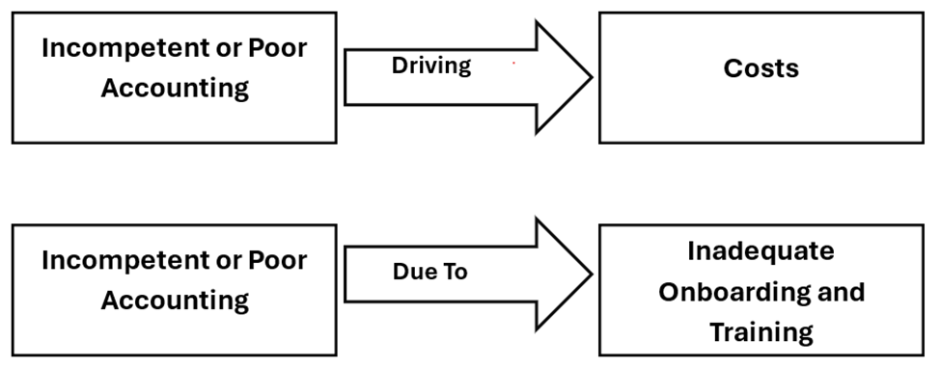

BMGT8055 - Current Sources.docx

4 Replies, 4 Unread
Reply
Mark as Unread

