Coding Phase Defects
do not print this form |  |  |  | Echipa
Review Form. Coding Defects |  |  |  |  | Numele si prenumele | Grupa
 |  |  |  | Student 1:
 | Document Title: | Coding Document |  | Student 2:
 | Author Name: | Popescu Ionel |  | Student 3:
 | Reviewer Name:
 | Review date:

Crt. No. | Checked Item | Doc. page/line | Comments/ improvements
1 | C04 | 27 - PaymentRepository | Eroare consola - File not found
2 | C06 |  | Aplicatia nu calculeaza corect nota de plata
3 | C01 |  | Aplicatia deschide automat ferseastra pentru bucatarie in momentul inchiderii ferestrei cu mesel. Mai mult decat atat, nici nu specifica ce trebuie pregatit
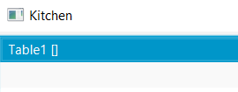
4
5
6
7
8
9
10
11
12
13
14
15
16
17
18
19
20
21

 | Effort to review document (hours):

