boxplot
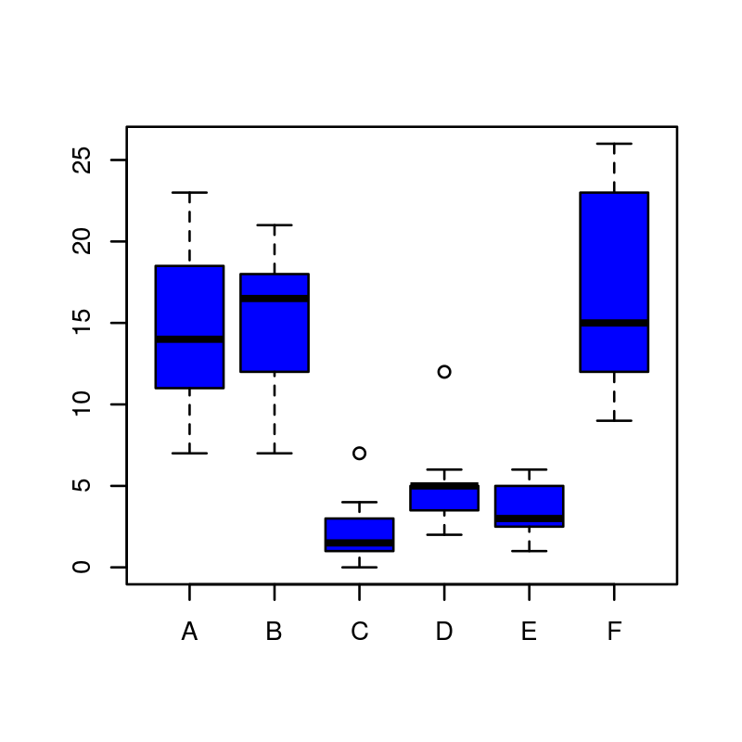
Box plot using InsectSprays data

