Pivot Table 3
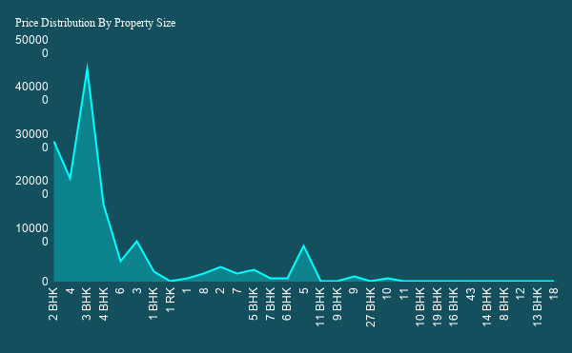

Pivot Table 2
Top Society Density(Listing)

Pivot Table 1
Built-up Area, Carpet Area, Plot Area and Super built-up Area

Sheet2
1554.942029 |  | Area type | Average Price | Average Size | Average bathroms
 |  | Super built-up Area | 92.97175711 | 1475.27714 | 1.658099505
 |  | Plot Area | 208.4954864 | 1839.44927 | 1.392487752
 |  | Built-up Area | 104.2854983 | 1610.808373 | 1.472727273
 | 0.7943693694 | Carpet Area | 89.50235632 | 1344.70716 | 2.505747126

Average Price and Average Size

dashboard
BENGALURU REAL ESTATE MARKET INSIGHTS DASHBOARD

OVERVIEW SUMMARY
Recent Data Refresh : June 2023
Average Price and Average Size
Avg.Property Price
Avg.Total Sqft
Total Listings
Ready To Move%
112.5656265
1554.942029
~13,320
0.7943693694

MARKET FILTERS

Location
Property Type Distribution By Size

Area Type

PRICE VS TOTAL SQFT
BHK size

Top Society Density(Listing)
Society

Price Range

Sheet3
PRICE VS TOTAL SQFT

