Pivot Table 4
Salary by Experience

Pivot Table 3
SALARY BY DEPARTMENT

Sheet2
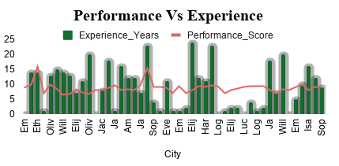
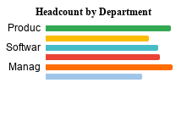
1001 | skill level
8.27
8088
$91,975

Pivot Table 1
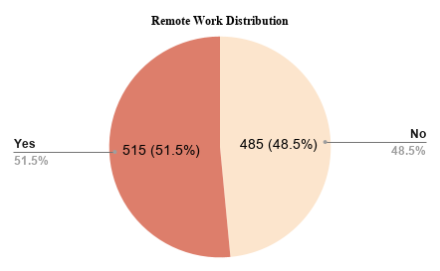
AVG Performance by City

Sheet1
TECH COMPANY EMPLOYEE DATA
TOTAL HEADCOUNT
AVERAGE PERFORMANCE
TOTAL EXPERIENCE
AVERAGE SALARY
REMOTE EMPLOYEES
SALARY BY DEPARTMENT
1001
8.27
8088 years
$91,975
515

AVG Performance by City
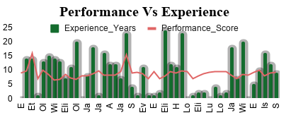
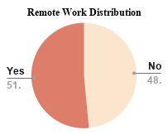

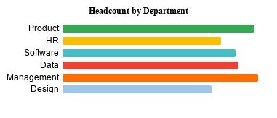
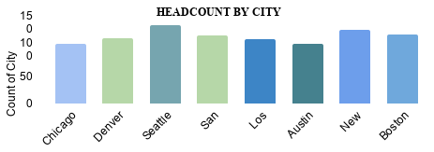
Salary by Experience

