personality_comparison_stats
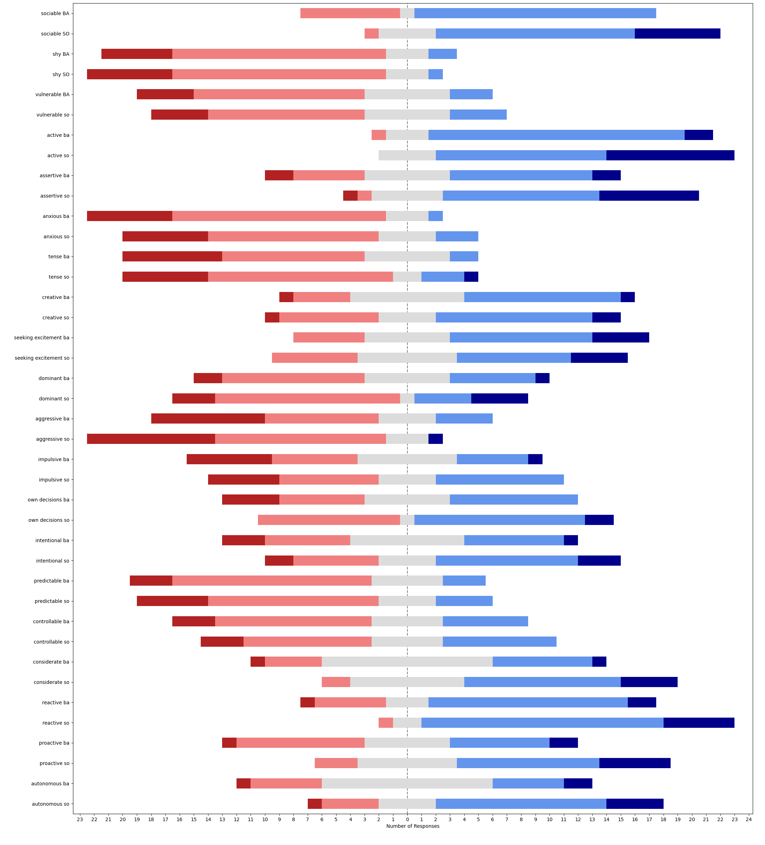
question | median_BA | median_SO | SONAR - baseline | w-alternative | w-stat | w-pval | w-zstat | significance | effect size | effect size interpretation
sociable | 4 | 4 | [1, 0, 0, 1, 0, 1, 0, 2, 2, -1, 1, 1, 2, 0, 0, 2, -1, -1, 2, 1, 0, 3, 0, -1, 0] | two-sided | 22 | 0.014059653009 | -2.4557356722 | * | 0.34729346932 | small | medium
sociable | 4 | 4 | [1, 0, 0, 1, 0, 1, 0, 2, 2, -1, 1, 1, 2, 0, 0, 2, -1, -1, 2, 1, 0, 3, 0, -1, 0] | greater | 114 | 0.0070298265046 | 2.4557356722 | ** | 0.34729346932 | small | medium
sociable | 4 | 4 | [1, 0, 0, 1, 0, 1, 0, 2, 2, -1, 1, 1, 2, 0, 0, 2, -1, -1, 2, 1, 0, 3, 0, -1, 0] | less | 114 | 0.9929701735 | 2.4557356722 |  | 0.34729346932 | small | medium
shy | 2 | 2 | [0, -1, 0, 1, 0, 0, 0, 1, -1, 0, -1, 1, 1, 0, -2, 1, 0, 0, -1, 0, 1, -3, 1, 0, -1] | two-sided | 45.5 | 0.6354287248 | -0.47409982304 |  | 0.067047839965 | none | none
shy | 2 | 2 | [0, -1, 0, 1, 0, 0, 0, 1, -1, 0, -1, 1, 1, 0, -2, 1, 0, 0, -1, 0, 1, -3, 1, 0, -1] | greater | 45.5 | 0.6822856376 | -0.47409982304 |  | 0.067047839965 | none | none
shy | 2 | 2 | [0, -1, 0, 1, 0, 0, 0, 1, -1, 0, -1, 1, 1, 0, -2, 1, 0, 0, -1, 0, 1, -3, 1, 0, -1] | less | 45.5 | 0.3177143624 | -0.47409982304 |  | 0.067047839965 | none | none
vulnerable | 2 | 2 | [-1, -1, 0, 0, -1, 0, 1, 0, 0, 0, -1, 1, 1, 0, -2, 1, 1, 0, 0, 1, 0, 0, 1, 0, 1] | two-sided | 39 | 0.61707507745 | -0.5 |  | 0.070710678119 | none | none
vulnerable | 2 | 2 | [-1, -1, 0, 0, -1, 0, 1, 0, 0, 0, -1, 1, 1, 0, -2, 1, 1, 0, 0, 1, 0, 0, 1, 0, 1] | greater | 52 | 0.30853753873 | 0.5 |  | 0.070710678119 | none | none
vulnerable | 2 | 2 | [-1, -1, 0, 0, -1, 0, 1, 0, 0, 0, -1, 1, 1, 0, -2, 1, 1, 0, 0, 1, 0, 0, 1, 0, 1] | less | 52 | 0.69146246127 | 0.5 |  | 0.070710678119 | none | none
active | 4 | 4 | [1, 1, 1, 0, 0, 1, 1, 0, 1, 0, 0, 1, 1, 0, 1, -1, 0, -1, 0, 0, 1, 0, -1, 1, 1] | two-sided | 24 | 0.02013675155 | -2.3237900077 | * | 0.3286335345 | small | medium
active | 4 | 4 | [1, 1, 1, 0, 0, 1, 1, 0, 1, 0, 0, 1, 1, 0, 1, -1, 0, -1, 0, 0, 1, 0, -1, 1, 1] | greater | 96 | 0.010068375775 | 2.3237900077 | * | 0.3286335345 | small | medium
active | 4 | 4 | [1, 1, 1, 0, 0, 1, 1, 0, 1, 0, 0, 1, 1, 0, 1, -1, 0, -1, 0, 0, 1, 0, -1, 1, 1] | less | 96 | 0.98993162422 | 2.3237900077 |  | 0.3286335345 | small | medium
assertive | 3 | 4 | [2, 1, -1, 1, 0, 1, 0, 2, 0, 0, 0, 4, 2, 0, 0, 0, 1, -1, 1, 1, 1, 0, 0, 2, 0] | two-sided | 10 | 0.005819816954 | -2.7577641592 | ** | 0.39000674758 | small | medium
assertive | 3 | 4 | [2, 1, -1, 1, 0, 1, 0, 2, 0, 0, 0, 4, 2, 0, 0, 0, 1, -1, 1, 1, 1, 0, 0, 2, 0] | greater | 95 | 0.002909908477 | 2.7577641592 | ** | 0.39000674758 | small | medium
assertive | 3 | 4 | [2, 1, -1, 1, 0, 1, 0, 2, 0, 0, 0, 4, 2, 0, 0, 0, 1, -1, 1, 1, 1, 0, 0, 2, 0] | less | 95 | 0.99709009152 | 2.7577641592 |  | 0.39000674758 | small | medium
anxious | 2 | 2 | [-1, 0, 0, 3, 0, 2, 0, 0, 0, 0, -1, -1, 1, 1, 0, 0, 1, 0, -2, 0, 0, -1, 2, 1, 0] | two-sided | 28 | 0.37148836059 | -0.89368891007 |  | 0.12638669772 | none | small
anxious | 2 | 2 | [-1, 0, 0, 3, 0, 2, 0, 0, 0, 0, -1, -1, 1, 1, 0, 0, 1, 0, -2, 0, 0, -1, 2, 1, 0] | greater | 50 | 0.1857441803 | 0.89368891007 |  | 0.12638669772 | none | small
anxious | 2 | 2 | [-1, 0, 0, 3, 0, 2, 0, 0, 0, 0, -1, -1, 1, 1, 0, 0, 1, 0, -2, 0, 0, -1, 2, 1, 0] | less | 50 | 0.8142558197 | 0.89368891007 |  | 0.12638669772 | none | small
tense | 2 | 2 | [-1, 0, 0, 0, -1, 1, 0, 0, 1, 0, -1, -1, 0, 0, -1, 2, 0, 0, 0, -1, 0, 0, 0, 1, 3] | two-sided | 30 | 0.77632743683 | -0.28410823429 |  | 0.040178971811 | none | none
tense | 2 | 2 | [-1, 0, 0, 0, -1, 1, 0, 0, 1, 0, -1, -1, 0, 0, -1, 2, 0, 0, 0, -1, 0, 0, 0, 1, 3] | greater | 36 | 0.38816371841 | 0.28410823429 |  | 0.040178971811 | none | none
tense | 2 | 2 | [-1, 0, 0, 0, -1, 1, 0, 0, 1, 0, -1, -1, 0, 0, -1, 2, 0, 0, 0, -1, 0, 0, 0, 1, 3] | less | 36 | 0.61183628159 | 0.28410823429 |  | 0.040178971811 | none | none
creative | 3 | 4 | [1, 0, 0, -2, 0, 2, 0, 0, 0, 0, 0, 0, -1, 0, 1, -1, 1, 1, 1, -2, 1, -1, 2, -3, -1] | two-sided | 58 | 0.90620587414 | -0.11782556319 |  | 0.016663050945 | none | none
creative | 3 | 4 | [1, 0, 0, -2, 0, 2, 0, 0, 0, 0, 0, 0, -1, 0, 1, -1, 1, 1, 1, -2, 1, -1, 2, -3, -1] | greater | 58 | 0.54689706293 | -0.11782556319 |  | 0.016663050945 | none | none
creative | 3 | 4 | [1, 0, 0, -2, 0, 2, 0, 0, 0, 0, 0, 0, -1, 0, 1, -1, 1, 1, 1, -2, 1, -1, 2, -3, -1] | less | 58 | 0.45310293707 | -0.11782556319 |  | 0.016663050945 | none | none
seeking excitement | 4 | 3 | [1, 1, -2, -2, 2, 3, -1, 1, -2, 0, 0, 1, -1, -1, 2, 0, -2, -1, 1, -1, 0, 1, -2, -1, 0] | two-sided | 91 | 0.58991440832 | -0.53896006791 |  | 0.076220463761 | none | none
seeking excitement | 4 | 3 | [1, 1, -2, -2, 2, 3, -1, 1, -2, 0, 0, 1, -1, -1, 2, 0, -2, -1, 1, -1, 0, 1, -2, -1, 0] | greater | 91 | 0.70504279584 | -0.53896006791 |  | 0.076220463761 | none | none
seeking excitement | 4 | 3 | [1, 1, -2, -2, 2, 3, -1, 1, -2, 0, 0, 1, -1, -1, 2, 0, -2, -1, 1, -1, 0, 1, -2, -1, 0] | less | 91 | 0.29495720416 | -0.53896006791 |  | 0.076220463761 | none | none
dominant | 3 | 2 | [3, 2, -2, 0, 0, 3, -1, -1, -3, 0, 0, 0, -1, 0, 2, 0, 2, -1, -1, 0, 0, -2, 0, -1, 0] | two-sided | 52 | 0.97458803171 | -0.031854565504 |  | 0.004504915856 | none | none
dominant | 3 | 2 | [3, 2, -2, 0, 0, 3, -1, -1, -3, 0, 0, 0, -1, 0, 2, 0, 2, -1, -1, 0, 0, -2, 0, -1, 0] | greater | 53 | 0.48729401585 | 0.031854565504 |  | 0.004504915856 | none | none
dominant | 3 | 2 | [3, 2, -2, 0, 0, 3, -1, -1, -3, 0, 0, 0, -1, 0, 2, 0, 2, -1, -1, 0, 0, -2, 0, -1, 0] | less | 53 | 0.51270598415 | 0.031854565504 |  | 0.004504915856 | none | none
aggressive | 2 | 2 | [0, 0, -1, 0, 0, 3, 0, -1, 0, 0, 0, 1, -2, 0, 0, -3, 1, 0, -2, 1, 0, -3, -2, 0, 0] | two-sided | 19 | 0.2068273725 | -1.2623374885 |  | 0.17852147966 | none | small
aggressive | 2 | 2 | [0, 0, -1, 0, 0, 3, 0, -1, 0, 0, 0, 1, -2, 0, 0, -3, 1, 0, -2, 1, 0, -3, -2, 0, 0] | greater | 19 | 0.89658631375 | -1.2623374885 |  | 0.17852147966 | none | small
aggressive | 2 | 2 | [0, 0, -1, 0, 0, 3, 0, -1, 0, 0, 0, 1, -2, 0, 0, -3, 1, 0, -2, 1, 0, -3, -2, 0, 0] | less | 19 | 0.10341368625 | -1.2623374885 |  | 0.17852147966 | none | small
impulsive | 3 | 3 | [3, 0, -2, 0, 0, 2, -1, 1, 0, 3, 0, 0, -2, 0, 2, 2, -1, -1, 0, 2, 0, -1, -2, -2, 0] | two-sided | 50 | 0.56165771501 | -0.58038100009 |  | 0.082078268167 | none | none
impulsive | 3 | 3 | [3, 0, -2, 0, 0, 2, -1, 1, 0, 3, 0, 0, -2, 0, 2, 2, -1, -1, 0, 2, 0, -1, -2, -2, 0] | greater | 70 | 0.28082885751 | 0.58038100009 |  | 0.082078268167 | none | none
impulsive | 3 | 3 | [3, 0, -2, 0, 0, 2, -1, 1, 0, 3, 0, 0, -2, 0, 2, 2, -1, -1, 0, 2, 0, -1, -2, -2, 0] | less | 70 | 0.71917114249 | 0.58038100009 |  | 0.082078268167 | none | none
own decisions | 3 | 4 | [2, 3, 0, 1, 0, 0, -1, 0, -1, 0, 1, 0, 0, 2, 2, -1, 1, -1, 2, 0, 0, -1, 1, -2, 3] | two-sided | 37 | 0.10056263992 | -1.6421320547 |  | 0.23223254229 | small | small
own decisions | 3 | 4 | [2, 3, 0, 1, 0, 0, -1, 0, -1, 0, 1, 0, 0, 2, 2, -1, 1, -1, 2, 0, 0, -1, 1, -2, 3] | greater | 99 | 0.050281319959 | 1.6421320547 |  | 0.23223254229 | small | small
own decisions | 3 | 4 | [2, 3, 0, 1, 0, 0, -1, 0, -1, 0, 1, 0, 0, 2, 2, -1, 1, -1, 2, 0, 0, -1, 1, -2, 3] | less | 99 | 0.94971868004 | 1.6421320547 |  | 0.23223254229 | small | small
intentional | 3 | 4 | [2, 2, -2, 0, 1, 3, 0, 1, 1, 2, 0, 0, 0, 0, 1, -2, -1, -1, 0, 0, 0, 2, 0, -2, 2] | two-sided | 38.5 | 0.21074727422 | -1.2515132729 |  | 0.1769907044 | none | small
intentional | 3 | 4 | [2, 2, -2, 0, 1, 3, 0, 1, 1, 2, 0, 0, 0, 0, 1, -2, -1, -1, 0, 0, 0, 2, 0, -2, 2] | greater | 81.5 | 0.10537363711 | 1.2515132729 |  | 0.1769907044 | none | small
intentional | 3 | 4 | [2, 2, -2, 0, 1, 3, 0, 1, 1, 2, 0, 0, 0, 0, 1, -2, -1, -1, 0, 0, 0, 2, 0, -2, 2] | less | 81.5 | 0.89462636289 | 1.2515132729 |  | 0.1769907044 | none | small
predictable | 2 | 2 | [-1, -1, 1, 0, 2, -1, 1, -2, 0, 0, 1, -2, 0, 0, 0, 0, 0, 1, -1, 0, 1, 0, -2, 2, 0] | two-sided | 49 | 0.81987168455 | -0.22771001702 |  | 0.032203059436 | none | none
predictable | 2 | 2 | [-1, -1, 1, 0, 2, -1, 1, -2, 0, 0, 1, -2, 0, 0, 0, 0, 0, 1, -1, 0, 1, 0, -2, 2, 0] | greater | 49 | 0.59006415772 | -0.22771001702 |  | 0.032203059436 | none | none
predictable | 2 | 2 | [-1, -1, 1, 0, 2, -1, 1, -2, 0, 0, 1, -2, 0, 0, 0, 0, 0, 1, -1, 0, 1, 0, -2, 2, 0] | less | 49 | 0.40993584228 | -0.22771001702 |  | 0.032203059436 | none | none
controllable | 2 | 3 | [-1, -1, 2, 0, 1, 0, 1, 1, -1, 0, 1, 1, 2, -1, -1, 0, 0, 0, 1, 0, 0, 0, -1, 0, 0] | two-sided | 39 | 0.36040290693 | -0.91459762322 |  | 0.12934363629 | none | small
controllable | 2 | 3 | [-1, -1, 2, 0, 1, 0, 1, 1, -1, 0, 1, 1, 2, -1, -1, 0, 0, 0, 1, 0, 0, 0, -1, 0, 0] | greater | 66 | 0.18020145347 | 0.91459762322 |  | 0.12934363629 | none | small
controllable | 2 | 3 | [-1, -1, 2, 0, 1, 0, 1, 1, -1, 0, 1, 1, 2, -1, -1, 0, 0, 0, 1, 0, 0, 0, -1, 0, 0] | less | 66 | 0.81979854653 | 0.91459762322 |  | 0.12934363629 | none | small
considerate | 3 | 4 | [1, 0, 3, 1, 1, 1, 0, 1, 2, 0, 0, 0, 2, -1, 0, 1, -2, 0, 0, -1, 0, 2, 3, 0, 0] | two-sided | 19.5 | 0.033848789253 | -2.1218684175 | * | 0.30007750937 | small | medium
considerate | 3 | 4 | [1, 0, 3, 1, 1, 1, 0, 1, 2, 0, 0, 0, 2, -1, 0, 1, -2, 0, 0, -1, 0, 2, 3, 0, 0] | greater | 85.5 | 0.016924394627 | 2.1218684175 | * | 0.30007750937 | small | medium
considerate | 3 | 4 | [1, 0, 3, 1, 1, 1, 0, 1, 2, 0, 0, 0, 2, -1, 0, 1, -2, 0, 0, -1, 0, 2, 3, 0, 0] | less | 85.5 | 0.98307560537 | 2.1218684175 |  | 0.30007750937 | small | medium
reactive | 4 | 4 | [0, -1, 1, 1, 0, 2, 0, 0, 0, 3, 0, 1, 3, 0, 2, 0, -1, 0, 2, 0, 0, 0, 2, -1, 1] | two-sided | 12 | 0.016822180766 | -2.3905713371 | * | 0.33807784067 | small | medium
reactive | 4 | 4 | [0, -1, 1, 1, 0, 2, 0, 0, 0, 3, 0, 1, 3, 0, 2, 0, -1, 0, 2, 0, 0, 0, 2, -1, 1] | greater | 79 | 0.0084110903829 | 2.3905713371 | ** | 0.33807784067 | small | medium
reactive | 4 | 4 | [0, -1, 1, 1, 0, 2, 0, 0, 0, 3, 0, 1, 3, 0, 2, 0, -1, 0, 2, 0, 0, 0, 2, -1, 1] | less | 79 | 0.99158890962 | 2.3905713371 |  | 0.33807784067 | small | medium
proactive | 3 | 4 | [2, 0, 1, -2, 0, 3, 2, 2, 0, 2, -1, 3, -1, 0, 2, -1, 1, 0, 2, 0, 0, 0, 1, -1, 2] | two-sided | 27.5 | 0.017943743398 | -2.3667769496 | * | 0.33471280612 | small | medium
proactive | 3 | 4 | [2, 0, 1, -2, 0, 3, 2, 2, 0, 2, -1, 3, -1, 0, 2, -1, 1, 0, 2, 0, 0, 0, 1, -1, 2] | greater | 125.5 | 0.008971871699 | 2.3667769496 | ** | 0.33471280612 | small | medium
proactive | 3 | 4 | [2, 0, 1, -2, 0, 3, 2, 2, 0, 2, -1, 3, -1, 0, 2, -1, 1, 0, 2, 0, 0, 0, 1, -1, 2] | less | 125.5 | 0.9910281283 | 2.3667769496 |  | 0.33471280612 | small | medium
autonomous | 3 | 4 | [2, 1, 1, -2, 1, 1, 0, 1, 1, 1, -1, 1, 2, 0, 1, 0, 0, -1, 1, 0, 1, 1, 0, 0, 0] | two-sided | 31 | 0.021037415324 | -2.3073123178 | * | 0.32630323724 | small | medium
autonomous | 3 | 4 | [2, 1, 1, -2, 1, 1, 0, 1, 1, 1, -1, 1, 2, 0, 1, 0, 0, -1, 1, 0, 1, 1, 0, 0, 0] | greater | 122 | 0.010518707662 | 2.3073123178 | * | 0.32630323724 | small | medium
autonomous | 3 | 4 | [2, 1, 1, -2, 1, 1, 0, 1, 1, 1, -1, 1, 2, 0, 1, 0, 0, -1, 1, 0, 1, 1, 0, 0, 0] | less | 122 | 0.98948129234 | 2.3073123178 |  | 0.32630323724 | small | medium

usus_us_comparis_stats
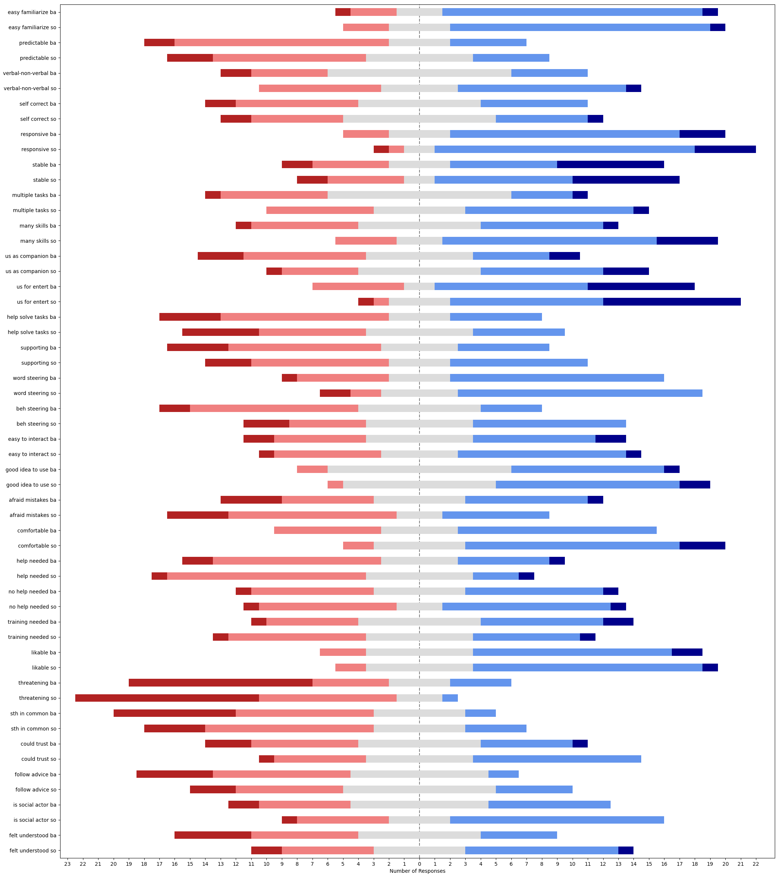
question | median_BA | median_SO | SONAR - baseline | w-alternative | w-stat | w-pval | w-zstat | significance | effect size | effect size interpretation
easy familiarize | 4 | 4 | [0, 0, 0, 0, 0, 2, 0, 1, 0, -1, -1, 0, 1, 0, -1, -1, -2, 0, 2, 1, 0, -1, 2, -1, 1] | two-sided | 45.5 | 0.64573417378 | -0.45969637231 |  | 0.06501088443 | none | none
easy familiarize | 4 | 4 | [0, 0, 0, 0, 0, 2, 0, 1, 0, -1, -1, 0, 1, 0, -1, -1, -2, 0, 2, 1, 0, -1, 2, -1, 1] | greater | 59.5 | 0.32286708689 | 0.45969637231 |  | 0.06501088443 | none | none
easy familiarize | 4 | 4 | [0, 0, 0, 0, 0, 2, 0, 1, 0, -1, -1, 0, 1, 0, -1, -1, -2, 0, 2, 1, 0, -1, 2, -1, 1] | less | 59.5 | 0.67713291311 | 0.45969637231 |  | 0.06501088443 | none | none
predictable | 2 | 2 | [-1, -1, 0, 1, -1, 0, 2, -1, 0, 0, 1, 0, 0, 1, -2, 0, 0, 0, 0, 0, 0, 2, 0, 1, 0] | two-sided | 28 | 0.64175808934 | -0.4652421052 |  | 0.065795169496 | none | none
predictable | 2 | 2 | [-1, -1, 0, 1, -1, 0, 2, -1, 0, 0, 1, 0, 0, 1, -2, 0, 0, 0, 0, 0, 0, 2, 0, 1, 0] | greater | 38 | 0.32087904467 | 0.4652421052 |  | 0.065795169496 | none | none
predictable | 2 | 2 | [-1, -1, 0, 1, -1, 0, 2, -1, 0, 0, 1, 0, 0, 1, -2, 0, 0, 0, 0, 0, 0, 2, 0, 1, 0] | less | 38 | 0.67912095533 | 0.4652421052 |  | 0.065795169496 | none | none
verbal-non-verbal | 3 | 3 | [0, 0, 2, 0, 1, 2, 2, 0, 2, 1, 1, 1, 1, 0, -2, -1, -1, 0, -1, 0, -1, 0, 1, -1, 2] | two-sided | 44.5 | 0.11594999404 | -1.5720024025 |  | 0.22231471177 | small | small
verbal-non-verbal | 3 | 3 | [0, 0, 2, 0, 1, 2, 2, 0, 2, 1, 1, 1, 1, 0, -2, -1, -1, 0, -1, 0, -1, 0, 1, -1, 2] | greater | 108.5 | 0.057974997018 | 1.5720024025 |  | 0.22231471177 | small | small
verbal-non-verbal | 3 | 3 | [0, 0, 2, 0, 1, 2, 2, 0, 2, 1, 1, 1, 1, 0, -2, -1, -1, 0, -1, 0, -1, 0, 1, -1, 2] | less | 108.5 | 0.94202500298 | 1.5720024025 |  | 0.22231471177 | small | small
self correct | 3 | 3 | [0, -1, 1, 0, 1, 1, 0, 1, 2, 1, 1, 1, 1, 0, -1, -2, 0, 0, 1, -2, -1, -2, 0, 1, 0] | two-sided | 67.5 | 0.6525074667 | -0.45028151395 |  | 0.063679422391 | none | none
self correct | 3 | 3 | [0, -1, 1, 0, 1, 1, 0, 1, 2, 1, 1, 1, 1, 0, -1, -2, 0, 0, 1, -2, -1, -2, 0, 1, 0] | greater | 85.5 | 0.32625373335 | 0.45028151395 |  | 0.063679422391 | none | none
self correct | 3 | 3 | [0, -1, 1, 0, 1, 1, 0, 1, 2, 1, 1, 1, 1, 0, -1, -2, 0, 0, 1, -2, -1, -2, 0, 1, 0] | less | 85.5 | 0.67374626665 | 0.45028151395 |  | 0.063679422391 | none | none
responsive | 4 | 4 | [0, 0, 0, -1, 0, 1, 0, 0, -1, 0, 0, 1, 0, 1, 2, 0, -1, 1, 1, -1, -1, 0, 1, 0, 1] | two-sided | 32.5 | 0.31731050786 | -1 |  | 0.14142135624 | none | small
responsive | 4 | 4 | [0, 0, 0, -1, 0, 1, 0, 0, -1, 0, 0, 1, 0, 1, 2, 0, -1, 1, 1, -1, -1, 0, 1, 0, 1] | greater | 58.5 | 0.15865525393 | 1 |  | 0.14142135624 | none | small
responsive | 4 | 4 | [0, 0, 0, -1, 0, 1, 0, 0, -1, 0, 0, 1, 0, 1, 2, 0, -1, 1, 1, -1, -1, 0, 1, 0, 1] | less | 58.5 | 0.84134474607 | 1 |  | 0.14142135624 | none | small
stable | 4 | 4 | [1, 0, -2, 1, 0, 0, 2, 2, -1, 0, 0, 3, 1, 0, -1, -1, 0, -1, 1, 0, 0, -2, 0, -1, 0] | two-sided | 48 | 0.77028772647 | -0.29199855804 |  | 0.041294832097 | none | none
stable | 4 | 4 | [1, 0, -2, 1, 0, 0, 2, 2, -1, 0, 0, 3, 1, 0, -1, -1, 0, -1, 1, 0, 0, -2, 0, -1, 0] | greater | 57 | 0.38514386324 | 0.29199855804 |  | 0.041294832097 | none | none
stable | 4 | 4 | [1, 0, -2, 1, 0, 0, 2, 2, -1, 0, 0, 3, 1, 0, -1, -1, 0, -1, 1, 0, 0, -2, 0, -1, 0] | less | 57 | 0.61485613676 | 0.29199855804 |  | 0.041294832097 | none | none
multiple tasks | 3 | 3 | [-1, -1, 1, 0, 1, 2, 2, -1, 0, 1, 1, 2, 2, 0, 0, 0, -2, 0, 1, 1, 0, 0, 0, 0, 0] | two-sided | 27 | 0.097109722259 | -1.659030124 |  | 0.23462229018 | small | small
multiple tasks | 3 | 3 | [-1, -1, 1, 0, 1, 2, 2, -1, 0, 1, 1, 2, 2, 0, 0, 0, -2, 0, 1, 1, 0, 0, 0, 0, 0] | greater | 78 | 0.04855486113 | 1.659030124 | * | 0.23462229018 | small | small
multiple tasks | 3 | 3 | [-1, -1, 1, 0, 1, 2, 2, -1, 0, 1, 1, 2, 2, 0, 0, 0, -2, 0, 1, 1, 0, 0, 0, 0, 0] | less | 78 | 0.95144513887 | 1.659030124 |  | 0.23462229018 | small | small
many skills | 3 | 4 | [0, 0, 2, 0, 0, 3, 2, 2, 1, 0, 0, 1, 2, 0, 0, 0, -2, 0, 1, -1, 1, 1, 3, 0, 1] | two-sided | 14 | 0.013736588797 | -2.4640788518 | * | 0.3484733731 | small | medium
many skills | 3 | 4 | [0, 0, 2, 0, 0, 3, 2, 2, 1, 0, 0, 1, 2, 0, 0, 0, -2, 0, 1, -1, 1, 1, 3, 0, 1] | greater | 91 | 0.0068682943986 | 2.4640788518 | ** | 0.3484733731 | small | medium
many skills | 3 | 4 | [0, 0, 2, 0, 0, 3, 2, 2, 1, 0, 0, 1, 2, 0, 0, 0, -2, 0, 1, -1, 1, 1, 3, 0, 1] | less | 91 | 0.9931317056 | 2.4640788518 |  | 0.3484733731 | small | medium
us as companion | 3 | 3 | [0, 0, 0, 0, 1, 3, 0, 2, 0, 0, 0, 2, 2, 1, 0, 0, -1, -1, 2, 0, 0, 1, 1, 0, -1] | two-sided | 12 | 0.029708278895 | -2.173958142 | * | 0.30744410885 | small | medium
us as companion | 3 | 3 | [0, 0, 0, 0, 1, 3, 0, 2, 0, 0, 0, 2, 2, 1, 0, 0, -1, -1, 2, 0, 0, 1, 1, 0, -1] | greater | 66 | 0.014854139448 | 2.173958142 | * | 0.30744410885 | small | medium
us as companion | 3 | 3 | [0, 0, 0, 0, 1, 3, 0, 2, 0, 0, 0, 2, 2, 1, 0, 0, -1, -1, 2, 0, 0, 1, 1, 0, -1] | less | 66 | 0.98514586055 | 2.173958142 |  | 0.30744410885 | small | medium
us for entert | 4 | 4 | [0, 0, 0, 0, 0, 2, 0, 2, 0, 0, -1, -1, 1, 0, 0, 0, 1, -1, 3, 0, 0, 0, 1, 0, 0] | two-sided | 10.5 | 0.14189351577 | -1.4687761473 |  | 0.20771631476 | small | small
us for entert | 4 | 4 | [0, 0, 0, 0, 0, 2, 0, 2, 0, 0, -1, -1, 1, 0, 0, 0, 1, -1, 3, 0, 0, 0, 1, 0, 0] | greater | 34.5 | 0.070946757885 | 1.4687761473 |  | 0.20771631476 | small | small
us for entert | 4 | 4 | [0, 0, 0, 0, 0, 2, 0, 2, 0, 0, -1, -1, 1, 0, 0, 0, 1, -1, 3, 0, 0, 0, 1, 0, 0] | less | 34.5 | 0.92905324211 | 1.4687761473 |  | 0.20771631476 | small | small
helplve tasks | 2 | 3 | [0, 0, 0, 0, 1, 2, 0, 2, -2, 0, 0, -1, 2, 0, 0, 0, 0, -1, 0, -1, 0, 0, 0, 0, 0] | two-sided | 14 | 0.56571979914 | -0.57436652689 |  | 0.081227693211 | none | none
helplve tasks | 2 | 3 | [0, 0, 0, 0, 1, 2, 0, 2, -2, 0, 0, -1, 2, 0, 0, 0, 0, -1, 0, -1, 0, 0, 0, 0, 0] | greater | 22 | 0.28285989957 | 0.57436652689 |  | 0.081227693211 | none | none
helplve tasks | 2 | 3 | [0, 0, 0, 0, 1, 2, 0, 2, -2, 0, 0, -1, 2, 0, 0, 0, 0, -1, 0, -1, 0, 0, 0, 0, 0] | less | 22 | 0.71714010043 | 0.57436652689 |  | 0.081227693211 | none | none
supporting | 2 | 3 | [0, 0, 0, 0, 0, 2, 0, 1, -2, 0, 0, 0, 1, -1, 0, -1, 1, -1, 2, 1, 0, 0, 3, 0, 0] | two-sided | 21 | 0.27131547989 | -1.1000381964 |  | 0.15556889365 | none | small
supporting | 2 | 3 | [0, 0, 0, 0, 0, 2, 0, 1, -2, 0, 0, 0, 1, -1, 0, -1, 1, -1, 2, 1, 0, 0, 3, 0, 0] | greater | 45 | 0.13565773994 | 1.1000381964 |  | 0.15556889365 | none | small
supporting | 2 | 3 | [0, 0, 0, 0, 0, 2, 0, 1, -2, 0, 0, 0, 1, -1, 0, -1, 1, -1, 2, 1, 0, 0, 3, 0, 0] | less | 45 | 0.86434226006 | 1.1000381964 |  | 0.15556889365 | none | small
word steering | 4 | 4 | [1, 0, 0, 0, 0, 2, 1, 0, 0, 0, 0, 2, 0, 0, -1, -1, -1, 1, 1, -1, 0, 0, 0, -2, 2] | two-sided | 28.5 | 0.39244812425 | -0.85518611049 |  | 0.12094157958 | none | small
word steering | 4 | 4 | [1, 0, 0, 0, 0, 2, 1, 0, 0, 0, 0, 2, 0, 0, -1, -1, -1, 1, 1, -1, 0, 0, 0, -2, 2] | greater | 49.5 | 0.19622406212 | 0.85518611049 |  | 0.12094157958 | none | small
word steering | 4 | 4 | [1, 0, 0, 0, 0, 2, 1, 0, 0, 0, 0, 2, 0, 0, -1, -1, -1, 1, 1, -1, 0, 0, 0, -2, 2] | less | 49.5 | 0.80377593788 | 0.85518611049 |  | 0.12094157958 | none | small
beh steering | 2 | 3 | [2, 0, 2, 0, 1, 2, 1, 1, 2, 0, 1, -1, 2, 1, -1, -1, -1, 1, -2, 0, 0, -2, 2, -2, 2] | two-sided | 68.5 | 0.16044197608 | -1.4035866389 |  | 0.19849712607 | none | small
beh steering | 2 | 3 | [2, 0, 2, 0, 1, 2, 1, 1, 2, 0, 1, -1, 2, 1, -1, -1, -1, 1, -2, 0, 0, -2, 2, -2, 2] | greater | 141.5 | 0.08022098804 | 1.4035866389 |  | 0.19849712607 | none | small
beh steering | 2 | 3 | [2, 0, 2, 0, 1, 2, 1, 1, 2, 0, 1, -1, 2, 1, -1, -1, -1, 1, -2, 0, 0, -2, 2, -2, 2] | less | 141.5 | 0.91977901196 | 1.4035866389 |  | 0.19849712607 | none | small
easy to interact | 3 | 3 | [1, -1, -1, -1, 0, 3, 0, 0, 1, 0, -1, 0, 0, 1, 0, 0, 0, 0, 2, 0, 0, 0, 0, -2, 0] | two-sided | 24.5 | 0.75065464096 | -0.3177762848 |  | 0.044940353176 | none | none
easy to interact | 3 | 3 | [1, -1, -1, -1, 0, 3, 0, 0, 1, 0, -1, 0, 0, 1, 0, 0, 0, 0, 2, 0, 0, 0, 0, -2, 0] | greater | 30.5 | 0.37532732048 | 0.3177762848 |  | 0.044940353176 | none | none
easy to interact | 3 | 3 | [1, -1, -1, -1, 0, 3, 0, 0, 1, 0, -1, 0, 0, 1, 0, 0, 0, 0, 2, 0, 0, 0, 0, -2, 0] | less | 30.5 | 0.62467267952 | 0.3177762848 |  | 0.044940353176 | none | none
good idea to use | 3 | 4 | [0, 0, 0, 0, 1, 0, 0, 0, 0, 0, 0, -1, 2, 0, -1, 0, 1, 0, 1, 0, 0, 1, 1, 0, 0] | two-sided | 8 | 0.13166801602 | -1.5075567229 |  | 0.21320071636 | small | small
good idea to use | 3 | 4 | [0, 0, 0, 0, 1, 0, 0, 0, 0, 0, 0, -1, 2, 0, -1, 0, 1, 0, 1, 0, 0, 1, 1, 0, 0] | greater | 28 | 0.065834008011 | 1.5075567229 |  | 0.21320071636 | small | small
good idea to use | 3 | 4 | [0, 0, 0, 0, 1, 0, 0, 0, 0, 0, 0, -1, 2, 0, -1, 0, 1, 0, 1, 0, 0, 1, 1, 0, 0] | less | 28 | 0.93416599199 | 1.5075567229 |  | 0.21320071636 | small | small
afraid mistakes | 3 | 2 | [-1, 0, -2, 0, -1, 1, 1, -2, -2, 0, -2, -1, -2, -2, 1, 0, 1, 2, 0, 0, 2, -1, 0, 0, 0] | two-sided | 43 | 0.18331548118 | -1.3306157385 |  | 0.18817748237 | none | small
afraid mistakes | 3 | 2 | [-1, 0, -2, 0, -1, 1, 1, -2, -2, 0, -2, -1, -2, -2, 1, 0, 1, 2, 0, 0, 2, -1, 0, 0, 0] | greater | 43 | 0.90834225941 | -1.3306157385 |  | 0.18817748237 | none | small
afraid mistakes | 3 | 2 | [-1, 0, -2, 0, -1, 1, 1, -2, -2, 0, -2, -1, -2, -2, 1, 0, 1, 2, 0, 0, 2, -1, 0, 0, 0] | less | 43 | 0.09165774059 | -1.3306157385 |  | 0.18817748237 | none | small
comfortable | 4 | 4 | [0, 0, 0, 1, 1, 2, 0, 2, 0, 0, 1, 3, 1, 1, -1, 0, -2, 0, 1, -1, 0, 1, 1, 1, 0] | two-sided | 25 | 0.037140190368 | -2.0842196696 | * | 0.29475317237 | small | small
comfortable | 4 | 4 | [0, 0, 0, 1, 1, 2, 0, 2, 0, 0, 1, 3, 1, 1, -1, 0, -2, 0, 1, -1, 0, 1, 1, 1, 0] | greater | 95 | 0.018570095184 | 2.0842196696 | * | 0.29475317237 | small | small
comfortable | 4 | 4 | [0, 0, 0, 1, 1, 2, 0, 2, 0, 0, 1, 3, 1, 1, -1, 0, -2, 0, 1, -1, 0, 1, 1, 1, 0] | less | 95 | 0.98142990482 | 2.0842196696 |  | 0.29475317237 | small | small
help needed | 2 | 2 | [0, 1, 0, 0, 0, 1, 0, -1, 0, -1, 0, 1, 0, 1, -1, 0, 1, 0, 0, 2, 0, -2, -2, -1, -2] | two-sided | 36.5 | 0.51213215359 | -0.65552133666 |  | 0.092704716472 | none | none
help needed | 2 | 2 | [0, 1, 0, 0, 0, 1, 0, -1, 0, -1, 0, 1, 0, 1, -1, 0, 1, 0, 0, 2, 0, -2, -2, -1, -2] | greater | 36.5 | 0.74393392321 | -0.65552133666 |  | 0.092704716472 | none | none
help needed | 2 | 2 | [0, 1, 0, 0, 0, 1, 0, -1, 0, -1, 0, 1, 0, 1, -1, 0, 1, 0, 0, 2, 0, -2, -2, -1, -2] | less | 36.5 | 0.25606607679 | -0.65552133666 |  | 0.092704716472 | none | none
no help needed | 3 | 3 | [-2, -1, 0, 0, 0, 0, 0, -1, 0, 1, 0, 0, 0, 1, 0, 0, -1, 0, 1, -2, 1, 2, 0, 2, 0] | two-sided | 31 | 0.85407606099 | -0.18392019595 |  | 0.02601024355 | none | none
no help needed | 3 | 3 | [-2, -1, 0, 0, 0, 0, 0, -1, 0, 1, 0, 0, 0, 1, 0, 0, -1, 0, 1, -2, 1, 2, 0, 2, 0] | greater | 35 | 0.4270380305 | 0.18392019595 |  | 0.02601024355 | none | none
no help needed | 3 | 3 | [-2, -1, 0, 0, 0, 0, 0, -1, 0, 1, 0, 0, 0, 1, 0, 0, -1, 0, 1, -2, 1, 2, 0, 2, 0] | less | 35 | 0.5729619695 | 0.18392019595 |  | 0.02601024355 | none | none
training needed | 3 | 3 | [0, 0, 0, -2, 1, -2, 0, 0, 0, 0, 0, 0, 3, -1, 0, 0, -1, 1, -1, 0, 1, -2, -3, 1, -1] | two-sided | 30.5 | 0.28104285851 | -1.0779796036 |  | 0.15244933754 | none | small
training needed | 3 | 3 | [0, 0, 0, -2, 1, -2, 0, 0, 0, 0, 0, 0, 3, -1, 0, 0, -1, 1, -1, 0, 1, -2, -3, 1, -1] | greater | 30.5 | 0.85947857075 | -1.0779796036 |  | 0.15244933754 | none | small
training needed | 3 | 3 | [0, 0, 0, -2, 1, -2, 0, 0, 0, 0, 0, 0, 3, -1, 0, 0, -1, 1, -1, 0, 1, -2, -3, 1, -1] | less | 30.5 | 0.14052142925 | -1.0779796036 |  | 0.15244933754 | none | small
likable | 4 | 4 | [1, 0, 0, -1, 1, 0, 0, 0, -1, 0, 0, 0, 0, -1, 0, 0, 0, 1, 1, 0, 0, 2, -1, 0, -1] | two-sided | 25 | 0.781511295 | -0.27735009811 |  | 0.039223227028 | none | none
likable | 4 | 4 | [1, 0, 0, -1, 1, 0, 0, 0, -1, 0, 0, 0, 0, -1, 0, 0, 0, 1, 1, 0, 0, 2, -1, 0, -1] | greater | 30 | 0.3907556475 | 0.27735009811 |  | 0.039223227028 | none | none
likable | 4 | 4 | [1, 0, 0, -1, 1, 0, 0, 0, -1, 0, 0, 0, 0, -1, 0, 0, 0, 1, 1, 0, 0, 2, -1, 0, -1] | less | 30 | 0.6092443525 | 0.27735009811 |  | 0.039223227028 | none | none
threatening | 2 | 2 | [-1, 1, -2, 0, 1, 1, 0, 1, 0, 0, 0, 0, 0, -1, -1, -2, 0, -1, 0, 0, 0, -3, 0, 0, 0] | two-sided | 18 | 0.16347891096 | -1.3934660286 |  | 0.19706585563 | none | small
threatening | 2 | 2 | [-1, 1, -2, 0, 1, 1, 0, 1, 0, 0, 0, 0, 0, -1, -1, -2, 0, -1, 0, 0, 0, -3, 0, 0, 0] | greater | 18 | 0.91826054452 | -1.3934660286 |  | 0.19706585563 | none | small
threatening | 2 | 2 | [-1, 1, -2, 0, 1, 1, 0, 1, 0, 0, 0, 0, 0, -1, -1, -2, 0, -1, 0, 0, 0, -3, 0, 0, 0] | less | 18 | 0.081739455478 | -1.3934660286 |  | 0.19706585563 | none | small
sth in common | 2 | 2 | [0, 1, 0, 0, 0, 1, -1, 0, 0, 1, 0, 0, 2, 0, 1, -1, 0, -1, 1, 1, 1, 0, 1, 1, 0] | two-sided | 19.5 | 0.045500263896 | -2 | * | 0.28284271247 | small | small
sth in common | 2 | 2 | [0, 1, 0, 0, 0, 1, -1, 0, 0, 1, 0, 0, 2, 0, 1, -1, 0, -1, 1, 1, 1, 0, 1, 1, 0] | greater | 71.5 | 0.022750131948 | 2 | * | 0.28284271247 | small | small
sth in common | 2 | 2 | [0, 1, 0, 0, 0, 1, -1, 0, 0, 1, 0, 0, 2, 0, 1, -1, 0, -1, 1, 1, 1, 0, 1, 1, 0] | less | 71.5 | 0.97724986805 | 2 |  | 0.28284271247 | small | small
could trust | 3 | 3 | [0, 0, 1, -1, 1, 1, -1, 0, -4, 0, 0, -1, 1, -1, 1, 1, 3, 0, 1, 2, 0, 2, 2, 0, 0] | two-sided | 40 | 0.13224970834 | -1.5052893256 |  | 0.21288005796 | small | small
could trust | 3 | 3 | [0, 0, 1, -1, 1, 1, -1, 0, -4, 0, 0, -1, 1, -1, 1, 1, 3, 0, 1, 2, 0, 2, 2, 0, 0] | greater | 96 | 0.066124854169 | 1.5052893256 |  | 0.21288005796 | small | small
could trust | 3 | 3 | [0, 0, 1, -1, 1, 1, -1, 0, -4, 0, 0, -1, 1, -1, 1, 1, 3, 0, 1, 2, 0, 2, 2, 0, 0] | less | 96 | 0.93387514583 | 1.5052893256 |  | 0.21288005796 | small | small
follow advice | 2 | 3 | [3, 1, 0, 0, 1, 1, 0, 0, 0, 0, 1, 0, 0, -1, 0, 0, 0, 0, 0, 0, 1, 0, 1, 0, 1] | two-sided | 4.5 | 0.020921335338 | -2.3094010768 | * | 0.32659863237 | small | medium
follow advice | 2 | 3 | [3, 1, 0, 0, 1, 1, 0, 0, 0, 0, 1, 0, 0, -1, 0, 0, 0, 0, 0, 0, 1, 0, 1, 0, 1] | greater | 40.5 | 0.010460667669 | 2.3094010768 | * | 0.32659863237 | small | medium
follow advice | 2 | 3 | [3, 1, 0, 0, 1, 1, 0, 0, 0, 0, 1, 0, 0, -1, 0, 0, 0, 0, 0, 0, 1, 0, 1, 0, 1] | less | 40.5 | 0.98953933233 | 2.3094010768 |  | 0.32659863237 | small | medium
iscial actor | 3 | 4 | [-1, 2, 0, 0, 0, 2, 0, 1, 0, 0, 0, 1, 0, 0, 0, 0, 0, 0, 0, 0, 1, 1, 2, -1, 0] | two-sided | 7 | 0.057103092178 | -1.902520877 |  | 0.26905708269 | small | small
iscial actor | 3 | 4 | [-1, 2, 0, 0, 0, 2, 0, 1, 0, 0, 0, 1, 0, 0, 0, 0, 0, 0, 0, 0, 1, 1, 2, -1, 0] | greater | 38 | 0.028551546089 | 1.902520877 | * | 0.26905708269 | small | small
iscial actor | 3 | 4 | [-1, 2, 0, 0, 0, 2, 0, 1, 0, 0, 0, 1, 0, 0, 0, 0, 0, 0, 0, 0, 1, 1, 2, -1, 0] | less | 38 | 0.97144845391 | 1.902520877 |  | 0.26905708269 | small | small
felt understood | 3 | 3 | [0, 0, 3, 0, 0, 2, 1, 0, 0, 0, 0, -1, 3, -2, -1, 0, -1, 0, 0, 2, 2, 0, 1, 3, 2] | two-sided | 17 | 0.043482689215 | -2.0190435889 | * | 0.28553588264 | small | small
felt understood | 3 | 3 | [0, 0, 3, 0, 0, 2, 1, 0, 0, 0, 0, -1, 3, -2, -1, 0, -1, 0, 0, 2, 2, 0, 1, 3, 2] | greater | 74 | 0.021741344608 | 2.0190435889 | * | 0.28553588264 | small | small
felt understood | 3 | 3 | [0, 0, 3, 0, 0, 2, 1, 0, 0, 0, 0, -1, 3, -2, -1, 0, -1, 0, 0, 2, 2, 0, 1, 3, 2] | less | 74 | 0.97825865539 | 2.0190435889 |  | 0.28553588264 | small | small

usus_ue_comparis_stats
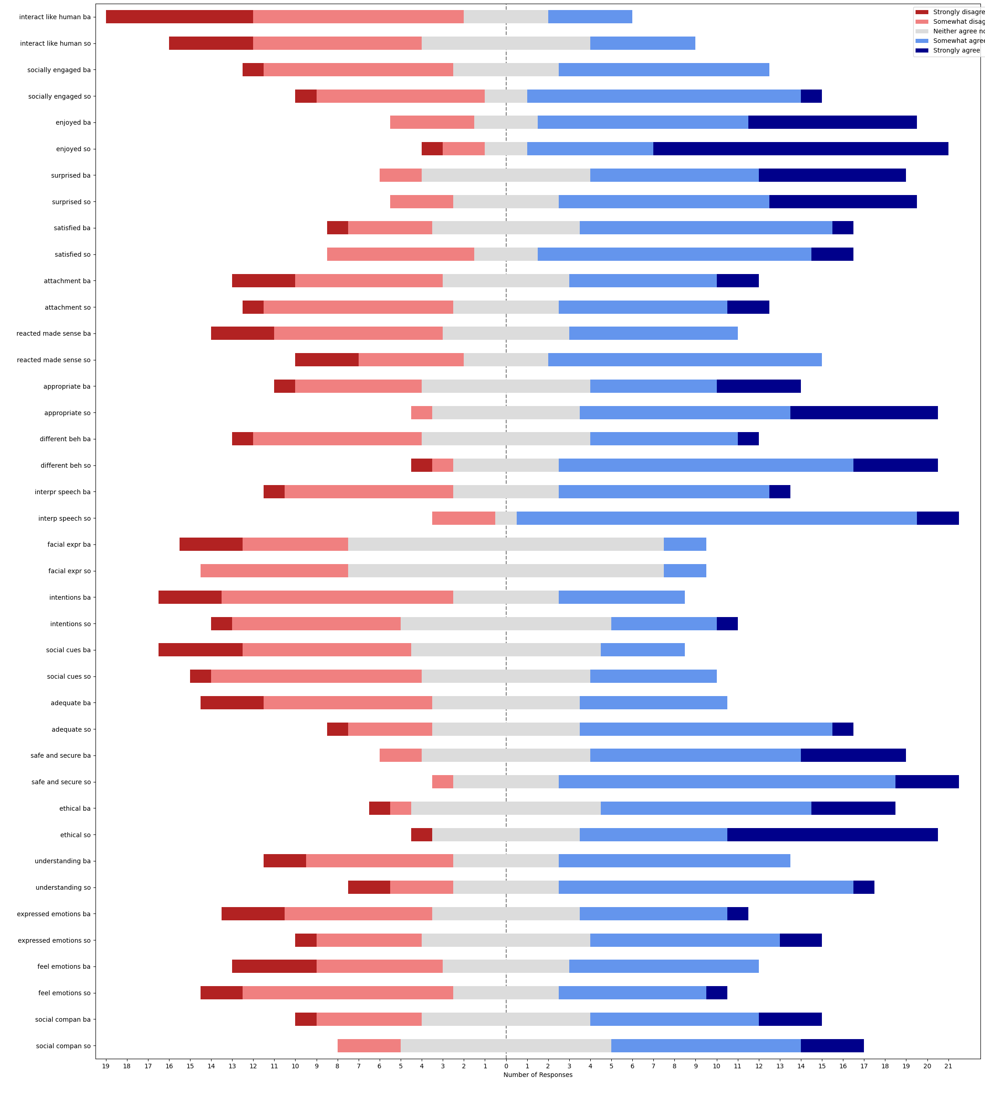
question | median_BA | median_SO | SONAR - baseline | w-alternative | w-stat | w-pval | w-zstat | significance | effect size | effect size interpretation
interact like human | 2 | 3 | [2, 1, 2, 0, 0, 0, 0, 1, -1, 1, -1, 1, 3, 0, -1, -2, -1, 0, 1, -1, 2, 1, 1, 0, 0] | two-sided | 47 | 0.14477563699 | -1.4582355176 |  | 0.20622564461 | small | small
interact like human | 2 | 3 | [2, 1, 2, 0, 0, 0, 0, 1, -1, 1, -1, 1, 3, 0, -1, -2, -1, 0, 1, -1, 2, 1, 1, 0, 0] | greater | 106 | 0.072387818496 | 1.4582355176 |  | 0.20622564461 | small | small
interact like human | 2 | 3 | [2, 1, 2, 0, 0, 0, 0, 1, -1, 1, -1, 1, 3, 0, -1, -2, -1, 0, 1, -1, 2, 1, 1, 0, 0] | less | 106 | 0.9276121815 | 1.4582355176 |  | 0.20622564461 | small | small
socially engaged | 3 | 4 | [1, 0, 2, 0, 1, 1, 0, 0, -1, 0, -2, 0, 2, 0, 0, 0, -1, -1, 0, 0, 0, 2, 1, -1, 2] | two-sided | 29 | 0.23343344884 | -1.1915609387 |  | 0.16851216399 | none | small
socially engaged | 3 | 4 | [1, 0, 2, 0, 1, 1, 0, 0, -1, 0, -2, 0, 2, 0, 0, 0, -1, -1, 0, 0, 0, 2, 1, -1, 2] | greater | 62 | 0.11671672442 | 1.1915609387 |  | 0.16851216399 | none | small
socially engaged | 3 | 4 | [1, 0, 2, 0, 1, 1, 0, 0, -1, 0, -2, 0, 2, 0, 0, 0, -1, -1, 0, 0, 0, 2, 1, -1, 2] | less | 62 | 0.88328327558 | 1.1915609387 |  | 0.16851216399 | none | small
enjoyed | 4 | 5 | [1, 0, 0, 1, 0, 0, 0, 0, 0, 0, 1, 1, 0, 0, 0, 1, 0, 0, 2, 0, -1, 2, -1, 1, 0] | two-sided | 9 | 0.045579154788 | -1.9992699397 | * | 0.28273946636 | small | small
enjoyed | 4 | 5 | [1, 0, 0, 1, 0, 0, 0, 0, 0, 0, 1, 1, 0, 0, 0, 1, 0, 0, 2, 0, -1, 2, -1, 1, 0] | greater | 46 | 0.022789577394 | 1.9992699397 | * | 0.28273946636 | small | small
enjoyed | 4 | 5 | [1, 0, 0, 1, 0, 0, 0, 0, 0, 0, 1, 1, 0, 0, 0, 1, 0, 0, 2, 0, -1, 2, -1, 1, 0] | less | 46 | 0.97721042261 | 1.9992699397 |  | 0.28273946636 | small | small
surprised | 4 | 4 | [1, 0, 0, 0, 2, 1, -1, 0, 0, 0, 0, -1, 1, 0, 0, 0, -1, 1, -1, 0, 0, 0, 1, -3, 1] | two-sided | 34 | 0.67464947886 | -0.41977548016 |  | 0.05936521772 | none | none
surprised | 4 | 4 | [1, 0, 0, 0, 2, 1, -1, 0, 0, 0, 0, -1, 1, 0, 0, 0, -1, 1, -1, 0, 0, 0, 1, -3, 1] | greater | 44 | 0.33732473943 | 0.41977548016 |  | 0.05936521772 | none | none
surprised | 4 | 4 | [1, 0, 0, 0, 2, 1, -1, 0, 0, 0, 0, -1, 1, 0, 0, 0, -1, 1, -1, 0, 0, 0, 1, -3, 1] | less | 44 | 0.66267526057 | 0.41977548016 |  | 0.05936521772 | none | none
satisfied | 4 | 4 | [0, -1, 0, 0, 1, 1, 0, 1, 0, -1, -2, 2, 1, -1, 0, 0, 0, 0, 2, -1, -1, 0, 1, -1, 1] | two-sided | 53 | 0.6722379739 | -0.42307851965 |  | 0.059832338044 | none | none
satisfied | 4 | 4 | [0, -1, 0, 0, 1, 1, 0, 1, 0, -1, -2, 2, 1, -1, 0, 0, 0, 0, 2, -1, -1, 0, 1, -1, 1] | greater | 67 | 0.33611898695 | 0.42307851965 |  | 0.059832338044 | none | none
satisfied | 4 | 4 | [0, -1, 0, 0, 1, 1, 0, 1, 0, -1, -2, 2, 1, -1, 0, 0, 0, 0, 2, -1, -1, 0, 1, -1, 1] | less | 67 | 0.66388101305 | 0.42307851965 |  | 0.059832338044 | none | none
attachment | 3 | 3 | [2, -2, 0, 0, 1, 1, 0, 0, 0, 0, -1, 1, 0, -1, 0, 0, 2, 0, 1, 0, 1, 0, 0, -2, 0] | two-sided | 27 | 0.5811123931 | -0.55176058785 |  | 0.078030730651 | none | none
attachment | 3 | 3 | [2, -2, 0, 0, 1, 1, 0, 0, 0, 0, -1, 1, 0, -1, 0, 0, 2, 0, 1, 0, 1, 0, 0, -2, 0] | greater | 39 | 0.29055619655 | 0.55176058785 |  | 0.078030730651 | none | none
attachment | 3 | 3 | [2, -2, 0, 0, 1, 1, 0, 0, 0, 0, -1, 1, 0, -1, 0, 0, 2, 0, 1, 0, 1, 0, 0, -2, 0] | less | 39 | 0.70944380345 | 0.55176058785 |  | 0.078030730651 | none | none
reacted made sense | 3 | 4 | [0, 0, 3, 0, 1, 1, 0, -2, -3, 0, 0, 0, 2, 0, -1, 0, 0, -2, 1, 0, 1, 2, 3, 0, 2] | two-sided | 31 | 0.30431090236 | -1.0272327031 |  | 0.14527264205 | none | small
reacted made sense | 3 | 4 | [0, 0, 3, 0, 1, 1, 0, -2, -3, 0, 0, 0, 2, 0, -1, 0, 0, -2, 1, 0, 1, 2, 3, 0, 2] | greater | 60 | 0.15215545118 | 1.0272327031 |  | 0.14527264205 | none | small
reacted made sense | 3 | 4 | [0, 0, 3, 0, 1, 1, 0, -2, -3, 0, 0, 0, 2, 0, -1, 0, 0, -2, 1, 0, 1, 2, 3, 0, 2] | less | 60 | 0.84784454882 | 1.0272327031 |  | 0.14527264205 | none | small
appropriate | 3 | 4 | [0, 0, 3, 1, 1, 1, 1, 1, 1, 0, -1, 0, 2, 0, 0, 1, 0, 1, 1, 0, 1, 2, 0, 1, 0] | two-sided | 6.5 | 0.0012322153823 | -3.2313162131 | ** | 0.45697712128 | small | medium
appropriate | 3 | 4 | [0, 0, 3, 1, 1, 1, 1, 1, 1, 0, -1, 0, 2, 0, 0, 1, 0, 1, 1, 0, 1, 2, 0, 1, 0] | greater | 113.5 | 0.00061610769117 | 3.2313162131 | ** | 0.45697712128 | small | medium
appropriate | 3 | 4 | [0, 0, 3, 1, 1, 1, 1, 1, 1, 0, -1, 0, 2, 0, 0, 1, 0, 1, 1, 0, 1, 2, 0, 1, 0] | less | 113.5 | 0.99938389231 | 3.2313162131 |  | 0.45697712128 | small | medium
different beh | 3 | 4 | [4, 2, 2, -2, 0, 2, 2, 2, 1, 2, -1, 1, 3, 0, 0, 0, -2, -1, 0, 0, 1, 0, 1, 1, 2] | two-sided | 32 | 0.017306546127 | -2.3801296852 | * | 0.3366011681 | small | medium
different beh | 3 | 4 | [4, 2, 2, -2, 0, 2, 2, 2, 1, 2, -1, 1, 3, 0, 0, 0, -2, -1, 0, 0, 1, 0, 1, 1, 2] | greater | 139 | 0.0086532730635 | 2.3801296852 | ** | 0.3366011681 | small | medium
different beh | 3 | 4 | [4, 2, 2, -2, 0, 2, 2, 2, 1, 2, -1, 1, 3, 0, 0, 0, -2, -1, 0, 0, 1, 0, 1, 1, 2] | less | 139 | 0.99134672694 | 2.3801296852 |  | 0.3366011681 | small | medium
interp speech | 3 | 4 | [-1, 0, 2, 1, 0, 3, 0, 0, 1, 1, 0, 2, 2, 0, 0, 0, -1, 2, 1, 0, 1, 1, 1, 0, 2] | two-sided | 10 | 0.0034609050773 | -2.923526731 | ** | 0.4134491153 | small | medium
interp speech | 3 | 4 | [-1, 0, 2, 1, 0, 3, 0, 0, 1, 1, 0, 2, 2, 0, 0, 0, -1, 2, 1, 0, 1, 1, 1, 0, 2] | greater | 110 | 0.0017304525386 | 2.923526731 | ** | 0.4134491153 | small | medium
interp speech | 3 | 4 | [-1, 0, 2, 1, 0, 3, 0, 0, 1, 1, 0, 2, 2, 0, 0, 0, -1, 2, 1, 0, 1, 1, 1, 0, 2] | less | 110 | 0.99826954746 | 2.923526731 |  | 0.4134491153 | small | medium
facial expr | 3 | 3 | [-1, 0, 3, 0, 0, 0, 1, 0, 1, 0, 0, 0, 1, -1, 0, 0, -1, 0, 0, 0, 0, -2, 2, 0, 1] | two-sided | 20.5 | 0.45840366748 | -0.74147799787 |  | 0.10486082408 | none | small
facial expr | 3 | 3 | [-1, 0, 3, 0, 0, 0, 1, 0, 1, 0, 0, 0, 1, -1, 0, 0, -1, 0, 0, 0, 0, -2, 2, 0, 1] | greater | 34.5 | 0.22920183374 | 0.74147799787 |  | 0.10486082408 | none | small
facial expr | 3 | 3 | [-1, 0, 3, 0, 0, 0, 1, 0, 1, 0, 0, 0, 1, -1, 0, 0, -1, 0, 0, 0, 0, -2, 2, 0, 1] | less | 34.5 | 0.77079816626 | 0.74147799787 |  | 0.10486082408 | none | small
intentions | 2 | 3 | [-2, 0, 3, 1, 0, 1, 1, 0, 1, 1, -1, 0, 1, -2, 0, -1, 0, 2, 0, -1, 1, 0, 0, 1, 2] | two-sided | 45 | 0.21577911444 | -1.2378299668 |  | 0.1750555927 | none | small
intentions | 2 | 3 | [-2, 0, 3, 1, 0, 1, 1, 0, 1, 1, -1, 0, 1, -2, 0, -1, 0, 2, 0, -1, 1, 0, 0, 1, 2] | greater | 91 | 0.10788955722 | 1.2378299668 |  | 0.1750555927 | none | small
intentions | 2 | 3 | [-2, 0, 3, 1, 0, 1, 1, 0, 1, 1, -1, 0, 1, -2, 0, -1, 0, 2, 0, -1, 1, 0, 0, 1, 2] | less | 91 | 0.89211044278 | 1.2378299668 |  | 0.1750555927 | none | small
social cues | 3 | 3 | [-2, -1, 3, 1, 2, 0, 0, 1, 1, 1, 0, 0, 2, 0, 0, -2, 0, 0, 0, 0, 0, 0, 0, -1, 1] | two-sided | 27 | 0.3339423025 | -0.96620361867 |  | 0.13664182615 | none | small
social cues | 3 | 3 | [-2, -1, 3, 1, 2, 0, 0, 1, 1, 1, 0, 0, 2, 0, 0, -2, 0, 0, 0, 0, 0, 0, 0, -1, 1] | greater | 51 | 0.16697115125 | 0.96620361867 |  | 0.13664182615 | none | small
social cues | 3 | 3 | [-2, -1, 3, 1, 2, 0, 0, 1, 1, 1, 0, 0, 2, 0, 0, -2, 0, 0, 0, 0, 0, 0, 0, -1, 1] | less | 51 | 0.83302884875 | 0.96620361867 |  | 0.13664182615 | none | small
adequate | 3 | 4 | [2, 0, 2, 1, 0, 0, 1, 0, 0, 0, 2, 0, 2, 1, 1, -1, 0, -1, 2, 1, 0, 1, 2, -1, 0] | two-sided | 15 | 0.0082992159953 | -2.6396480704 | ** | 0.3733026101 | small | medium
adequate | 3 | 4 | [2, 0, 2, 1, 0, 0, 1, 0, 0, 0, 2, 0, 2, 1, 1, -1, 0, -1, 2, 1, 0, 1, 2, -1, 0] | greater | 105 | 0.0041496079976 | 2.6396480704 | ** | 0.3733026101 | small | medium
adequate | 3 | 4 | [2, 0, 2, 1, 0, 0, 1, 0, 0, 0, 2, 0, 2, 1, 1, -1, 0, -1, 2, 1, 0, 1, 2, -1, 0] | less | 105 | 0.995850392 | 2.6396480704 |  | 0.3733026101 | small | medium
safe and secure | 4 | 4 | [0, 0, 1, -1, 0, 2, 1, 0, -1, 0, 1, 0, 1, 0, 1, 0, 0, -1, 1, 0, -1, 2, 0, 0, -3] | two-sided | 35 | 0.43888923759 | -0.77407026981 |  | 0.10947006738 | none | small
safe and secure | 4 | 4 | [0, 0, 1, -1, 0, 2, 1, 0, -1, 0, 1, 0, 1, 0, 1, 0, 0, -1, 1, 0, -1, 2, 0, 0, -3] | greater | 56 | 0.2194446188 | 0.77407026981 |  | 0.10947006738 | none | small
safe and secure | 4 | 4 | [0, 0, 1, -1, 0, 2, 1, 0, -1, 0, 1, 0, 1, 0, 1, 0, 0, -1, 1, 0, -1, 2, 0, 0, -3] | less | 56 | 0.7805553812 | 0.77407026981 |  | 0.10947006738 | none | small
ethical | 4 | 4 | [1, 0, 4, 1, 1, 1, 0, 1, 0, 0, -1, 1, 1, 0, 0, 0, -3, 0, 0, 0, 0, 2, 0, 1, 0] | two-sided | 16 | 0.058252885528 | -1.8937900301 |  | 0.26782235448 | small | small
ethical | 4 | 4 | [1, 0, 4, 1, 1, 1, 0, 1, 0, 0, -1, 1, 1, 0, 0, 0, -3, 0, 0, 0, 0, 2, 0, 1, 0] | greater | 62 | 0.029126442764 | 1.8937900301 | * | 0.26782235448 | small | small
ethical | 4 | 4 | [1, 0, 4, 1, 1, 1, 0, 1, 0, 0, -1, 1, 1, 0, 0, 0, -3, 0, 0, 0, 0, 2, 0, 1, 0] | less | 62 | 0.97087355724 | 1.8937900301 |  | 0.26782235448 | small | small
understanding | 3 | 4 | [0, 1, 3, 0, 0, 2, 1, -1, 0, 0, 0, 1, 2, 0, 0, -1, -3, 0, 0, 0, 0, 1, 0, 1, 2] | two-sided | 19.5 | 0.11713581472 | -1.5669096372 |  | 0.22159448599 | small | small
understanding | 3 | 4 | [0, 1, 3, 0, 0, 2, 1, -1, 0, 0, 0, 1, 2, 0, 0, -1, -3, 0, 0, 0, 0, 1, 0, 1, 2] | greater | 58.5 | 0.058567907362 | 1.5669096372 |  | 0.22159448599 | small | small
understanding | 3 | 4 | [0, 1, 3, 0, 0, 2, 1, -1, 0, 0, 0, 1, 2, 0, 0, -1, -3, 0, 0, 0, 0, 1, 0, 1, 2] | less | 58.5 | 0.94143209264 | 1.5669096372 |  | 0.22159448599 | small | small
expressed emotions | 3 | 3 | [2, 1, 0, 1, 0, 4, 1, 1, 3, 0, -2, 1, 1, 1, 0, 0, 0, -1, -1, 0, 1, -2, 0, -1, 0] | two-sided | 44 | 0.19696456746 | -1.2902479934 |  | 0.1824686211 | none | small
expressed emotions | 3 | 3 | [2, 1, 0, 1, 0, 4, 1, 1, 3, 0, -2, 1, 1, 1, 0, 0, 0, -1, -1, 0, 1, -2, 0, -1, 0] | greater | 92 | 0.09848228373 | 1.2902479934 |  | 0.1824686211 | none | small
expressed emotions | 3 | 3 | [2, 1, 0, 1, 0, 4, 1, 1, 3, 0, -2, 1, 1, 1, 0, 0, 0, -1, -1, 0, 1, -2, 0, -1, 0] | less | 92 | 0.90151771627 | 1.2902479934 |  | 0.1824686211 | none | small
feel emotions | 3 | 3 | [1, 1, 0, 1, 0, 4, 1, 2, 0, 0, -2, 0, 0, -1, -1, 0, -2, -1, -1, -1, 0, -2, 0, -2, 3] | two-sided | 63 | 0.79115308213 | -0.26481357067 |  | 0.037450294314 | none | none
feel emotions | 3 | 3 | [1, 1, 0, 1, 0, 4, 1, 2, 0, 0, -2, 0, 0, -1, -1, 0, -2, -1, -1, -1, 0, -2, 0, -2, 3] | greater | 63 | 0.60442345894 | -0.26481357067 |  | 0.037450294314 | none | none
feel emotions | 3 | 3 | [1, 1, 0, 1, 0, 4, 1, 2, 0, 0, -2, 0, 0, -1, -1, 0, -2, -1, -1, -1, 0, -2, 0, -2, 3] | less | 63 | 0.39557654106 | -0.26481357067 |  | 0.037450294314 | none | none
social compan | 3 | 3 | [0, 0, 0, -1, 0, 0, 0, 0, 0, -1, 1, 0, 0, 0, 0, 0, 1, 0, 1, 0, 2, 1, 0, 0, 1] | two-sided | 8 | 0.13166801602 | -1.5075567229 |  | 0.21320071636 | small | small
social compan | 3 | 3 | [0, 0, 0, -1, 0, 0, 0, 0, 0, -1, 1, 0, 0, 0, 0, 0, 1, 0, 1, 0, 2, 1, 0, 0, 1] | greater | 28 | 0.065834008011 | 1.5075567229 |  | 0.21320071636 | small | small
social compan | 3 | 3 | [0, 0, 0, -1, 0, 0, 0, 0, 0, -1, 1, 0, 0, 0, 0, 0, 1, 0, 1, 0, 2, 1, 0, 0, 1] | less | 28 | 0.93416599199 | 1.5075567229 |  | 0.21320071636 | small | small

usus_soc
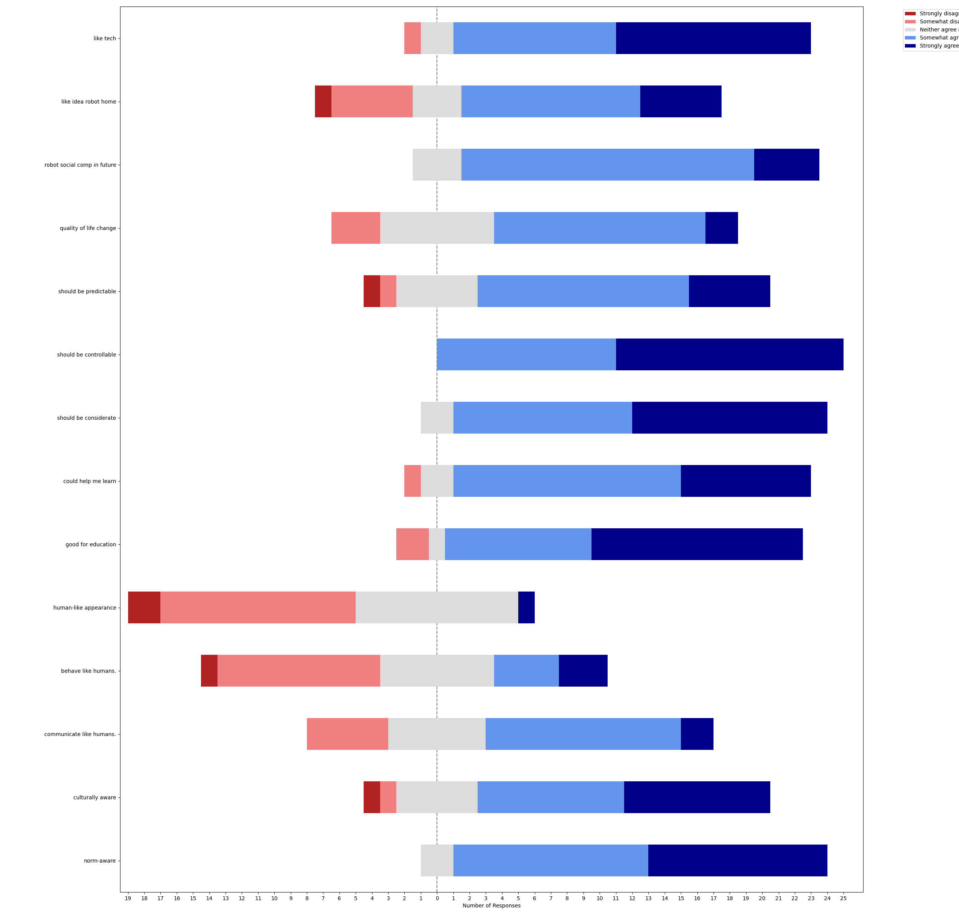
like tech | like idea robot home | robot social comp in future | quality of life change | should be predictable | should be controllable | should be considerate | could help me learn | good for education | human-like appearance | behave like humans. | communicate like humans. | culturally aware | norm-aware
Neither agree nor disagree | Somewhat disagree | Somewhat agree | Somewhat agree | Somewhat agree | Strongly agree | Strongly agree | Somewhat disagree | Somewhat agree | Somewhat disagree | Somewhat disagree | Strongly agree | Somewhat agree | Somewhat agree
Somewhat agree | Somewhat agree | Somewhat agree | Somewhat agree | Neither agree nor disagree | Somewhat agree | Somewhat agree | Somewhat agree | Somewhat agree | Neither agree nor disagree | Somewhat agree | Somewhat agree | Somewhat agree | Strongly agree
Somewhat agree | Somewhat disagree | Somewhat agree | Neither agree nor disagree | Somewhat agree | Strongly agree | Strongly agree | Somewhat agree | Strongly agree | Neither agree nor disagree | Neither agree nor disagree | Neither agree nor disagree | Strongly agree | Strongly agree
Somewhat agree | Somewhat agree | Somewhat agree | Somewhat agree | Neither agree nor disagree | Somewhat agree | Somewhat agree | Somewhat agree | Somewhat agree | Somewhat disagree | Neither agree nor disagree | Neither agree nor disagree | Somewhat disagree | Somewhat agree
Somewhat agree | Somewhat agree | Somewhat agree | Somewhat agree | Somewhat agree | Somewhat agree | Somewhat agree | Strongly agree | Strongly agree | Somewhat disagree | Neither agree nor disagree | Neither agree nor disagree | Neither agree nor disagree | Somewhat agree
Strongly agree | Somewhat agree | Somewhat agree | Somewhat agree | Somewhat agree | Somewhat agree | Somewhat agree | Somewhat agree | Strongly agree | Strongly agree | Strongly agree | Strongly agree | Strongly agree | Strongly agree
Somewhat disagree | Somewhat agree | Somewhat agree | Neither agree nor disagree | Strongly agree | Strongly agree | Strongly agree | Neither agree nor disagree | Somewhat disagree | Somewhat disagree | Somewhat agree | Somewhat agree | Strongly agree | Strongly agree
Strongly agree | Somewhat agree | Strongly agree | Strongly agree | Strongly agree | Strongly agree | Strongly agree | Strongly agree | Strongly agree | Neither agree nor disagree | Somewhat disagree | Somewhat disagree | Neither agree nor disagree | Neither agree nor disagree
Strongly agree | Strongly agree | Somewhat agree | Somewhat agree | Somewhat agree | Strongly agree | Strongly agree | Somewhat agree | Somewhat agree | Somewhat disagree | Somewhat disagree | Somewhat disagree | Somewhat agree | Somewhat agree
Strongly agree | Strongly agree | Somewhat agree | Somewhat agree | Strongly agree | Strongly agree | Strongly agree | Strongly agree | Strongly agree | Somewhat disagree | Somewhat disagree | Somewhat agree | Strongly agree | Strongly agree
Somewhat agree | Strongly agree | Strongly agree | Somewhat agree | Neither agree nor disagree | Somewhat agree | Somewhat agree | Somewhat agree | Strongly agree | Strongly disagree | Somewhat disagree | Somewhat agree | Somewhat agree | Somewhat agree
Strongly agree | Strongly agree | Strongly agree | Somewhat agree | Neither agree nor disagree | Strongly agree | Strongly agree | Strongly agree | Strongly agree | Somewhat disagree | Somewhat disagree | Somewhat disagree | Somewhat agree | Strongly agree
Neither agree nor disagree | Somewhat disagree | Somewhat agree | Neither agree nor disagree | Somewhat agree | Somewhat agree | Strongly agree | Strongly agree | Somewhat agree | Somewhat disagree | Neither agree nor disagree | Neither agree nor disagree | Strongly agree | Somewhat agree
Strongly agree | Strongly agree | Somewhat agree | Somewhat agree | Somewhat agree | Strongly agree | Somewhat agree | Somewhat agree | Somewhat agree | Neither agree nor disagree | Neither agree nor disagree | Somewhat agree | Neither agree nor disagree | Somewhat agree
Somewhat agree | Somewhat agree | Somewhat agree | Somewhat disagree | Somewhat disagree | Somewhat agree | Strongly agree | Strongly agree | Strongly agree | Neither agree nor disagree | Somewhat disagree | Somewhat disagree | Somewhat agree | Somewhat agree
Somewhat agree | Somewhat agree | Somewhat agree | Somewhat agree | Neither agree nor disagree | Somewhat agree | Somewhat agree | Somewhat agree | Neither agree nor disagree | Neither agree nor disagree | Neither agree nor disagree | Neither agree nor disagree | Neither agree nor disagree | Neither agree nor disagree
Somewhat agree | Somewhat disagree | Neither agree nor disagree | Somewhat disagree | Somewhat agree | Somewhat agree | Somewhat agree | Strongly agree | Strongly agree | Somewhat disagree | Somewhat disagree | Somewhat agree | Strongly agree | Strongly agree
Strongly agree | Neither agree nor disagree | Neither agree nor disagree | Neither agree nor disagree | Somewhat agree | Strongly agree | Somewhat agree | Somewhat agree | Somewhat agree | Neither agree nor disagree | Neither agree nor disagree | Somewhat agree | Somewhat agree | Somewhat agree
Strongly agree | Somewhat agree | Somewhat agree | Strongly agree | Somewhat agree | Strongly agree | Neither agree nor disagree | Somewhat agree | Somewhat disagree | Strongly disagree | Strongly agree | Neither agree nor disagree | Strongly disagree | Somewhat agree
Strongly agree | Somewhat agree | Somewhat agree | Neither agree nor disagree | Somewhat agree | Somewhat agree | Somewhat agree | Somewhat agree | Somewhat agree | Somewhat disagree | Somewhat disagree | Somewhat agree | Somewhat agree | Somewhat agree
Strongly agree | Somewhat agree | Strongly agree | Somewhat disagree | Strongly disagree | Strongly agree | Neither agree nor disagree | Somewhat agree | Strongly agree | Neither agree nor disagree | Somewhat disagree | Somewhat agree | Strongly agree | Strongly agree
Somewhat agree | Neither agree nor disagree | Somewhat agree | Neither agree nor disagree | Strongly agree | Strongly agree | Strongly agree | Neither agree nor disagree | Strongly agree | Neither agree nor disagree | Strongly agree | Somewhat agree | Strongly agree | Strongly agree
Strongly agree | Strongly disagree | Somewhat agree | Somewhat agree | Somewhat agree | Strongly agree | Strongly agree | Strongly agree | Strongly agree | Somewhat disagree | Strongly disagree | Somewhat disagree | Somewhat agree | Strongly agree
Somewhat agree | Somewhat disagree | Neither agree nor disagree | Neither agree nor disagree | Somewhat agree | Strongly agree | Somewhat agree | Somewhat agree | Strongly agree | Neither agree nor disagree | Somewhat agree | Somewhat agree | Strongly agree | Strongly agree
Strongly agree | Neither agree nor disagree | Somewhat agree | Somewhat agree | Strongly agree | Somewhat agree | Strongly agree | Somewhat agree | Somewhat agree | Somewhat disagree | Somewhat agree | Somewhat agree | Neither agree nor disagree | Somewhat agree

