ReadMe
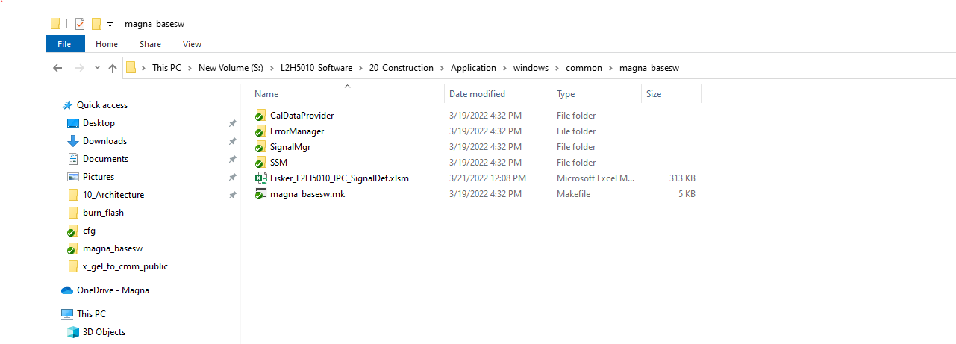
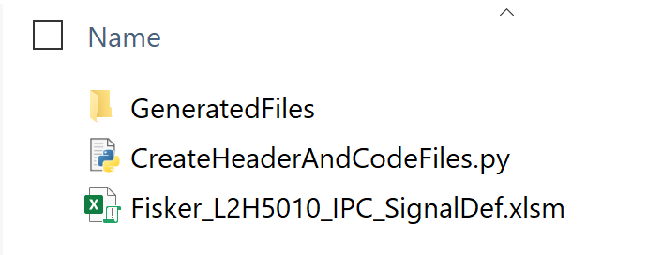
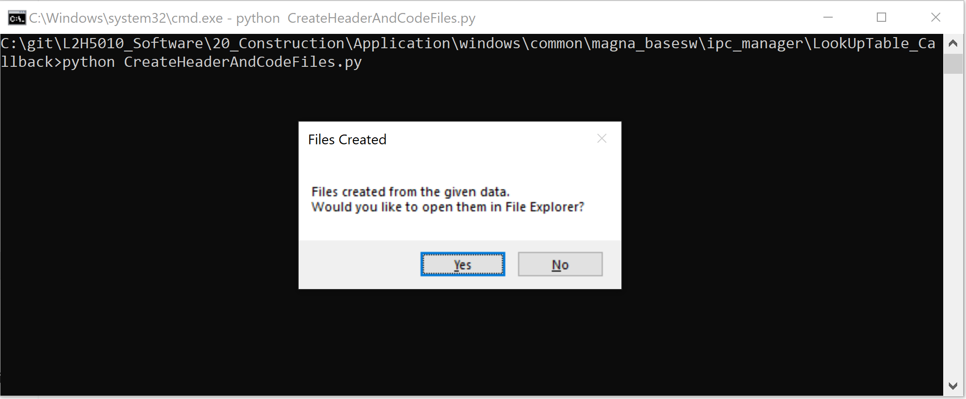
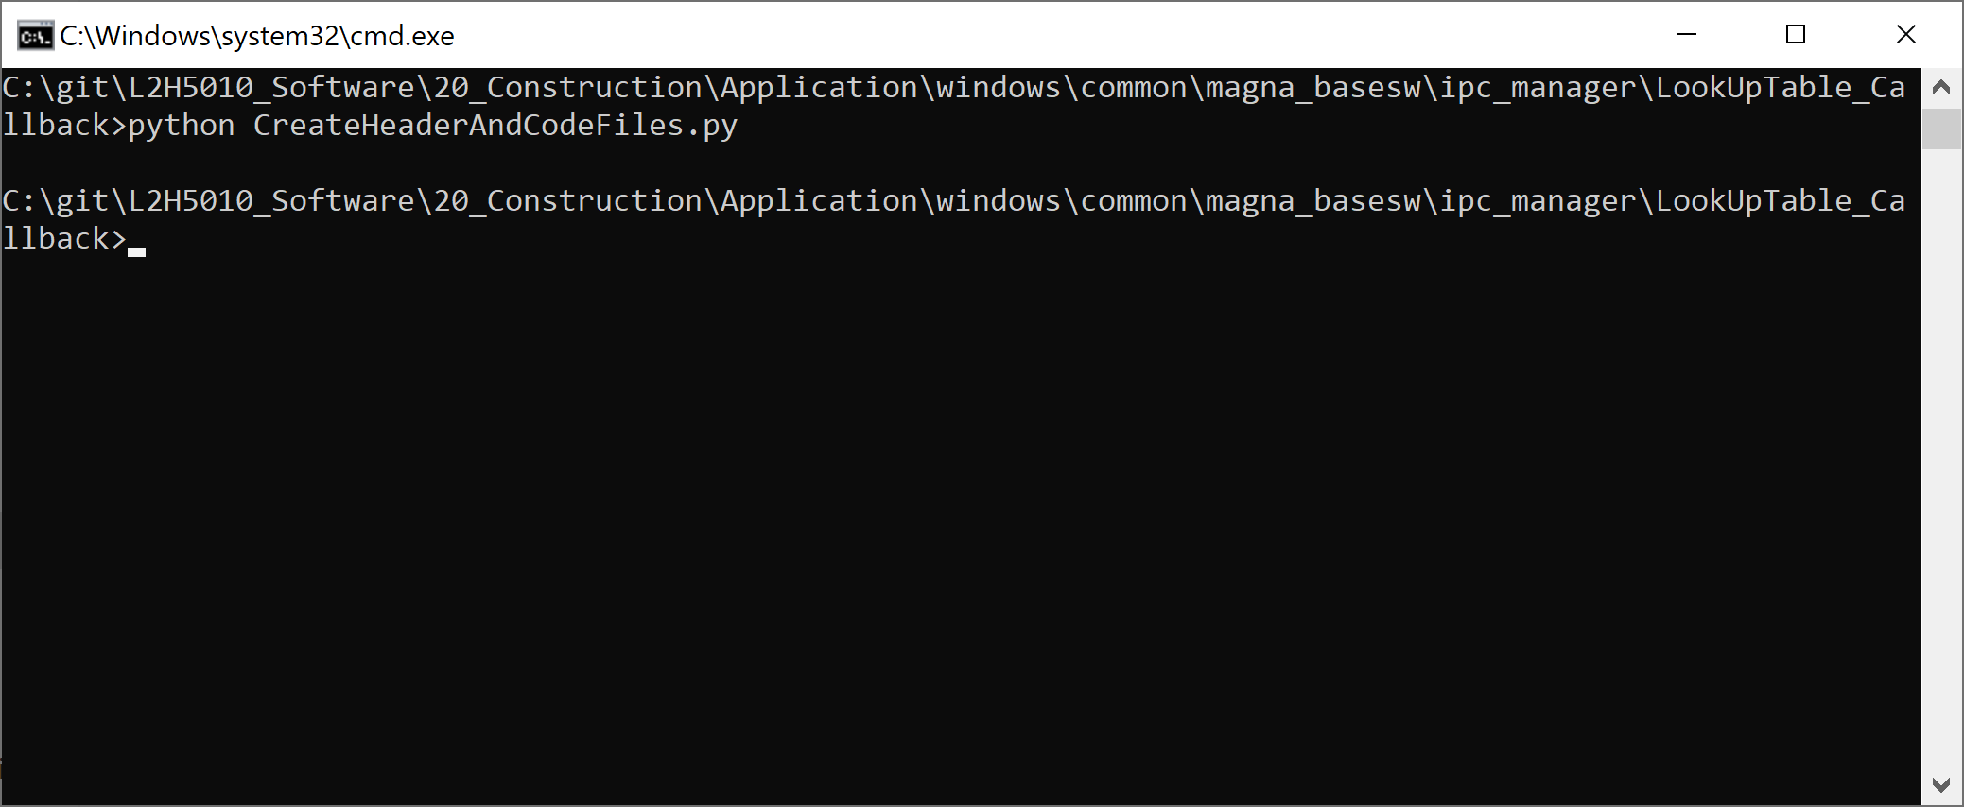
How to generate IPC Files: 1. Copy this excel sheet to "\20_Construction\Application\windows\common\magna_basesw" 2. Open Command windows and go to path "\20_Construction\Application\windows\common\magna_basesw\ipc_manager\LookUpTable_Callback" 3. Run python script CreateHeaderAndCodeFiles.py in command windows 3. On success it will generate below files in "GeneratedFiles" folder at same location - ipc_lookup_table.c - ipc_lookup_table.h 4. Copy ipc_lookup_table.c to "20_Construction\Application\windows\common\magna_basesw\ipc_manager\src\" folder 5. Copy ipc_lookup_table.h to "20_Construction\Application\windows\common\magna_basesw\ipc_manager\inc\" folder 6. Compile software | How to generate signal handler files: 1. Copy this file to S:\L2H5010_Software\20_Construction\Application\windows\common\magna_basesw 2. In folder : S:\L2H5010_Software\20_Construction\Application\windows\common\magna_basesw\SignalMgr\prj , run python SignalMgrGen.py

