Sheet1
 | det. V (km/s) | det. P (km/s) | density (g/cm^3) | SA | Oxygen balance 100
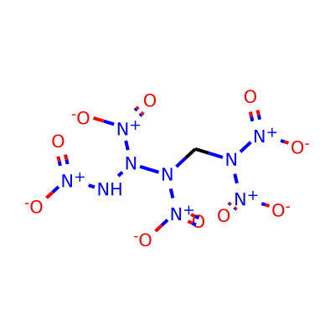 8836 | 12.64 | 55.63 | 2.18 | 4.68 | 4.61
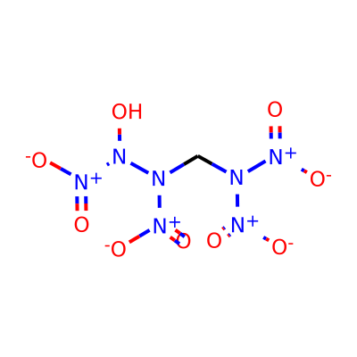 2194 | 12.34 | 55.59 | 2.18 | 4.58 | 4.67
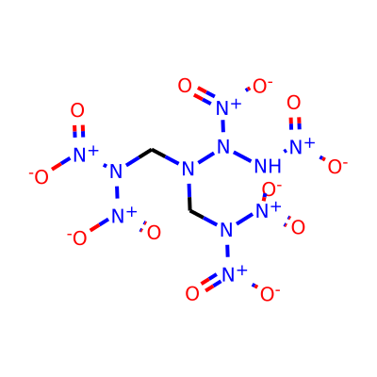 4436 | 12.77 | 54.8 | 2.3 | 4.8 | 4.19
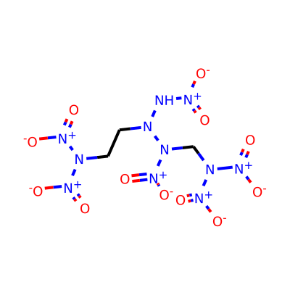 1032 | 13.04 | 54.58 | 2.3 | 4.82 | 3.72
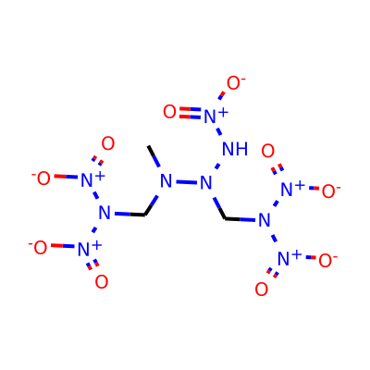 4560 | 12.25 | 54.38 | 2.36 | 4.76 | 3.42
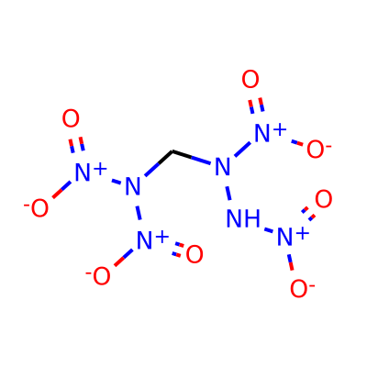 6445 | 11.91 | 54.29 | 2.13 | 4.53 | 4.48
4735 | 11.91 | 54.29 | 2.13 | 4.53 | 4.48
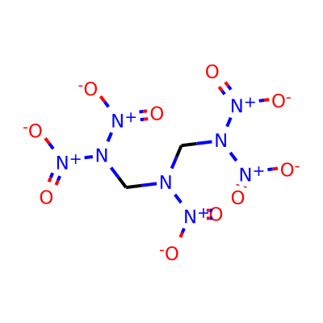 474 | 11.76 | 54.23 | 2.24 | 4.39 | 4.09
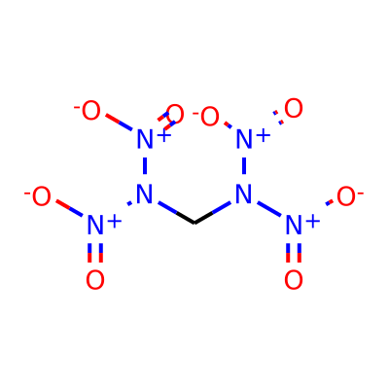 8011 | 11.52 | 54.02 | 2.1 | 4.3 | 4.61
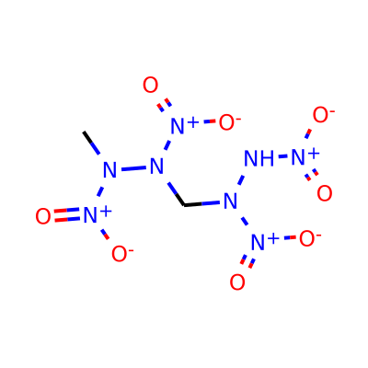 4597 | 12.06 | 54.02 | 2.23 | 4.61 | 3.68
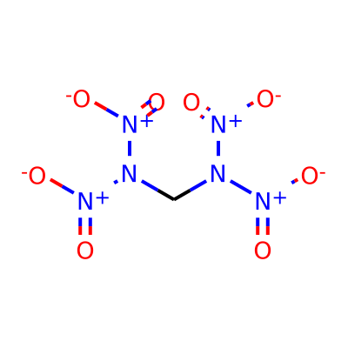 12618 | 11.52 | 54.02 | 2.1 | 4.3 | 4.61
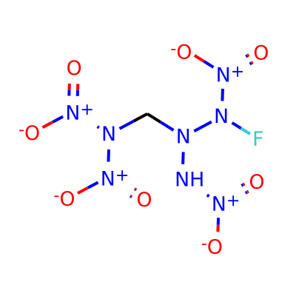 8241 | 11.94 | 53.97 | 2.18 | 4.69 | 4.26
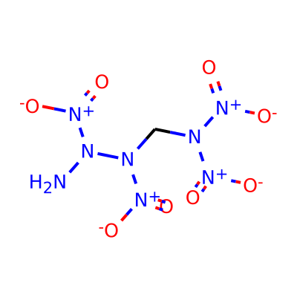 271 | 12.12 | 53.96 | 2.16 | 4.6 | 4.36
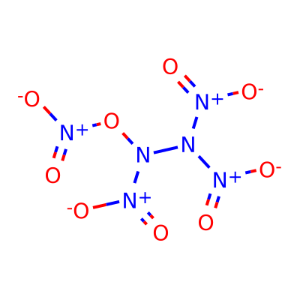 8028 | 11.61 | 53.76 | 1.95 | 4.39 | 5.67
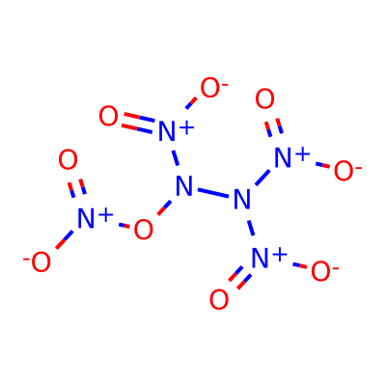 191 | 11.61 | 53.76 | 1.95 | 4.39 | 5.67
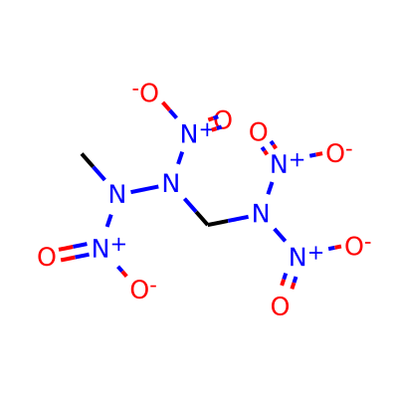 2724 | 11.67 | 53.7 | 2.2 | 4.5 | 3.74
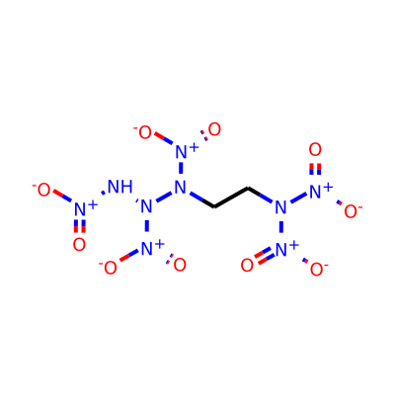 6065 | 12.74 | 53.28 | 2.19 | 4.61 | 4.01
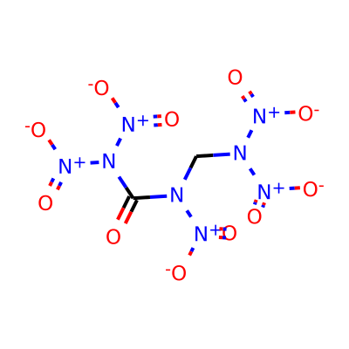 12121 | 11.38 | 53.25 | 2.14 | 4.45 | 4.26
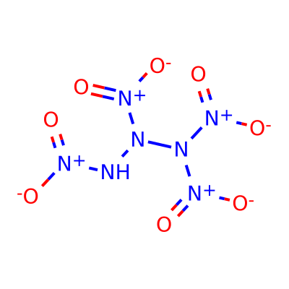 9405 | 12.27 | 53.23 | 2.05 | 4.4 | 5.32
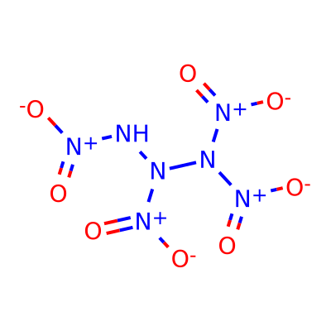 2998 | 12.27 | 53.23 | 2.05 | 4.4 | 5.32

