Charts
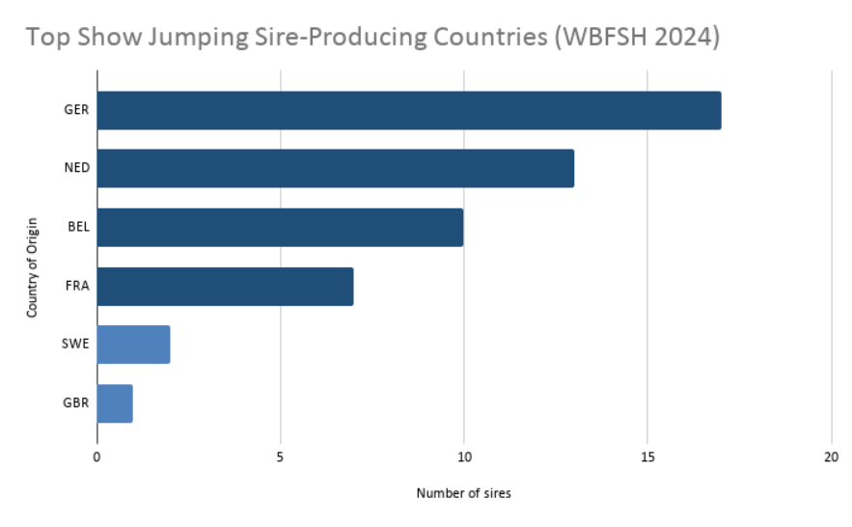
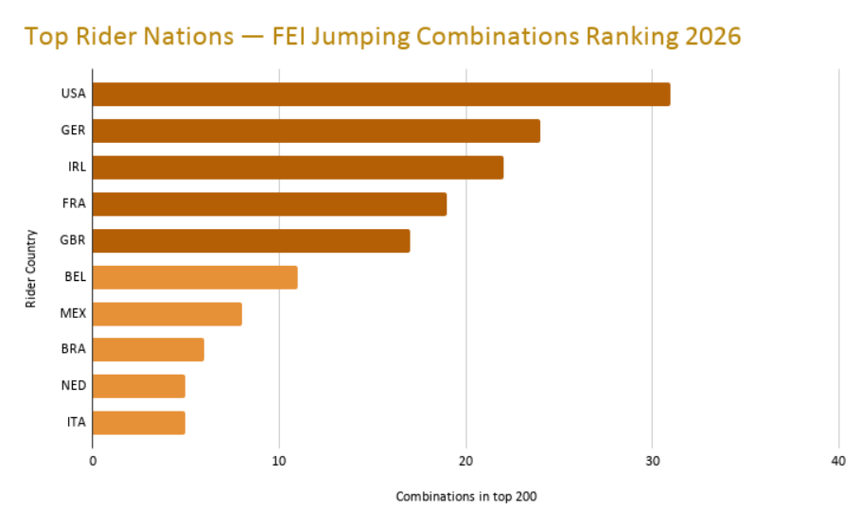

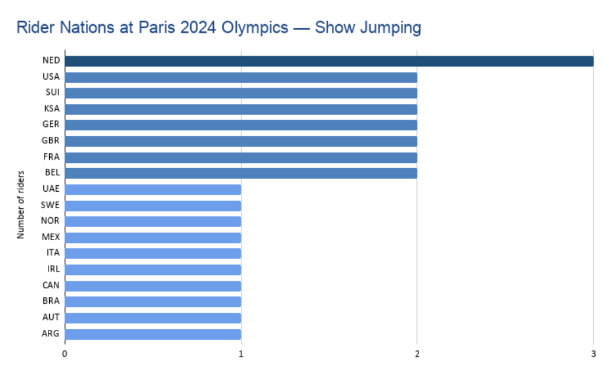
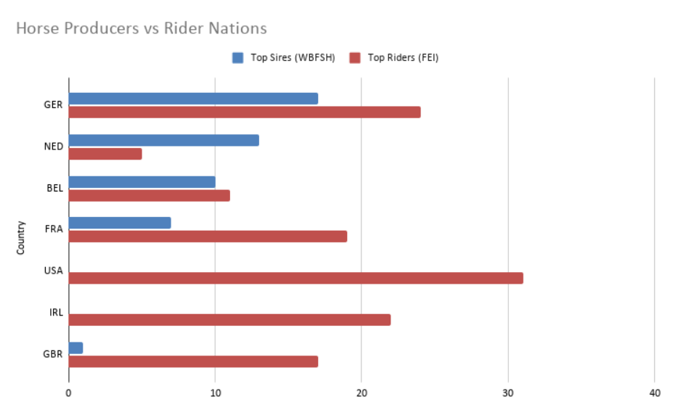

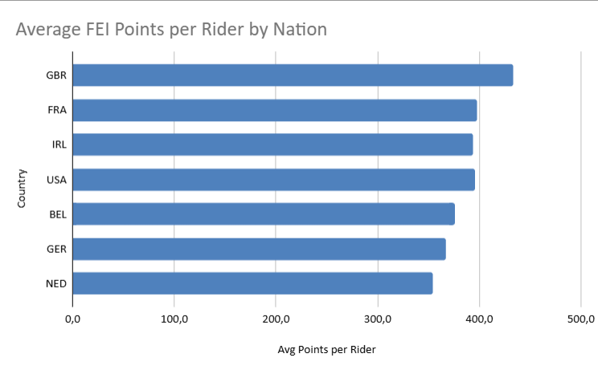

Statistical_Analysis
WBFSH Sire Concentration Analysis

Average FEI Points per Rider by Nation
Country | Sire Count | % of Total
GER | 17 | 34
NED | 13 | 26
BEL | 10 | 20
FRA | 7 | 14
SWE | 2 | 4
GBR | 1 | 2

Top 3 countries total | 40
Top 3 % of total | 80
Top 1 country dominance | 34

FEI Average Points by Rider Country

Country | Avg Points per Rider
GBR | 433.5
FRA | 398.1
IRL | 393.3
USA | 396.0
BEL | 375.9
GER | 367.3
NED | 354.2

Dependency Index Analysis
Country | Top Sires | Top Riders | Dependency Index
GER | 17.0 | 24.0 | 1.4
NED | 13.0 | 5.0 | 0.4
BEL | 10.0 | 11.0 | 1.1
FRA | 7.0 | 19.0 | 2.7
GBR | 1.0 | 17.0 | 1.0
IRL | 0.0 | 22.0 | ∞
USA | 0.0 | 31.0 | ∞

