Лист1
ID | Summary | Severity | Description | Attachment
1 | Setup: "Back" button is lacked | Minor | Setup: "Back" button is lacked STR 1.Run the app 2. Click "OK" button Reuslt "Back" button is lacked Expected result "Back" button is presented
2 | Edit menu: the button name is "Edjt" | Minor | The button name is "Edjt" STR 1.Run the app Result The button name is "Edjt" Expected result The button name is "Edit" | 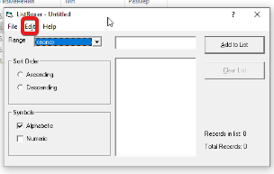
3 | Contents menu: information is not opened in Windows 10 | Major | 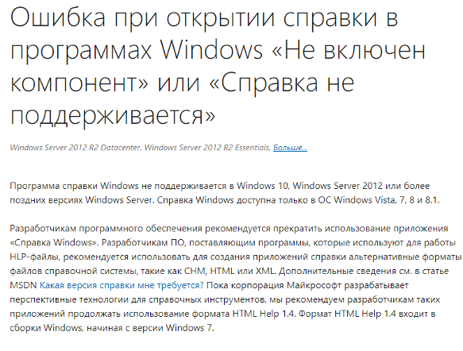 Contents menu: information is not opened in Windows 10. "Windows help" is not supported on Windows 10, Windows Server 2012 STR 1.Run the app 2.Click "Help" button 3. Click "Contents" button Result Contents menu: information is not opened in Windows 10 Expected result The "Contents" menu is shown
4 | Button "?": information is not opened in Windows 10 | Minor | Button "?": information is not opened in Windows 10 STR 1.Run the app 2.Click "?" button Result Button "?": information is not opened in Windows 10 Expected result Help information is shown
5 | Button "Clear list" is not activated after adding information in first time | Critical | Button "Clear list" is not activated after adding information in first time STR 1. Run the app 2. Edit information in "Add to List" menu 3. Click "Add to List" button Result Button "Clear list" is not activated after adding information in first time Expected result Button "Clear List" is activated
6 | "Add to List" menu: empty space is entered into the list | Major | "Add List" menu: empty space is entered into the list STR 1. Run the app 2. Press "Enter" button 3. Click "Add to List" button Result Empty space is entered into the list Expected result Empty space function is blocked
7 | "Add to List" menu Alphabetic mode: symbol "$" is entered | Major | "Add to List" menu: symbol "$" is entered STR 1. Run the app 2. "Symbols" menu select "Alphabetic" 3. Add symbol "$" into the "Add to List" 4. Click "Add to List" Result Symbol "$" is entered Expected result The "$" symbol must not be entered
8 | Numeric mode "300-9999": number "300" is not shown | Major | Numeric mode 300-9999: number "300" is not shown STR 1.Run the app 2. "Symbols" menu select "Numeric" 3. "Range" menu select "300-9999" 4. Add number "300" to "Add to List" row 5. Click "Add to List" button Result number "300" is not shown Expected result number "300" is shown
9 | Numeric mode "300-9999": number "1000" can be added to list | Major | Numeric mode "300-9999": number "1000"can be added to list SRT 1. Run the app 2. "Range" menu select "300-9999" 3. "Symbols" menu select "Numeric" 4. Add number "1000" into "Add to List" row 5, Click "Add to List" button Result Number "1000" can be added to list Expected result Number "1000" can`t be added to list
10 | Edit menu: functions "Cut", "Copy", "Paste" aren`t worked (activated) | Critical | 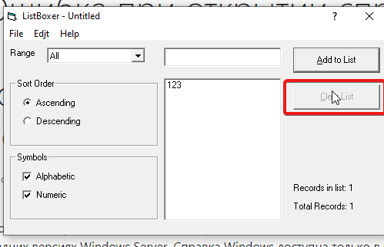 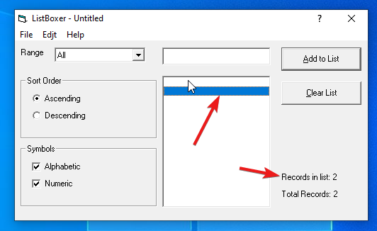 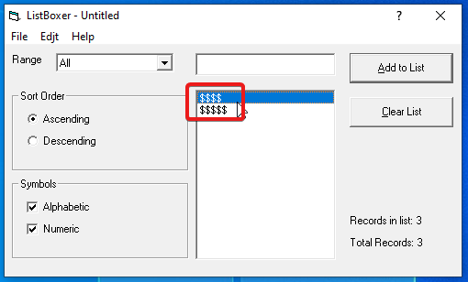 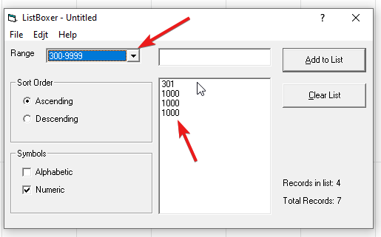 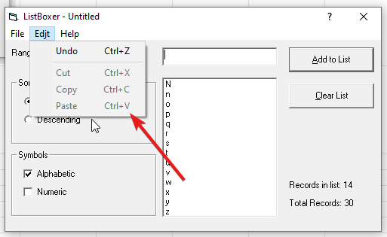 Edit menu: functions "Cut", "Copy", "Paste" aren`t worked (activated) STR 1. Run the App 2. Select "Edit" menu Result Functions "Cut", "Copy", "Paste" aren`t worked (activated) Expected result Functions "Cut", "Copy", "Paste" are worked (activated)

