Executive Summary
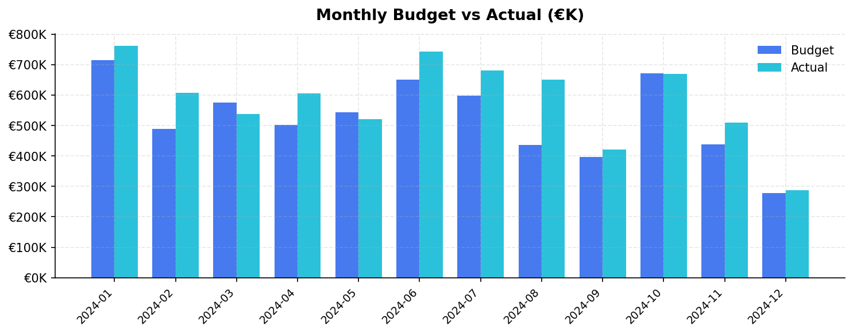
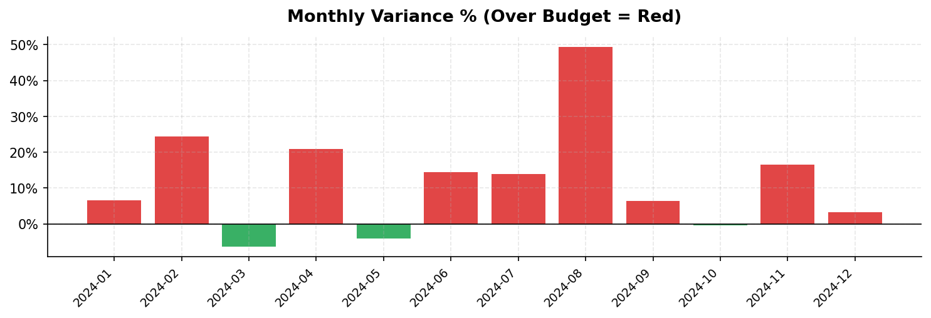
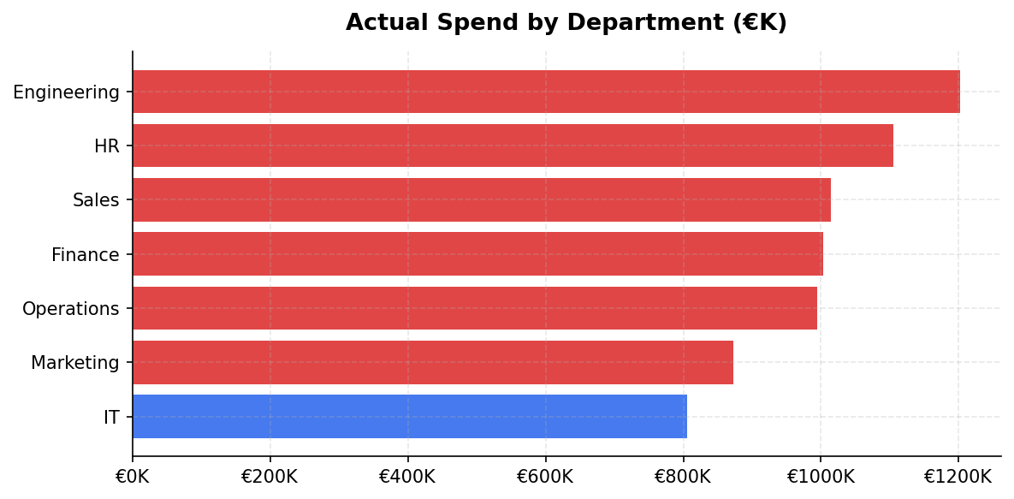
FINANCIAL PERFORMANCE REPORT — 2024

Generated: 13 May 2026 | Fatih Demirtas — Automated Financial Reporting Pipeline

Total Budget | Total Actual | Total Variance | Variance % | Departments Over Budget | Transactions
€6,289,080 | €6,997,437 | €+708,356 | +11.3% | 6 | 435

