Specs
Portal | Language | Creative |  | Launch status | Size |  | Format | Frame Rate | Total | Borders | Banner Delivery | Click Tags for placements | Comments
 |  |  |  |  | Collapsed | Expanded |  |  | Animation Length
 |  |  |  |  | (pixel) | (pixel) |  | Per Second | inclusive all loops

IMPORTANT NOTES:
All Creative must be in HTML5.
Make sure all images are as compressed as possible in order to maintain small file sizes, use polite loader if total file size for HTML and assets exceed 50Kb
Expandable/ Video / Rich media banners should come through DC Studio only
Banners should say "Get a chance to win prizes" instead of "Win prizes" (if any), otherwise add "*Terms and Conditions apply"

Kooora | Arabic | 3D Carousel | Not Received |  | 300x250 | 1280x700 | HTML5 | up to 24 fps | 30 seconds | Yes | Send through Dc studio | As per DC studio guidelines | Please refer the 3D Carousel tab for more details
 |  |  |  |  |  |  | JPEG / Static GIF | - | -
Kooora | Arabic | Flip AD | Not Received |  | 300x250 | - | HTML5 | up to 24 fps | 30 seconds | Yes | Send through Dc studio | As per DC studio guidelines | Please refer the Flip AD tab for more details
 |  |  |  |  |  |  | JPEG / Static GIF | - | -

RECOMMENDATIONS:
It is advisable to use Google Web Designer GWD to develop HTML 5 banners
Using Youtube player saves file size instead of the regular HTML 5 Player where the video will be hosted on Youtube.
Expanded Panel must contain a prominent “Close X” button and it must be positioned on the right/left of Expanded Panel (Language dependent)
All Video/sounds must be user-initiated and not play by default

HTML 5 General Instructions
Please refer to IAB HTML 5 Guidelines to creative development - http://www.iab.net/html5
Sample HTML 5 Creative has been attached with specsheet email.
Click tag insertion sample below

Emailer Guidelines
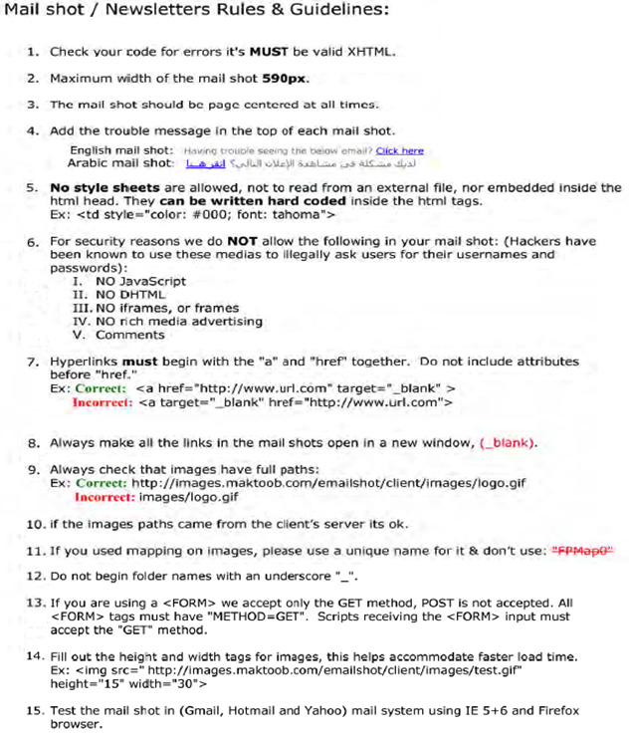

Click Tag Guidelines
Every HTML5 creative uploaded to DCM must have at least one click tag included.
Do not minify or obfuscate the HTML section containing the clicktag code, though you can use minifiers etc. elsewhere and in other files.

Do not hardcode clickthrough URLs in your HTML file because that prevents them from being tracked in DCM or changed after the fact.

Sample click tag insertion:
First set a placeholder destination URL for the clickTag inside the head section. This URL will be overwritten by DCM if a URL is configured at ad/creative level.

Here's an example of the DCM clickTag inserted in an HTML document:

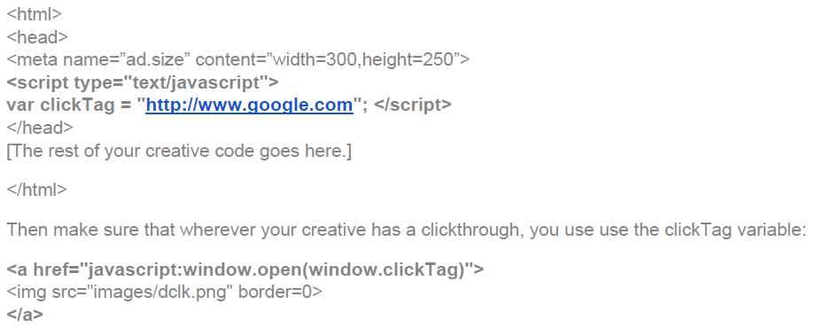

Note for creatives built in Google Web Designer : The above code will not be present, instead they should use a GWD exit event.

Flip AD
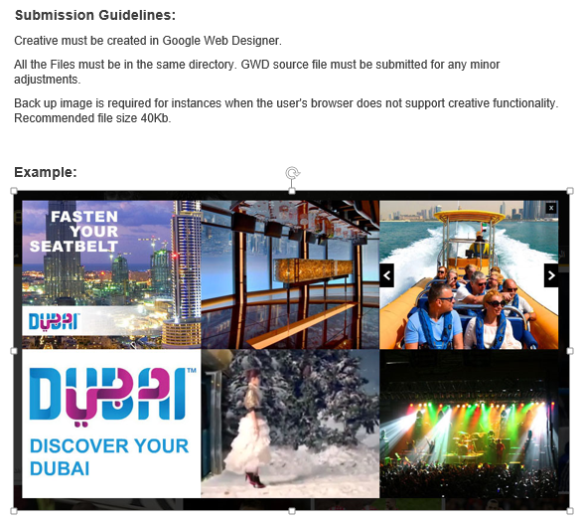
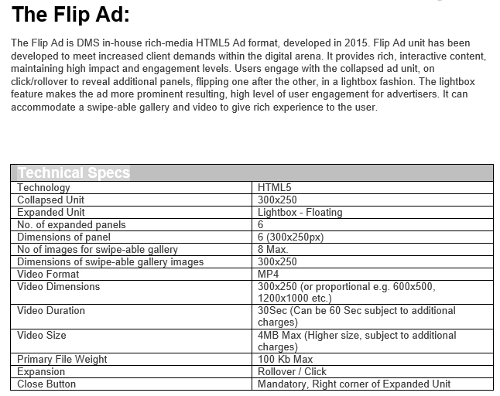
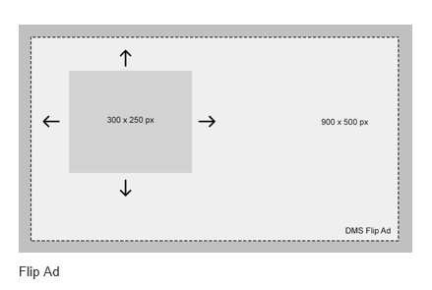

Please scroll down

3D Carousel
