Outline
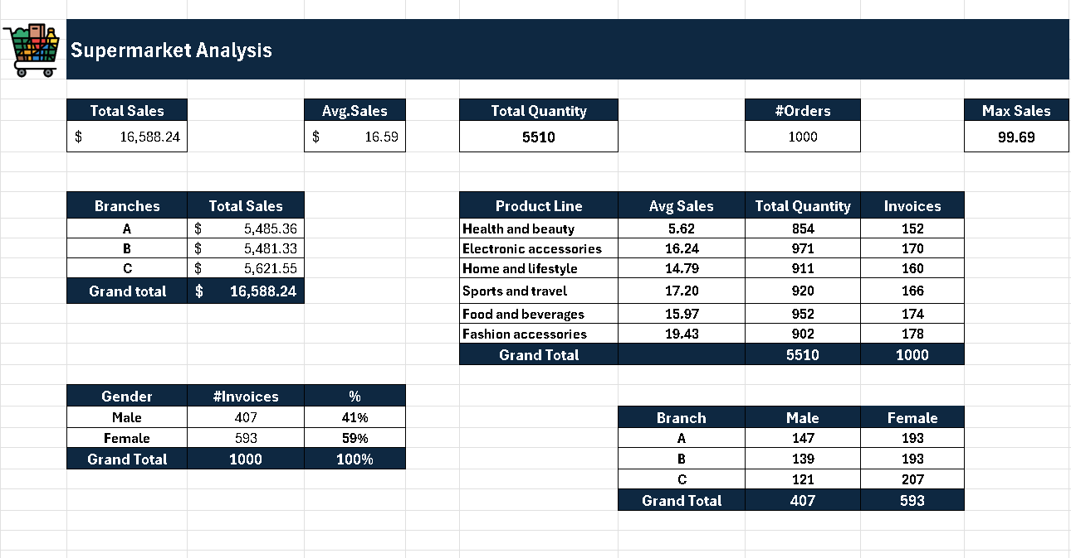

Outline Session_3
Revision
Name of cells / Range
Tables
Table tools
Intro to Pivot tables

