Outline
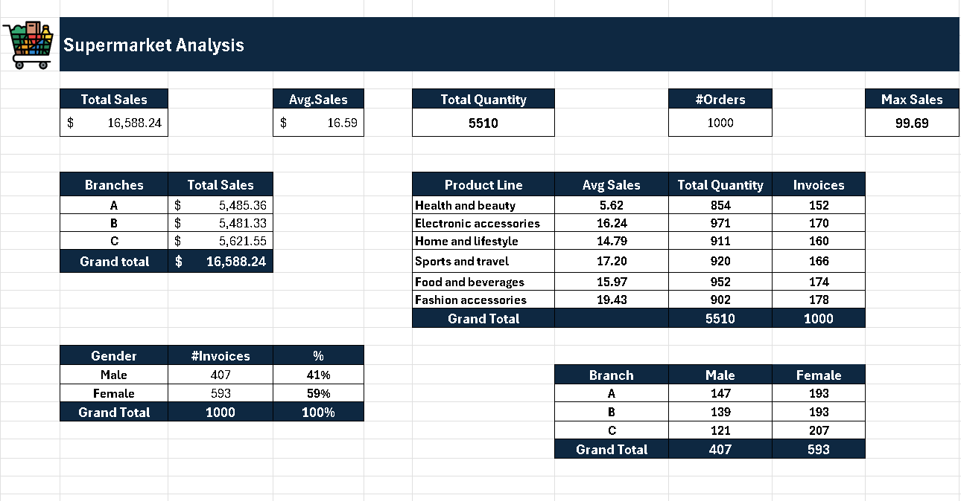

Outline Session_3
Revision
Name of cells / Range
Tables
Table tools
Intro to Pivot tables

Sheet1

 | Super Market Analyze

Total Sales |  |  | Avg.sales |  | Total Quantity |  |  | Orders |  |  |  | Max Sales
$322,966.75 |  |  | $322.97 |  | 5525 |  |  | 1000 |  |  |  | $1,042.65

branch |  | Total sales |  | product line | Avg.sales | total quantity | invoices
A |  | $106,200.37 |  | Health and beauty | $323.64 | 854 | 152 |  | Branch | Male | Female |  | 1 | 2 | 1 | 2 | 3
B |  | $106,197.67 |  | Electronic accessories | $319.63 | 971 | 170 |  | A | 153 | 187 |  | 1 | 2 | 3 | 4 | 7
C |  | $110,568.71 |  | Home and lifestyle | $336.64 | 911 | 160 |  | B | 148 | 184 |  |  | 3
Grand total |  | $322,966.75 |  | Sports and travel | $332.07 | 920 | 166 |  | C | 128 | 200
 |  |  |  | Food and beverages | $322.67 | 952 | 174 |  | Grand Total | 429 | 571
 |  |  |  | Fashion accessories | $305.09 | 902 | 178
 |  |  |  | Grand Total |  | 5510 | 1000
Gender | invoices | %
Male | 429 | 43%
Female | 571 | 57%
Grand total | 1000

