Resistive - DC
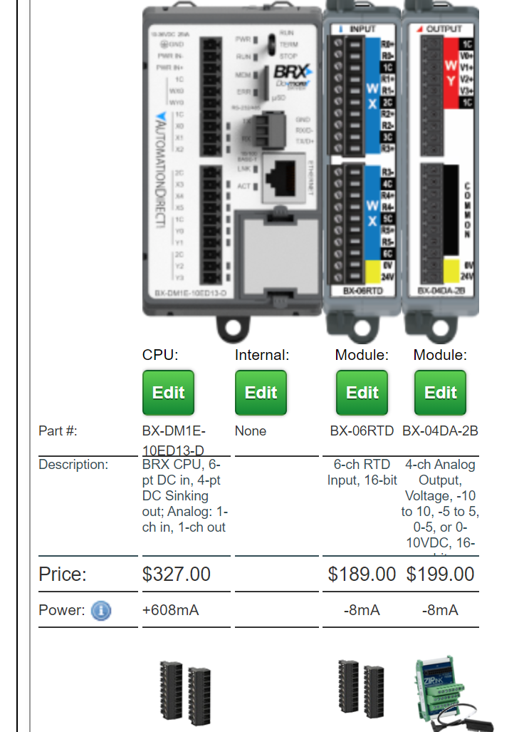
C101 Properties
r | 1.7241E-08 | Ohm*m
Cp | 385 | J/kg-K
rho | 8910 | kg/m^3
k | 391.1 | W/m-K

Cable Geom.
L | 30 | m | CSMC ~31m, SPARC ~100-150m, PF ~300m
D | 0.021 | m | 19mm core + 3mm thick jacket (worst case)
Fill Fraction | 0.75 | [] | How much of the cross-section is actually copper? Seat-of-the-pants estimate
A_geom | 0.000346 | m^2 | cross-sectional area assuming solid
A_eff | 0.000260 | m^2 | cross-sectional area assuming some sub-unity fill fraction
V | 0.007793 | m^3
Th. Mass | 26733 | J/K
R_cable | 0.00199110 | Ohms | Cable resistance
R_conn | 1.00E-03 | Ohms | For 2x 0.5mOhm connectors

Resistive Heating |  |  |  | Convection Losses
Supply current | 1500 | A | 2200A max for magna-power unit | rho_air | 1.23 | kg/m^3
Supply voltage req. | 4.49 | V | 5V max for magna-power unit | nu_air | 1.48E-05 | m^2/s
Cable Heating Power | 4480 | W | Assumes no convection | k_air | 2.57E-02 | W/m-K
 | 149 | W/m | "" | Beta | 3.69E-03 | K^-1 | coeff of thermal expansion
Cable Heating Rate | 0.168 | K/s |  | Pr | 0.7 | [] | Tabluated. Varies ~ .69 to .74
Start temp | 180 | C |  | g | 9.81 | m/s^2
End temp | 200 | C |  | Ambient temp | 20 | C
Temp. Delta | 20 | K |  | Convective Temp Delta | 17 | K
Heating time | 119 | s |  | Gr_D | 4.98E+06 | [] | Grashof
 | 2 | min |  | Ra_D | 3.48E+06 | [] | Rayleigh = GrPr
 |  |  |  | h | 4.40E+00 | W/K-m^2
 |  |  |  | h(A/L)dT | 28 | W/m | Should probably insulate

Insulated Conduction
t_ins | 5.00E-02 | m | Insulation thickness
k_ins | 0.05 | W/m-K | Insulation thermal conductivity; 0.2 for epoxy, 0.05 for matrix-less fiberglass mat
D_ins | 0.121 | m | Insulation OD
R_cond / L | 5.57 | (W/m-K)^-1 | Per-length thermal resistance of insulation
Ts | 37.0 | C | Surface temp
dT | 163.0 | K | Insulation dT
qdot / L | 29 | W/m | Conductive power per length
Conductive-Convective Power Error | 1 | W/m | Power balance error

BOM | $ (tot) | Count | Description
MagnaPower TSD5-2200/480 | $12,000 | 1 | 5V/2200A power supply | https://magna-power.com/assets/files/datasheets/datasheet_ts_4.4.0.pdf
4550T121 | $236 | 4 | 4ft, 312W heater tape (for solder reservoir)
WHAM solder controller | $1,432 | 1 | 4p4t temperature controller (for solder reservoir) | https://www.dropbox.com/home/SPARC_Joint/Research_Projects/GDT/Manufacturing/Heating%20Ring
BX-DM1E-10ED13-D | $777 | 1 | PLC w/ ethernet, 6ch RTD module, analog output module, & all terminal blocks
PLC software (DataWorx) | $400 | 1 | Only one PLC
RTDs for cable sense | $300 | 4 | guestimate
High-current cables & connectors | $1,000 | 2 | guestimate
Total | $16,145

